0
SUNNY SHOWERS LTD
ZONE： | 01D-30-12-22 |  | NO: | 1 in 4
NO: | 1 |  | ProdCode: | WDM-BW-1
 |  |  | PostCode： | B25 8TD
 |  |  | OrderNo.： | ESO22122740052 ESO22122740053
 |  |  | DeliverDate： | 30/12/2022 05:00 - 02/01/2023 23:00
BC:
 |  | 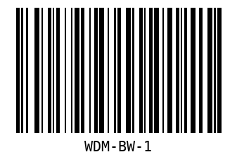

4
SUNNY SHOWERS LTD
ZONE： | 01D-30-12-22 |  | NO: | 1 in 4
NO: | 1 |  | ProdCode: | WDM-BW-2
 |  |  | PostCode： | B25 8TD
 |  |  | OrderNo.： | ESO22122740052 ESO22122740053
 |  |  | DeliverDate： | 30/12/2022 05:00 - 02/01/2023 23:00
BC:
 |  | 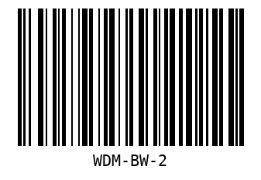

8
SUNNY SHOWERS LTD
ZONE： | 01D-30-12-22 |  | NO: | 1 in 2
NO: | 1 |  | ProdCode: | BT-BW
 |  |  | PostCode： | B25 8TD
 |  |  | OrderNo.： | ESO22122740052 ESO22122740053
 |  |  | DeliverDate： | 30/12/2022 05:00 - 02/01/2023 23:00
BC:
 |  | 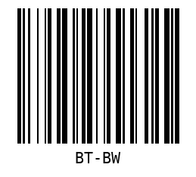

10
SUNNY SHOWERS LTD
ZONE： | 01D-30-12-22 |  | NO: | 1 in 2
NO: | 1 |  | ProdCode: | DC-BW
 |  |  | PostCode： | B25 8TD
 |  |  | OrderNo.： | ESO22122740052 ESO22122740053
 |  |  | DeliverDate： | 30/12/2022 05:00 - 02/01/2023 23:00
BC:
 |  | 