0
SUNNY SHOWERS LTD
ZONE： | 31C-05-01-23 |  | NO: | 1 in 1
NO: | 2 |  | ProdCode: | BFM80
 |  |  | PostCode： | GU1 1UZ
 |  |  | OrderNo.： | EAM23010340318
 |  |  | DeliverDate： | 05/01/2023 05:00 - 08/01/2023 23:00
BC:
 |  | 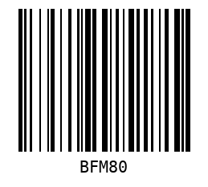

1
SUNNY SHOWERS LTD
ZONE： | 31C-05-01-23 |  | NO: | 1 in 2
NO: | 3 |  | ProdCode: | CR76
 |  |  | PostCode： | GU1 1QU
 |  |  | OrderNo.： | EAM23010340476
 |  |  | DeliverDate： | 05/01/2023 05:00 - 08/01/2023 23:00
BC:
 |  | 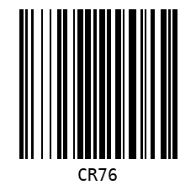

3
SUNNY SHOWERS LTD
ZONE： | 31C-05-01-23 |  | NO: | 1 in 1
NO: | 3 |  | ProdCode: | CRF
 |  |  | PostCode： | GU1 1QU
 |  |  | OrderNo.： | EAM23010340476
 |  |  | DeliverDate： | 05/01/2023 05:00 - 08/01/2023 23:00
BC:
 |  | 

4
SUNNY SHOWERS LTD
ZONE： | 31C-05-01-23 |  | NO: | 1 in 1
NO: | 4 |  | ProdCode: | QE99
 |  |  | PostCode： | GU2 9NR
 |  |  | OrderNo.： | ESO23010351364
 |  |  | DeliverDate： | 05/01/2023 05:00 - 08/01/2023 23:00
BC:
 |  | 

5
SUNNY SHOWERS LTD
ZONE： | 31C-05-01-23 |  | NO: | 1 in 1
NO: | 5 |  | ProdCode: | TVS004-B-1/2
 |  |  | PostCode： | GU3 3DT
 |  |  | OrderNo.： | EAM23010440206
 |  |  | DeliverDate： | 05/01/2023 05:00 - 08/01/2023 23:00
BC:
 |  | 

6
SUNNY SHOWERS LTD
ZONE： | 31C-05-01-23 |  | NO: | 1 in 1
NO: | 5 |  | ProdCode: | TVS004-B-2/2
 |  |  | PostCode： | GU3 3DT
 |  |  | OrderNo.： | EAM23010440206
 |  |  | DeliverDate： | 05/01/2023 05:00 - 08/01/2023 23:00
BC:
 |  | 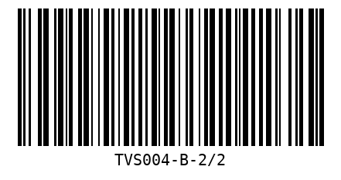

7
SUNNY SHOWERS LTD
ZONE： | 31C-05-01-23 |  | NO: | 1 in 1
NO: | 6 |  | ProdCode: | DT04-W-1/2
 |  |  | PostCode： | GU12 6BH
 |  |  | OrderNo.： | ESO23010351006
 |  |  | DeliverDate： | 05/01/2023 05:00 - 08/01/2023 23:00
BC:
 |  | 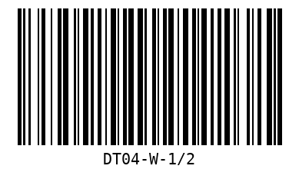

8
SUNNY SHOWERS LTD
ZONE： | 31C-05-01-23 |  | NO: | 1 in 1
NO: | 6 |  | ProdCode: | DT04-W-2/2
 |  |  | PostCode： | GU12 6BH
 |  |  | OrderNo.： | ESO23010351006
 |  |  | DeliverDate： | 05/01/2023 05:00 - 08/01/2023 23:00
BC:
 |  | 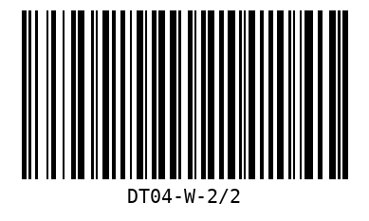

9
SUNNY SHOWERS LTD
ZONE： | 31C-05-01-23 |  | NO: | 1 in 1
NO: | 6 |  | ProdCode: | FS02-W
 |  |  | PostCode： | GU12 6BH
 |  |  | OrderNo.： | ESO23010351006
 |  |  | DeliverDate： | 05/01/2023 05:00 - 08/01/2023 23:00
BC:
 |  | 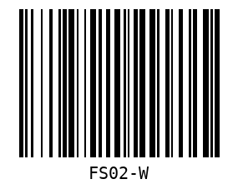

10
SUNNY SHOWERS LTD
ZONE： | 31C-05-01-23 |  | NO: | 1 in 1
NO: | 7 |  | ProdCode: | LAC02-A
 |  |  | PostCode： | GU46 6XB
 |  |  | OrderNo.： | EAM23010340245
 |  |  | DeliverDate： | 05/01/2023 05:00 - 08/01/2023 23:00
BC:
 |  | 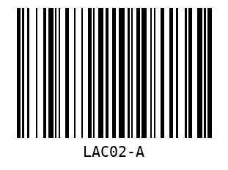

11
SUNNY SHOWERS LTD
ZONE： | 31C-05-01-23 |  | NO: | 1 in 1
NO: | 7 |  | ProdCode: | LAC02-B
 |  |  | PostCode： | GU46 6XB
 |  |  | OrderNo.： | EAM23010340245
 |  |  | DeliverDate： | 05/01/2023 05:00 - 08/01/2023 23:00
BC:
 |  | 

12
SUNNY SHOWERS LTD
ZONE： | 31C-05-01-23 |  | NO: | 1 in 1
NO: | 10 |  | ProdCode: | TVS003-B
 |  |  | PostCode： | RG42 1XA
 |  |  | OrderNo.： | EAM23010340319
 |  |  | DeliverDate： | 05/01/2023 05:00 - 08/01/2023 23:00
BC:
 |  | 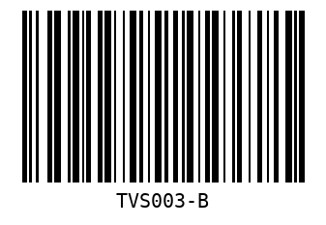

13
SUNNY SHOWERS LTD
ZONE： | 31C-05-01-23 |  | NO: | 1 in 1
NO: | 11 |  | ProdCode: | BF76
 |  |  | PostCode： | RG41 3AZ
 |  |  | OrderNo.： | EAM23010340220
 |  |  | DeliverDate： | 05/01/2023 05:00 - 08/01/2023 23:00
BC:
 |  | 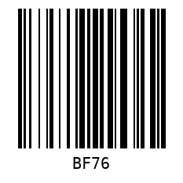

14
SUNNY SHOWERS LTD
ZONE： | 31C-05-01-23 |  | NO: | 1 in 1
NO: | 12 |  | ProdCode: | WRF76
 |  |  | PostCode： | RG6 4DA
 |  |  | OrderNo.： | EAM23010340208
 |  |  | DeliverDate： | 05/01/2023 05:00 - 08/01/2023 23:00
BC:
 |  | 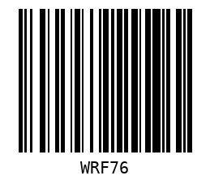

17
SUNNY SHOWERS LTD
ZONE： | 31C-05-01-23 |  | NO: | 1 in 1
NO: | 16 |  | ProdCode: | TVS003-W
 |  |  | PostCode： | RG30 4DR
 |  |  | OrderNo.： | ESO23010350250
 |  |  | DeliverDate： | 05/01/2023 05:00 - 08/01/2023 23:00
BC:
 |  | 

19
SUNNY SHOWERS LTD
ZONE： | 31C-05-01-23 |  | NO: | 1 in 1
NO: | 19 |  | ProdCode: | SLR14A
 |  |  | PostCode： | OX14 3AG
 |  |  | OrderNo.： | EAM23010440172
 |  |  | DeliverDate： | 05/01/2023 05:00 - 08/01/2023 23:00
BC:
 |  | 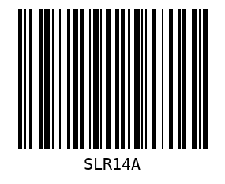

20
SUNNY SHOWERS LTD
ZONE： | 31C-05-01-23 |  | NO: | 1 in 1
NO: | 19 |  | ProdCode: | SLR14B
 |  |  | PostCode： | OX14 3AG
 |  |  | OrderNo.： | EAM23010440172
 |  |  | DeliverDate： | 05/01/2023 05:00 - 08/01/2023 23:00
BC:
 |  | 

21
SUNNY SHOWERS LTD
ZONE： | 31C-05-01-23 |  | NO: | 1 in 1
NO: | 21 |  | ProdCode: | WR70
 |  |  | PostCode： | OX20 1LA
 |  |  | OrderNo.： | EAM23010340390
 |  |  | DeliverDate： | 05/01/2023 05:00 - 08/01/2023 23:00
BC:
 |  | 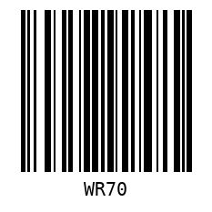

22
SUNNY SHOWERS LTD
ZONE： | 31C-05-01-23 |  | NO: | 1 in 1
NO: | 22 |  | ProdCode: | WDM-WW-1
 |  |  | PostCode： | OX26 3YF
 |  |  | OrderNo.： | EAM23010440199
 |  |  | DeliverDate： | 05/01/2023 05:00 - 08/01/2023 23:00
BC:
 |  | 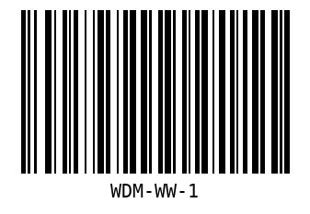

23
SUNNY SHOWERS LTD
ZONE： | 31C-05-01-23 |  | NO: | 1 in 1
NO: | 22 |  | ProdCode: | WDM-WW-2
 |  |  | PostCode： | OX26 3YF
 |  |  | OrderNo.： | EAM23010440199
 |  |  | DeliverDate： | 05/01/2023 05:00 - 08/01/2023 23:00
BC:
 |  | 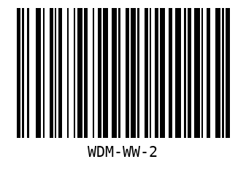

24
SUNNY SHOWERS LTD
ZONE： | 31C-05-01-23 |  | NO: | 1 in 1
NO: | 23 |  | ProdCode: | TVS007-W-1/2
 |  |  | PostCode： | NN13 6HW
 |  |  | OrderNo.： | EAM23010440166
 |  |  | DeliverDate： | 05/01/2023 05:00 - 08/01/2023 23:00
BC:
 |  | 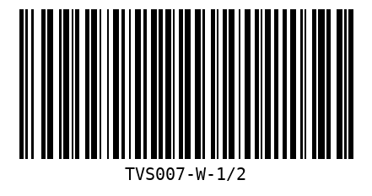

25
SUNNY SHOWERS LTD
ZONE： | 31C-05-01-23 |  | NO: | 1 in 1
NO: | 23 |  | ProdCode: | TVS007-W-2/2
 |  |  | PostCode： | NN13 6HW
 |  |  | OrderNo.： | EAM23010440166
 |  |  | DeliverDate： | 05/01/2023 05:00 - 08/01/2023 23:00
BC:
 |  | 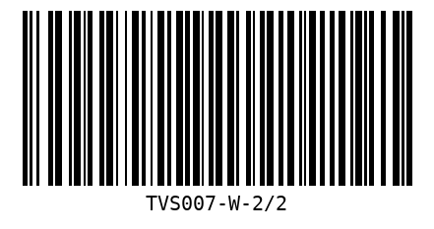

26
SUNNY SHOWERS LTD
ZONE： | 31C-05-01-23 |  | NO: | 1 in 1
NO: | 3 |  | ProdCode: | SRT76
 |  |  | PostCode： | GU1 1QU
 |  |  | OrderNo.： | EAM23010340476
 |  |  | DeliverDate： | 05/01/2023 05:00 - 08/01/2023 23:00
BC:
 |  | 

28
SUNNY SHOWERS LTD
ZONE： | 31C-05-01-23 |  | NO: | 1 in 1
NO: | 8 |  | ProdCode: | SRT1580
 |  |  | PostCode： | GU46 6PA
 |  |  | OrderNo.： | ESO23010470385 ESO23010470386
 |  |  | DeliverDate： | 05/01/2023 05:00 - 08/01/2023 23:00
BC:
 |  | 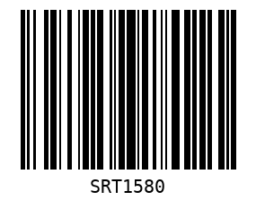

29
SUNNY SHOWERS LTD
ZONE： | 31C-05-01-23 |  | NO: | 1 in 1
NO: | 3 |  | ProdCode: | W90
 |  |  | PostCode： | GU1 1QU
 |  |  | OrderNo.： | EAM23010340476
 |  |  | DeliverDate： | 05/01/2023 05:00 - 08/01/2023 23:00
BC:
 |  | 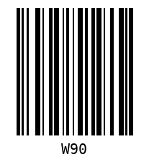

32
SUNNY SHOWERS LTD
ZONE： | 31C-05-01-23 |  | NO: | 1 in 2
NO: | 9 |  | ProdCode: | HV001
 |  |  | PostCode： | GU46 7RE
 |  |  | OrderNo.： | EAM23010440207
 |  |  | DeliverDate： | 05/01/2023 05:00 - 08/01/2023 23:00
BC:
 |  | 

34
SUNNY SHOWERS LTD
ZONE： | 31C-05-01-23 |  | NO: | 1 in 1
NO: | 1 |  | ProdCode: | R6-1845AD
 |  |  | PostCode： | GU4 7FG
 |  |  | OrderNo.： | EAM23010340255
 |  |  | DeliverDate： | 05/01/2023 05:00 - 08/01/2023 23:00
BC:
 |  | 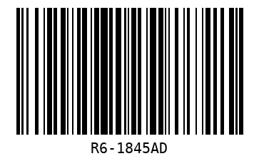

35
SUNNY SHOWERS LTD
ZONE： | 31C-05-01-23 |  | NO: | 1 in 2
NO: | 9 |  | ProdCode: | R6-1630W
 |  |  | PostCode： | GU46 7RE
 |  |  | OrderNo.： | EAM23010440207
 |  |  | DeliverDate： | 05/01/2023 05:00 - 08/01/2023 23:00
BC:
 |  | 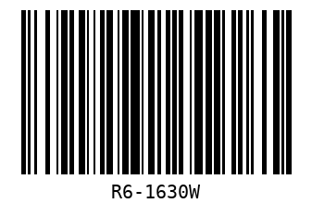

37
SUNNY SHOWERS LTD
ZONE： | 31C-05-01-23 |  | NO: | 1 in 2
NO: | 13 |  | ProdCode: | R6-1660AD
 |  |  | PostCode： | RG6 4AE
 |  |  | OrderNo.： | ESO23010470159
 |  |  | DeliverDate： | 05/01/2023 05:00 - 08/01/2023 23:00
BC:
 |  | 

39
SUNNY SHOWERS LTD
ZONE： | 31C-05-01-23 |  | NO: | 1 in 1
NO: | 15 |  | ProdCode: | DTS01-G
 |  |  | PostCode： | RG1 8AF
 |  |  | OrderNo.： | ESO23010350851
 |  |  | DeliverDate： | 05/01/2023 05:00 - 08/01/2023 23:00
BC:
 |  | 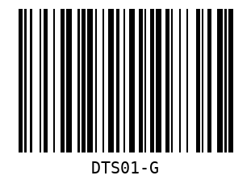

40
SUNNY SHOWERS LTD
ZONE： | 31C-05-01-23 |  | NO: | 1 in 1
NO: | 17 |  | ProdCode: | R7-1850AM
 |  |  | PostCode： | RG31 6XW
 |  |  | OrderNo.： | ESO23010351056
 |  |  | DeliverDate： | 05/01/2023 05:00 - 08/01/2023 23:00
BC:
 |  | 

41
SUNNY SHOWERS LTD
ZONE： | 31C-05-01-23 |  | NO: | 1 in 1
NO: | 20 |  | ProdCode: | R6-1860WS
 |  |  | PostCode： | OX5 1UH
 |  |  | OrderNo.： | ESO23010350264
 |  |  | DeliverDate： | 05/01/2023 05:00 - 08/01/2023 23:00
BC:
 |  | 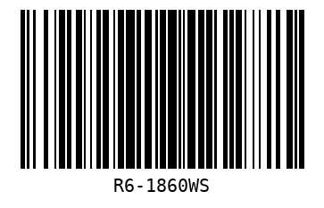

42
SUNNY SHOWERS LTD
ZONE： | 31C-05-01-23 |  | NO: | 1 in 1
NO: | 20 |  | ProdCode: | R5-45W
 |  |  | PostCode： | OX5 1UH
 |  |  | OrderNo.： | ESO23010350264
 |  |  | DeliverDate： | 05/01/2023 05:00 - 08/01/2023 23:00
BC:
 |  | 