Index
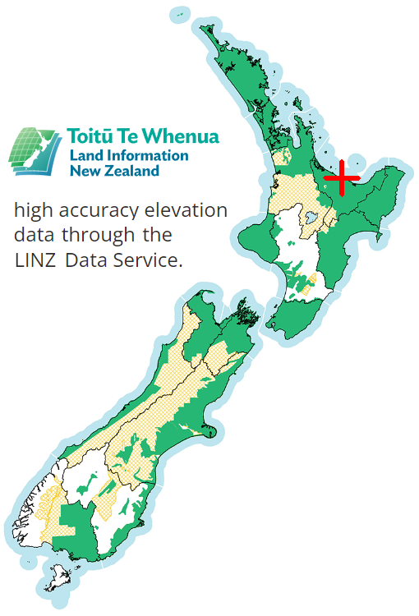
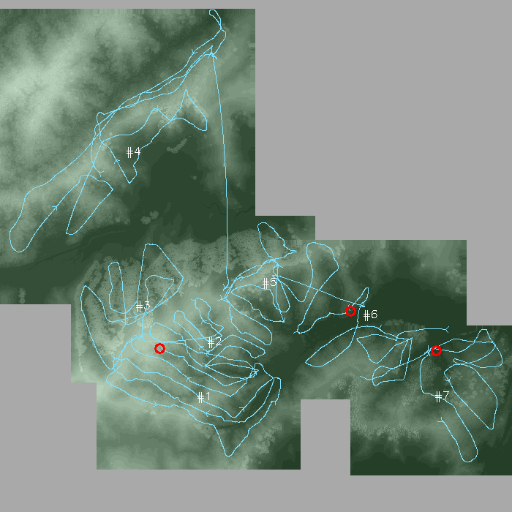
SkyComb Flights Summary

Input directory:
D:\SkyComb\Input_Data\Lennard_Sparks

Flight # | Date time | Duration | Latitude | Longitude | Country X | Country Y | Easting M | Northing M | Dem % | DSM % | Waypoints | Google Maps | File name
#1 | 2023-09-20 19:25:18 | 26:23 | -37.990083 | 177.045345 | 1955290 | 5787558 | 946 | 596 | 100 | 100 | 0 | Map | DJI_20230920192518_0001_T.mp4
#2 | 2023-09-20 19:55:43 | 27:05 | -37.987462 | 177.045794 | 1955342 | 5787847 | 657 | 430 | 100 | 100 | 1 | Map | DJI_20230920195543_0001_T.mp4
#3 | 2023-09-20 20:24:09 | 10:47 | -37.985932 | 177.041446 | 1954968 | 5788034 | 566 | 633 | 100 | 100 | 0 | Map | DJI_20230920202408_0001_T.mp4
#4 | 2023-09-20 20:41:24 | 25:25 | -37.978680 | 177.040494 | 1954919 | 5788842 | 1218 | 1424 | 100 | 100 | 0 | Map | DJI_20230920204123_0001_T.mp4
#5 | 2023-09-20 21:10:08 | 15:34 | -37.984564 | 177.048923 | 1955632 | 5788157 | 423 | 624 | 100 | 100 | 0 | Map | DJI_20230920211008_0001_T.mp4
#6 | 2023-09-20 21:45:31 | 17:13 | -37.985884 | 177.055026 | 1956162 | 5787987 | 946 | 710 | 100 | 100 | 1 | Map | DJI_20230920214531_0001_T.mp4
#7 | 2023-09-20 22:13:24 | 13:56 | -37.989552 | 177.059508 | 1956538 | 5787562 | 780 | 664 | 100 | 100 | 1 | Map | DJI_20230920221324_0001_T.mp4

Flight Locations |  |  | Flight Paths (1954310,5787230 to 1954310,5787230)

#1
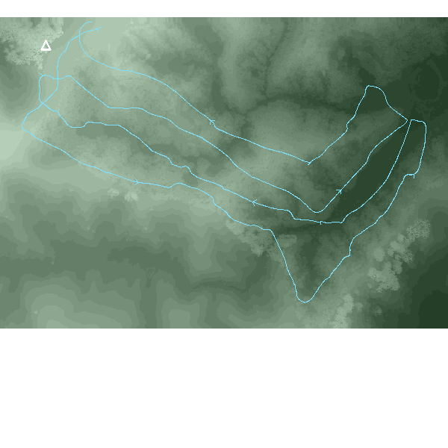
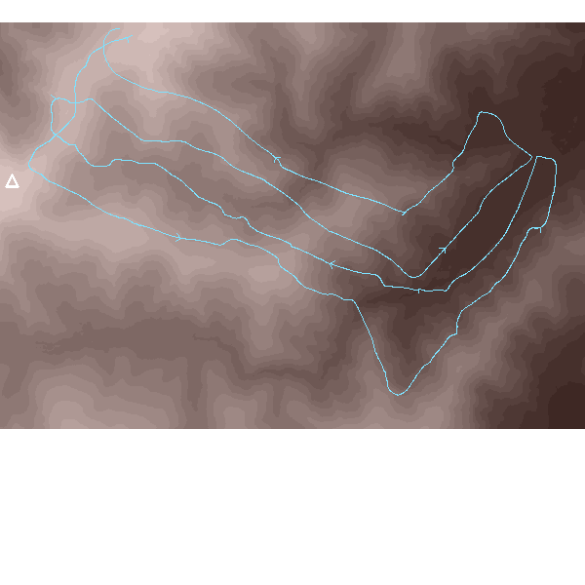

SkyComb Flight #1: DJI_202309201921_001_DJI-SmartFarm-Web\DJI_20230920192518_0001_T.mp4
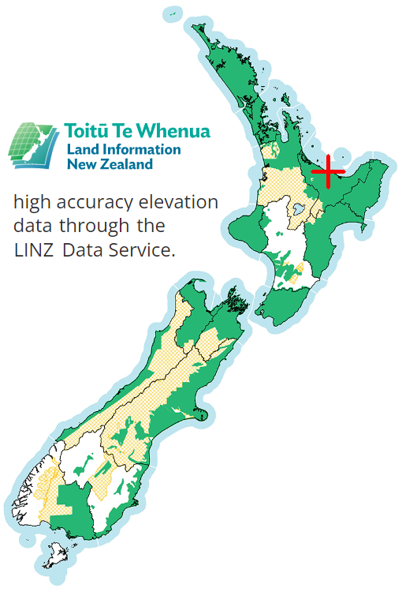
Flight Settings |  | Elevations: Ground 12-153m, Surface 12-153m, Drone 107-220m
DateTime | 2023-09-20 19:25:18 | Max Drone Altitude M | 219.77
Duration | 26:23 | Min Drone Altitude M | 106.54
Latitude | -37.9900830 | Range Drone Altitude M | 113.23
Longitude | 177.0453450 | Max Surface M | 153.2
Country X | 1955290 | Min Surface M | 11.5
Country Y | 5787558 | Max Ground M | 153.0
Easting M | 946 | Min Ground M | 11.5
Northing M | 596
DEM % | 100
DSM % | 100
WayPoints | 0
File name | DJI_20230920192518_0001_T.mp4
https://www.google.com/maps?q=-37.987222,177.050569&ll=-37.987222,177.050569&z=10

Surface (aka tree-top, DSM) elevations |  |  |  | Earth (aka ground, DEM) elevations | Swathe seen

#2
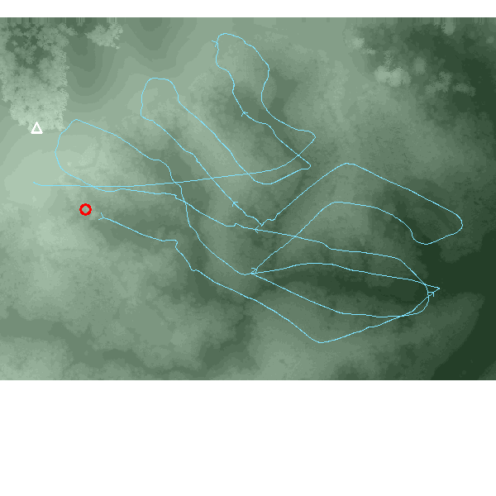
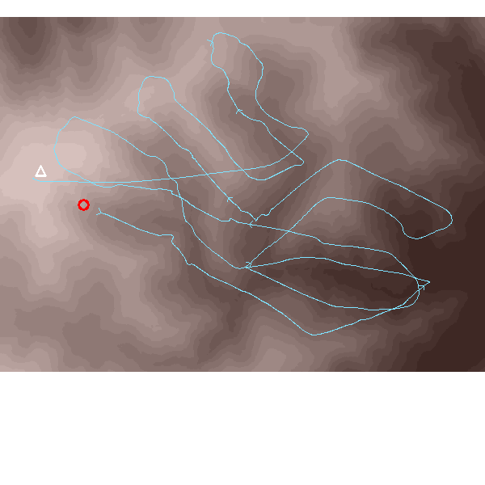
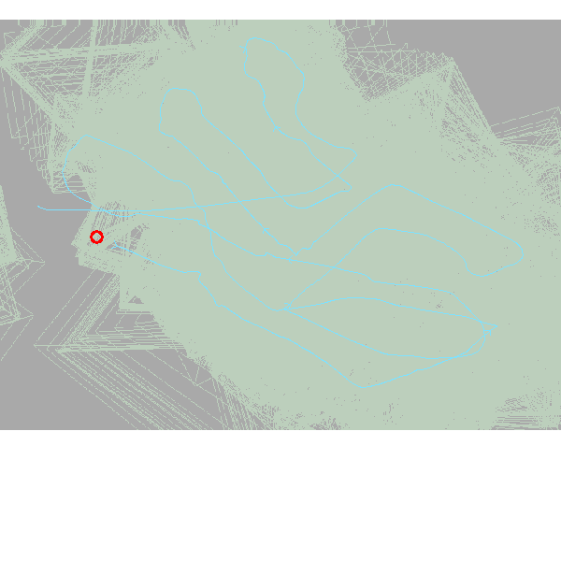
SkyComb Flight #2: DJI_202309201952_002_DJI-SmartFarm-Web\DJI_20230920195543_0001_T.mp4

Flight Settings |  | Elevations: Ground 15-151m, Surface 15-156m, Drone 92-246m
DateTime | 2023-09-20 19:55:43 | Max Drone Altitude M | 246.36
Duration | 27:05 | Min Drone Altitude M | 91.84
Latitude | -37.9874620 | Range Drone Altitude M | 154.52
Longitude | 177.0457940 | Max Surface M | 156.2
Country X | 1955342 | Min Surface M | 15.0
Country Y | 5787847 | Max Ground M | 151.2
Easting M | 657 | Min Ground M | 14.8
Northing M | 430
DEM % | 100
DSM % | 100
WayPoints | 1
File name | DJI_20230920195543_0001_T.mp4
https://www.google.com/maps?q=-37.985401,177.049417&ll=-37.985401,177.049417&z=10

Surface (aka tree-top, DSM) elevations |  |  |  | Earth (aka ground, DEM) elevations | Swathe seen

#3
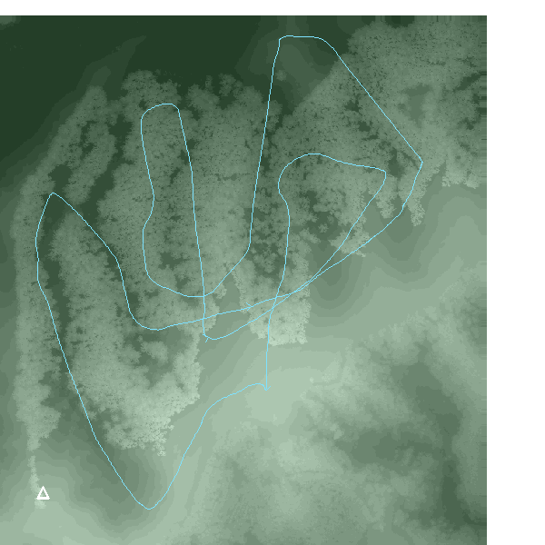
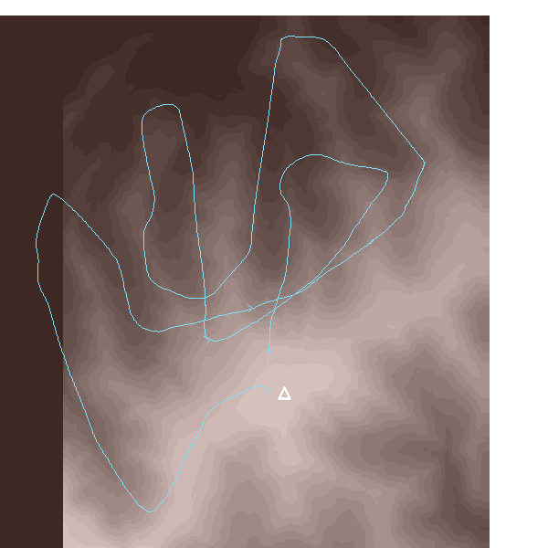
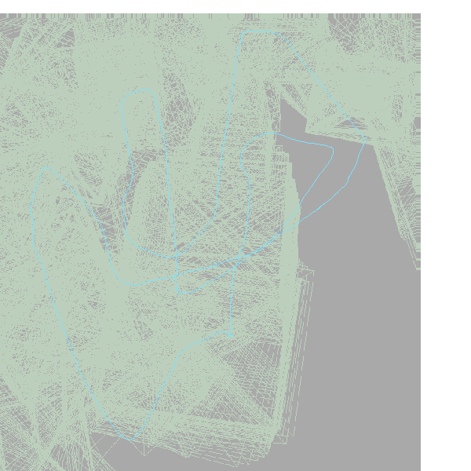
SkyComb Flight #3: DJI_202309202023_003_DJI-SmartFarm-Web\DJI_20230920202408_0001_T.mp4

Flight Settings |  | Elevations: Ground 15-150m, Surface 26-168m, Drone 138-271m
DateTime | 2023-09-20 20:24:09 | Max Drone Altitude M | 270.82
Duration | 10:47 | Min Drone Altitude M | 138.15
Latitude | -37.9859320 | Range Drone Altitude M | 132.67
Longitude | 177.0414460 | Max Surface M | 168.0
Country X | 1954968 | Min Surface M | 25.5
Country Y | 5788034 | Max Ground M | 150.0
Easting M | 566 | Min Ground M | 14.8
Northing M | 633
DEM % | 100
DSM % | 100
WayPoints | 0
File name | DJI_20230920202408_0001_T.mp4
https://www.google.com/maps?q=-37.982975,177.044506&ll=-37.982975,177.044506&z=10

Surface (aka tree-top, DSM) elevations |  |  |  | Earth (aka ground, DEM) elevations | Swathe seen

#4
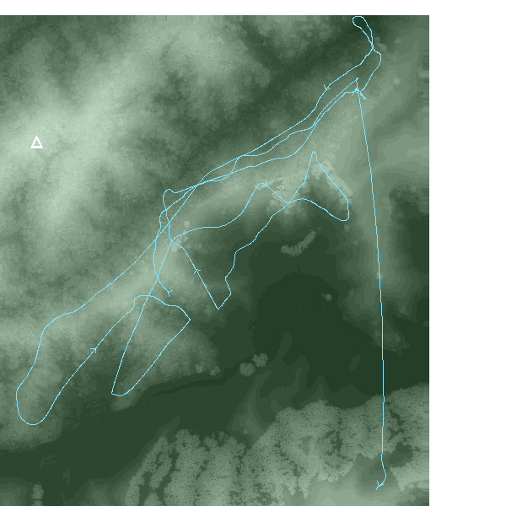
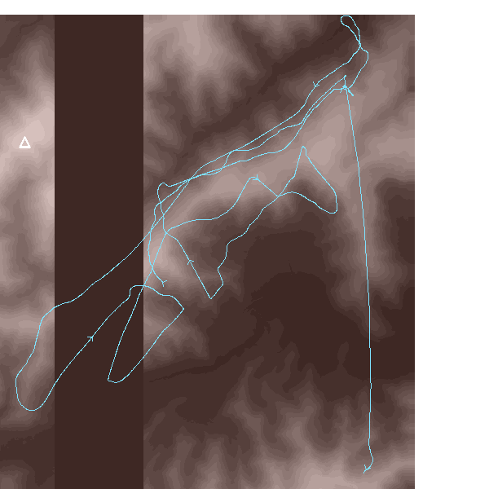
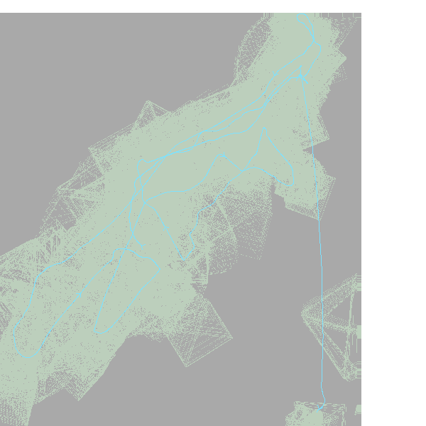
SkyComb Flight #4: DJI_202309202038_004_DJI-SmartFarm-Web\DJI_20230920204123_0001_T.mp4

Flight Settings |  | Elevations: Ground 6-125m, Surface 8-142m, Drone 133-261m
DateTime | 2023-09-20 20:41:24 | Max Drone Altitude M | 261.36
Duration | 25:25 | Min Drone Altitude M | 133.35
Latitude | -37.9786800 | Range Drone Altitude M | 128.01
Longitude | 177.0404940 | Max Surface M | 142.2
Country X | 1954919 | Min Surface M | 7.5
Country Y | 5788842 | Max Ground M | 124.8
Easting M | 1218 | Min Ground M | 6.2
Northing M | 1424
DEM % | 100
DSM % | 100
WayPoints | 0
File name | DJI_20230920204123_0001_T.mp4
https://www.google.com/maps?q=-37.972044,177.04706&ll=-37.972044,177.04706&z=10

Surface (aka tree-top, DSM) elevations |  |  |  | Earth (aka ground, DEM) elevations | Swathe seen

#5
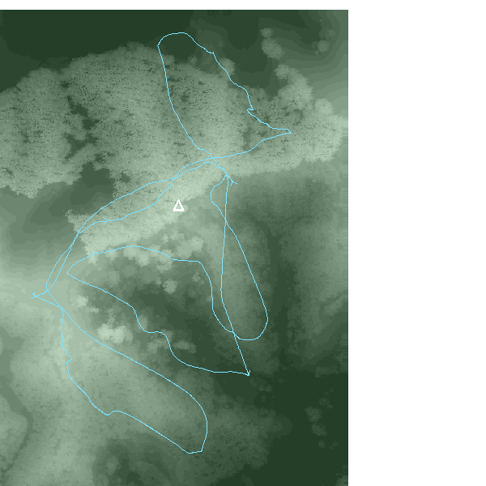
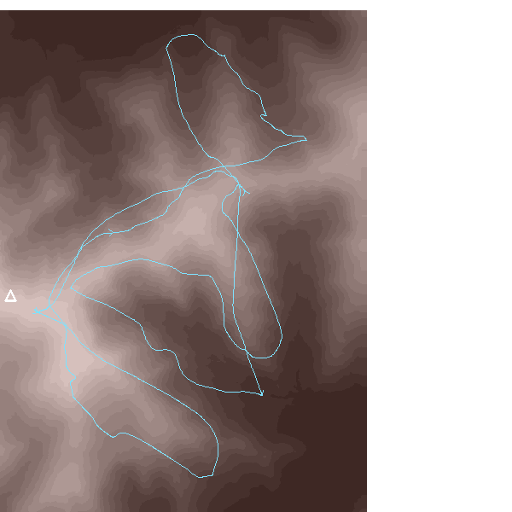
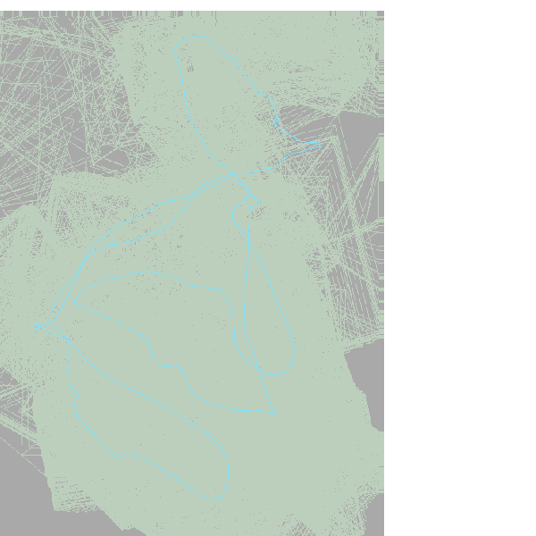
SkyComb Flight #5: DJI_202309202107_005_DJI-SmartFarm-Web\DJI_20230920211008_0001_T.mp4

Flight Settings |  | Elevations: Ground 13-113m, Surface 14-130m, Drone 82-204m
DateTime | 2023-09-20 21:10:08 | Max Drone Altitude M | 203.50
Duration | 15:34 | Min Drone Altitude M | 82.25
Latitude | -37.9845640 | Range Drone Altitude M | 121.25
Longitude | 177.0489230 | Max Surface M | 130.0
Country X | 1955632 | Min Surface M | 13.5
Country Y | 5788157 | Max Ground M | 113.2
Easting M | 423 | Min Ground M | 13.2
Northing M | 624
DEM % | 100
DSM % | 100
WayPoints | 0
File name | DJI_20230920211008_0001_T.mp4
https://www.google.com/maps?q=-37.981674,177.051171&ll=-37.981674,177.051171&z=10

Surface (aka tree-top, DSM) elevations |  |  |  | Earth (aka ground, DEM) elevations | Swathe seen

#6
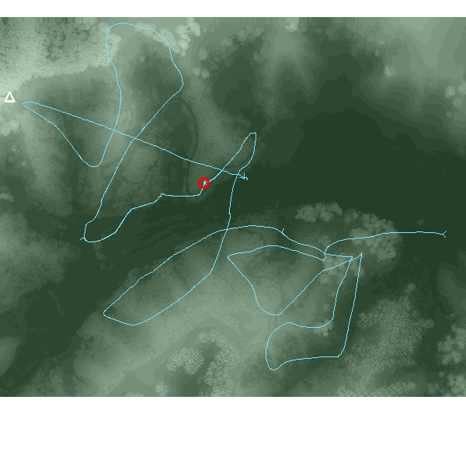
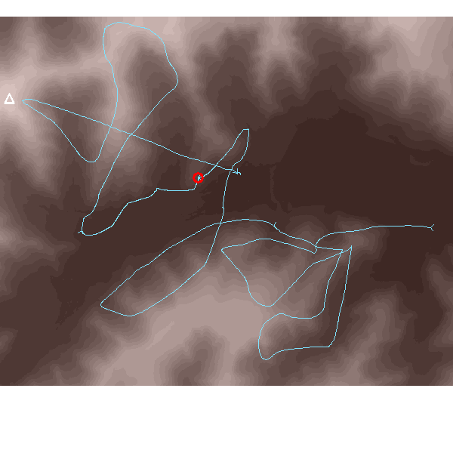
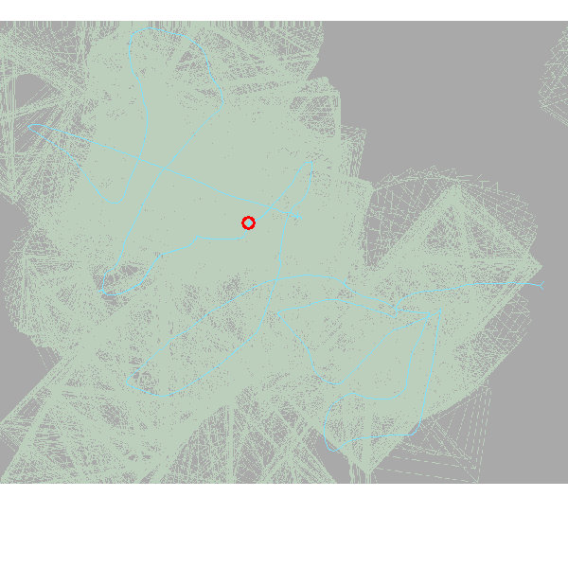
SkyComb Flight #6: DJI_202309202133_006_DJI-SmartFarm-Web\DJI_20230920214531_0001_T.mp4

Flight Settings |  | Elevations: Ground 1-91m, Surface 2-119m, Drone 35-182m
DateTime | 2023-09-20 21:45:31 | Max Drone Altitude M | 181.71
Duration | 17:13 | Min Drone Altitude M | 34.51
Latitude | -37.9858840 | Range Drone Altitude M | 147.20
Longitude | 177.0550260 | Max Surface M | 118.8
Country X | 1956162 | Min Surface M | 1.5
Country Y | 5787987 | Max Ground M | 91.2
Easting M | 946 | Min Ground M | 1.2
Northing M | 710
DEM % | 100
DSM % | 100
WayPoints | 1
File name | DJI_20230920214531_0001_T.mp4
https://www.google.com/maps?q=-37.982505,177.060221&ll=-37.982505,177.060221&z=10

Surface (aka tree-top, DSM) elevations |  |  |  | Earth (aka ground, DEM) elevations | Swathe seen

#7
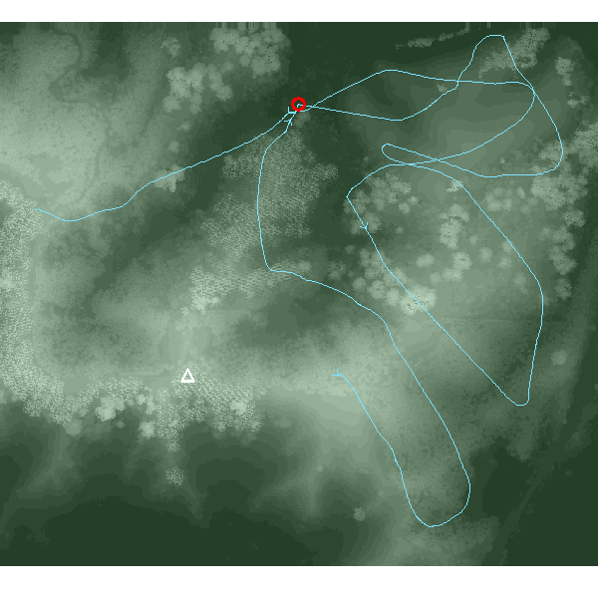
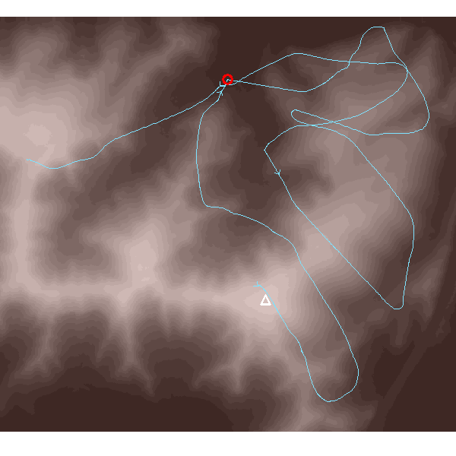
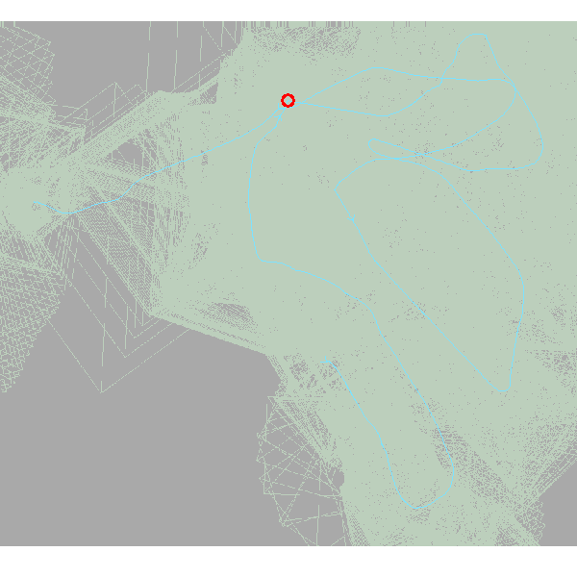
SkyComb Flight #7: DJI_202309202208_007_DJI-SmartFarm-Web\DJI_20230920221324_0001_T.mp4

Flight Settings |  | Elevations: Ground 3-82m, Surface 3-99m, Drone 71-210m
DateTime | 2023-09-20 22:13:24 | Max Drone Altitude M | 209.87
Duration | 13:56 | Min Drone Altitude M | 71.36
Latitude | -37.9895520 | Range Drone Altitude M | 138.51
Longitude | 177.0595080 | Max Surface M | 99.2
Country X | 1956538 | Min Surface M | 3.0
Country Y | 5787562 | Max Ground M | 82.2
Easting M | 780 | Min Ground M | 2.8
Northing M | 664
DEM % | 100
DSM % | 100
WayPoints | 1
File name | DJI_20230920221324_0001_T.mp4
https://www.google.com/maps?q=-37.986415,177.063776&ll=-37.986415,177.063776&z=10

Surface (aka tree-top, DSM) elevations |  |  |  | Earth (aka ground, DEM) elevations | Swathe seen

