Index
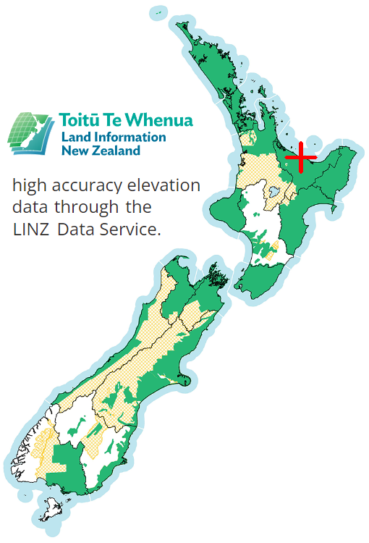
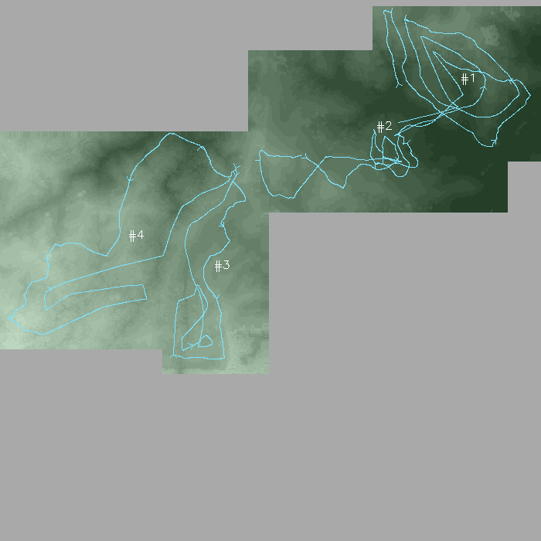
SkyComb Flights Summary

Input directory:
F:\SkyComb\Input_Data\Sample\DCIM

Flight # | Date time | Duration | Latitude | Longitude | Country X | Country Y | Easting M | Northing M | Dem % | DSM % | Google Maps | File name
#1 | 2023-06-28 19:35 | 19:36 | -37.997524 | 177.044743 | 1955202 | 5786734 | 716 | 605 | 100 | 100 | Map | DJI_20230628193512_0001_T.mp4
#2 | 2023-06-28 19:59 | 23:48 | -37.999689 | 177.040394 | 1954809 | 5786510 | 1088 | 638 | 100 | 100 | Map | DJI_20230628195928_0001_T.mp4
#3 | 2023-06-28 22:19 | 20:51 | -38.005818 | 177.032105 | 1954051 | 5785862 | 376 | 845 | 100 | 100 | Map | DJI_20230628221914_0001_T.mp4
#4 | 2023-06-28 22:42 | 23:33 | -38.004711 | 177.027496 | 1953652 | 5786002 | 1096 | 893 | 100 | 100 | Map | DJI_20230628224237_0001_T.mp4

Flight Locations |  |  | Flight Paths (1953103,5785439 to 1953103,5785439)

#1
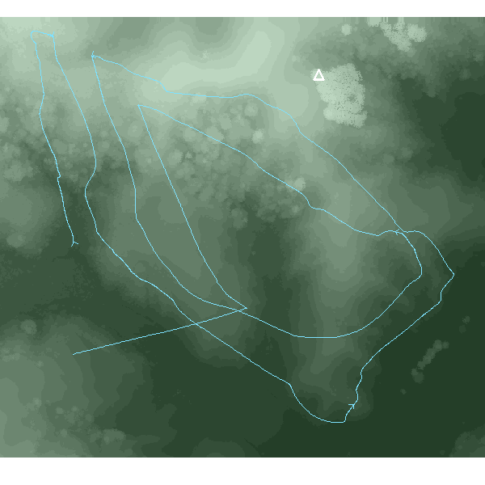
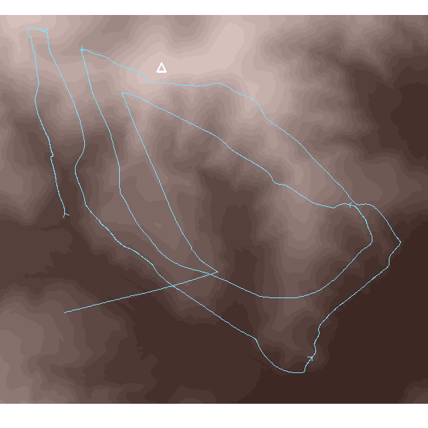
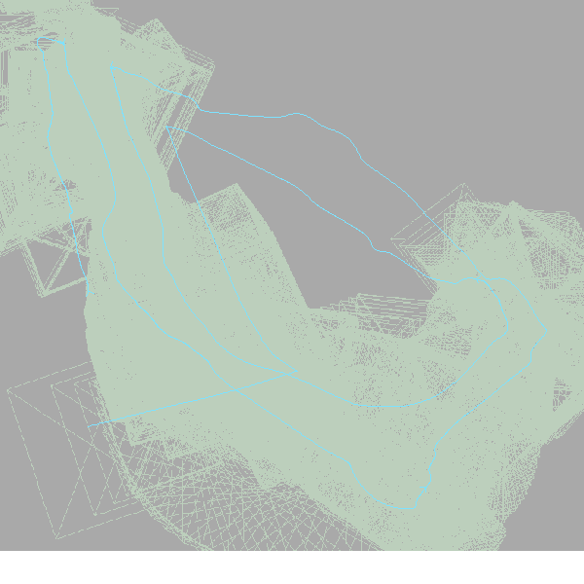
SkyComb Flight #1: DJI_202306281927_004\DJI_20230628193512_0001_T.mp4
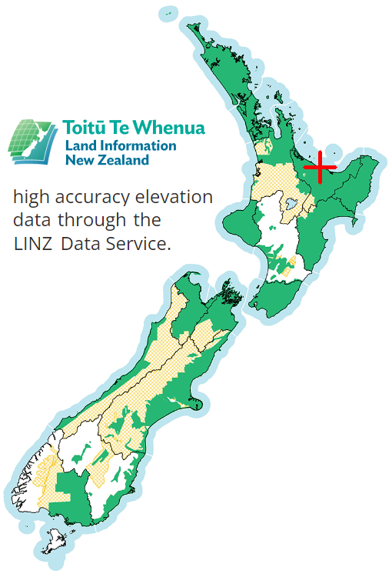
Flight Settings |  | Elevations: Ground 7-128m, Surface 7-128m, Drone 70-216m
DateTime | 2023-06-28 19:35 | Max Drone Altitude M | 216.17
Duration | 19:36 | Min Drone Altitude M | 70.35
Latitude | -37.9975240 | Range Drone Altitude M | 145.81
Longitude | 177.0447430 | Max Surface M | 127.5
Country X | 1955202 | Min Surface M | 6.5
Country Y | 5786734 | Max Ground M | 127.5
Easting M | 716 | Min Ground M | 6.5
Northing M | 605
DEM % | 100
DSM % | 100
File name | DJI_20230628193512_0001_T.mp4
https://www.google.com/maps?q=-37.994666,177.048658&ll=-37.994666,177.048658&z=10

Earth (aka ground, DEM) elevations |  |  |  | Surface (aka tree-top, DSM) elevations | Swathe seen

#2
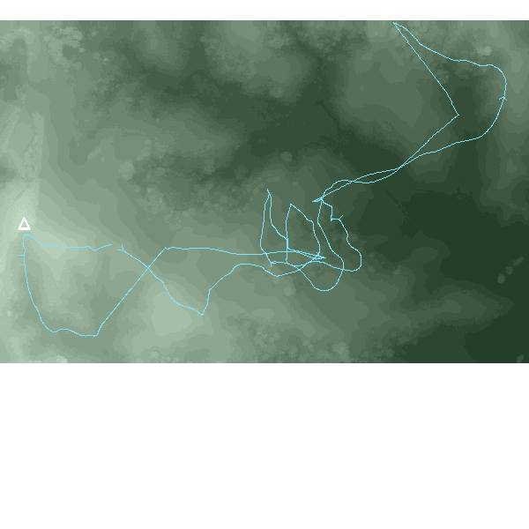
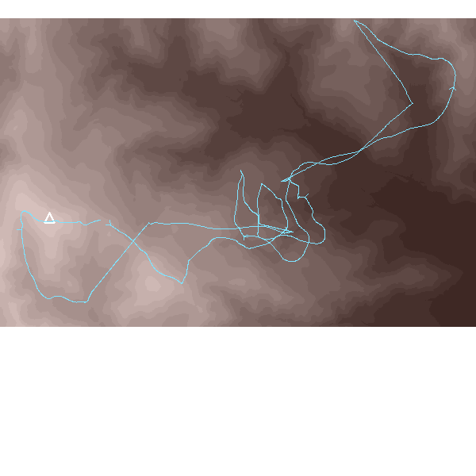

SkyComb Flight #2: DJI_202306281956_005\DJI_20230628195928_0001_T.mp4

Flight Settings |  | Elevations: Ground 14-154m, Surface 14-154m, Drone 88-230m
DateTime | 2023-06-28 19:59 | Max Drone Altitude M | 229.50
Duration | 23:48 | Min Drone Altitude M | 87.99
Latitude | -37.9996890 | Range Drone Altitude M | 141.51
Longitude | 177.0403940 | Max Surface M | 153.8
Country X | 1954809 | Min Surface M | 13.8
Country Y | 5786510 | Max Ground M | 153.8
Easting M | 1088 | Min Ground M | 13.8
Northing M | 638
DEM % | 100
DSM % | 100
File name | DJI_20230628195928_0001_T.mp4
https://www.google.com/maps?q=-37.996609,177.046419&ll=-37.996609,177.046419&z=10

Earth (aka ground, DEM) elevations |  |  |  | Surface (aka tree-top, DSM) elevations | Swathe seen

#3
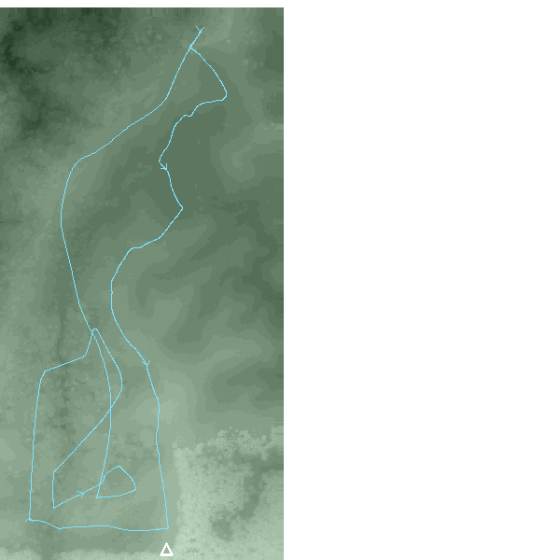
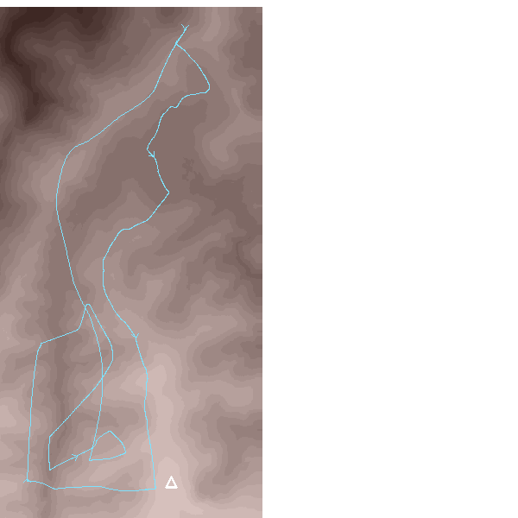

SkyComb Flight #3: DJI_202306282217_009\DJI_20230628221914_0001_T.mp4

Flight Settings |  | Elevations: Ground 121-195m, Surface 121-197m, Drone 158-326m
DateTime | 2023-06-28 22:19 | Max Drone Altitude M | 325.74
Duration | 20:51 | Min Drone Altitude M | 157.83
Latitude | -38.0058180 | Range Drone Altitude M | 167.91
Longitude | 177.0321050 | Max Surface M | 196.8
Country X | 1954051 | Min Surface M | 120.5
Country Y | 5785862 | Max Ground M | 195.0
Easting M | 376 | Min Ground M | 120.5
Northing M | 845
DEM % | 100
DSM % | 100
File name | DJI_20230628221914_0001_T.mp4
https://www.google.com/maps?q=-38.001945,177.034034&ll=-38.001945,177.034034&z=10

Earth (aka ground, DEM) elevations |  |  |  | Surface (aka tree-top, DSM) elevations | Swathe seen

#4
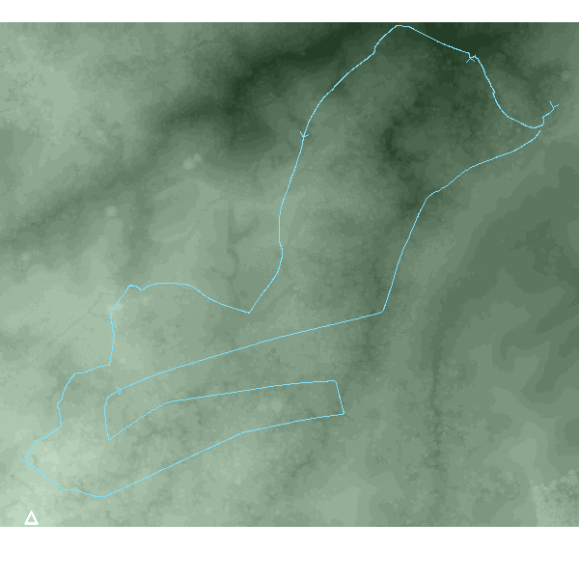
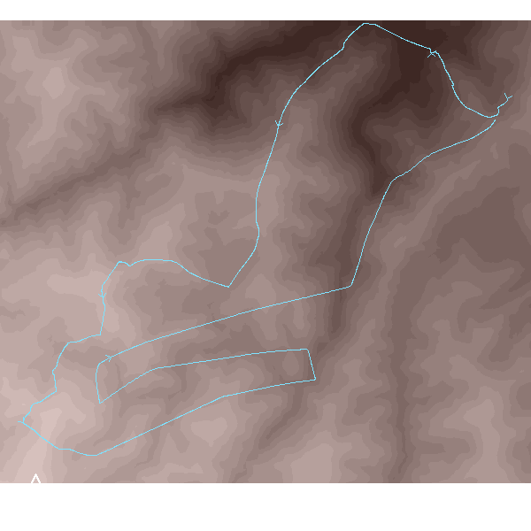
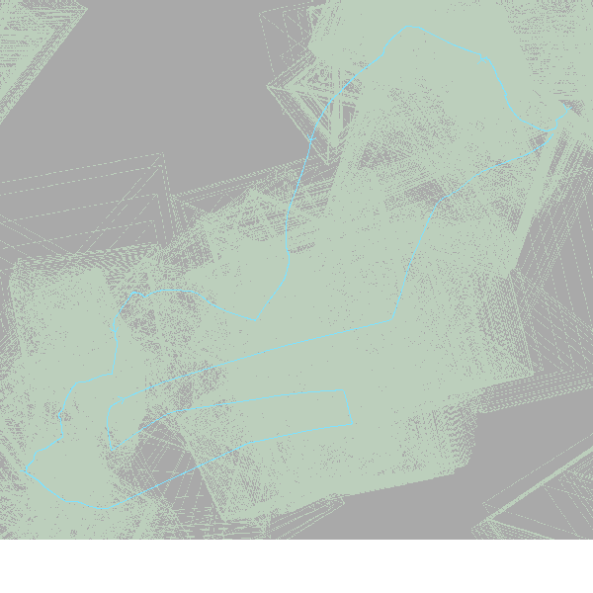
SkyComb Flight #4: DJI_202306282241_010\DJI_20230628224237_0001_T.mp4

Flight Settings |  | Elevations: Ground 45-239m, Surface 48-253m, Drone 139-380m
DateTime | 2023-06-28 22:42 | Max Drone Altitude M | 379.62
Duration | 23:33 | Min Drone Altitude M | 139.21
Latitude | -38.0047110 | Range Drone Altitude M | 240.40
Longitude | 177.0274960 | Max Surface M | 253.0
Country X | 1953652 | Min Surface M | 47.5
Country Y | 5786002 | Max Ground M | 239.0
Easting M | 1096 | Min Ground M | 45.2
Northing M | 893
DEM % | 100
DSM % | 100
File name | DJI_20230628224237_0001_T.mp4
https://www.google.com/maps?q=-38.000484,177.033505&ll=-38.000484,177.033505&z=10

Earth (aka ground, DEM) elevations |  |  |  | Surface (aka tree-top, DSM) elevations | Swathe seen

