Ground
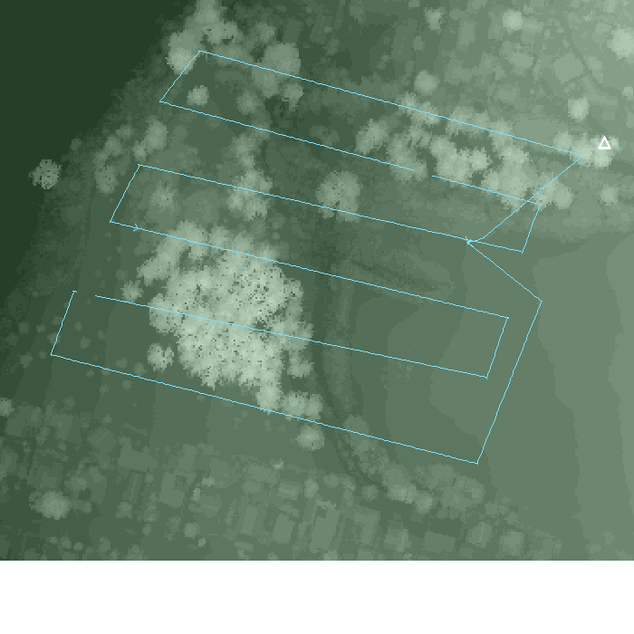
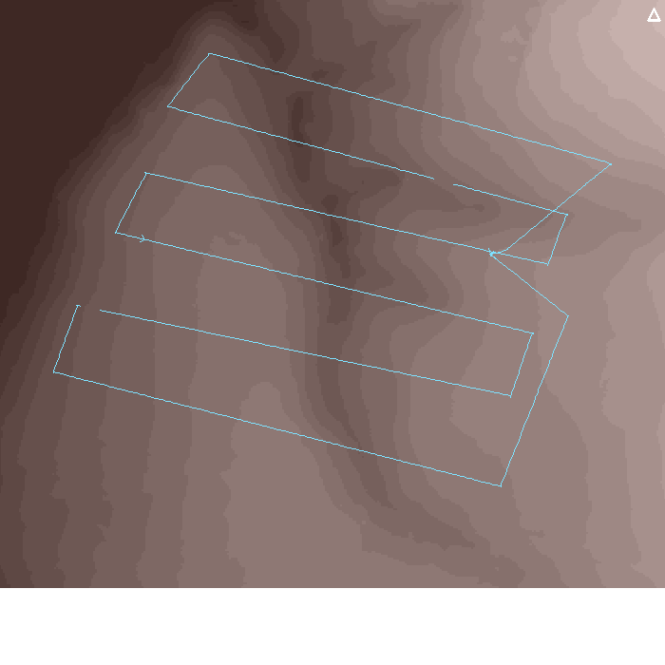

SkyComb Analyst | DataStore | Ground

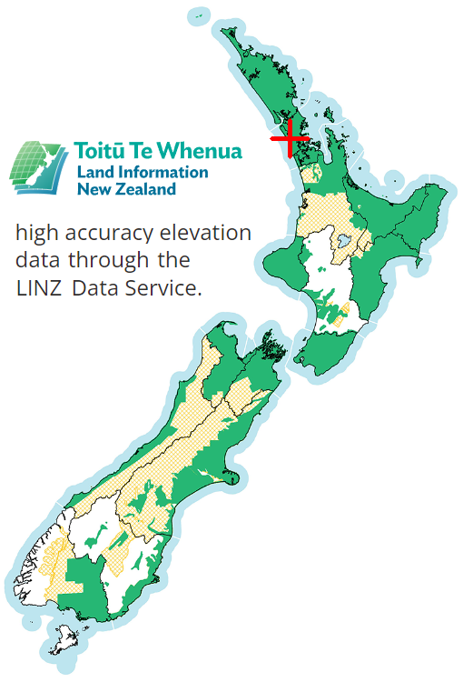
Global Location |  | Dem Data |  | Dsm Data |  | Flight Location
Min Global Location | -36.8863990,174.6947190 | Source | NZGD2000 | Source | NZGD2000
Max Global Location | -36.8843960,174.6979410 | Min Country Easting M | 1750969 | Min Country Easting M | 1750969
 |  | Min Country Northing M | 5916339 | Min Country Northing M | 5916339
 |  | Max Country Easting M | 1751360 | Max Country Easting M | 1751360
 |  | Max Country Northing M | 5916656 | Max Country Northing M | 5916656
 |  | Elevation Accuracy M | 0.2 | Elevation Accuracy M | 0.2
 |  | Max Elevation Quarter M | 149 | Max Elevation Quarter M | 204
 |  | Min Elevation Quarter M | 1 | Min Elevation Quarter M | 2
 |  | Num Elevations Stored | 124656 | Num Elevations Stored | 124656
 |  | # Rows | 318 | # Rows | 318
 |  | # Cols | 392 | # Cols | 392
 |  | # Datums | 124656 | # Datums | 124656

Earth (aka ground, DEM) elevations |  |  |  | Surface (aka tree-top, DSM) elevations |  |  | Swathe seen

Steps2
Smoothed drone flight path (Northing / Easting)
 | Flight path

Metrics
Max Drone Altitude M | 72.17
Min Drone Altitude M | 28.25
Range Drone Altitude M | 43.91
Max Surface M | 45.8
Min Surface M | 9.0
Max Ground M | 25.0
Min Ground M | 5.8

Smoothed drone travel distance (in lineal M) vs Step
 | Distance
Metrics
Max Horiz M | 9.50
Min Horiz M | 0.00
Max Sum Lineal M | 1736.34
Min Sum Lineal M | 0.00
Range Lineal M | 1736.34

Smoothed drone flight speed (in Mps) vs Step
 | Mps
Metrics
Max Time Ms | 1939
Min Time Ms | 113
Max Sum Time Ms | 506794
Min Sum Time Ms | 113
Range Sum Time Ms | 506681
Max Speed Mps | 9.27
Min Speed Mps | 0.00

Smoothed drone change in direction (aka Delta Yaw) in Degrees vs Step
 | DeltaYaw
Metrics
Max Delta Yaw Deg | 29.90
Min Delta Yaw Deg | -27.00
Range Delta Yaw Deg | 56.90

Drone Pitch (in degrees) vs Step
 | Pitch
Metrics
Max Pitch Deg | 19.40
Min Pitch Deg | -23.36
Range Pitch Deg | 42.76

Drone Roll (in degrees) vs Step
 | Roll
Metrics
Max Roll Deg | 7.10
Min Roll Deg | -10.50
Range Roll Deg | 17.60

Drone Step is part of a flight Leg
 | Leg

Blks2
Travel distance (in lineal meters) vs Block
 | Distance
Metrics
Max Horiz M | 9.50
Min Horiz M | 0.00
Max Sum Lineal M | 1586.13
Min Sum Lineal M | 89.57
Range Lineal M | 1496.56

Smoothed drone flight speed (in Mps) vs Block
 | Mps
Metrics
Max Time Ms | 1939
Min Time Ms | 113
Max Sum Time Ms | 411066
Min Sum Time Ms | 81027
Range Sum Time Ms | 330039
Max Speed Mps | 6.46
Min Speed Mps | 0.00

Drone Delta Yaw (in degrees / block) vs Block
 | DeltaYaw
Metrics
Max Delta Yaw Deg | 22.90
Min Delta Yaw Deg | -27.00
Range Delta Yaw Deg | 49.90

Drone Pitch (in degrees) vs Block
 | Pitch
Metrics
Max Pitch Deg | 19.40
Min Pitch Deg | -23.36
Range Pitch Deg | 42.76

Drone Roll (in degrees) vs Block
 | Roll
Metrics
Max Roll Deg | 7.10
Min Roll Deg | -4.60
Range Roll Deg | 11.70

Block is part of a flight Leg
 | Leg

Objs2
Feature & Object Height (in meters)
 | Feature | Objects

Object & Feature Locations (Northing / Easting) in meters
 | Feature | Object
Drone Steps, Object & Feature Locations (Northing / Easting) in meters
 | Step | Feature | Object

Popln
Population Summary

# Objects by Height (M)
# Objects by Size (CM2)
# Objects by Max Heat (0 - 255)
Objects Summary:
# Objects | 619
Min Locn Err M | 0.12
Max Locn Err M | 1.20
Sum Locn Err M | 14.31
Min Hght M | -2.83
Max Hght M | 24.66
Sum Hght M | 80.54
Min Hght Err M | 0.00
Max Hght Err M | 4.49
Sum Hght Err M | 18.28
Min Size CM2 | 902
Max Size CM2 | 122573

 |  | # Objects by Height (M) pivot | # Objects by Size (CM2) pivot | # Objects by Heat (0-255) pivot

