#1
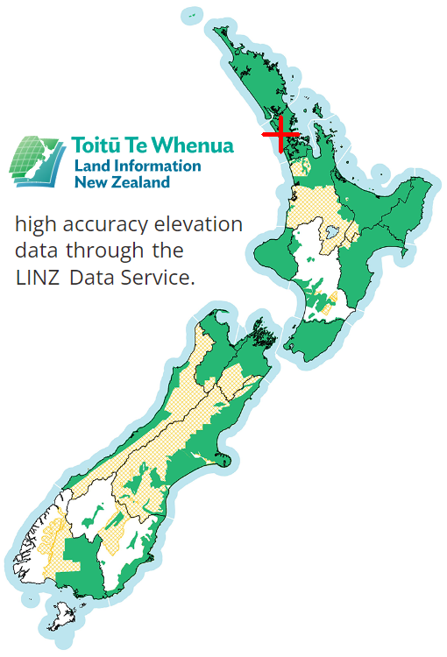
SkyComb Flight #1: DJI_0054.mp4

Flight Settings |  | Elevations: Ground 102-133m, Surface 103-141m, Drone 156-159m |  | Legend
DateTime | 2022-04-29 07:21 | Max Drone Altitude M | 159.19 | Drone
Duration | 7:13 | Min Drone Altitude M | 155.52 | DSM aka Tree-Top
Latitude | -36.889422 | Range Drone Altitude M | 3.66 | DEM aka Land
Longitude | 174.721625 | Max Surface M | 140.8
Country X | 1753411.5 | Min Surface M | 102.5
Country Y | 5916010.5 | Max Ground M | 132.5
East M | 292 | Min Ground M | 102.0
North M | 308
DemPerc | 100
DsmPerc | 100 | Drone Path: 314 x 286m, 21 legs, flew 1979m

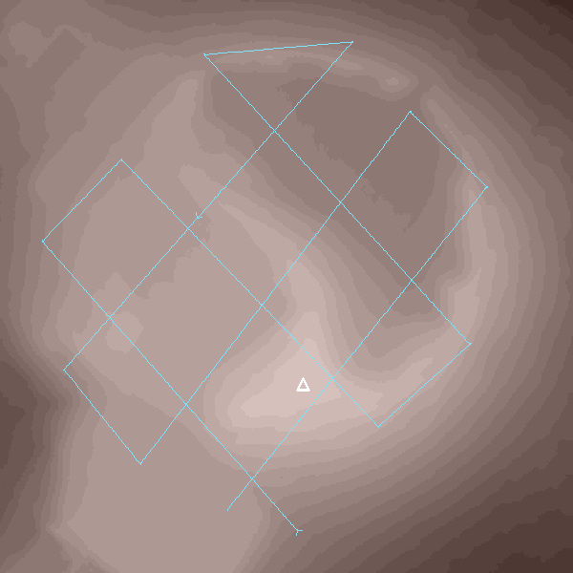
 |  | Max Drone Altitude M | 159.19
 |  | Min Drone Altitude M | 155.52
 |  | Range Drone Altitude M | 3.66
 |  | Max Surface M | 140.8
 |  | Min Surface M | 102.5
 |  | Max Ground M | 132.5
 |  | Min Ground M | 102.0

#2
SkyComb Flight #2: DJI_0054.mp4

Flight Settings |  | Elevations: Ground 102-133m, Surface 103-141m, Drone 156-159m |  | Legend
DateTime | 2022-04-29 07:21 | Max Drone Altitude M | 159.19 | Drone
Duration | 7:13 | Min Drone Altitude M | 155.52 | DSM aka Tree-Top
Latitude | -36.889422 | Range Drone Altitude M | 3.67 | DEM aka Land
Longitude | 174.721625 | Max Surface M | 140.8
Country X | 1753411.5 | Min Surface M | 102.5
Country Y | 5916010.5 | Max Ground M | 132.5
East M | 292 | Min Ground M | 102.0
North M | 308
DemPerc | 200
DsmPerc | 200 | Drone Path: 314 x 286m, 21 legs, flew 1979m


 |  | Max Drone Altitude M | 159.19
 |  | Min Drone Altitude M | 155.52
 |  | Range Drone Altitude M | 3.67
 |  | Max Surface M | 140.8
 |  | Min Surface M | 102.5
 |  | Max Ground M | 132.5
 |  | Min Ground M | 102.0

#3

SkyComb Flight #3: DJI_0094.mp4

Flight Settings |  | Elevations: Ground 6-25m, Surface 9-46m, Drone 28-72m |  | Legend
DateTime | 2022-09-08 06:26 | Max Drone Altitude M | 72.17 | Drone
Duration | 8:27 | Min Drone Altitude M | 28.25 | DSM aka Tree-Top
Latitude | -36.884396 | Range Drone Altitude M | 43.91 | DEM aka Land
Longitude | 174.697941 | Max Surface M | 45.8
Country X | 1751310.8 | Min Surface M | 9.0
Country Y | 5916606 | Max Ground M | 25.0
East M | 291 | Min Ground M | 5.8
North M | 217
DemPerc | 100
DsmPerc | 100 | Drone Path: 222 x 286m, 16 legs, flew 1736m
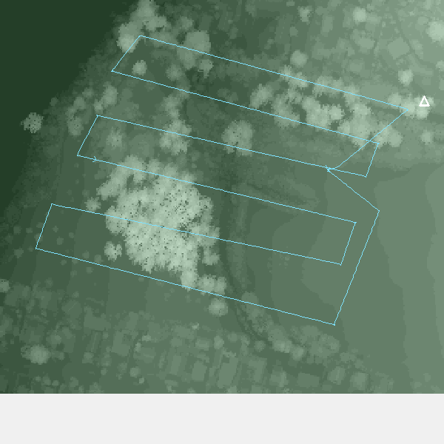
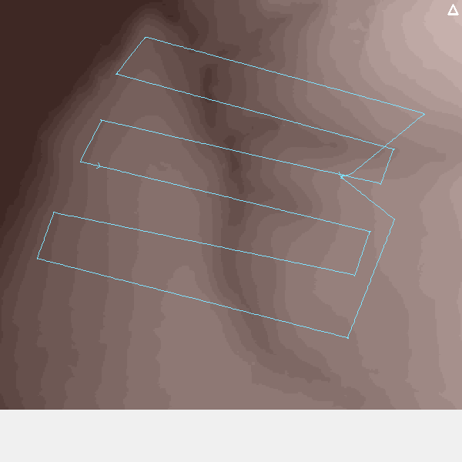
 |  | Max Drone Altitude M | 72.17
 |  | Min Drone Altitude M | 28.25
 |  | Range Drone Altitude M | 43.91
 |  | Max Surface M | 45.8
 |  | Min Surface M | 9.0
 |  | Max Ground M | 25.0
 |  | Min Ground M | 5.8

#4
SkyComb Flight #4: DJI_0094.mp4

Flight Settings |  | Elevations: Ground 6-25m, Surface 9-46m, Drone 28-72m |  | Legend
DateTime | 2022-09-08 06:26 | Max Drone Altitude M | 72.17 | Drone
Duration | 8:27 | Min Drone Altitude M | 28.25 | DSM aka Tree-Top
Latitude | -36.884396 | Range Drone Altitude M | 43.92 | DEM aka Land
Longitude | 174.697941 | Max Surface M | 45.8
Country X | 1751310.8 | Min Surface M | 9.0
Country Y | 5916606 | Max Ground M | 25.0
East M | 291 | Min Ground M | 5.8
North M | 217
DemPerc | 200
DsmPerc | 200 | Drone Path: 222 x 286m, 16 legs, flew 1736m


 |  | Max Drone Altitude M | 72.17
 |  | Min Drone Altitude M | 28.25
 |  | Range Drone Altitude M | 43.92
 |  | Max Surface M | 45.8
 |  | Min Surface M | 9.0
 |  | Max Ground M | 25.0
 |  | Min Ground M | 5.8

#5
SkyComb Flight #5: DJI_0098.mp4

Flight Settings |  | Elevations: Ground 43-47m, Surface 45-60m, Drone 49-71m |  | Legend
DateTime | 2022-12-15 05:52 | Max Drone Altitude M | 70.81 | Drone
Duration | 3:51 | Min Drone Altitude M | 49.23 | DSM aka Tree-Top
Latitude | -36.891786 | Range Drone Altitude M | 21.58 | DEM aka Land
Longitude | 174.703364 | Max Surface M | 60.2
Country X | 1751779.5 | Min Surface M | 45.0
Country Y | 5915777.5 | Max Ground M | 46.8
East M | 41 | Min Ground M | 43.2
North M | 30
DemPerc | 100
DsmPerc | 100 | Drone Path: 31 x 41m, 10 legs, flew 218m
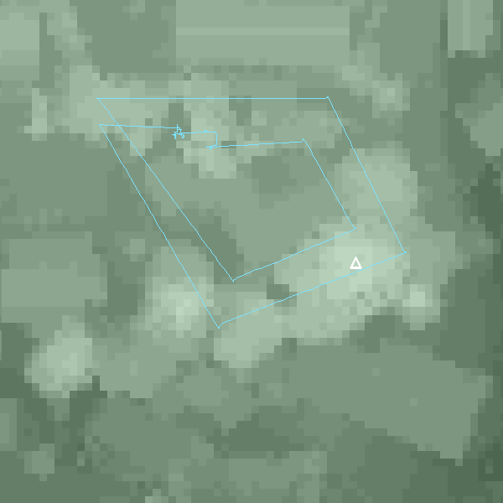
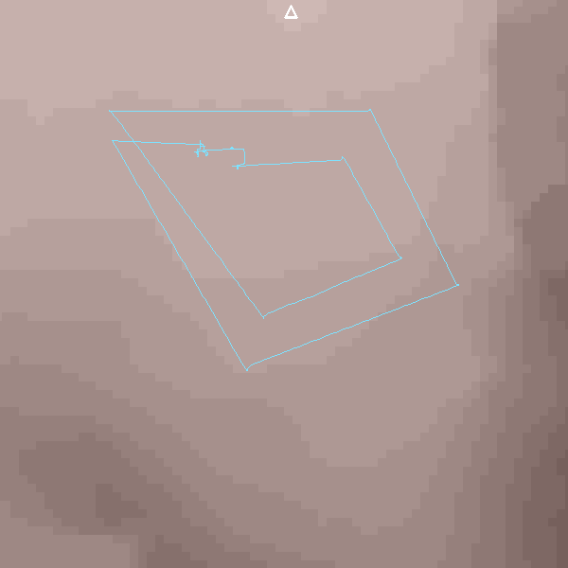
 |  | Max Drone Altitude M | 70.81
 |  | Min Drone Altitude M | 49.23
 |  | Range Drone Altitude M | 21.58
 |  | Max Surface M | 60.2
 |  | Min Surface M | 45.0
 |  | Max Ground M | 46.8
 |  | Min Ground M | 43.2

#6
SkyComb Flight #6: DJI_0098.mp4

Flight Settings |  | Elevations: Ground 43-47m, Surface 45-60m, Drone 49-71m |  | Legend
DateTime | 2022-12-15 05:52 | Max Drone Altitude M | 70.81 | Drone
Duration | 3:51 | Min Drone Altitude M | 49.23 | DSM aka Tree-Top
Latitude | -36.891786 | Range Drone Altitude M | 21.58 | DEM aka Land
Longitude | 174.703364 | Max Surface M | 60.2
Country X | 1751779.5 | Min Surface M | 45.0
Country Y | 5915777.5 | Max Ground M | 46.8
East M | 41 | Min Ground M | 43.2
North M | 30
DemPerc | 200
DsmPerc | 200 | Drone Path: 31 x 41m, 10 legs, flew 218m


 |  | Max Drone Altitude M | 70.81
 |  | Min Drone Altitude M | 49.23
 |  | Range Drone Altitude M | 21.58
 |  | Max Surface M | 60.2
 |  | Min Surface M | 45.0
 |  | Max Ground M | 46.8
 |  | Min Ground M | 43.2

