Ground
SkyComb Analyst | DataStore | Ground

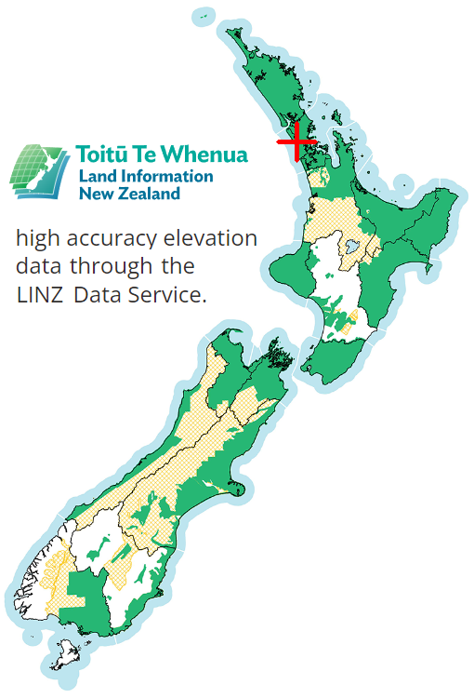
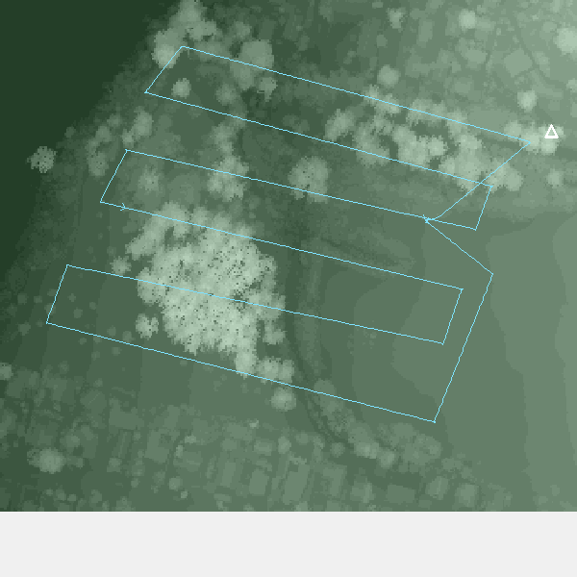
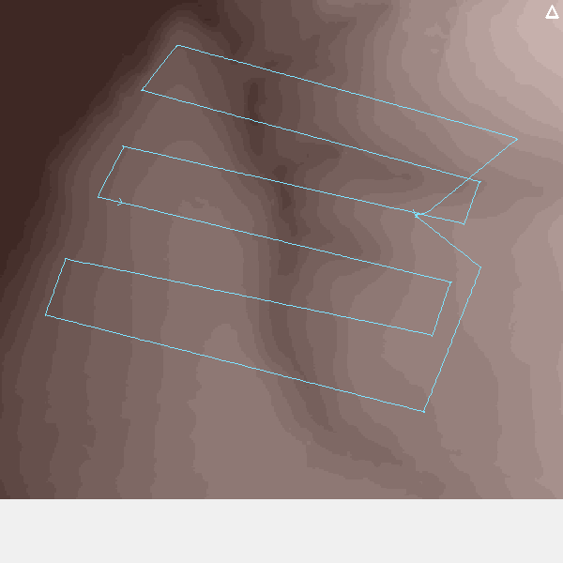
Ground Data
Min Global Location | -36.8863990,174.6947190
Max Global Location | -36.8843960,174.6979410
Dem Source | NZGD2000
Dem Min Country Easting M | 1750969
Dem Min Country Northing M | 5916339
Dem Max Country Easting M | 1751360
Dem Max Country Northing M | 5916656
Dem Elevation Accuracy M | 0.2
Dem Max Elevation Quarter M | 149
Dem Min Elevation Quarter M | 1
Dem Num Elevations Stored | 124656
Dem # Rows | 318
Dem # Cols | 392
Dem # Datums | 124656
Dsm Source | NZGD2000
Dsm Min Country Easting M | 1750969
Dsm Min Country Northing M | 5916339
Dsm Max Country Easting M | 1751360
Dsm Max Country Northing M | 5916656
Dsm Elevation Accuracy M | 0.2
Dsm Max Elevation Quarter M | 204
Dsm Min Elevation Quarter M | 2
Dsm Num Elevations Stored | 124656
Dsm # Rows | 318
Dsm # Cols | 392
Dsm # Datums | 124656

Sects2
Raw drone flight path (Northing / Easting)
 | Flight path
Raw drone flight path (Longitude / Latitude) - axis scales differ
 | Section

Raw drone travel distance (in lineal M) vs Section
 | Distance
Metrics
Max Horiz M | 9.50
Min Horiz M | 0.00
Max Sum Lineal M | 1739.79
Min Sum Lineal M | 0.00
Range Lineal M | 1739.79

Raw drone flight travel speed (meters / second) vs section
 | Mps
Metrics
Max Time Ms | 1939
Min Time Ms | 113
Max Sum Time Ms | 506794
Min Sum Time Ms | 113
Range Sum Time Ms | 506681
Max Speed Mps | 10.91
Min Speed Mps | 0.00

Raw drone change in direction (aka Delta Yaw) in Degrees vs Section
 | DeltaYaw
Metrics
Max Delta Yaw Deg | 29.90
Min Delta Yaw Deg | -27.00
Range Delta Yaw Deg | 56.90

Drone Pitch (in degrees) vs Section
 | Pitch
Metrics
Max Pitch Deg | 22.40
Min Pitch Deg | -23.90
Range Pitch Deg | 46.30

Drone Roll (in degrees) vs Section
 | Roll
Metrics
Max Roll Deg | 7.10
Min Roll Deg | -10.50
Range Roll Deg | 17.60

Steps2
Smoothed drone flight path (Northing / Easting)
 | Flight path

Ground/Surface Elevations & smoothed Drone Altitude (in M) vs Step
 | Altitude | DSM | DEM
Metrics
Max Drone Altitude M | 72.17
Min Drone Altitude M | 28.25
Range Drone Altitude M | 43.91
Max Surface M | 45.8
Min Surface M | 9.0
Max Ground M | 25.0
Min Ground M | 5.8

Smoothed drone travel distance (in lineal M) vs Step
 | Distance
Metrics
Max Horiz M | 9.50
Min Horiz M | 0.00
Max Sum Lineal M | 1736.34
Min Sum Lineal M | 0.00
Range Lineal M | 1736.34

Smoothed drone flight speed (in Mps) vs Step
 | Mps
Metrics
Max Time Ms | 1939
Min Time Ms | 113
Max Sum Time Ms | 506794
Min Sum Time Ms | 113
Range Sum Time Ms | 506681
Max Speed Mps | 9.27
Min Speed Mps | 0.00

Smoothed drone change in direction (aka Delta Yaw) in Degrees vs Step
 | DeltaYaw
Metrics
Max Delta Yaw Deg | 29.90
Min Delta Yaw Deg | -27.00
Range Delta Yaw Deg | 56.90

Drone Pitch (in degrees) vs Step
 | Pitch
Metrics
Max Pitch Deg | 19.40
Min Pitch Deg | -23.36
Range Pitch Deg | 42.76

Drone Roll (in degrees) vs Step
 | Roll
Metrics
Max Roll Deg | 7.10
Min Roll Deg | -10.50
Range Roll Deg | 17.60

Drone Step is part of a flight Leg
 | Leg

