Calculations


Electric Feed System
Design Calculation Tool
 |  |  |  | Portland State Aerospace Society

 | INPUTS
 | Mixture Ratio (for mass flow) | mmix | [-] | 1.8
 | Infuser | [-] | [-] | No
 | Inlet Pressure | Pi | [psi] | 45
 | Pressure Loss (From Pintle) | PL | [psi] | 53
 | Pressure Gain | ΔP | [psi] | 343
 | Suction Sp. Speed | Uss | [-] | 7000
 | Pump Efficiency | η | [%] | 0.60
 | Impeller Hub to Tip Ratio | L | [-] | 0.3
 | Stage Head Coefficient | Ψ | [-] | 0.8
 | Thrust | f | [N] | 2200
 | Specific Impulse | Isp | [s] | 242.4
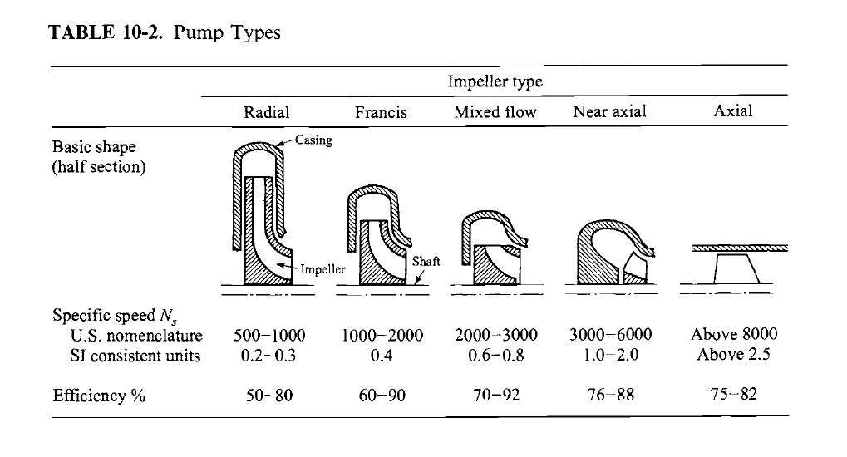

 | OUTPUTS
 | Rocket Model
SI | Total Mass Flow | ṁtotal | [kg/s] | 0.93
 | LOX Mass Flow | ṁLOX | [kg/s] | 0.59
 | IPA Mass Flow | ṁIPA | [kg/s] | 0.33
US | Total Mass Flow | ṁtotal | [lbm/s] | 2.04
 | LOX Mass Flow | ṁLOX | [lbm/s] | 1.31
 | IPA Mass Flow | ṁIPA | [lbm/s] | 0.73

 | Pump Design
 | Chamber Pressure | Pp | [psi] | 441
 | Pressure Rise Per Stage | ΔPs | [psi] | 6817
 | Number of Stages | N | [-] | 1
 | Inducer Inlet Flow Coefficient | φ | [-] | 1.0
 | Thoma Parameter (τ ≥2 to avoid caviation) | τ | [-] | 2
 |  |  |  | LOX | IPA
 | Volumentric Flow | Q | [GPM] | 8.262 | 6.638
 |  |  | [ft³/s] | 0.018 | 0.015
 | Required Head Rise | Hp | [ft] | 693.41 | 1002.77
 | Inlet Head | Hi | [ft] | 45.54 | 65.86 | Hi for LOX is cut in half but not for IPA…if it were as well, required RPM would drop significantly. Need to find theory for this calculation
 | Vapor Pressure Head | Hv | [ft] | 2.35 | 3.75
 | Impeller Tip Speed | ut | [ft/s] | 211.32 | 254.12
 | Available NPSH | NPSHa | [-] | 43.20 | 62.11
 | Rotational NPSH | NPSHr | [-] | 21.60 | 31.06
 | Pump Specific Speed | ns | [RPM] | 4956.05 | 4934.84
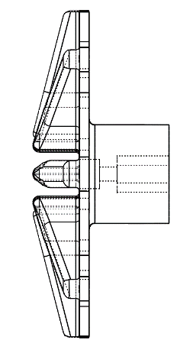
$$D_{H}$$
$$D_{o}$$
$$D_{i}$$
 |  |  | [rad/s] | 519.00 | 516.78

 | Impeller Design
 |  |  |  | LOX | IPA
 | Discharge Diameter | Do | [in] | 2.443 | 2.950
 | Inlet Diameter | Di | [in] | 0.259 | 0.212
 | Impeller Hub Diameter | DH | [in] | 0.733 | 0.885
 | Impeller Housing Diameter | Dp | [in] | 2.815 | 3.400
 | Motor Requirements
 |  |  |  | LOX | IPA
 | Required Power | Preq | [kW] | 2.053 | 1.650
 | Load Torque | T | [N٠m] | 0.80 | 0.55
 | Rotational Speed | nRPM | [RPM] | 24382.05 | 35718.73
 |  |  | [rad/s] | 2553.28 | 3740.46
 | Rotational Kinetic Energy | ERot | [kJ] | 803.89 | -

