LNG
# | Von | Nach | capacity | Distanz* in km | Verschiffung EUR / GWh | Gesamt | Transport LNG Gesamt EUR / MWh
1 | DZ | ES | INF | 1470 | 3,103.12 € | 14,268.89 € | 14.27 € |  |  |  |  |  |  |  | http://breakingenergy.com/2014/03/04/economics-of-alaskan-and-us-gulf-coast-lng-projects/
2 | PE | ES | INF | 9130 | 5,582.89 € | 16,748.66 € | 16.75 € | NR
3 | TT | ES | INF | 6530 | 4,741.19 € | 15,906.96 € | 15.91 € |  | 11.19 |  | €/MMBTU | €/GWh | Quellen
4 | NO | ES | INF | 2380 | 3,397.71 € | 14,563.48 € | 14.56 € |  |  | Verflüssigung
5 | NG | ES | INF | 3700 | 3,825.04 € | 14,990.81 € | 14.99 € | Mcf in mcm | 0.028317 | Max | 5.01 | 17077.06 | 3 - 10 $/MMBTU | http://marketrealist.com/2014/05/how-liquefaction-cost-will-affect-lng-trade-growth/
6 | QA | ES | INF | 5300 | 4,343.00 € | 15,508.77 € | 15.51 € | GWh in MMBTU | 3412 | Mittel | 3.27 | 11165.77 | 3,5-5 | s.b.
7 | EG | ES | INF | 3510 | 3,763.53 € | 14,929.30 € | 14.93 € | $ in € | 0.77 | Min | 1.04 | 3546.77 | 1,3-1,4 | s.b.
8 | LY | ES | INF | 2490 | 3,433.33 € | 14,599.10 € | 14.60 € |  |  | Transport
9 | TT | PT | INF | 6130 | 4,611.70 € | 15,777.47 € | 15.78 € |  |  | max | 1.16 | 3940.86
10 | NG | PT | INF | 3770 | 3,847.70 € | 15,013.47 € | 15.01 € |  |  | min | 0.77 | 2627.24
11 | QA | PT | INF | 5690 | 4,469.26 € | 15,635.03 € | 15.64 € |  |  | MIttel | 0.96 | 3284.05
12 | EG | PT | INF | 3860 | 3,876.83 € | 15,042.60 € | 15.04 € |  |  |  | 0.39 | 2955.65
13 | DZ | FR | INF | 2020 | 3,281.17 € | 14,446.94 € | 14.45 €
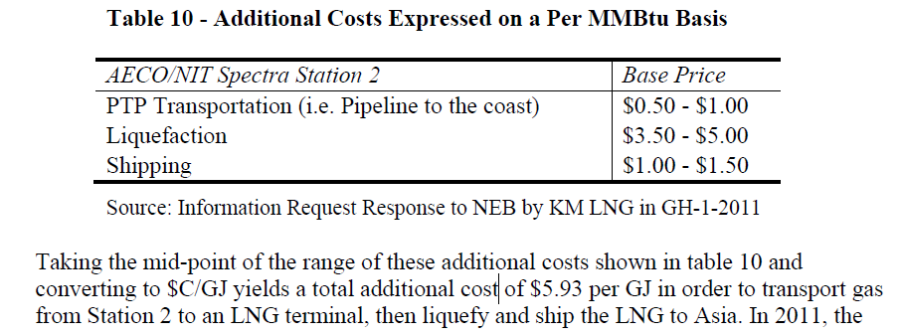
14 | NO | FR | INF | 1640 | 3,158.16 € | 14,323.93 € | 14.32 €
15 | NG | FR | INF | 4180 | 3,980.43 € | 15,146.20 € | 15.15 €
16 | QA | FR | INF | 4890 | 4,210.27 € | 15,376.04 € | 15.38 €
17 | EG | FR | INF | 3310 | 3,698.78 € | 14,864.55 € | 14.86 €
18 | DZ | IT | INF | 1830 | 3,219.66 € | 14,385.43 € | 14.39 €
19 | NO | IT | INF | 2090 | 3,303.83 € | 14,469.60 € | 14.47 €
20 | QA | IT | INF | 3970 | 3,912.44 € | 15,078.21 € | 15.08 €
21 | EG | IT | INF | 2360 | 3,391.24 € | 14,557.01 € | 14.56 €
22 | DZ | GR | INF | 2230 | 3,349.16 € | 14,514.93 € | 14.51 €
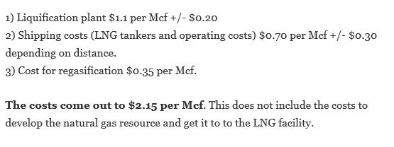
23 | NG | GR | INF | 3580 | 3,786.19 € | 14,951.96 € | 14.95 €
24 | EG | GR | INF | 1600 | 3,145.21 € | 14,310.98 € | 14.31 €
25 | QA | BE | INF | 4840 | 4,194.09 € | 15,359.86 € | 15.36 €
26 | TT | NL | INF | 4850 | 4,197.33 € | 15,363.10 € | 15.36 €
27 | NG | NL | INF | 4800 | 4,181.14 € | 15,346.91 € | 15.35 €
28 | DZ | NL | INF | 2700 | 3,501.31 € | 14,667.08 € | 14.67 €
29 | DZ | TR | INF | 3320 | 3,702.02 € | 14,867.79 € | 14.87 €
30 | NO | TR | INF | 3030 | 3,608.14 € | 14,773.91 € | 14.77 €
31 | NG | TR | INF | 4250 | 4,003.09 € | 15,168.86 € | 15.17 €
32 | QA | TR | INF | 2120 | 3,313.55 € | 14,479.32 € | 14.48 €
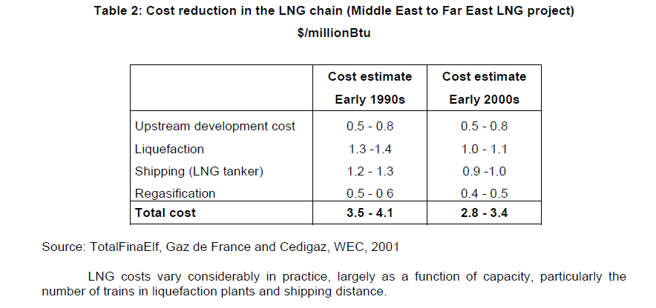
33 | EG | TR | INF | 1410 | 3,083.70 € | 14,249.47 € | 14.25 €
34 | NG | UK | INF | 5180 | 4,304.16 € | 15,469.93 € | 15.47 €
35 | EG | UK | INF | 4120 | 3,961.00 € | 15,126.77 € | 15.13 €
36 | DZ | UK | INF | 2990 | 3,595.19 € | 14,760.96 € | 14.76 €
37 | QA | UK | INF | 5440 | 4,388.33 € | 15,554.10 € | 15.55 €

 |  | Mittel |  | 3695
 |  | Max |  | 9130

