Title Page
Residual Anomalies BlueLib Android
Printed copies are uncontrolled unless authenticated

Approval
< Before submitting a document for approval make sure all changes are accepted/rejected and all comments are deleted. This document shall be approved by E signature according local document management system or by signing the table below. In case of E-signature state: Approved by E-signature in local document management system >
Name | Role / Function | Date & Signature | Repository
<John Doe> | <Product architect> | <YYYY-MON-DD> | <state document archive>

Doc ID: | NatKuz-20160711-01V01 | Document title: |  | Classification: | internal
Modified: | 2016-JUL-11 | Residual Anomalies BlueLib Android |  | Author: | Natalia Kuznetsova
Version: | 0.1 |  |  | Approver: | <approver name>
Status: | draft | Template ID: | BMS-REA-719, v1.0 | Page: | NA

Document Introduction
Residual Anomalies BlueLib Android

Printed copies are uncontrolled unless authenticated
Document Introduction

1.1 | Purpose | This document describes the residual anomalies for BlueLib Android. In addition to the description there is also a cause and/or resolution mentioned to indicate the future handling of this anomaly.
1.2 | Scope | Scope of this document is BlueLib Android.
1.3 | References | Reference | Identification | Title / additional remarks
 | Not applicable

1.4 | Definitions & Abbreviations | Term | Description
 |  | ANOMALY | IEC 62304, 3.2: any condition that deviates from the expected based on requirements specifications, design documents, standards, etc. or from someone's perceptions or experiences. ANOMALIES may be found during, but not limited to, the review, test, analysis, compilation, or use of SOFTWARE PRODUCTS or applicable documentation

Revision History
Residual Anomalies BlueLib Android
Printed copies are uncontrolled unless authenticated

Revision History

Version | Date | Author | Description of Change | Reason for Change
0.1 | 2016-JUL-11 | Natalia Kuznetsova | Document creation | Document creation

Introduction
Residual Anomalies BlueLib Android

Printed copies are uncontrolled unless authenticated
Introduction
This list of residual anomalies for BlueLib Android is generated from the defect tracking database. See table below for an explanation of defect severities. The tab "Maturity Grid" gives an overview of the amount of residual anomalies per defect severity. The tab "Anomalies" gives an overview of the anomalous behavior and proposed workaround (when available).

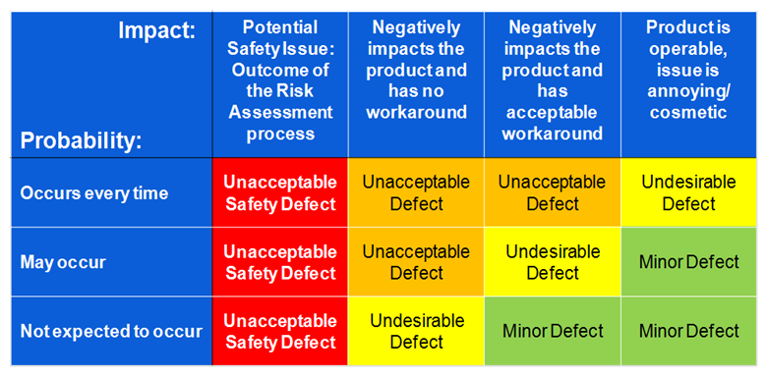

 | BMS-REA-719, v1.0

Maturity Grid
Residual Anomalies BlueLib Android
Printed copies are uncontrolled unless authenticated
The list of residual anomalies can be found in tab "Anomalies". An overview is shown below.

Unacceptable Safety Defect | 0
Unacceptable Defect | 3
Undesirable Defect | 7
Minor Defect | 0

Conclusion: <no residual anomalies for <(medical device) software name>> .

Anomalies
Residual Anomalies BlueLib Android
Printed copies are uncontrolled unless authenticated
Defect id | Problem description | Workaround | Impact on device performance | To be solved? | Severity
BG-208 | Random Crash observed while syncing in samsung android device | No workaround | Device will crash but after restart will continue to function | in future release | Unacceptable defect
BG-22 | Association with LifeSense BPM can fail unexpectedly on some Android combos | No workaround | Requires multiple retries to get the device working | in future release | Undesirable Defect
BG-158 | Moonshine pairing issues with Android phones | No workaround | Association with the device is not possible with some phones. | in future release | Undesirable Defect
BG-283 | Random Crash observed while syncing in samsung android device | No workaround | Device will crash but after restart will continue to function | in future release | Unacceptable defect
BG-241 | Sync error observed in dashboard screen. | No workaround | Requires multiple retries to get the device working | in future release | Undesirable Defect
BG-209 | Upperarm BPM doesn't sync with app | No workaround | Requires multiple retries to get the device working | in future release | Undesirable Defect
BG-88 | Crash , associating when bluetooth turned off | No workaround | Device will crash but after restart will continue to function | in future release | Unacceptable defect
BG-246 | Moonshine pairing fails | No workaround | Association with the device is not possible with some phones. | in future release | Undesirable Defect
BG-296 | Scale pairing issue Nexus | No workaround | Requires multiple retries to get the device working | in future release | Undesirable Defect
BG-238 | Crash during association | No workaround | Device will crash but after restart will continue to function | in future release | Undesirable Defect

