Sheet2
Number | Porosity | Permeability | Sciw | Number | Porosity | Permeability | Sciw | Number | Porosity | Permeability | Sciw
1 | 5.1937984496 | 55.486335881 | 0.3 | 1 | 0.051937984496 | 55.486335881 | 0.3 | 1 | 0.037984496124 | 183.47035085 | 0.2
2 | 9.9224806202 | 145.47578108 | 0.3 | 2 | 0.099224806202 | 145.47578108 | 0.3 | 2 | 0.095348837209 | 432.1742776 | 0.2
3 | 16.589147287 | 348.8475353 | 0.3 | 3 | 0.16589147287 | 348.8475353 | 0.3 | 3 | 0.15271317829 | 964.9307 | 0.2
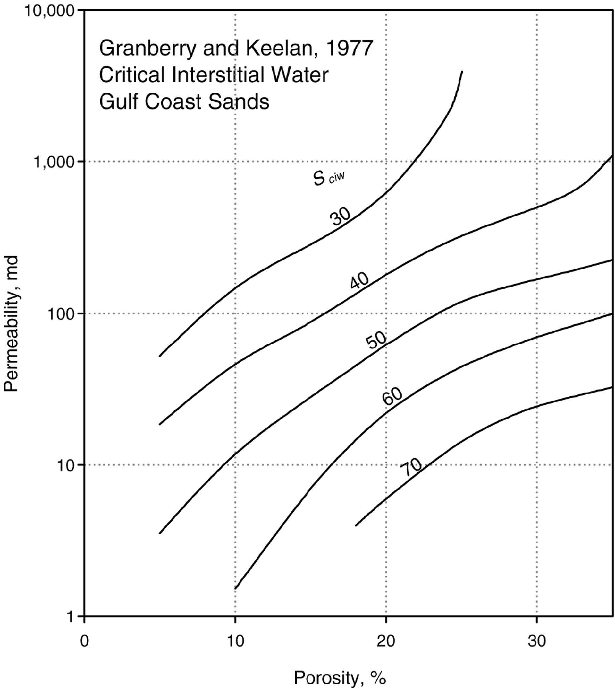
4 | 21.395348837 | 851.59393183 | 0.3 | 4 | 0.21395348837 | 851.59393183 | 0.3 | 4 | 0.19147286822 | 1970.4873149 | 0.2
5 | 23.953488372 | 2005.9753011 | 0.3 | 5 | 0.23953488372 | 2005.9753011 | 0.3 | 5 | 0.21550387597 | 4559.4738442 | 0.2
6 | 25.03875969 | 4096.4070111 | 0.3 | 6 | 0.2503875969 | 4096.4070111 | 0.3 | 1 | 0.051937984496 | 55.486335881 | 0.3
1 | 5.0387596899 | 19.013837041 | 0.4 | 1 | 0.050387596899 | 19.013837041 | 0.4 | 2 | 0.099224806202 | 145.47578108 | 0.3
2 | 11.937984496 | 60.666052476 | 0.4 | 2 | 0.11937984496 | 60.666052476 | 0.4 | 3 | 0.16589147287 | 348.8475353 | 0.3
3 | 20.465116279 | 197.04873149 | 0.4 | 3 | 0.20465116279 | 197.04873149 | 0.4 | 4 | 0.21395348837 | 851.59393183 | 0.3
4 | 28.139534884 | 432.1742776 | 0.4 | 4 | 0.28139534884 | 432.1742776 | 0.4 | 5 | 0.23953488372 | 2005.9753011 | 0.3
5 | 32.093023256 | 628.70890599 | 0.4 | 5 | 0.32093023256 | 628.70890599 | 0.4 | 6 | 0.2503875969 | 4096.4070111 | 0.3
6 | 34.96124031 | 1036.3438535 | 0.4 | 6 | 0.3496124031 | 1036.3438535 | 0.4 | 1 | 0.050387596899 | 19.013837041 | 0.4
1 | 4.1085271318 | 2.8158687175 | 0.5 | 1 | 0.041085271318 | 2.8158687175 | 0.5 | 2 | 0.11937984496 | 60.666052476 | 0.4
2 | 9.6899224806 | 10.9335121 | 0.5 | 2 | 0.096899224806 | 10.9335121 | 0.5 | 3 | 0.20465116279 | 197.04873149 | 0.4
3 | 17.829457364 | 44.788115623 | 0.5 | 3 | 0.17829457364 | 44.788115623 | 0.5 | 4 | 0.28139534884 | 432.1742776 | 0.4
4 | 24.573643411 | 115.34944357 | 0.5 | 4 | 0.24573643411 | 115.34944357 | 0.5 | 5 | 0.32093023256 | 628.70890599 | 0.4
5 | 31.937984496 | 186.77460622 | 0.5 | 5 | 0.31937984496 | 186.77460622 | 0.5 | 6 | 0.3496124031 | 1036.3438535 | 0.4
6 | 34.728682171 | 223.27351488 | 0.5 | 6 | 0.34728682171 | 223.27351488 | 0.5 | 1 | 0.041085271318 | 2.8158687175 | 0.5
1 | 8.6821705426 | 1.1954168685 | 0.6 | 1 | 0.086821705426 | 1.1954168685 | 0.6 | 2 | 0.096899224806 | 10.9335121 | 0.5
2 | 13.410852713 | 4.1701822821 | 0.6 | 2 | 0.13410852713 | 4.1701822821 | 0.6 | 3 | 0.17829457364 | 44.788115623 | 0.5
3 | 20.387596899 | 22.729461533 | 0.6 | 3 | 0.20387596899 | 22.729461533 | 0.6 | 4 | 0.24573643411 | 115.34944357 | 0.5
4 | 26.744186047 | 52.593277089 | 0.6 | 4 | 0.26744186047 | 52.593277089 | 0.6 | 5 | 0.31937984496 | 186.77460622 | 0.5
5 | 34.728682171 | 96.49307 | 0.6 | 5 | 0.34728682171 | 96.49307 | 0.6 | 6 | 0.34728682171 | 223.27351488 | 0.5
1 | 13.720930233 | 1.4547578108 | 0.7 | 1 | 0.13720930233 | 1.4547578108 | 0.7 | 1 | 0.086821705426 | 1.1954168685 | 0.6
2 | 18.062015504 | 4.0239369086 | 0.7 | 2 | 0.18062015504 | 4.0239369086 | 0.7 | 2 | 0.13410852713 | 4.1701822821 | 0.6
3 | 26.899224806 | 17.703617408 | 0.7 | 3 | 0.26899224806 | 17.703617408 | 0.7 | 3 | 0.20387596899 | 22.729461533 | 0.6
4 | 32.713178295 | 28.158687175 | 0.7 | 4 | 0.32713178295 | 28.158687175 | 0.7 | 4 | 0.26744186047 | 52.593277089 | 0.6
5 | 34.88372093 | 31.341806933 | 0.7 | 5 | 0.3488372093 | 31.341806933 | 0.7 | 5 | 0.34728682171 | 96.49307 | 0.6
1 | 18.062015504 | 1.1330878062 | 0.8 | 1 | 0.18062015504 | 1.1330878062 | 0.8 | 1 | 0.13720930233 | 1.4547578108 | 0.7
2 | 24.728682171 | 4.321742776 | 0.8 | 2 | 0.24728682171 | 4.321742776 | 0.8 | 2 | 0.18062015504 | 4.0239369086 | 0.7
3 | 30.852713178 | 11.130421933 | 0.8 | 3 | 0.30852713178 | 11.130421933 | 0.8 | 3 | 0.26899224806 | 17.703617408 | 0.7
4 | 34.80620155 | 16.780550401 | 0.8 | 4 | 0.3480620155 | 16.780550401 | 0.8 | 4 | 0.32713178295 | 28.158687175 | 0.7
1 | 3.7984496124 | 183.47035085 | 0.2 | 1 | 0.037984496124 | 183.47035085 | 0.2 | 5 | 0.3488372093 | 31.341806933 | 0.7
2 | 9.5348837209 | 432.1742776 | 0.2 | 2 | 0.095348837209 | 432.1742776 | 0.2 | 1 | 0.18062015504 | 1.1330878062 | 0.8
3 | 15.271317829 | 964.9307 | 0.2 | 3 | 0.15271317829 | 964.9307 | 0.2 | 2 | 0.24728682171 | 4.321742776 | 0.8
4 | 19.147286822 | 1970.4873149 | 0.2 | 4 | 0.19147286822 | 1970.4873149 | 0.2 | 3 | 0.30852713178 | 11.130421933 | 0.8
5 | 21.550387597 | 4559.4738442 | 0.2 | 5 | 0.21550387597 | 4559.4738442 | 0.2 | 4 | 0.3480620155 | 16.780550401 | 0.8

Sheet1
Granberry and Keelan

 |  | Porosity | Permeability | Sciw | Porosity | Permeability | Sciw | sqrt(k/phi)
 | 1 | 5.4085603113 | 57.895647365 | 30 | 0.054085603113 | 57.895647365 | 0.3 | 32.717651246
 | 2 | 11.634241245 | 192.32984987 | 30 | 0.11634241245 | 192.32984987 | 0.3 | 40.658777254
 | 3 | 18.015564202 | 438.55427244 | 30 | 0.18015564202 | 438.55427244 | 0.3 | 49.338704204
 | 4 | 22.295719844 | 1133.6388169 | 30 | 0.22295719844 | 1133.6388169 | 0.3 | 71.306087009
 | 5 | 25.019455253 | 3834.0483696 | 30 | 0.25019455253 | 3834.0483696 | 0.3 | 123.79122739
 | 1 | 5.0972762646 | 19.406076684 | 40 | 0.050972762646 | 19.406076684 | 0.4 | 19.51191006
 | 2 | 14.280155642 | 78.513011221 | 40 | 0.14280155642 | 78.513011221 | 0.4 | 23.44792124
 | 3 | 22.451361868 | 247.17019998 | 40 | 0.22451361868 | 247.17019998 | 0.4 | 33.18002505
 | 4 | 29.610894942 | 488.33286483 | 40 | 0.29610894942 | 488.33286483 | 0.4 | 40.609927105
 | 5 | 33.035019455 | 674.20780263 | 40 | 0.33035019455 | 674.20780263 | 0.4 | 45.176190253
 | 6 | 34.824902724 | 1074.3069979 | 40 | 0.34824902724 | 1074.3069979 | 0.4 | 55.541709975
 | 1 | 5.2529182879 | 3.7323678153 | 50 | 0.052529182879 | 3.7323678153 | 0.5 | 8.4293074648
 | 2 | 9.9221789883 | 11.750028243 | 50 | 0.099221789883 | 11.750028243 | 0.5 | 10.882180539
 | 3 | 14.6692607 | 26.316823212 | 50 | 0.146692607 | 26.316823212 | 0.5 | 13.394071658
 | 4 | 20.583657588 | 65.632753185 | 50 | 0.20583657588 | 65.632753185 | 0.5 | 17.856610965
 | 5 | 23.852140078 | 106.47247611 | 50 | 0.23852140078 | 106.47247611 | 0.5 | 21.127835239
 | 6 | 30.155642023 | 169.65707861 | 50 | 0.30155642023 | 169.65707861 | 0.5 | 23.719290965
 | 7 | 34.980544747 | 221.97471239 | 50 | 0.34980544747 | 221.97471239 | 0.5 | 25.190597387
 | 1 | 10 | 1.4965708308 | 60 | 0.1 | 1.4965708308 | 0.6 | 3.8685537747
 | 2 | 16.070038911 | 9.143016303 | 60 | 0.16070038911 | 9.143016303 | 0.6 | 7.542864097
 | 3 | 22.762645914 | 32.630120458 | 60 | 0.22762645914 | 32.630120458 | 0.6 | 11.972861733
 | 4 | 29.377431907 | 64.467157467 | 60 | 0.29377431907 | 64.467157467 | 0.6 | 14.813659112
 | 5 | 34.902723735 | 97.347958491 | 60 | 0.34902723735 | 97.347958491 | 0.6 | 16.700664989
 | 1 | 18.249027237 | 4.1560143918 | 70 | 0.18249027237 | 4.1560143918 | 0.7 | 4.7722002781
 | 2 | 25.486381323 | 15.373417727 | 70 | 0.25486381323 | 15.373417727 | 0.7 | 7.7666033484
 | 3 | 31.712062257 | 26.792643423 | 70 | 0.31712062257 | 26.792643423 | 0.7 | 9.1916936093
 | 4 | 34.591439689 | 31.481431693 | 70 | 0.34591439689 | 31.481431693 | 0.7 | 9.5398801469

