BB Beverages (2)
Braai Block Restaurant |  |  |  | Date | 2023-03-07
Beverage socktaking
Item | Unit Price | Quantity | Cost
Stoney | R34.00 | 48 | R1,632.00
Sprite | R34.00 | 32 | R1,088.00
CocaCola | R45.00 | 17 | R765.00
Pepsi | R25.00 | 14 | R350.00
Fanta | R22.00 | 12 | R264.00
Lemonade | R15.00 | 9 | R135.00
Ginger Ale | R10.00 | 5 | R50.00
Total |  |  | R4,284.00

Highest Unit Price | R45.00
Lowest Unit Price | R10.00

Beverage stock-taking

Formulas used
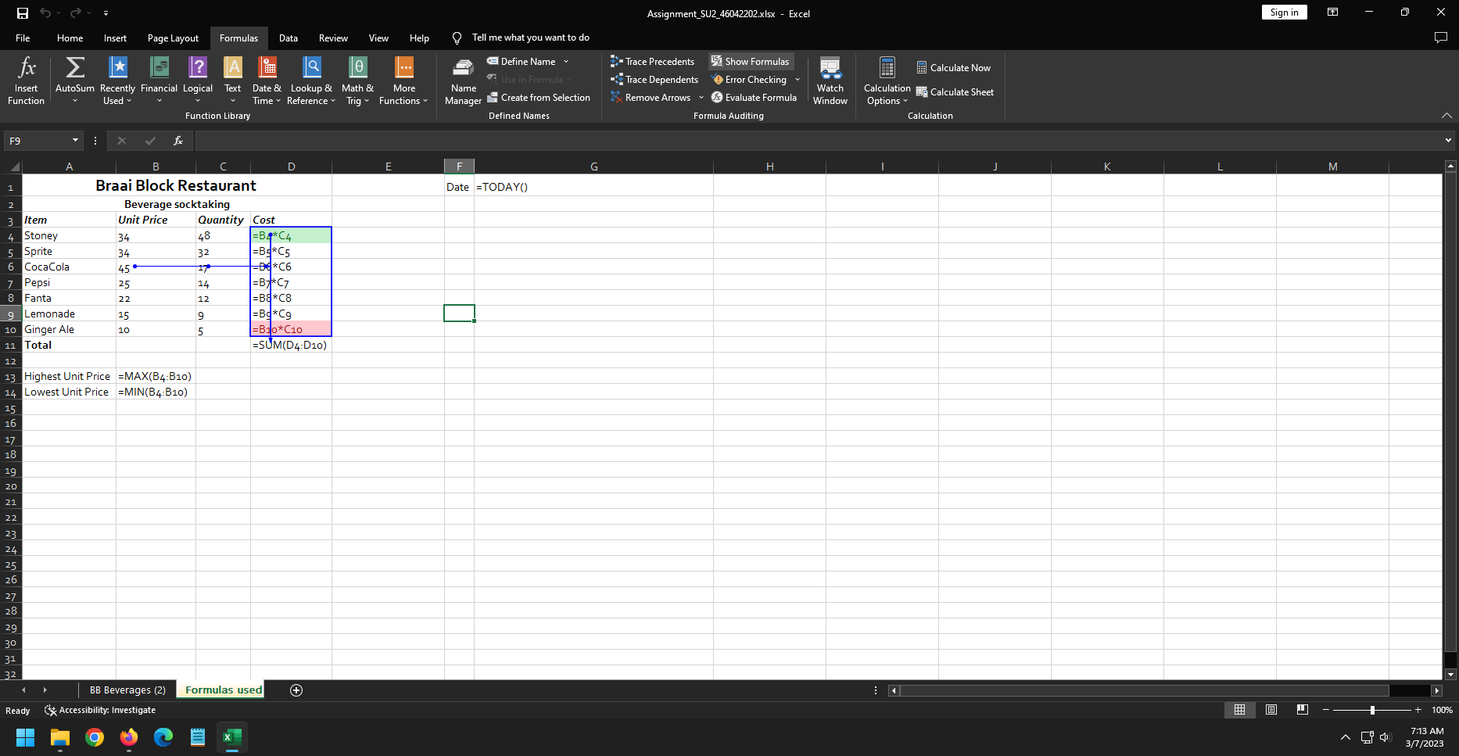
Braai Block Restaurant |  |  |  | Date | 2023-03-07
Beverage socktaking
Item | Unit Price | Quantity | Cost
Stoney | R34.00 | 48 | R1,632.00
Sprite | R34.00 | 32 | R1,088.00
CocaCola | R45.00 | 17 | R765.00
Pepsi | R25.00 | 14 | R350.00
Fanta | R22.00 | 12 | R264.00
Lemonade | R15.00 | 9 | R135.00
Ginger Ale | R10.00 | 5 | R50.00
Total |  |  | R4,284.00

Highest Unit Price | R45.00
Lowest Unit Price | R10.00

