kappa=0.05
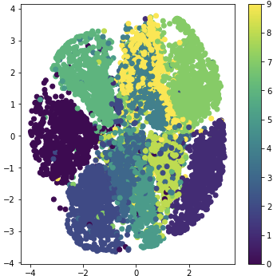
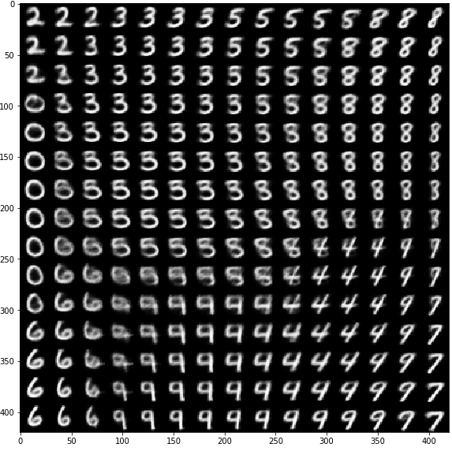

Clustering according to Cao code | kappa=0.05 | Numerical digits according to Cao code kappa=0.05
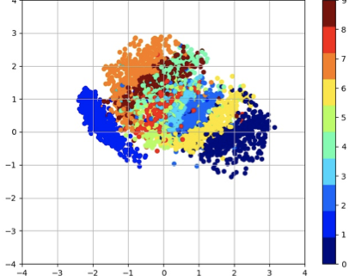

Clustering according to Dan code kappa=0.05 |  | Numerical digits according to Dan code kappa=0.05

kappa=0.1
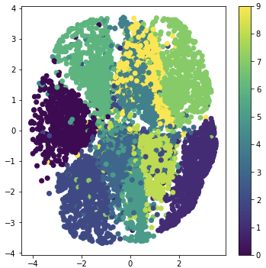
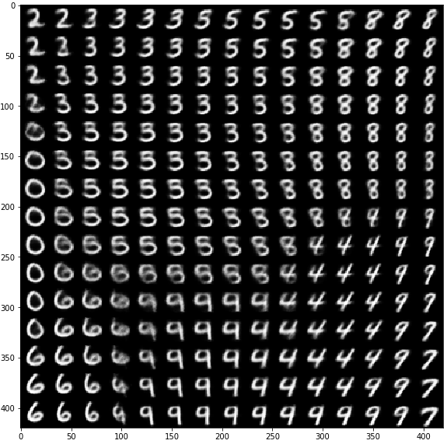

Clustering according to Cao code kappa=0.1 | Numerical digits according to Cao code kappa=0.1
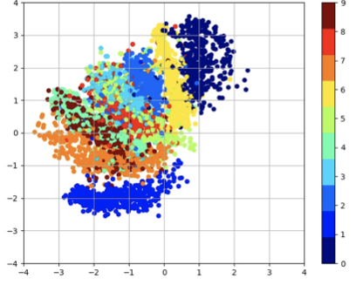

Clustering according to Dan code kappa=0.1 | Numerical digits according to Dan code kappa=0.1

