Customer_SingIn
No | Menu | API |  |  |  | UI Mapping | Remark
 |  | Method | URL | Request | Response
1 | SingIn | POST | {{baseUrl}}/api/v1/auth/signIn?type=customer | { nationalId: "110140088479625" } | { "code": "ERO-0001", "message": "Sigin success", "data": { "customerId": "6258d347930c4c210c0f5b97" } } | 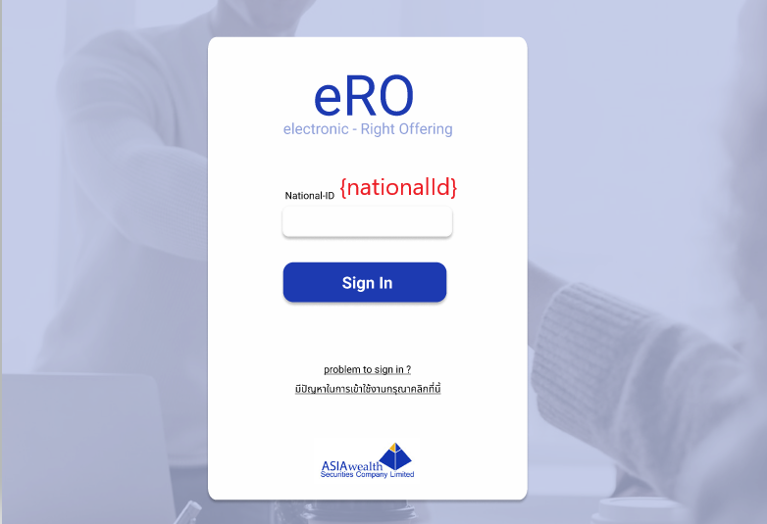

Customer_Buy
No | Menu | API |  |  |  | UI Mapping | Remark
 |  | Method | URL | Request | Response
1 | Buy - Step 1 | GET | {{baseUrl}}/api/v1/masterCustomers/6258d347930c4c210c0f5b97 |  | { "code": "ERO-0001", "message": "ok", "data": { "_id": "6258d347930c4c210c0f5b97", "id": "ST0011000", "name": "Rachadee", "lastname": "Chuenphakdee", "nationalId": "110140088479625", "telephone": "8903893111", "atsBank": "SCB", "atsBankNo": "82454874", "email": "ไม่แน่ใจมีไหม", "createdOn": "2022-04-15T02:07:03.017Z", "createdBy": "Import from excel", "__v": 0 } } | 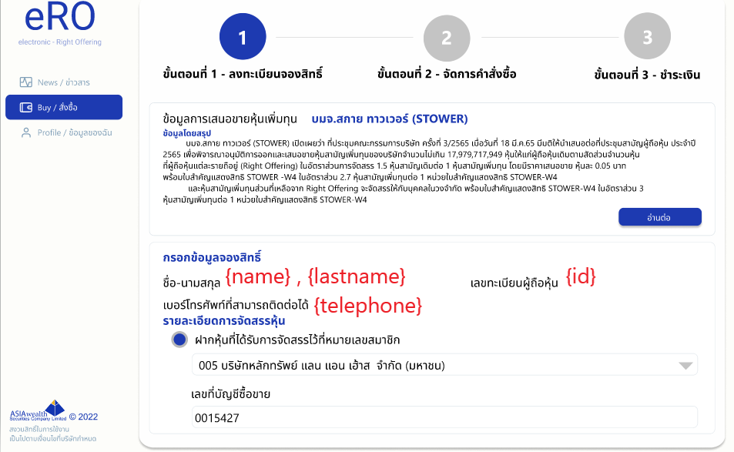
2 | Buy - Step 1 | GET | {{baseUrl}}/api/v1/masterBrokers |  | { "code": "ERO-0001", "message": "ok", "data": [ { "_id": "6258dea86c952c04d8b8d4d4", "code": "005", "name": "บริษัทหลักทรัพย์ แลนด์ แอนด์ เฮ้าส์ จํากัด (มหาชน)", "status": true, "__v": 0 } ] } | 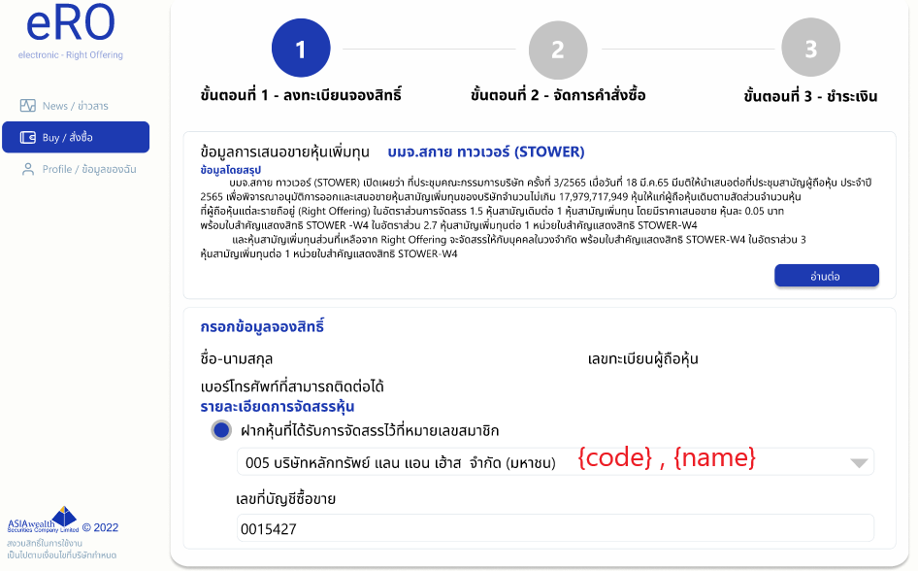
3 | Buy - Step 2 | GET | {{baseUrl}}/api/v1/customerStocks?customerId=6258d347930c4c210c0f5b97 |  | 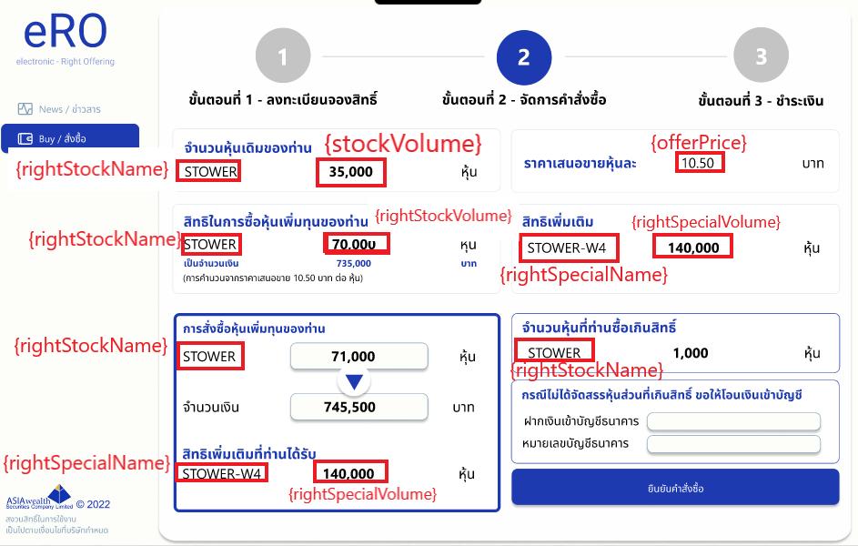 { "code": "ERO-0001", "message": "ok", "data": { "_id": "6258d347930c4c210c0f5b99", "customerId": "6258d347930c4c210c0f5b97", "rightStockName": "MFEC", "offerPrice": 10, "stockVolume": 32000, "rightStockVolume": 0, "rightSpecialName": "", "rightSpecialVolume": 0, "createdOn": "2022-04-15T02:07:03.149Z", "createdBy": "Import from excel", "isActive": true, "__v": 0 } }
4 | Buy - Step 3 | GET | {{baseUrl}}/api/v1/masterBanks |  | { "code": "ERO-0001", "message": "ok", "data": [ { "_id": "6258ed36fa013c400c144efa", "nameTH": "ธนาคารไทยพาณิชย์", "nameEN": "Siam Commercial Bank", "ref1": 1243518, "ref2": 7845, "logo": "https://www.infoquest.co.th/wp-content/uploads/2020/03/20200323_PRG_SCB_FC_AbbreviatedLogo_Horizontal_PurpleBG-scaled.jpg", "qrCode": "https://th.qr-code-generator.com/wp-content/themes/qr/new_structure/markets/basic_market/generator/dist/generator/assets/images/websiteQRCode_noFrame.png", "isActive": true, "__v": 0 } ] } | 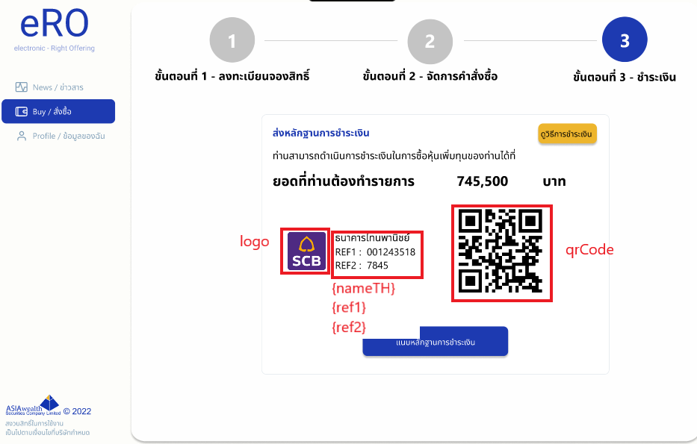
5 | Buy - Step 3 | POST | {{baseUrl}}/api/v1/uploads/image?rightStockName=OR |  | { "code": "ERO-0001", "message": "ok", "data": "http://localhost:3001/api/v1/renders?filename=1649998107543.png" } | 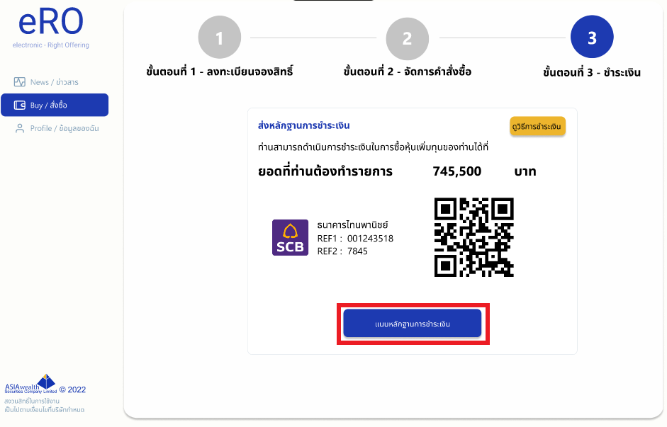
6 | Buy - Step 3 | POST | {{baseUrl}}/api/v1/orders | { "customerId": "6258d347930c4c210c0f5b97", "rightStockName" : "MFEC", "stockVolume" : 100, "rightSpecialName" : "MFEC-TEST", "paidRightVolume": 101, "paidSpecialVolume" : 102, "paymentAmount" : 103, "returnAmount" : 104 } |  | Submit

