API
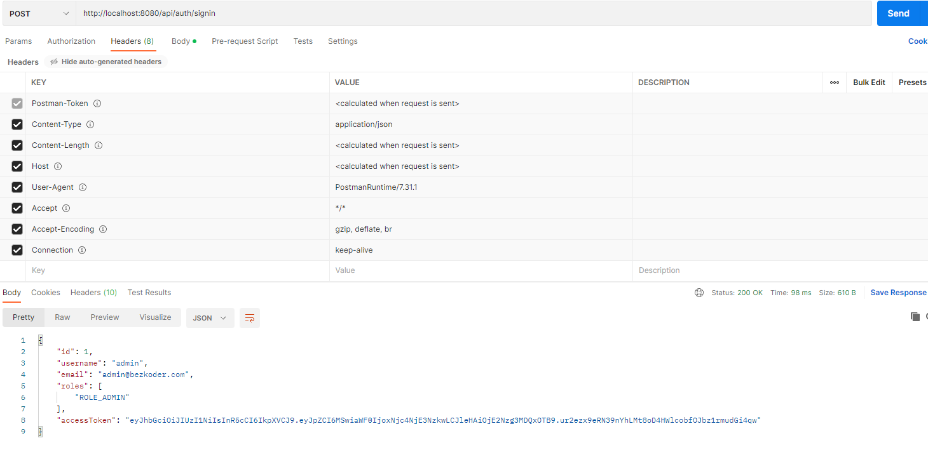
PROJECT |  |  |  | CREATOR | GITHUB
felicette_server |  |  |  | Dinh Phu | https://github.com/PhuFromHell/felicette_server.git

 | PROJECT DESCRIPTION

 | nodemon
 |  |  | npm i --save-dev nodemon
 |  |  | npm run startServer
 | base url
 |  | http://localhost:8080

 |  | API |  |  |  | ROLE | DESCRIPTION
 |  | ../api/test/all |  |  |  | admin | --> lấy danh sách user
 |  | ../api/test/user |  |  |  | user, mod, admin | --> check quyền user
 |  | ../api/test/mod |  |  |  | mod, admin | --> check quyền mod(ơ đây là leeder )
 |  | ../api/test/admin |  |  |  | admin | --> check quyền admin

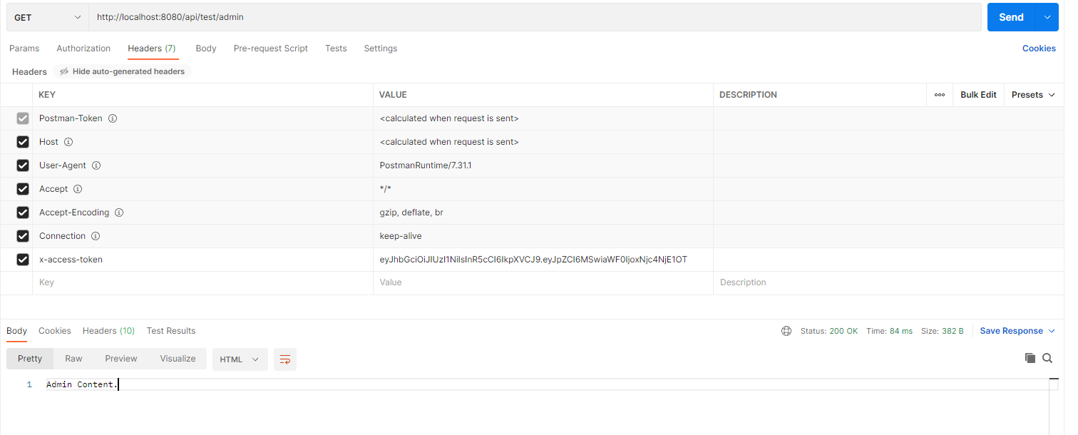

 | sigin
 |  |  | /api/auth/signin

screen
dashboard

order

order management

order delivery

analysis

item manager
id | item name | vendor | quantity | price | color | image

user manager

vendor manager

