Sheet1
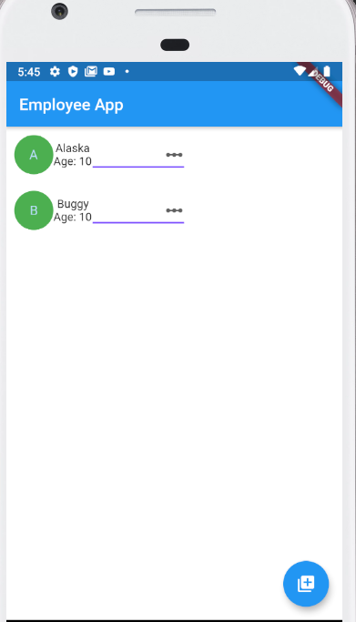
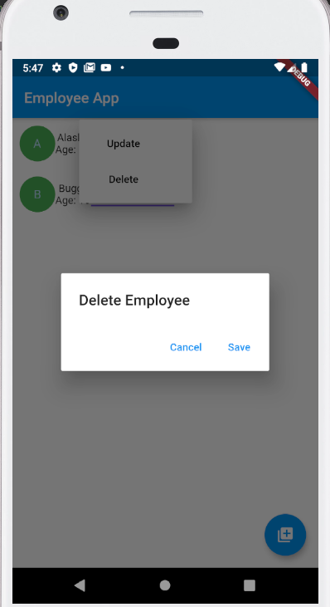
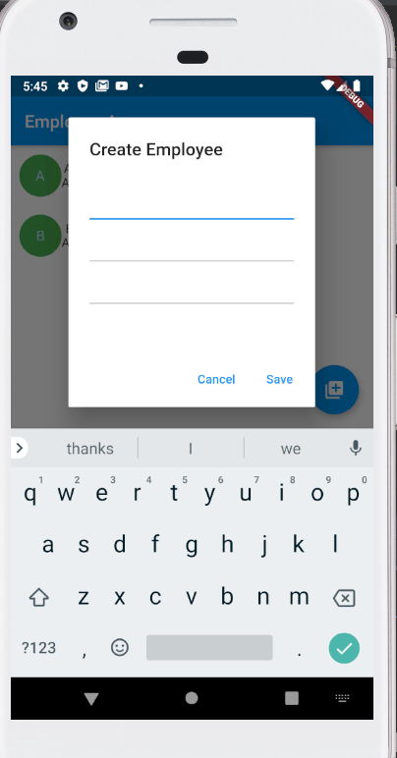
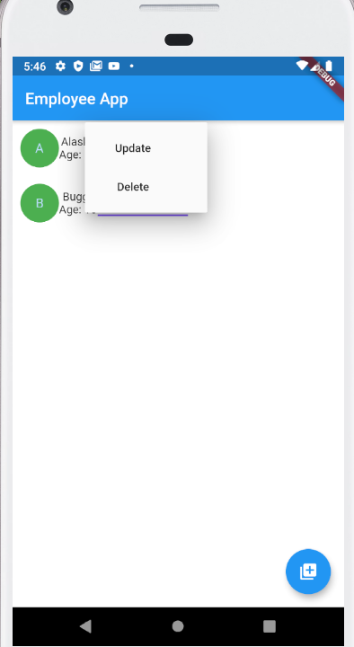
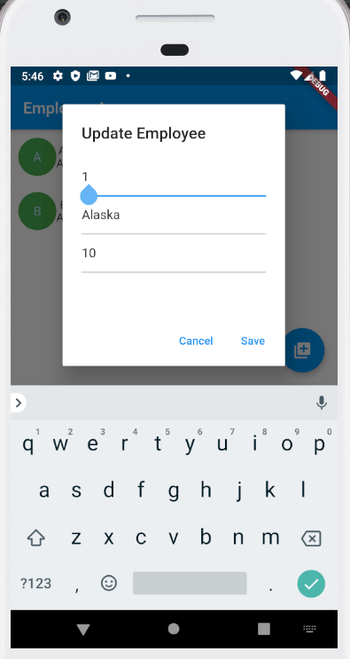
FLUTTER
Day | Contents | Refer Links | Status |  | Block
 |  |  | In Progress | Completed
1 | + Set up SDK (Android Studio/Plugin Dart, Flutter) + How to get dependencies in pubspec.yml + Understand about the meaning of State, StateLessWiget, StateFulWidget + Research about Widget + Research about Layout: Scaffold, AppBar, Container, Row, Column, ListView, ListTile, Image, Icon, RaisedButton, FlatButton, AlertDialog, showDialog, SnackBar, Floating Button | https://flutter.dev/docs/development/ui/layout https://flutter.dev/docs/codelabs
2 | - Animations + Animate a page route transition - Design + Add a Drawer(DashBoard) to a screen + Display a SnackBar + Work with tabs - Form + Build a form with validation + Focus and text fields + Handle changes to a text field + Retrieve the value of a text field - Gesture + Handle Tap' | [Animations][Route Transition] : https://flutter.dev/docs/cookbook/animation/page-route-animation [Design][Drawer] : https://flutter.dev/docs/cookbook/design/drawer [Design][SnackBar]: https://flutter.dev/docs/cookbook/design/snackbars [Design][Tabs]: https://flutter.dev/docs/cookbook/design/tabs [Form]: https://flutter.dev/docs/cookbook/forms [Gesture]: https://flutter.dev/docs/cookbook/gestures
3 | - Lists + Create a grid list (https://flutter.dev/docs/cookbook/lists/grid-lists) + Create a horizontal list (https://flutter.dev/docs/cookbook/lists/horizontal-list) + Use lists (https://flutter.dev/docs/cookbook/lists/basic-list) + Work with long lists (https://flutter.dev/docs/cookbook/lists/long-lists) - Navigation + Animate a widget across screens (https://flutter.dev/docs/cookbook/navigation/hero-animations) + Navigate to a new screen and back (https://flutter.dev/docs/cookbook/navigation/navigation-basics) + Navigate with named routes (https://flutter.dev/docs/cookbook/navigation/named-routes) + Pass arguments to a named route(https://flutter.dev/docs/cookbook/navigation/navigate-with-arguments) + Return data from a screen (https://flutter.dev/docs/cookbook/navigation/returning-data) + Send data to a new screen (https://flutter.dev/docs/cookbook/navigation/passing-data) ' | [List]: https://flutter.dev/docs/cookbook/lists [Navigation]: https://flutter.dev/docs/cookbook/navigation
4 | - Networking + Fetch data from the internet/rest api (https://flutter.dev/docs/cookbook/networking/fetch-data) + Make authenticated requests (https://flutter.dev/docs/cookbook/networking/authenticated-requests) + Parse JSON in the background (https://flutter.dev/docs/cookbook/networking/background-parsing) - Unit test + https://flutter.dev/docs/cookbook/testing/unit/introduction + https://flutter.dev/docs/cookbook/testing/unit/mocking ' | [Networking]: https://flutter.dev/docs/cookbook/networking [Unit test]: https://flutter.dev/docs/cookbook/testing
5 | Exercise | Create a simple app (use db as sqlite) with functionalities such as : CRUD employee (id, name, age, address)'

