Import
 | COSTING SHEET |  |  | HAULAGE + CO fee |  | FREIGHT |  |  |  |  |  |  |  |  |  | LOCAL |  |  |  |  | 25,000
 | PROJECT: ABC |  | 130% | LCL | 350.00 | LCL | 250.00 | 770.00 | 1950 |  |  |  |  |  |  | LCL | 500.00 | Local charge | 170 | 167.5
 |  |  |  | FLAT FEE | 0.00 | FLAT FEE | 0.00 |  |  |  |  |  |  |  |  | FLAT FEE | 0.00 | Clearance | 70
 | DATE: | 9-Oct-26 |  | RATE/CBM | 0.00 | RATE/CBM | 0.00 |  |  |  |  |  |  |  |  | RATE/CBM | 0.00 | Load / Install | 100 |  | 1600000 | 64
 |  |  |  | TOTAL CBM | 4.30 | TOTAL CBM | 4.30 |  |  |  |  |  |  |  |  | TOTAL CBM | 4.30 | Deliver | 100 | 2400000 | 96
 | CURRENCY: | USD |  | TOTAL CHARGE | 350.00 | TOTAL CHARGE | 250.00 |  |  |  |  |  |  |  |  | TOTAL CHARGE | 500.00 | Warehouse | 30
 | EXCHANGE RATE: | 1.00 |  | COST/CBM | 81.40 | COST/CBM | 58.14 |  |  |  |  |  |  |  |  | COST/CBM | 116.28 | Prelim | 30
 |  |  |  |  |  |  |  | RATE ON CNF |  |  |  |  |  |  |  |  |  |  | DRIVEN MARGIN
 | SUPPLIER: | HUMANSCALE |  |  |  |  |  | 0.75% |  |  |  |  |  |  |  |  |  |  | 40%
 | DELIVERY TERMS OF PURCHASES | EXW China
 | DELIVERY TERMS OF SALES | D2D HCM / HN |  |  |  |  |  | 28,965,600 | 57,931,200 | 72,414,000.0 |  |  |  |  | 72,414,000 | 86,896,800 |  |  |  |  |  |  |  | DRIVEN MARGIN METHOD |  |  | DRIVEN MARKET METHOD |  |  |  | CAF
 | DESCRIPTION | IMAGE | DIM (CBM) | QTY | FOB UNIT COST | CONVERTED UNIT COST (USD) | % discounted | DISCOUNTED FOB | TTL FOB | TTL DIM (CBM) | HAULAGE FEE | TTL FOB | TTL FREIGHT | INS | CIF | % Partner'S MARIN | CIF TO Ergo | IMPORT DUTY RATE | IMPORT DUTY | CBPG RATE | CBPG DUTY | CLEARANCE & DELIVERY | TO WHS COST | SALES PRICE | TOTAL G/P | D2D UNIT PRICE | D2D UNIT PRICE | SALES PRICE | TOTAL G/P | ALTERNATIVE MARGIN | 5% | NET GP
 |  |  |  |  |  |  |  |  |  |  |  |  |  |  |  |  |  |  |  |  |  |  |  |  |  |  |  |  |  |  |  |  | 27,000
1 |  | 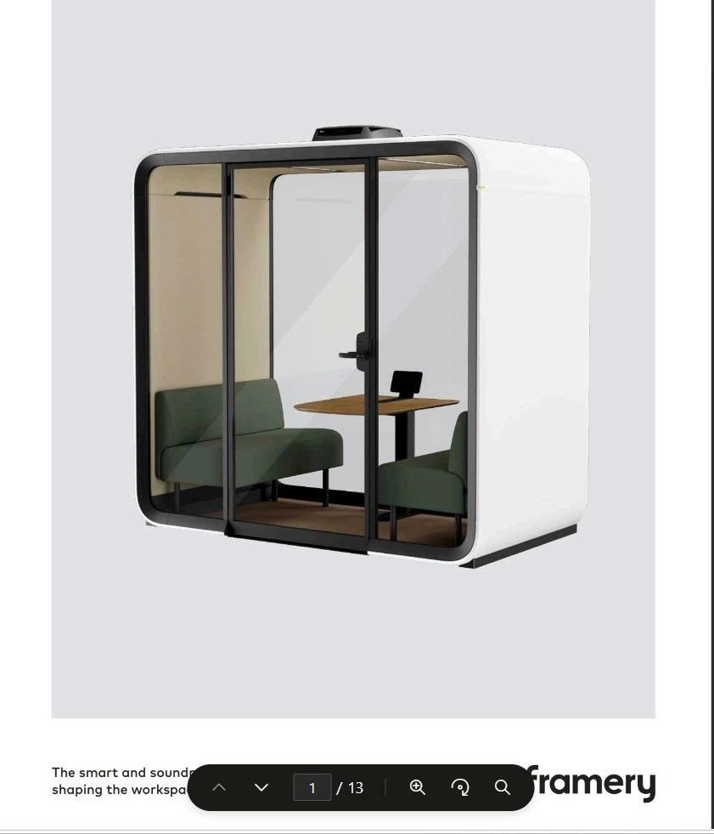 | 0.43 | 10 | $3,576.00 | 3,576.00 | 70.00% | 1,072.80 | 10,728.00 | 4.30 | 350.02 | 11,078.02 | 250.00 | 84.96 | 11,412.98 | 0% | 11,412.98 | 5.00% | 570.65 | 0.00% | 0.00 | 500.00 | 12,483.63 | 20,806.05 | 8,322.42 | 2,080.61 | 2,080.61 | 20,806.10 | 8,322.47 | 40.00% | 728.21 | 7,594.26 | 56,176,000
 |  |  |  | 10 |  |  |  |  | 10728 | 4.3 | 350.02 | 11,078.02 | 250 | 84.96 | 11,412.98 |  | 11,412.98 |  | 570.65 |  | 0 | 500.00 | 12,483.63 | 20806.05 | 8322.42 |  |  | 20806.1 | 8322.47 | 0.40000144188 | 728.2135 | 7594.2565
 | CROSS CHECK |  |  |  |  |  |  |  |  |  |  | 11,078.02 |  |  | 11,412.98 |  | 11,412.98 |  |  |  |  |  | 12,483.63 |  | 8,322.42 |  |  |  | 8,322.47 |  |  | 36.50%
 |  |  |  |  |  |  |  |  |  |  |  |  |  |  |  |  |  |  |  |  |  |  | 1,248.36 |  | 40.00%
 |  |  |  |  |  |  |  |  |  |  |  |  |  |  | 27,000 |  |  |  | 40.00%
 |  |  |  |  |  |  | Import tax | 570.65 |  |  |  |  |  |  | 15,407,550 |  | Ergo COST |  | 13,211.84
 |  |  |  |  |  |  | CBPG tax | 0.00 |  |  |  |  |  |  | - |  | Ergo G/P |  | 7,594.26
 |  |  |  |  |  |  | VAT tax | 1198.363 |  |  |  |  |  |  | 32,355,801 |  | Ergo MARGIN |  | 36.5%
 |  |  |  |  |  |  |  |  |  |  |  |  |  |  | 47,763,351
 |  |  |  |  |  |  |  |  |  |  |  |  |  |  |  |  | Ergo TAX |  | 1518.85 | 20%
 |  |  |  |  |  |  | Consultant fee |  |  |  |  |  |  |  | $- |  | NET G/P |  | 6,075.41
 |  |  |  |  |  |  | GP after Consultant fee |  |  |  |  |  |  |  | $7,594.26 |  | NET MARGIN |  | 29.2%
 |  |  |  |  |  |  | Margin |  |  |  |  |  |  |  | 36.50%

PC
 | COSTING SHEET |  |  | HAULAGE + CO fee |  | FREIGHT |  |  |  |  |  |  |  |  |  | LOCAL |  |  |  |  | 25,000
 | PROJECT: DIGIWORLD |  |  | CONT 20 | 650.00 | CONT 20 | 650.00 | 1,550.00 | 1950 |  |  |  |  |  |  | CONT 20 | 1,010.00 | Local charge | 250 | 280
 |  |  |  | FLAT FEE | 0.00 | FLAT FEE | 0.00 |  |  |  |  |  |  |  |  | FLAT FEE | 0.00 | Clearance | 100
 | DATE: | 9-Oct-26 |  | RATE/CBM | 0.00 | RATE/CBM | 0.00 |  |  |  |  |  |  |  |  | RATE/CBM | 0.00 | Load / Install | 280 | 6450000 | 258
 |  |  |  | TOTAL CBM | 15.80 | TOTAL CBM | 15.80 |  |  |  |  |  |  |  |  | TOTAL CBM | 15.80 | Deliver | 200 |  | 0
 | CURRENCY: | USD |  | TOTAL CHARGE | 650.00 | TOTAL CHARGE | 650.00 |  |  |  |  |  |  |  |  | TOTAL CHARGE | 1,010.00 | Warehouse | 100 |  | 0
 | EXCHANGE RATE: | 1.00 |  | COST/CBM | 41.14 | COST/CBM | 41.14 |  |  |  |  |  |  |  |  | COST/CBM | 63.92 | Prelim | 80
 |  |  |  |  |  |  |  | RATE ON CNF |  |  |  |  |  |  |  |  |  |  | DRIVEN MARGIN
 | SUPPLIER: | DAEHA |  |  |  |  |  | 0.75% |  |  |  |  |  |  |  |  |  |  | 30%
 | DELIVERY TERMS OF PURCHASES | EXW KOREA
 | DELIVERY TERMS OF SALES | D2D HCM / HN |  |  |  |  |  | 4,505,000 |  |  |  |  |  |  | 5,631,250 | 6,757,500 |  |  |  |  |  |  |  | DRIVEN MARGIN METHOD |  |  | DRIVEN MARKET METHOD |  |  |  | CAF
 | DESCRIPTION | IMAGE | DIM (CBM) | QTY | FOB UNIT COST | CONVERTED UNIT COST (USD) | % discounted | DISCOUNTED FOB | TTL FOB | TTL DIM (CBM) | HAULAGE FEE | TTL FOB | TTL FREIGHT | INS | CIF | % Partner'S MARIN | CIF TO Ergo | IMPORT DUTY RATE | IMPORT DUTY | CBPG RATE | CBPG DUTY | CLEARANCE & DELIVERY | TO WHS COST | SALES PRICE | TOTAL G/P | D2D UNIT PRICE | D2D UNIT PRICE | SALES PRICE | TOTAL G/P | ALTERNATIVE MARGIN | 5% | NET GP
 |  |  |  |  |  |  |  |  |  |  |  |  |  |  |  |  |  |  |  |  |  |  |  |  |  |  |  |  |  |  |  |  | 26,500
1 | HUMBLE-HB (BLACK FRAME) Humble Highback Chair in Black Frame; Height Adjustable Armrest; Synchron Mechanism with Seat Depth Adjustment. Nylon Base on Castors | 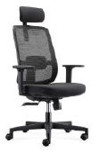 | 0.2 | 79 | $85.00 | 85.00 | 0.00% | 85.00 | 6,715.00 | 15.80 | 650.01 | 7,365.01 | 650.01 | 60.11 | 8,075.13 | 0% | 8,075.13 | 0.00% | 0.00 | 0.00% | 0.00 | 1,009.94 | 9,085.07 | 12,978.67 | 3,893.60 | 164.29 | 164.29 | 12,978.91 | 3,893.84 | 30.00% | 454.26 | 3,439.58 | 4,354,000
 |  |  |  | 79 |  |  |  |  | 6715 | 15.8 | 650.01 | 7,365.01 | 650.01 | 60.11 | 8,075.13 |  | 8,075.13 |  | 0.00 |  | 0 | 1,009.94 | 9,085.07 | 12978.67 | 3893.6 |  |  | 12978.91 | 3893.84 | 0.30001286703 | 454.26185 | 3439.57815
 | CROSS CHECK |  |  |  |  |  |  |  |  |  |  | 7,365.01 |  |  | 8,075.13 |  | 8,075.13 |  |  |  |  |  | 9,085.07 |  | 3,893.60 |  |  |  | 3,893.84 |  |  | 26.50%
 |  |  |  |  |  |  |  |  |  |  |  |  |  |  |  |  |  |  |  |  |  |  | 115.00 |  | 30.00%
 |  |  |  |  |  |  |  |  |  |  |  |  |  |  | 26,500 |  |  |  | 30.00%
 |  |  |  |  |  |  | Import tax | 0.00 |  |  |  |  |  |  | - |  | Ergo COST |  | 9,539.33
 |  |  |  |  |  |  | CBPG tax | 0.00 |  |  |  |  |  |  | - |  | Ergo G/P |  | 3,439.58
 |  |  |  |  |  |  | VAT tax | 807.513 |  |  |  |  |  |  | 21,399,095 |  | Ergo MARGIN |  | 26.5%
 |  |  |  |  |  |  |  |  |  |  |  |  |  |  | 21,399,095
 |  |  |  |  |  |  |  |  |  |  |  |  |  |  |  |  | Ergo TAX |  | 687.92 | 20%
 |  |  |  |  |  |  | Consultant fee |  |  |  |  |  |  |  | $- |  | NET G/P |  | 2,751.66
 |  |  |  |  |  |  | GP after Consultant fee |  |  |  |  |  |  |  | $3,439.58 |  | NET MARGIN |  | 21.2%
 |  |  |  |  |  |  | Margin |  |  |  |  |  |  |  | 26.50%

HAD
 | COSTING SHEET |  |  | HAULAGE + CO fee |  | FREIGHT |  |  |  |  |  |  |  |  |  | LOCAL |  |  |  |  | 25,000
 | PROJECT: ABC |  | 130% | LCL | 400.00 | LCL | 100.00 | 650.00 | 1950 |  |  |  |  |  |  | LCL | 1,410.00 | Local charge | 150 | 225 | 292.5
 |  |  |  | FLAT FEE | 0.00 | FLAT FEE | 0.00 |  |  |  |  |  |  |  |  | FLAT FEE | 0.00 | Clearance | 80
 | DATE: | 9-Oct-26 |  | RATE/CBM | 0.00 | RATE/CBM | 0.00 |  |  |  |  |  |  |  |  | RATE/CBM | 0.00 | Load / Install | 1000 | 22500000 | 900
 |  |  |  | TOTAL CBM | 7.00 | TOTAL CBM | 7.00 |  |  |  |  |  |  |  |  | TOTAL CBM | 7.00 | Deliver | 100
 | CURRENCY: | USD |  | TOTAL CHARGE | 400.00 | TOTAL CHARGE | 100.00 |  |  |  |  |  |  |  |  | TOTAL CHARGE | 1,410.00 | Warehouse | 50
 | EXCHANGE RATE: | 1.00 |  | COST/CBM | 57.14 | COST/CBM | 14.29 |  |  |  |  |  |  |  |  | COST/CBM | 201.43 | Prelim | 30
 |  |  |  |  |  |  |  | RATE ON CNF |  |  |  |  |  |  |  |  |  |  | DRIVEN MARGIN
 | SUPPLIER: | HUMANSCALE |  |  |  |  |  | 0.75% |  |  |  |  |  |  |  |  |  |  | 25%
 | DELIVERY TERMS OF PURCHASES | EXW china
 | DELIVERY TERMS OF SALES | D2D HCM / HN |  |  |  |  |  | 40,258,800 |  |  |  |  |  |  | 50,323,500 | 60,388,200 |  |  |  |  |  |  |  | DRIVEN MARGIN METHOD |  |  | DRIVEN MARKET METHOD |  |  |  | CAF
 | DESCRIPTION | IMAGE | DIM (CBM) | QTY | FOB UNIT COST | CONVERTED UNIT COST (USD) | % discounted | DISCOUNTED FOB | TTL FOB | TTL DIM (CBM) | HAULAGE FEE | TTL FOB | TTL FREIGHT | INS | CIF | % Partner'S MARIN | CIF TO Ergo | IMPORT DUTY RATE | IMPORT DUTY | CBPG RATE | CBPG DUTY | CLEARANCE & DELIVERY | TO WHS COST | SALES PRICE | TOTAL G/P | D2D UNIT PRICE | D2D UNIT PRICE | SALES PRICE | TOTAL G/P | ALTERNATIVE MARGIN | 5% | NET GP
 |  |  |  |  |  |  |  |  |  |  |  |  |  |  |  |  |  |  |  |  |  |  |  |  |  |  |  |  |  |  |  |  | 26,500 | TABLE TOP | CABLE TRAY | CABLE SNAKE | PANEL | OTE | SUM
1 | ISOR42186EF (Cluster of 2) H-Frame with eFloat Go 2.0 Frame: White Shared lower cable tray Clamp for panel Accommodates worksurfaces 1220 - 1830mm Simple installation Digital programmable handset with USD charging | 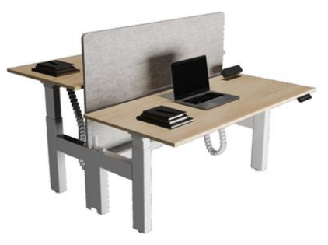 | 0.2 | 35 | $1,899.00 | 1,899.00 | 60.00% | 759.60 | 26,586.00 | 7.00 | 399.98 | 26,985.98 | 100.03 | 203.15 | 27,289.16 | 0% | 27,289.16 | 0.00% | 0.00 | 0.00% | 0.00 | 1,410.01 | 28,699.17 | 38,265.56 | 9,566.39 | 1,093.30 | 1,093.30 | 38,265.50 | 9,566.33 | 25.00% | 1,339.29 | 8,227.04 | 28,972,000 | 3,282,000.00 | 1,642,000.00 | 508,000.00 | 1,010,000.00 | #REF! | #REF! | #REF!
 |  |  |  | 35 |  |  |  |  | 26586 | 7 | 399.98 | 26,985.98 | 100.03 | 203.15 | 27,289.16 |  | 27,289.16 |  | 0.00 |  | 0 | 1,410.01 | 28,699.17 | 38265.56 | 9566.39 |  |  | 38265.5 | 9566.33 | 0.24999882401 | 1339.2925 | 8227.0375
 | CROSS CHECK |  |  |  |  |  |  |  |  |  |  | 26,985.98 |  |  | 27,289.16 |  | 27,289.16 |  |  |  |  |  | 28,699.17 |  | 9,566.39 |  |  |  | 9,566.33 |  |  | 21.50%
 |  |  |  |  |  |  |  |  |  |  |  |  |  |  |  |  |  |  |  |  |  |  | 819.98 |  | 25.00%
 |  |  |  |  |  |  |  |  |  |  |  |  |  |  | 26,500 |  |  |  | 25.00%
 |  |  |  |  |  |  | Import tax | 0.00 |  |  |  |  |  |  | - |  | Ergo COST |  | 30,038.46
 |  |  |  |  |  |  | CBPG tax | 0.00 |  |  |  |  |  |  | - |  | Ergo G/P |  | 8,227.04
 |  |  |  |  |  |  | VAT tax | 2728.916 |  |  |  |  |  |  | 72,316,274 |  | Ergo MARGIN |  | 21.5%
 |  |  |  |  |  |  |  |  |  |  |  |  |  |  | 72,316,274
 |  |  |  |  |  |  |  |  |  |  |  |  |  |  |  |  | Ergo TAX |  | 1645.41 | 20%
 |  |  |  |  |  |  | Consultant fee |  |  |  |  |  |  |  | $- |  | NET G/P |  | 6,581.63
 |  |  |  |  |  |  | GP after Consultant fee |  |  |  |  |  |  |  | $8,227.04 |  | NET MARGIN |  | 17.2%
 |  |  |  |  |  |  | Margin |  |  |  |  |  |  |  | 21.50%

Cable Snake
 | COSTING SHEET |  |  | HAULAGE + CO fee |  | FREIGHT |  |  |  |  |  |  |  |  |  | LOCAL |  |  |  |  | 25,000
 | PROJECT: MARVELL |  |  | LCL | 300.00 | LCL | 50.00 | 450.00 | 1950 |  |  |  |  |  |  | LCL | 320.00 | Local charge | 100 | 75
 |  |  |  | FLAT FEE | 0.00 | FLAT FEE | 0.00 |  |  |  |  |  |  |  |  | FLAT FEE | 0.00 | Clearance | 100
 | DATE: | 9-Oct-26 |  | RATE/CBM | 0.00 | RATE/CBM | 0.00 |  |  |  |  |  |  |  |  | RATE/CBM | 0.00 | Load / Install
 |  |  |  | TOTAL CBM | 0.90 | TOTAL CBM | 0.90 |  |  |  |  |  |  |  |  | TOTAL CBM | 0.90 | Deliver | 70
 | CURRENCY: | USD |  | TOTAL CHARGE | 300.00 | TOTAL CHARGE | 50.00 |  |  |  |  |  |  |  |  | TOTAL CHARGE | 320.00 | Warehouse | 30
 | EXCHANGE RATE: | 1.00 |  | COST/CBM | 333.33 | COST/CBM | 55.56 |  |  |  |  |  |  |  |  | COST/CBM | 355.56 | Prelim | 20
 |  |  |  |  |  |  |  | RATE ON CNF |  |  |  |  |  |  |  |  |  |  | DRIVEN MARGIN
 | SUPPLIER: | LUMI |  |  |  |  |  | 0.75% |  |  |  |  |  |  |  |  |  |  | 20%
 | DELIVERY TERMS OF PURCHASES | EXW china
 | DELIVERY TERMS OF SALES | D2D HCM / HN |  |  |  |  |  | 228,800 |  |  |  |  |  |  | 286,000 | 343,200 |  |  |  |  |  |  |  | DRIVEN MARGIN METHOD |  |  | DRIVEN MARKET METHOD |  |  |  | CAF
 | DESCRIPTION | IMAGE | DIM (CBM) | QTY | FOB UNIT COST | CONVERTED UNIT COST (USD) | % discounted | DISCOUNTED FOB | TTL FOB | TTL DIM (CBM) | HAULAGE FEE | TTL FOB | TTL FREIGHT | INS | CIF | % Partner'S MARIN | CIF TO Ergo | IMPORT DUTY RATE | IMPORT DUTY | CBPG RATE | CBPG DUTY | CLEARANCE & DELIVERY | TO WHS COST | SALES PRICE | TOTAL G/P | D2D UNIT PRICE | D2D UNIT PRICE | SALES PRICE | TOTAL G/P | ALTERNATIVE MARGIN | 5% | NET GP
 |  |  |  |  |  |  |  |  |  |  |  |  |  |  |  |  |  |  |  |  |  |  |  |  |  |  |  |  |  |  |  |  | 26,000
1 | CC10-15 Cost-Effective Screw-Mounted Cable Management Spine Material: ABS,Steel Surface Finish: Powder Coating Dimensions: 99.4x99.4x1297mm (3.9"x3.9"x51.1") Joints: 35 Installation: Screw Fixation Color: White,Black,Silver | 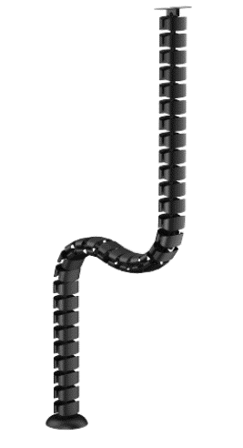 | 0.0045038888889 | 200 | $4.40 | 4.40 | 0.00% | 4.40 | 880.00 | 0.90 | 300.00 | 1,180.00 | 50.00 | 9.23 | 1,239.23 | 0% | 1,239.23 | 0.00% | 0.00 | 0.00% | 0.00 | 320.00 | 1,559.23 | 1,949.04 | 389.81 | 9.75 | 9.75 | 1,950.00 | 390.77 | 20.04% | 68.25 | 322.52 | 254,000
 |  |  |  | 200 |  |  |  |  | 880 | 0.9 | 300 | 1,180.00 | 50 | 9.23 | 1,239.23 |  | 1,239.23 |  | 0.00 |  | 0 | 320.00 | 1,559.23 | 1949.04 | 389.81 |  |  | 1950 | 390.77 | 0.20039487179 | 68.25 | 322.52
 | CROSS CHECK |  |  |  |  |  |  |  |  |  |  | 1,180.00 |  |  | 1,239.23 |  | 1,239.23 |  |  |  |  |  | 1,559.23 |  | 389.81 |  |  |  | 390.77 |  |  | 16.54%
 |  |  |  |  |  |  |  |  |  |  |  |  |  |  |  |  |  |  |  |  |  |  | 7.80 |  | 20.00%
 | https://www.lumi.cn/en/lumi-ergo/office-accessories/cable-management/cc10-15 |  |  | 0.08107 | 0.0045038888889 |  |  |  |  |  |  |  |  |  | 26,000 |  |  |  | 20.04%
 |  |  |  |  |  |  | Import tax | 0.00 |  |  |  |  |  |  | - |  | Ergo COST |  | 1,627.48
 |  |  |  |  |  |  | CBPG tax | 0.00 |  |  |  |  |  |  | - |  | Ergo G/P |  | 322.52
 |  |  |  |  |  |  | VAT tax | 123.923 |  |  |  |  |  |  | 3,221,998 |  | Ergo MARGIN |  | 16.5%
 |  |  |  |  |  |  |  |  |  |  |  |  |  |  | 3,221,998
 |  |  |  |  |  |  |  |  |  |  |  |  |  |  |  |  | Ergo TAX |  | 64.5 | 20%
 |  |  |  |  |  |  | Consultant fee |  |  |  |  |  |  |  | $- |  | NET G/P |  | 258.02
 |  |  |  |  |  |  | GP after Consultant fee |  |  |  |  |  |  |  | $322.52 |  | NET MARGIN |  | 13.2%
 |  |  |  |  |  |  | Margin |  |  |  |  |  |  |  | 16.54%

