Cluster architecture
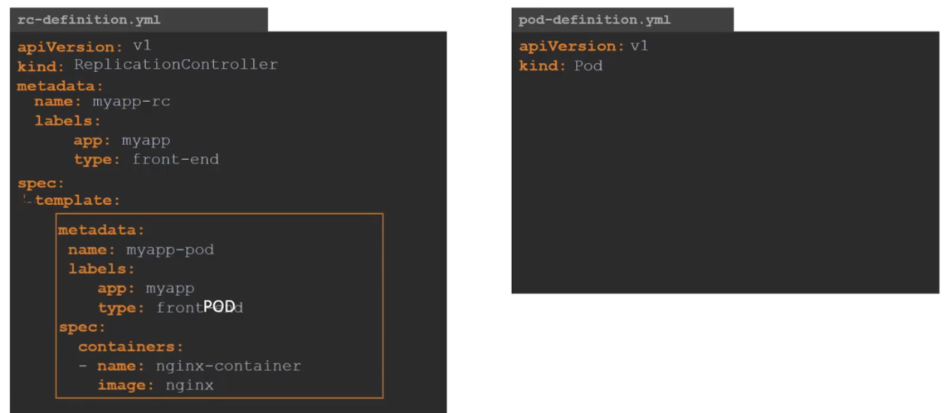
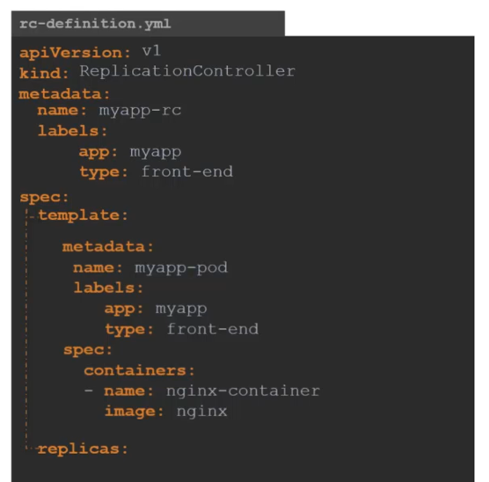
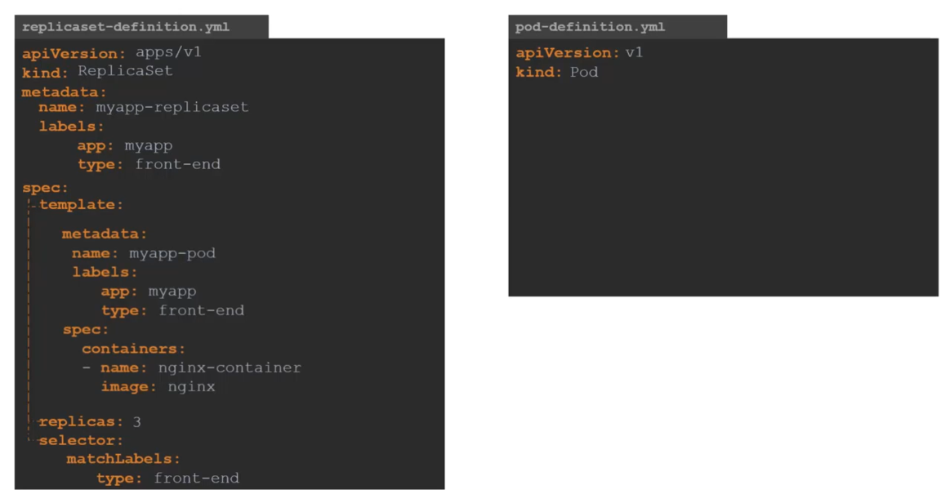
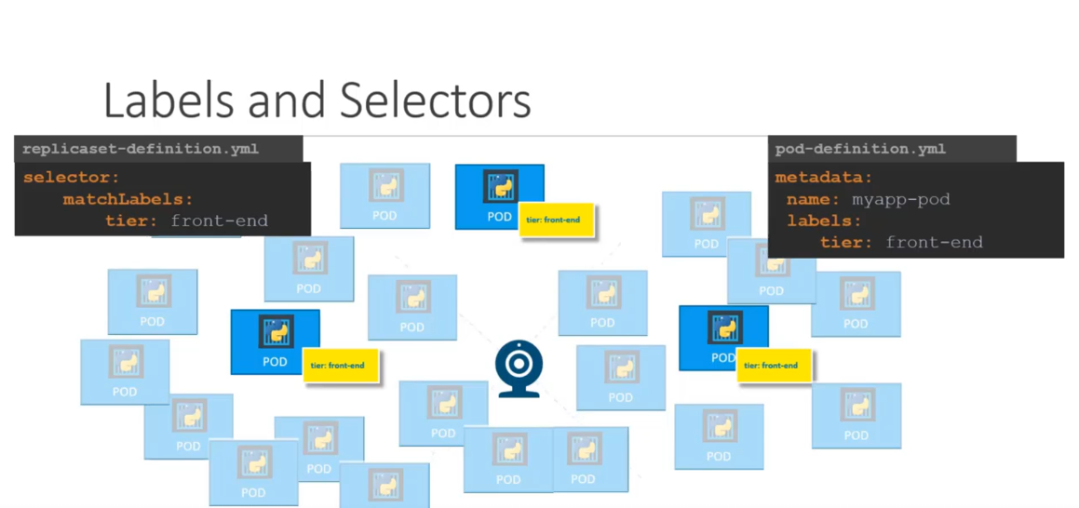
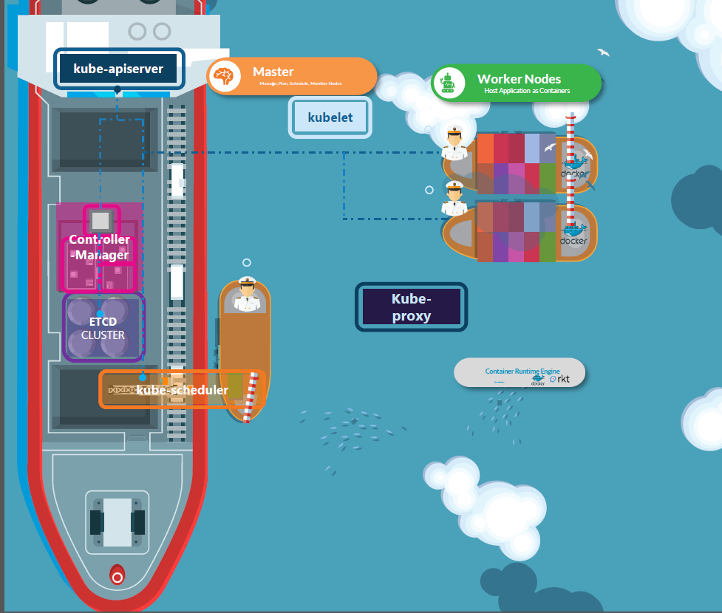
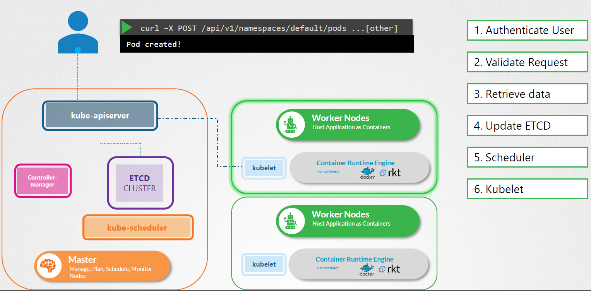
The purpose of Kubernestes is host application as container + Easy to deploy and scale up/ down
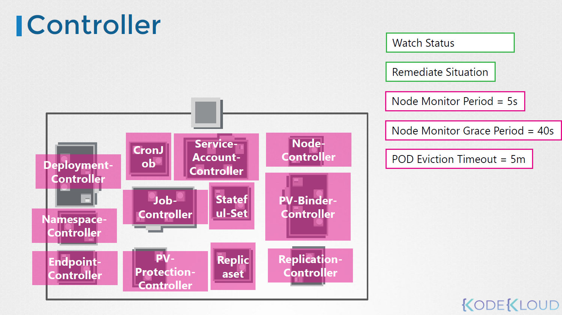
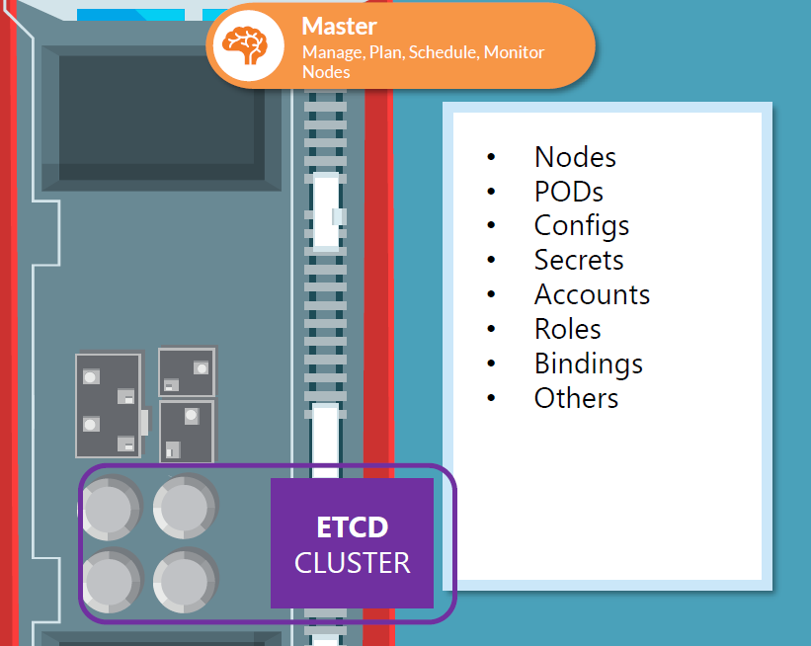
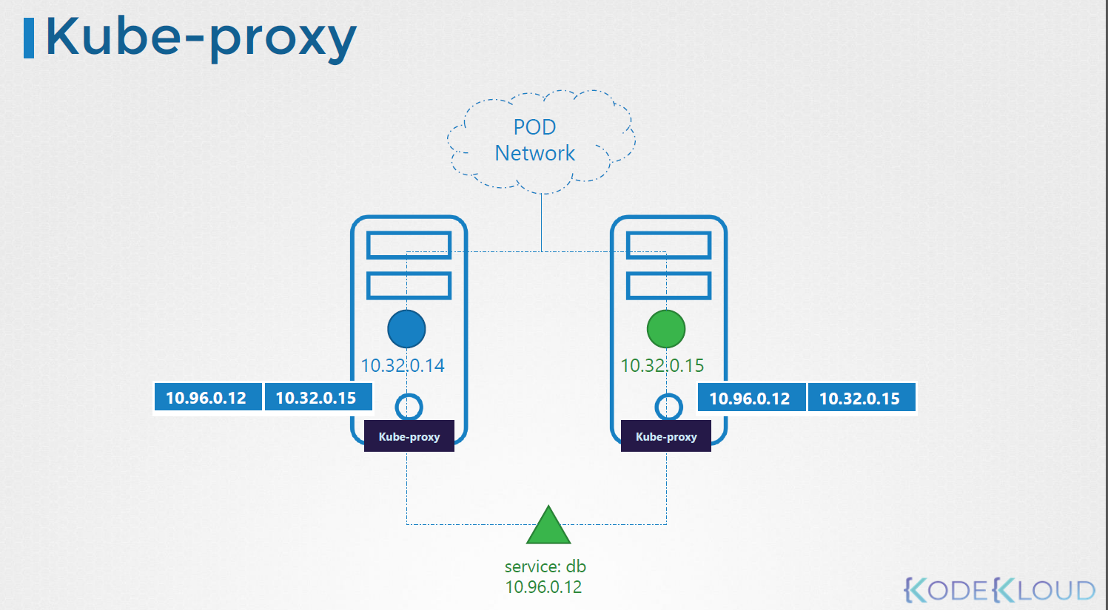
Master-Node |  |  |  |  |  |  | Monitor, manage, communication
 | Kube-API Server
 |  | Communication between component |  |  |  |  | kubectl → API Server → Kubelet → CRI → Container Runtime (Containerd or CRI-O) → Container
 | Control-Manager
 |  | node, replica,
 | Etcd Cluster - Database |  |  | Save info ship, value |  |  | 2379
 |  | Plan
 | Kube-Scheduler |  |  |  |  |  | crane: with pod go to with node

Worker-Node |  |  |  |  |  |  | host application as container
 | Kubelet
 |  | manager ship, captain of ship , agent |  |  |  |  | Listen to the instruction of KUBE-APISERVER, deploy and destroy container on the node as required
 | Kube-Proxy
 |  | communication with other node through sevice |  |  |  |  | IP table of service -> IP in NODE network
 | CRI (container runtime interface) not suppor docker
 |  | software run container
 | Pop

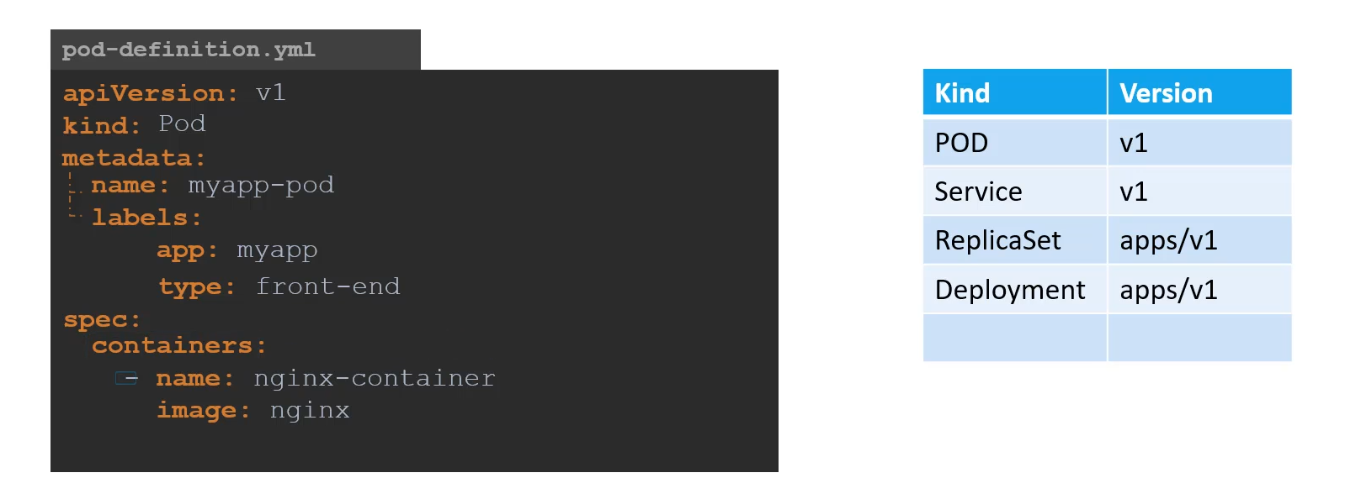
YAML
 | apiVersion: |  |  | string
 | kind: |  |  | string
 | metadata: |  |  | dictionary
 |  | name: |  | string
 |  | labels: |  | dictionary
 | spec:
 |  | containers: |  | list/array

tar xvf file.tar
Command
kubectl get pods
kubectl get nodes
kubectl edit pod redis
kubectl describe pod redis
kubectl delete pod redis
kubectl apply -f mypod.yaml |  |  |  |  | kubectl run nginx --image=nginx
kubectl get pods -n kube-system

cat /etc/kubernetes/manifests/kube-apiserver.yaml
cat /etc/kubernetes/manifests/kube-scheduler.yaml

Running container in POD / total container in POD

 |  |  |  |  |  | --dry-run=client -o yaml >my-pod.yaml

Replica set |  |  | loadbalancing and scale
 |  |  | 1 Node 1 Pod |  |  | 1 Node 2 Pods |  | 2 Node 3 Pods
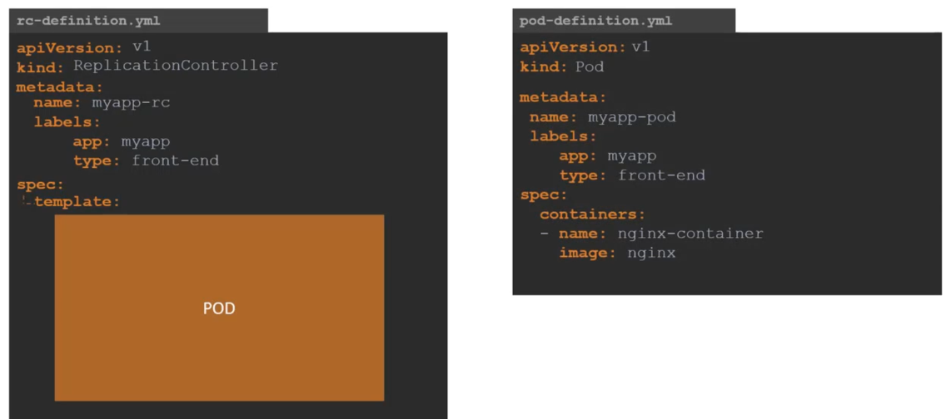
apiVersion: apps/v1
kind: ReplicaSet
metadata:

