Sheet1
No. | Page Name | Page URI | Static HTML | Status | HTML Demo |  | Số thứ tự | Người làm | Thời gian của task 1h = 5.5 usd ( tháng 1: 72h, 80h tháng 2)tổng thời gian là 152h = 19228000 tr
1 | Home (Guest) | / |  | HTML | https://newligion.com/index.html |  | 4 | Sử
2 | Sign In | /sign-in |  | HTML, API | MODAL |  | 2 | Phuong | 8
3 | Forgot Password | /forgot-password |  | HTML, API | MODAL |  | 2 | Phuong | 4
4 | Forgot Password::Change new Password | /forgot-password/change |  | HTML, API | MODAL |  | 2 | Phuong | 4 |  | đã làm
5 | Forgot Password::Verify Code | /forgot-password/verify |  | HTML, API | MODAL |  | 2 | Phuong |  |  | chưa có thông tin
6 | Sign Up | /sign-up |  | HTML, API | MODAL |  | 2 | Phuong | 6 |  | hiển thị static
7 | Sign Up::Verify | /sign-up/verify |  | HTML, API | MODAL |  | 2 | Phuong | 6 |  | chưa làm
8 | Sign Up::Complete Profile | /sign-up/complete-profile |  | HTML, API | https://newligion.com/personal_profile.html |  | 2 | Phuong | 8 |  | phần quan trọng
9 | About Us | /about-us | 〇 | HTML |  | Hiển thị static | 1 | Phuong | 1
10 | Terms of Services | /terms | 〇 | HTML |  |  | 1 | Phuong | 1 | Phase 1( 1 tháng ): HTML với thực hiện hành đông cơ bản của trang
11 | Privacy | /privacy | 〇 | HTML |  |  | 1 | Phuong | 1 | Phase 1.1( 1 tháng): Thực hiện các chức năng, flow yêu cầu và xử lý data từ API
12 | Program Policies | /program-policies | 〇 | HTML |  |  | 1 | Phuong | 1
13 | User Agreement | /user-agreement | 〇 | HTML |  |  | 1 | Phuong | 1
14 | Directory | /directory |  | HTML, API |  |  | ? | Phuong
15 | Message | /messages |  | HTML, API |  |  | ? | Phuong
16 | Profile | /profile |  | HTML, API |  |  | 3 | Phuong
17 | Create an NRM profile | /create-religion |  | HTML, API | step1: https://newligion.com/please-read |  | 8 | Phuong | 4
 |  |  |  |  | step2: https://newligion.com/basic-profile |  | 8 | Phuong | 4
 |  |  |  |  | step3: https://newligion.com/congratulations |  | 8 | Phuong | 4
18 | Writing | /writing |  | HTML, API | https://newligion.com/writings |  | 6 | Sử
19 | Lounge (Home for Member) | /lounge |  | HTML, API | https://newligion.com/lounge |  | 5 | Phuong
20 | NRM Detail | /religion/{id} |  | HTML, API |  |  | 8 | Phuong
21 | Member (Profile) Detail | /member/{id} |  | HTML, API |  |  | 3 | Sử
22 | Book Detail | /book/{id} |  | HTML, API |  |  | 7 | Sử
23 | Set Membership | /set-membership |  | HTML, API | https://newligion.com/create-default |  | ? | Phuong
 |  |  |  |  |  |  |  |  | 53

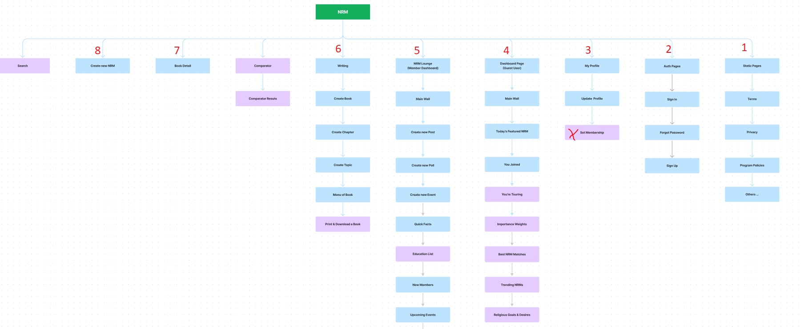
 |  |  |  |  |  |  |  |  |  |  | Link : https://www.figma.com/file/u5Yk2YgrPb71oLyxqBNm1I/NRM?node-id=0%3A1

 |  |  |  |  |  |  |  |  |  | Note: xong 1,2,3, 8

SignIn
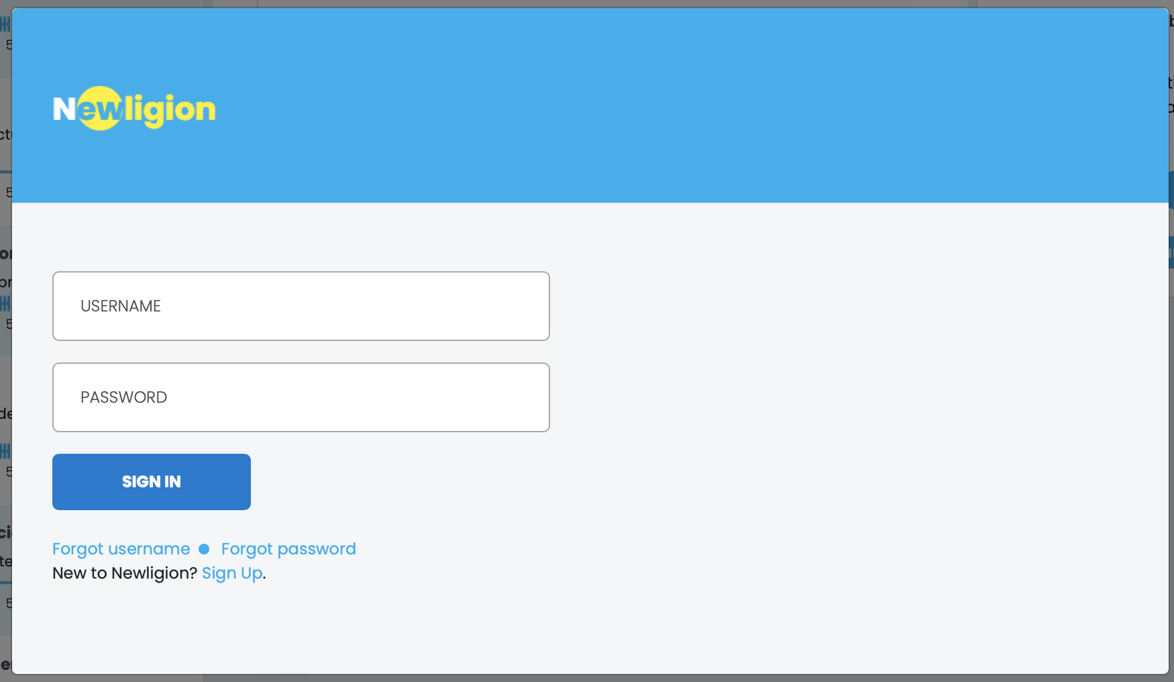

This modal open from Footer > Join / SignIn

API Usage | signIn
username
After login, redirect to /lounge page
password

SignUp
 |  | SignUp Flow | Step1: Enter email
 |  |  | Step2: Enter username & password
 |  |  | Step3: Verification & auto SignIn
 |  |  | Step4: Update more profile info
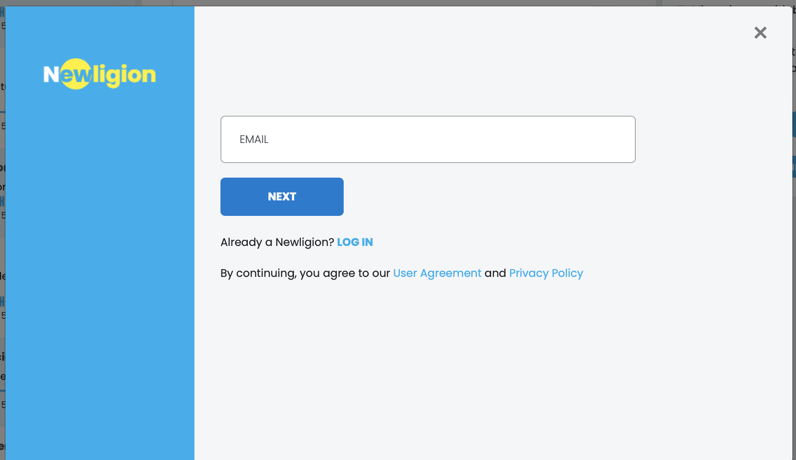
email

 |  |  | Step1: Enter email

 |  |  |  | API Usage signUpValidateEmail | signUpValidateEmail
 |  |  |  | After submit OK, next to Step2 modal

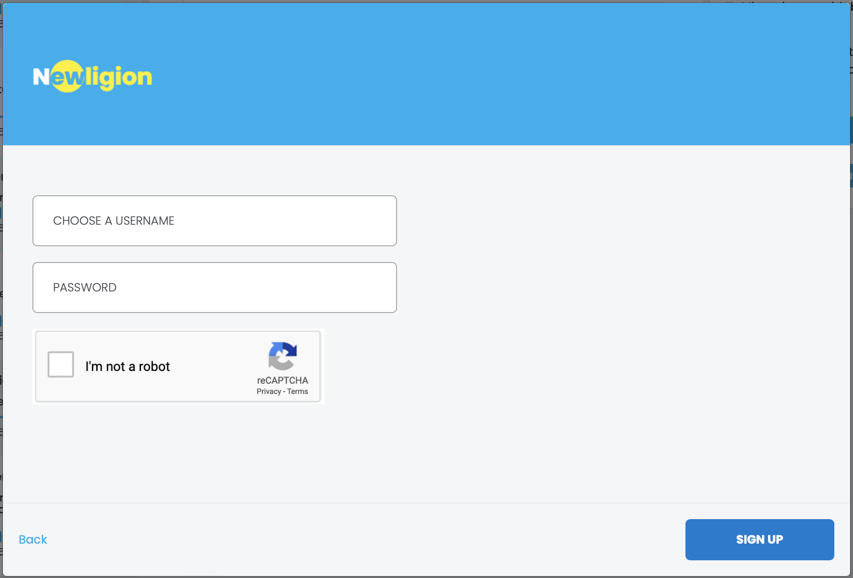

 |  |  | Step2: Enter username, password

 |  |  |  | API Usage signUp
 |  |  |  | After submit OK, next to Step3 modal
username

password

 |  |  | Step3: Verification

Verification code |  |  |  | API Usage signUpConfirm
 |  |  |  | After submit OK, auto signIn and redirect to /personal-profile page

 | Confirm

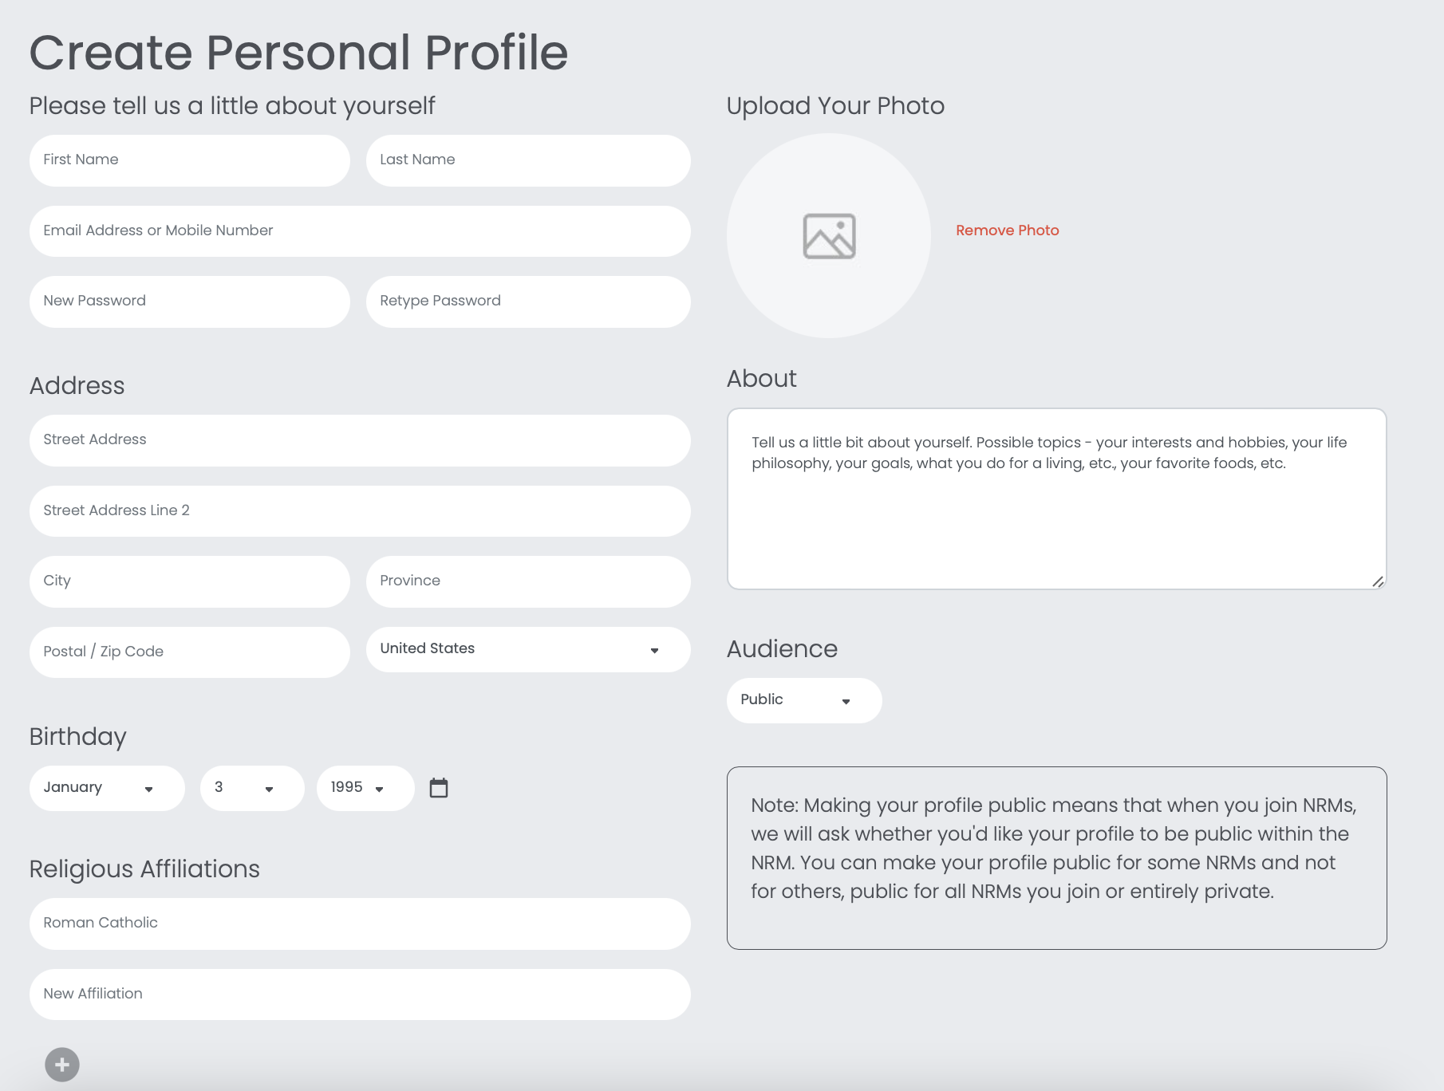

 |  |  |  |  |  | Step4: Update more profile info

phone
do later
 |  |  |  |  |  |  | API Usage updateAccount
 |  |  |  |  |  |  | After submit OK, auto signIn and redirect to /account/complete-profile

remove password fileds

please add save button here

