Spot 0
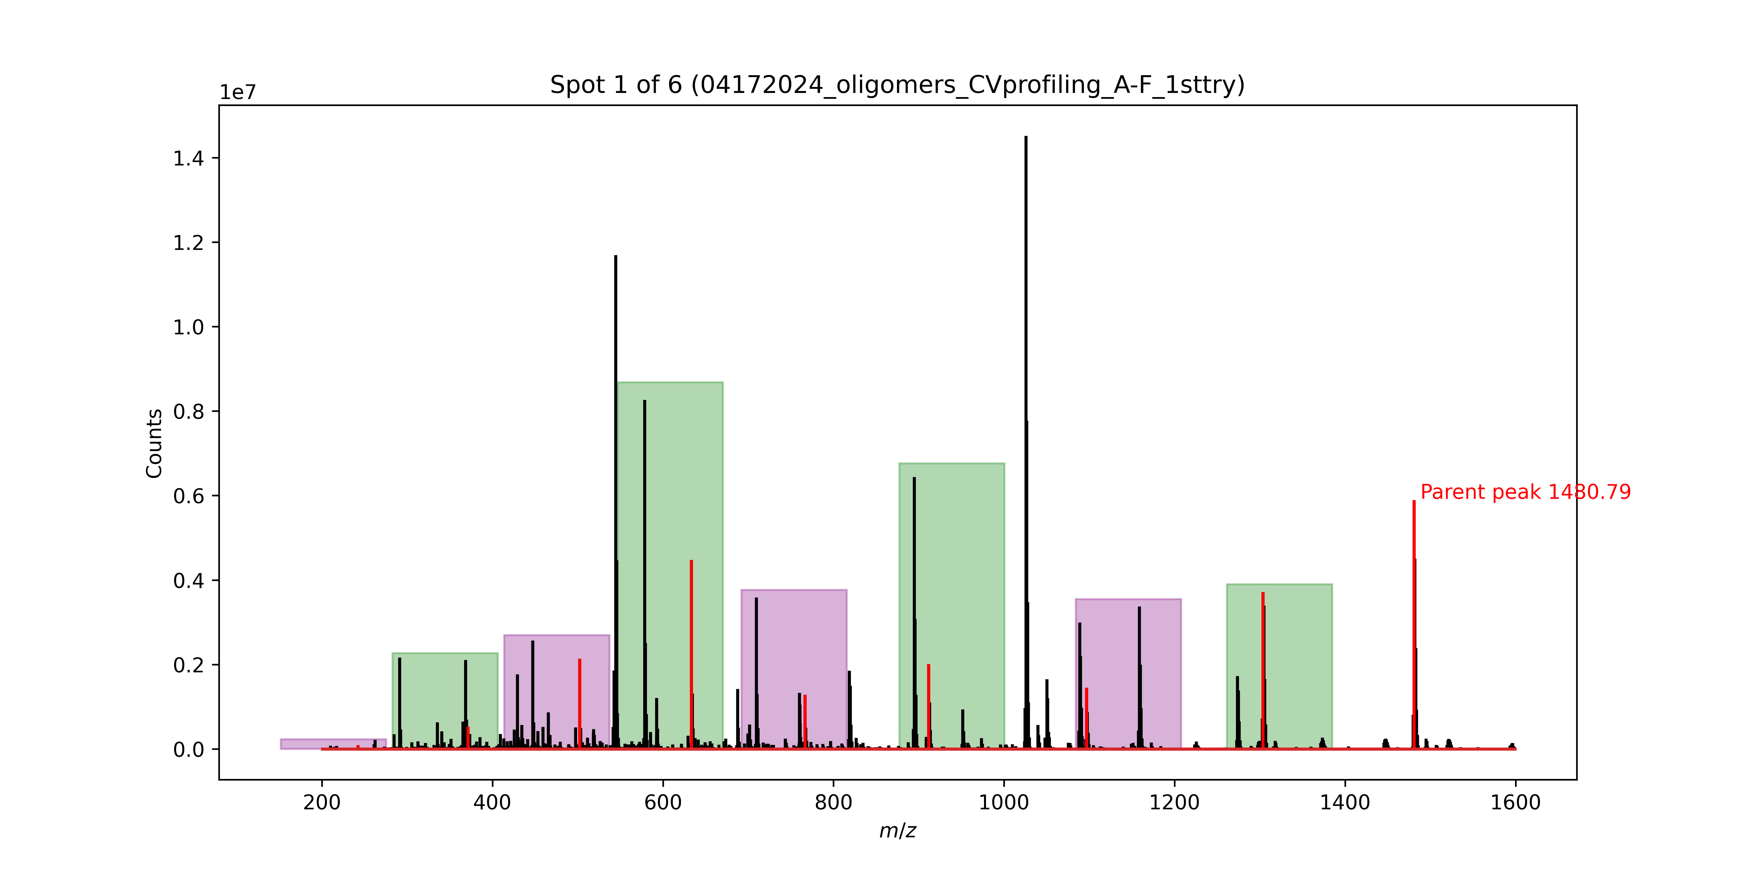
Signal No. | M/Z | Monomer lost
0 | 1480.79 | Phe
1 | 1303.71 | TyrOMe
2 | 1096.62 | D2Cha
3 | 911.48 | D2Leu
4 | 766.38 | D2Ser
5 | 633.31 | Ser
6 | 502.25 | Ser
7 | 371.19 | D2Allyl

Spot 1
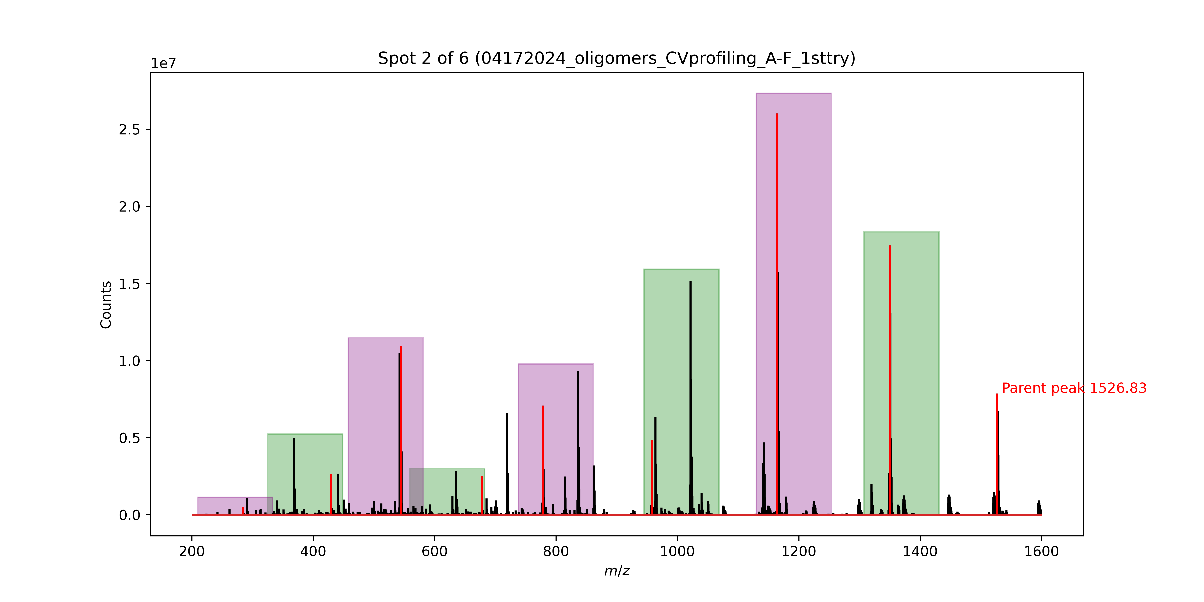
Signal No. | M/Z | Monomer lost
0 | 1526.83 | Phe
1 | 1349.75 | D2Cha
2 | 1164.61 | TyrOMe
3 | 957.52 | D2Phe
4 | 778.43 | Ala
5 | 677.38 | D2Ser
6 | 544.49 | Abu
7 | 429.19 | D2Leu

Spot 2
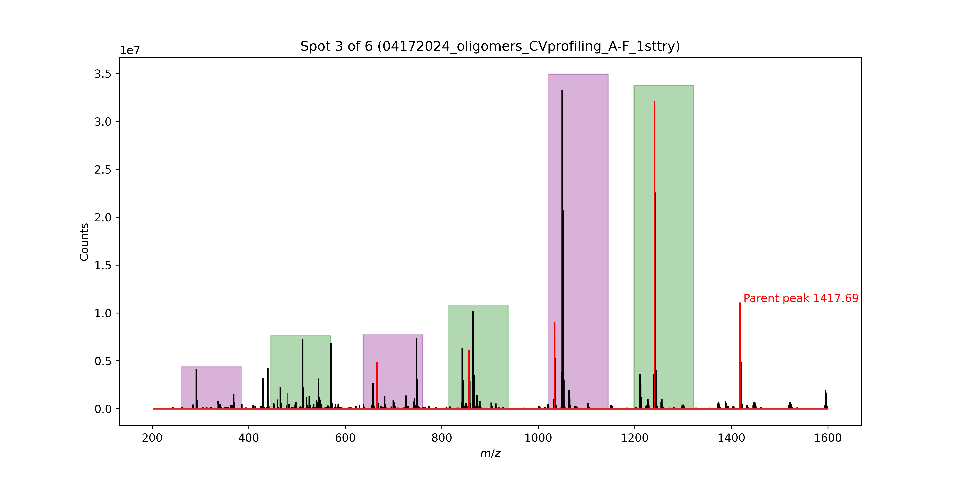
Signal No. | M/Z | Monomer lost
0 | 1417.69 | Phe
1 | 1240.61 | TyrOMe
2 | 1033.52 | Phe
3 | 856.44 | HoPhe
4 | 665.35 | D2Cha
5 | 480.21 | D2Leu

Spot 3
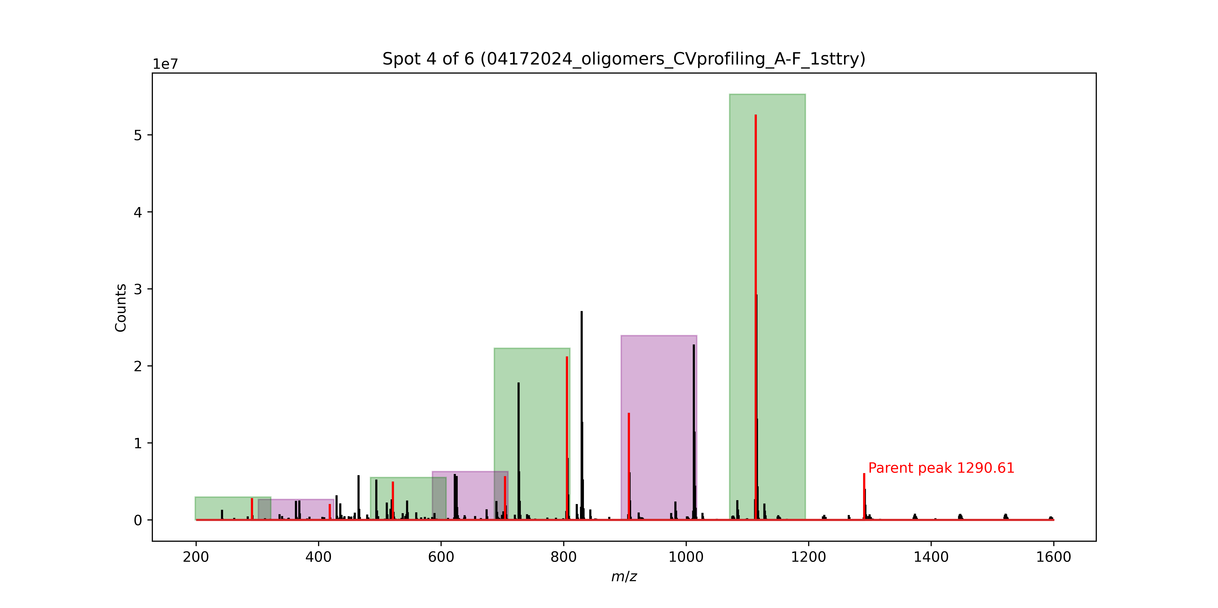
Signal No. | M/Z | Monomer lost
0 | 1290.61 | Phe
1 | 1113.53 | TyrOMe
2 | 906.44 | Ala
3 | 805.39 | Ala
4 | 704.34 | Cha
5 | 521.22 | D2Ala
6 | 418.16 | Gly(allyl)

Spot 4
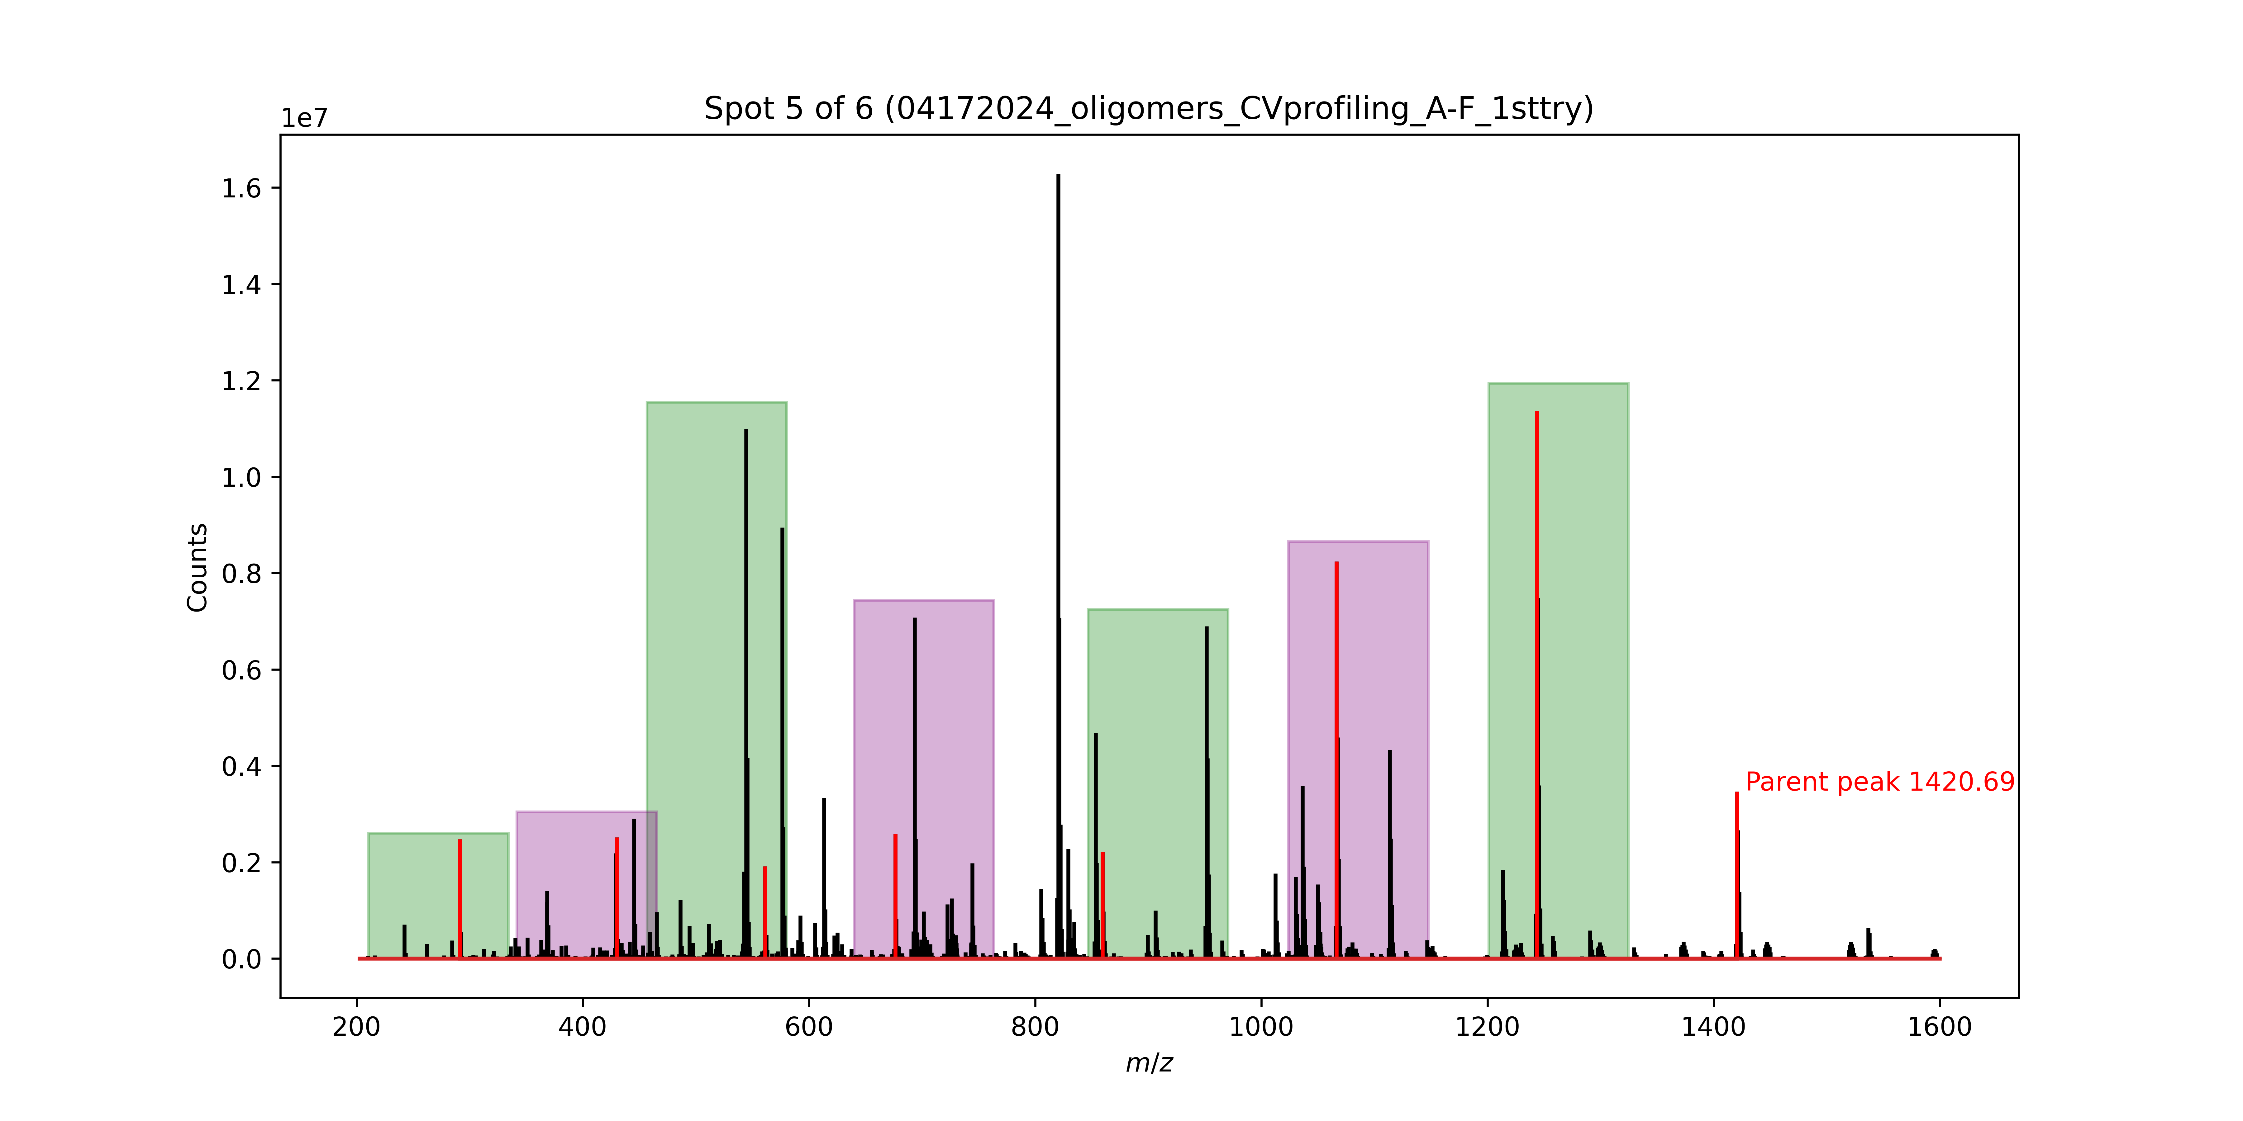
Signal No. | M/Z | Monomer lost
0 | 1420.69 | Phe
1 | 1243.61 | Phe
2 | 1066.53 | TyrOMe
3 | 859.44 | Cha
4 | 676.31 | Abu
5 | 561.25 | Ser
6 | 430.19 | Leu

Spot 5
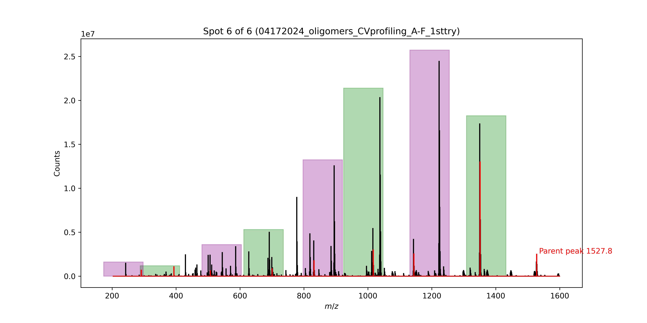
Signal No. | M/Z | Monomer lost
0 | 1527.8 | Phe
1 | 1350.72 | TyrOMe
2 | 1143.63 | Gly(allyl)
3 | 1016.57 | D2Cha
4 | 831.43 | Ser
5 | 700.37 | D2HoPhe
6 | 507.26 | Abu
7 | 393.14 | Ser
8 | 262.084 | Tyr(OMe)(endcap)

