Spot 0
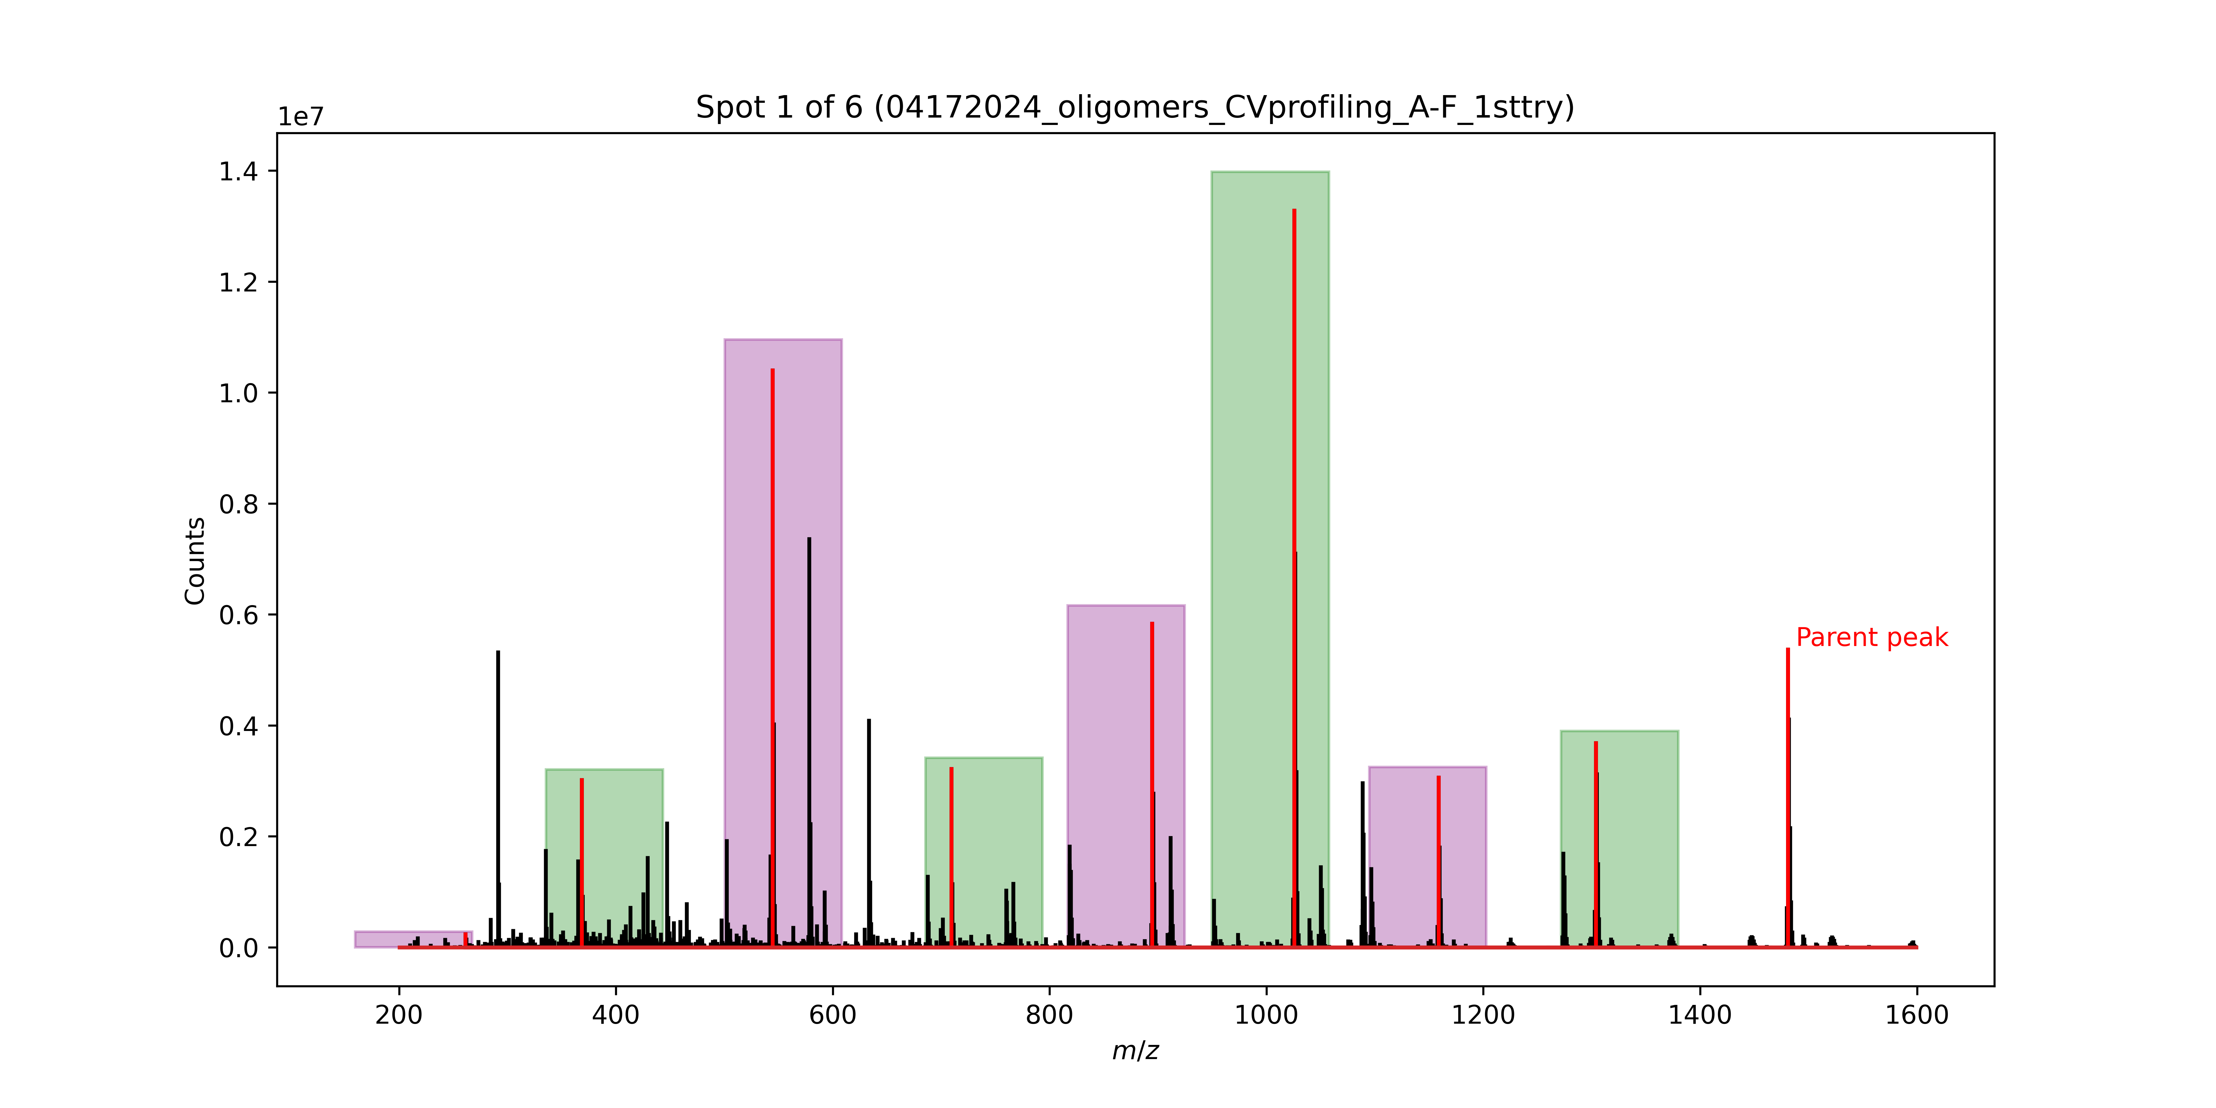
Signal No. | M/Z | Monomer lost
0 | 1480.79 | Phe
1 | 1303.71 | D2Leu
2 | 1158.61 | D2Ser
3 | 1025.54 | Ser
4 | 894.48 | D2Cha
5 | 709.34 | Phe
6 | 544.49 | Phe
7 | 368.43 | D2Ala

 |  |  |  |  |  | parent = 1480
 |  |  | I need to look into how the. Sequencing is done, but I believe it is looking at some window range based on the largest and small possible monomer. Then, within that range, it selects the largest signal.

 |  |  |  |  | okay one sec

 |  |  |  | yes that is how it should be working. I need to check the files from the instrument to see if they match this output

Spot 1
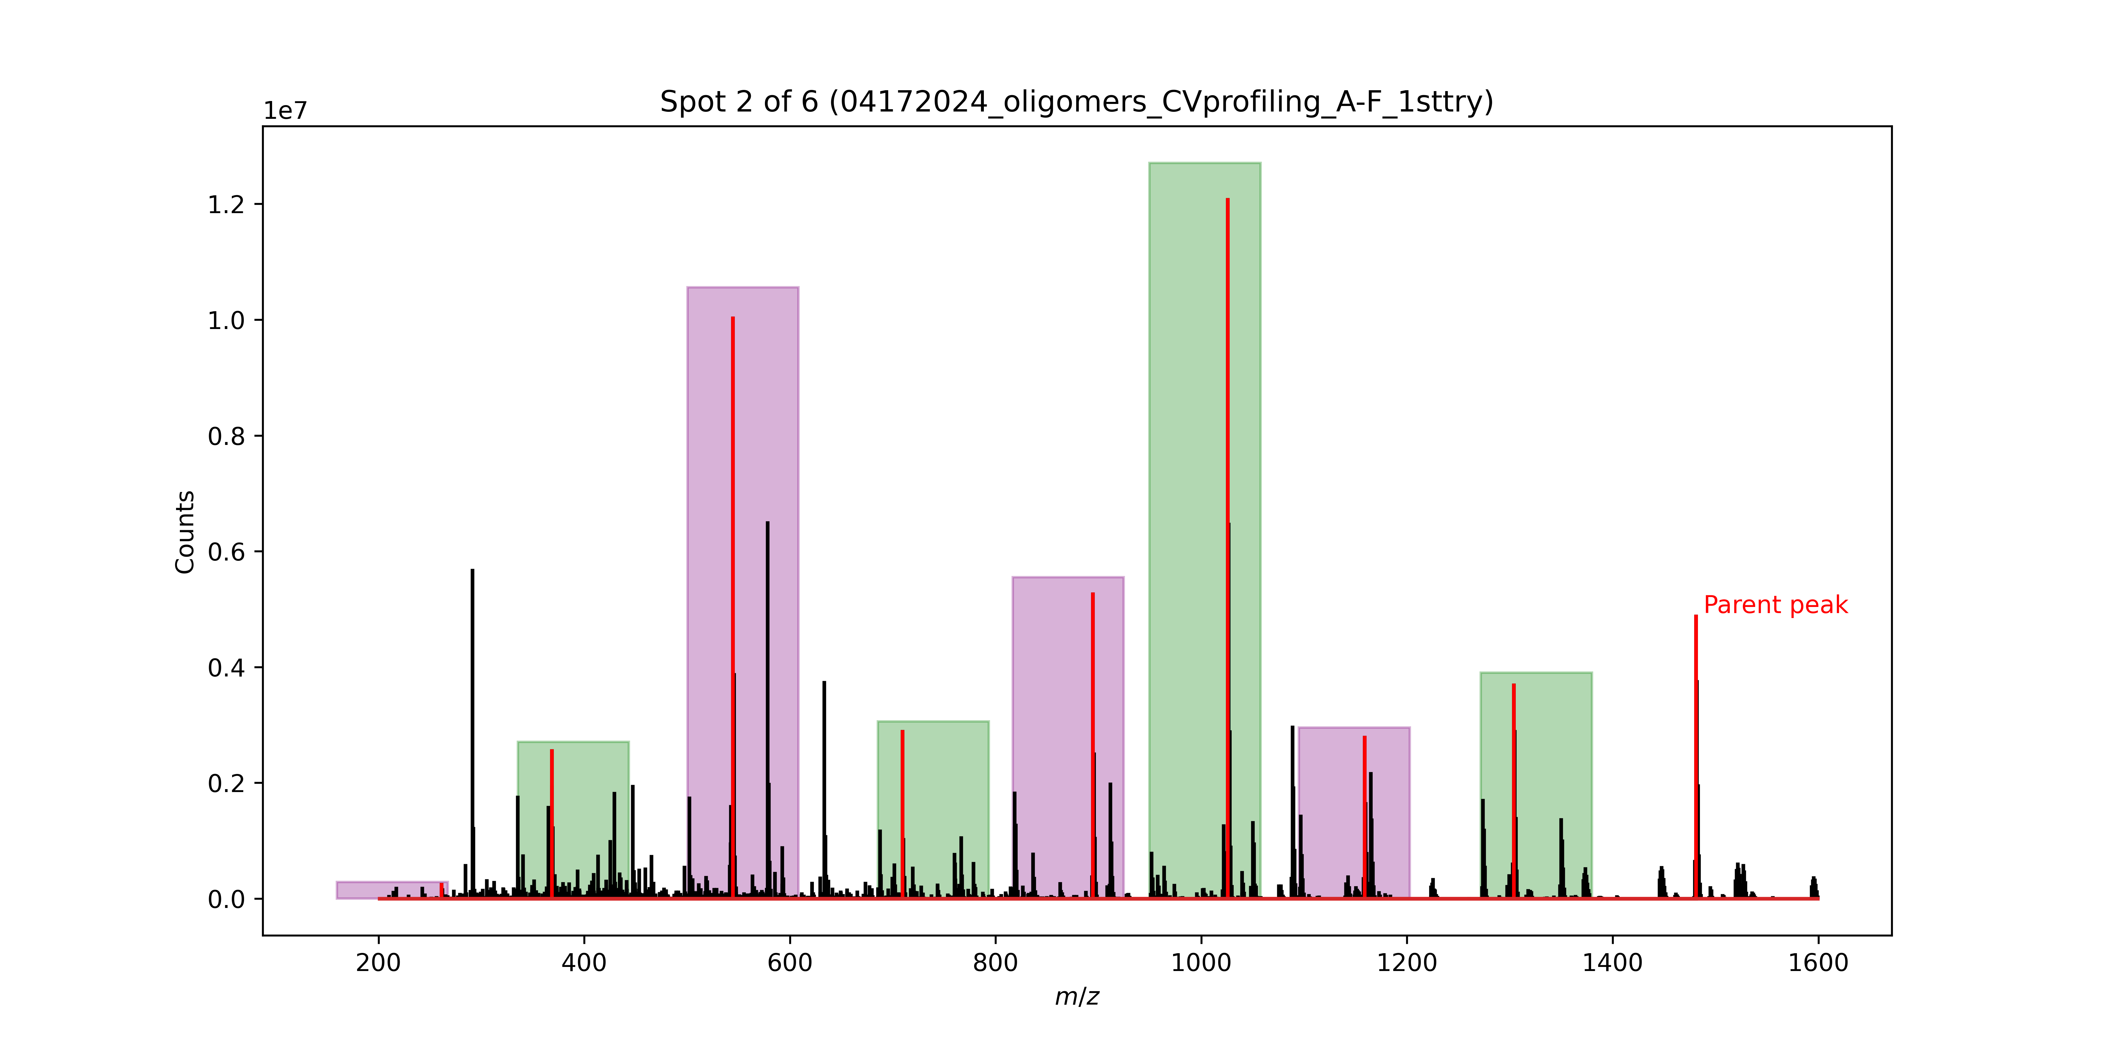
Signal No. | M/Z | Monomer lost
0 | 1480.79 | Phe
1 | 1303.71 | D2Leu
2 | 1158.61 | D2Ser
3 | 1025.54 | Ser
4 | 894.48 | D2Cha
5 | 709.34 | Phe
6 | 544.49 | Phe
7 | 368.43 | D2Ala

 |  |  | parent = 1526

Spot 2
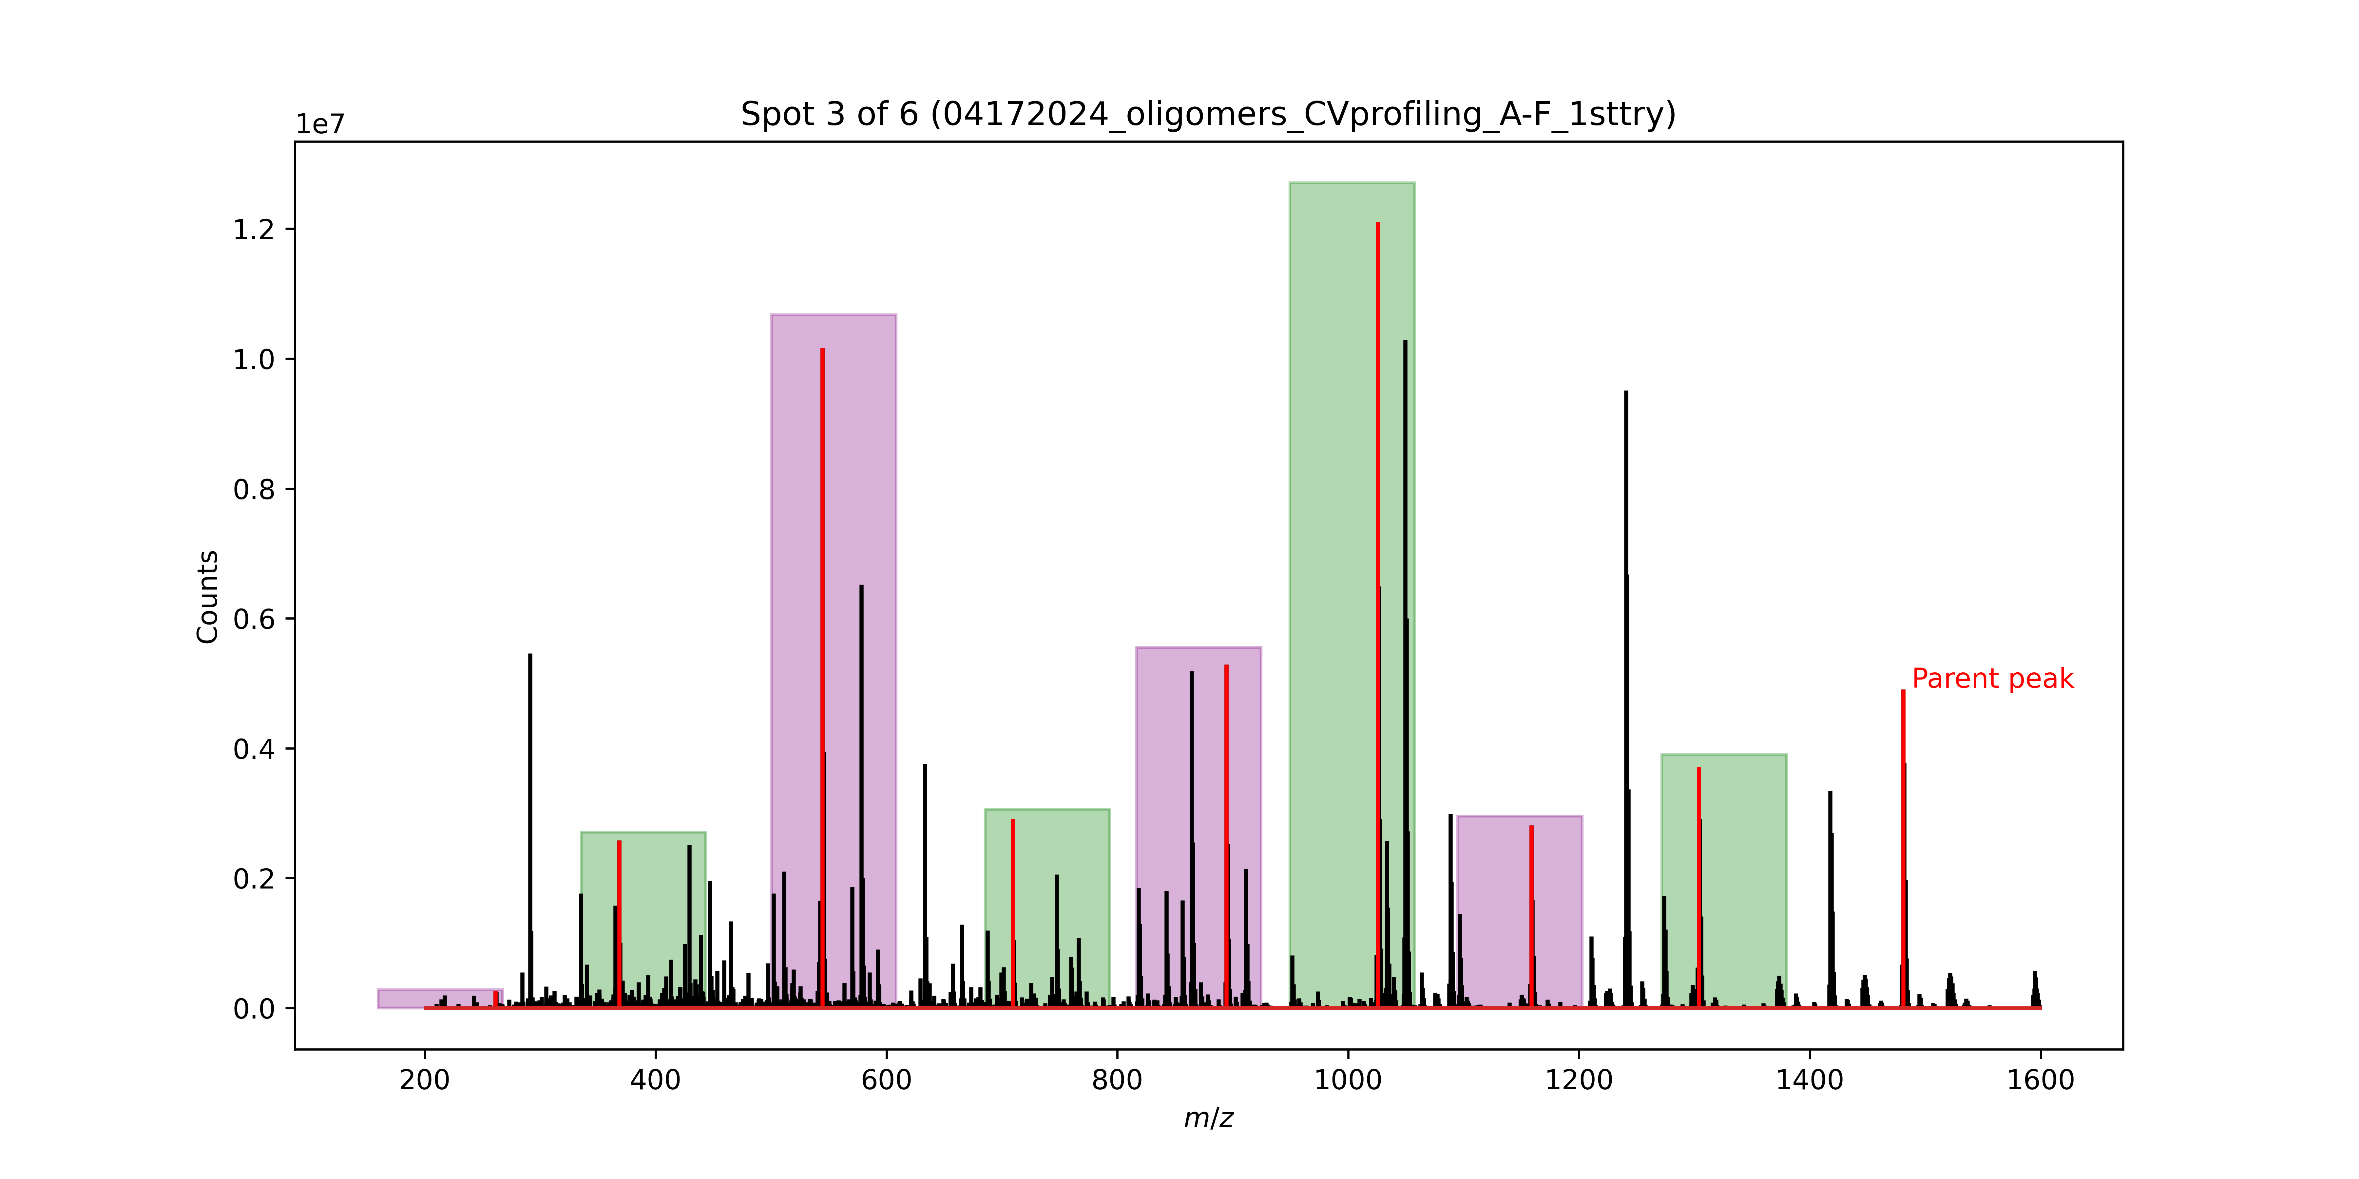
Signal No. | M/Z | Monomer lost
0 | 1480.79 | Phe
1 | 1303.71 | D2Leu
2 | 1158.61 | D2Ser
3 | 1025.54 | Ser
4 | 894.48 | D2Cha
5 | 709.34 | Phe
6 | 544.49 | Phe
7 | 368.43 | D2Ala

 |  |  | Is ther parent ion correctly identified? | parent = 1594

Spot 3
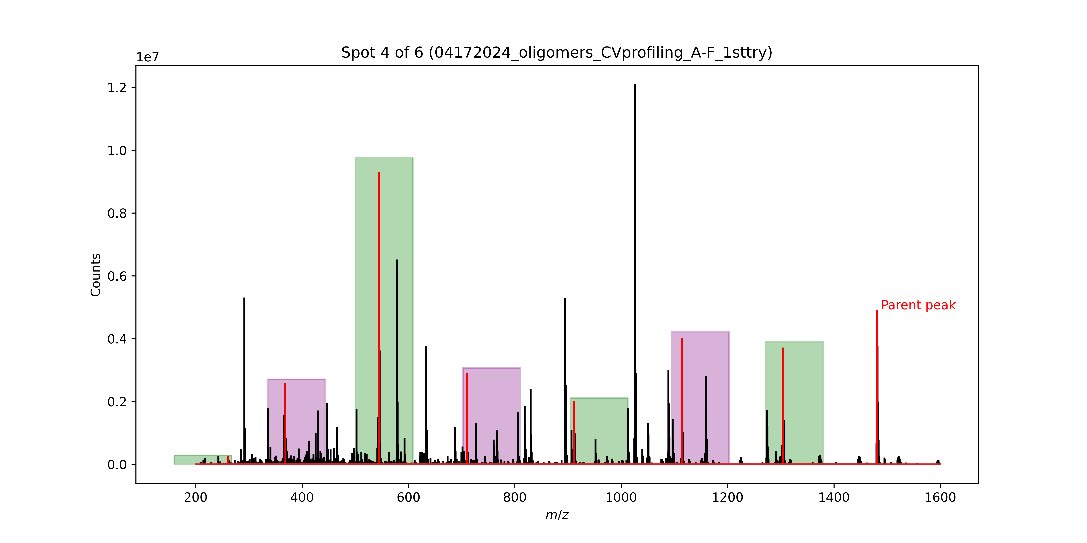
Signal No. | M/Z | Monomer lost
0 | 1480.79 | Phe
1 | 1303.71 | HoPhe
2 | 1113.53 | TyrOMe
3 | 911.48 | TyrOMe
4 | 709.34 | Phe
5 | 544.49 | Phe
6 | 368.43 | D2Ala

 |  |  | parent = 1290

Spot 4
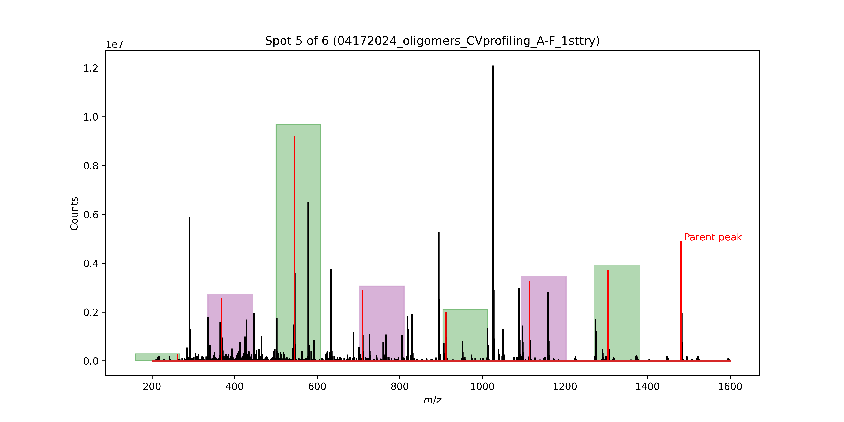
Signal No. | M/Z | Monomer lost
0 | 1480.79 | Phe
1 | 1303.71 | HoPhe
2 | 1113.53 | TyrOMe
3 | 911.48 | TyrOMe
4 | 709.34 | Phe
5 | 544.49 | Phe
6 | 368.43 | D2Ala

 |  |  | parent = 1420

Spot 5
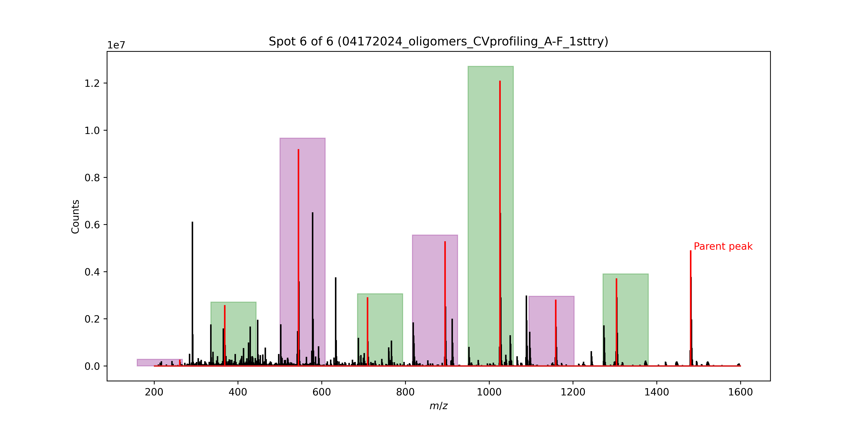
Signal No. | M/Z | Monomer lost
0 | 1480.79 | Phe
1 | 1303.71 | D2Leu
2 | 1158.61 | D2Ser
3 | 1025.54 | Ser
4 | 894.48 | D2Cha
5 | 709.34 | Phe
6 | 544.49 | Phe
7 | 368.43 | D2Ala

 |  |  | parent = 1526

 |  |  | so no because most of these spots on the left say parent is 1480
 |  |  | im not sure it is even picking up the different spots

 |  |  | probably not
 |  |  | let me check

