Spot 0
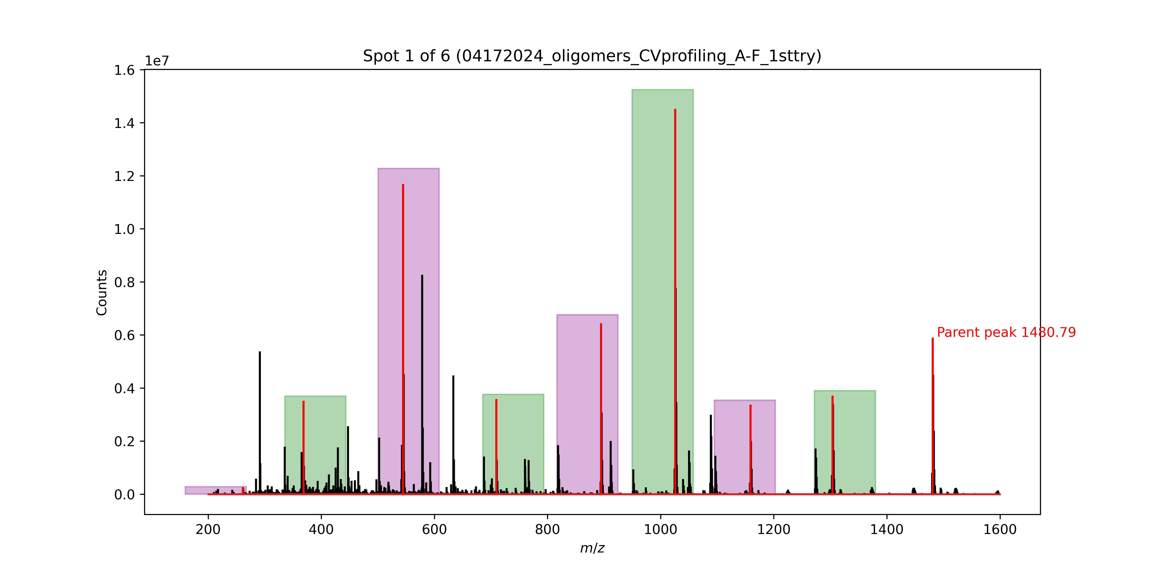
Signal No. | M/Z | Monomer lost
0 | 1480.79 | Phe
1 | 1303.71 | D2Leu
2 | 1158.61 | D2Ser
3 | 1025.54 | Ser
4 | 894.48 | D2Cha
5 | 709.34 | Phe |  | ser
6 | 544.49 | Phe | 578 | ser
7 | 368.43 | D2Ala | 447 | d2cha
 |  |  | 262 | tyrome

 |  |  |  |  | nevermind lol | okay I'm back
 |  |  |  |  |  | one sec

Spot 1
Signal No. | M/Z | Monomer lost | (CORRECT) M/Z | (CORRECT) Monomer lost
0 | 1526.83 | Phe | 1526.83 | Phe
1 | 1349.75 | D2Cha | 1349.75 | D2Cha
2 | 1164.61 | Leu | 1164.61 | Leu
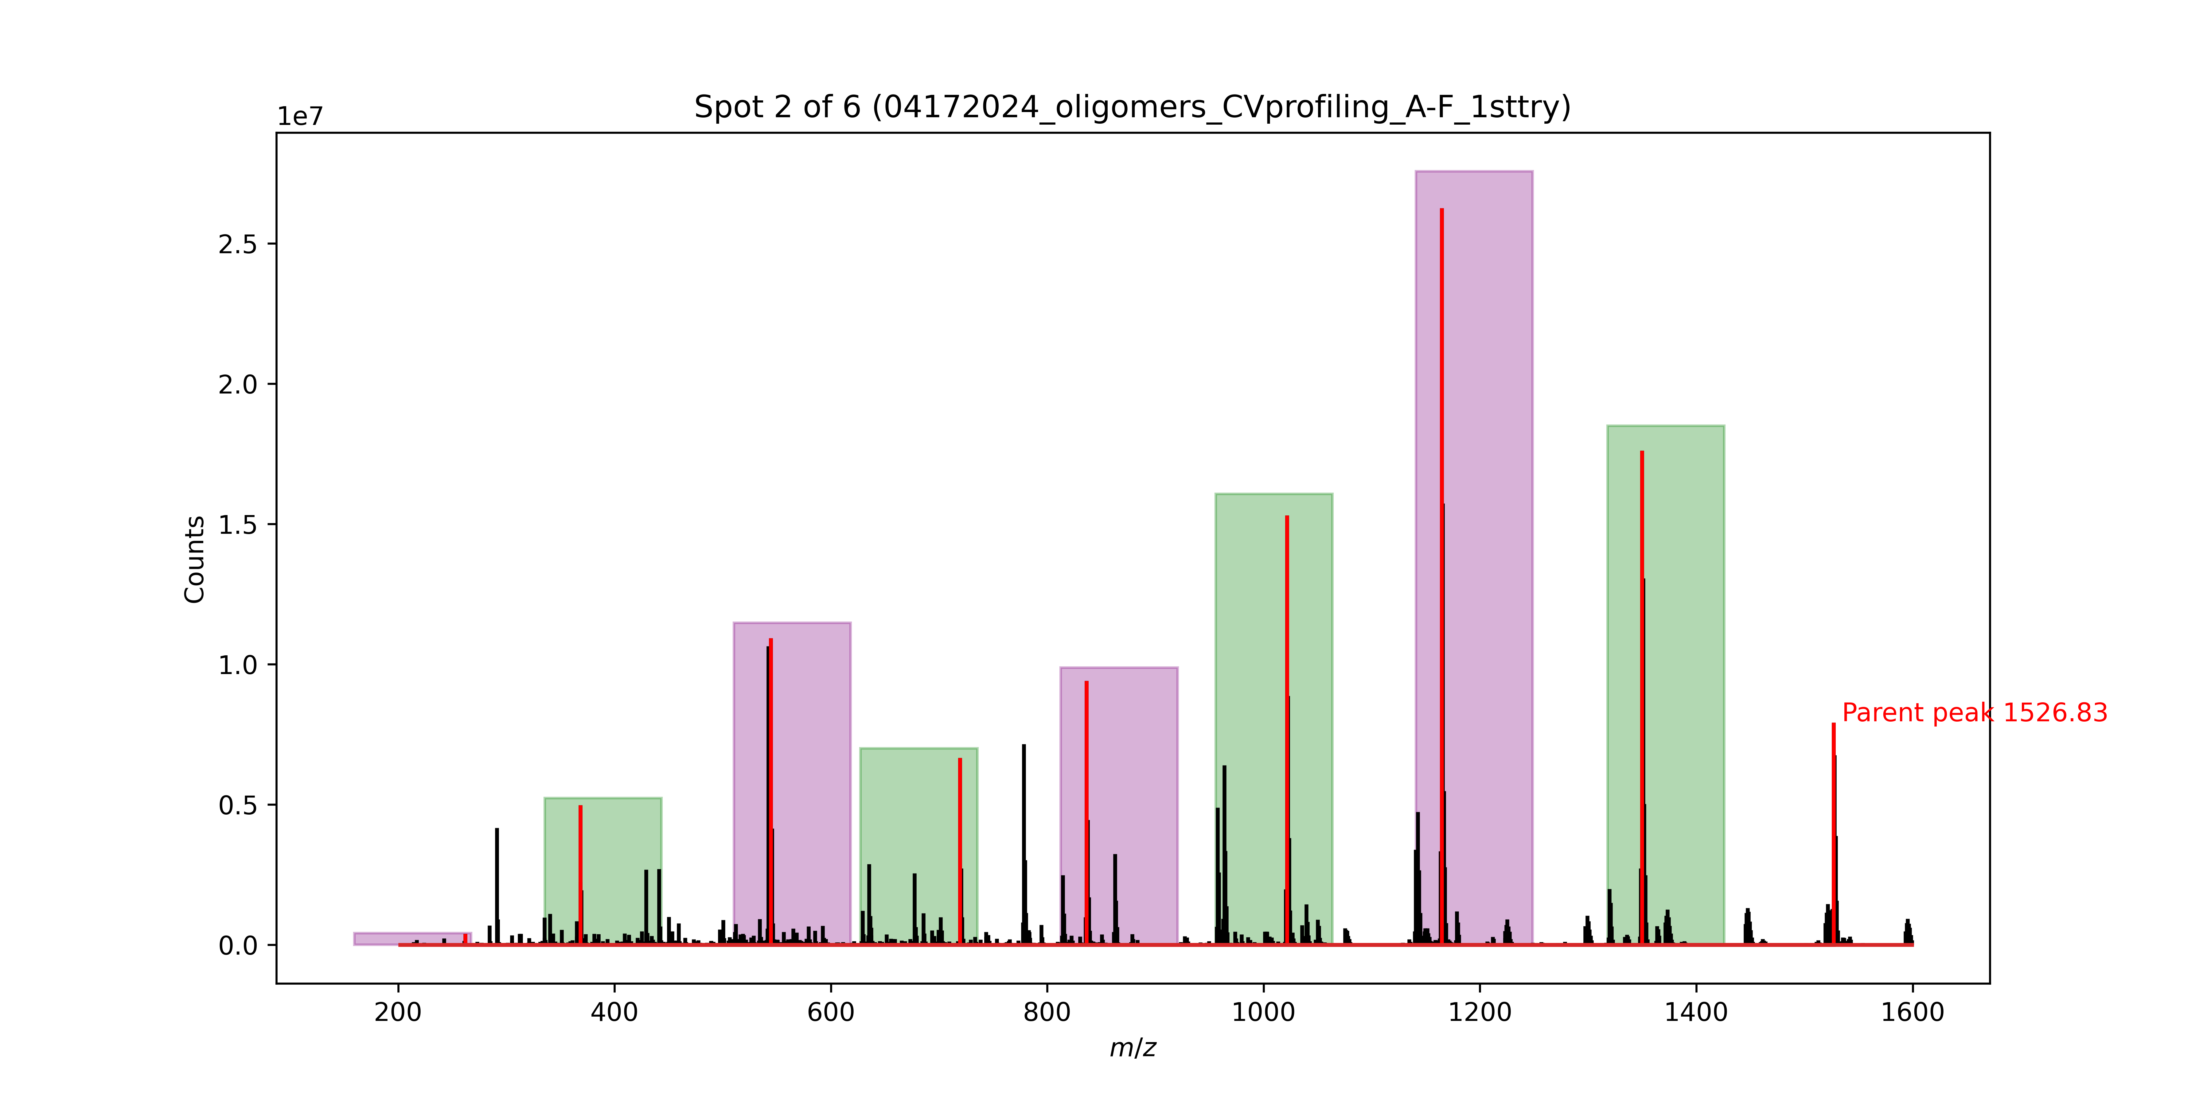
3 | 1021.52 | D2Cha | 1021.52 | D2Cha
4 | 836.38 | D2Abu | 836.38 | D2Abu
5 | 719.3 | Phe | 719.3 | Phe
6 | 544.49 | Phe | 542 | ala
7 | 368.42 | D2Ala | 441 | d2phe
 |  |  | 262 | tyrome

Spot 2
Signal No. | M/Z | Monomer lost
0 | 1417.69 | Phe | wrong parent should be 1594
1 | 1240.61 | HoPhe
2 | 1049.51 | D2Cha
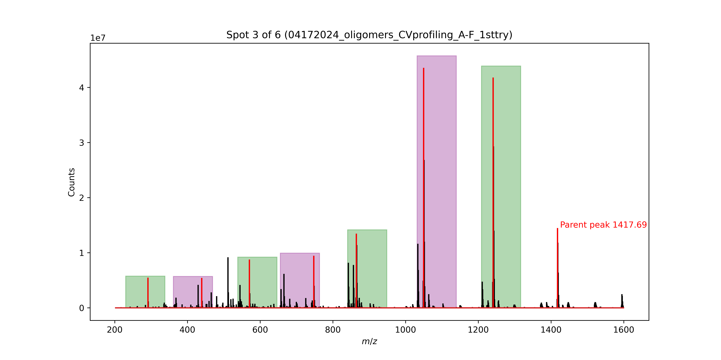
3 | 864.38 | D2Abu
4 | 747.3 | Phe
5 | 570.22 | Ser
6 | 439.16 | Phe
7 | 262.084 | Tyr(OMe)(endcap)
 |  |  | the rest of this is right

Spot 3
Signal No. | M/Z | Monomer lost | (CORRECT) M/Z | (CORRECT) Monomer lost
0 | 1290.61 | Phe | 1290.61 | Phe
1 | 1113.53 | Ala | 1113.53 | Ala
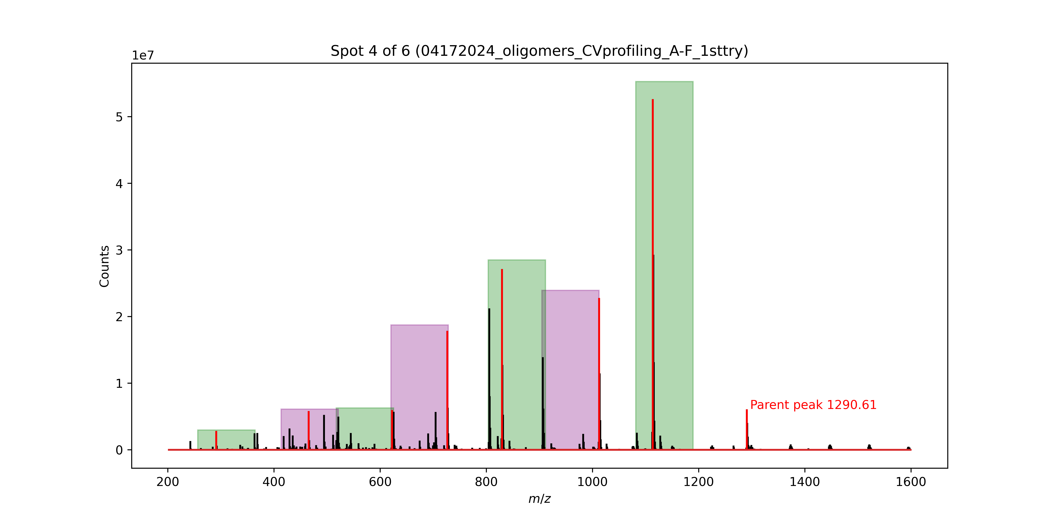
2 | 1012.48 | Cha | 1012.48 | Cha
3 | 829.35 | D2Ala | 829.35 | D2Ala
4 | 726.29 | D2Ala | 726.29 | ala
5 | 622.27 | D2Leu | 625 | ser
6 | 465.27 | Phe | 494 | ser
 |  |  | 363 | ala
 |  |  | 262 | tyrome

Spot 4
Signal No. | M/Z | Monomer lost | (CORRECT) M/Z | (CORRECT) Monomer lost
0 | 1420.69 | Phe | 1420.69 | Phe
1 | 1243.61 | Ser | 1243.61 | phe
2 | 1113.53 | Phe | 1066 | abu
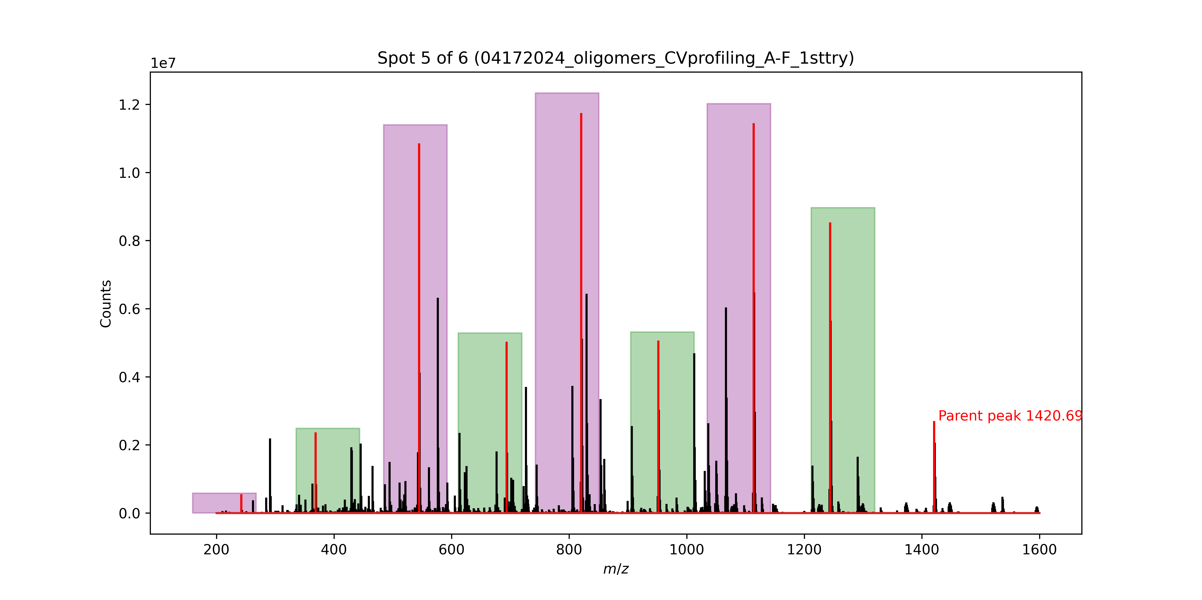
3 | 951.46 | Ser | 951.46 | Ser
4 | 820.41 | Allyl | 820.41 | Allyl
5 | 693.34 | D2Leu | 693.34 | d2abu
6 | 544.49 | Phe | 576 | ser
7 | 368.42 | Allyl | 445 | cha
 |  |  | 262 | tyrome

Spot 5
Signal No. | M/Z | Monomer lost
0 | 1527.8 | D2Phe | 1526 | phe | The parent peak should be the greatest intensity in the rightmost region
1 | 1349.72 | Allyl |  |  | Because this incorrectly identified it as 1527 instead of the 1526 peak, the subsequent
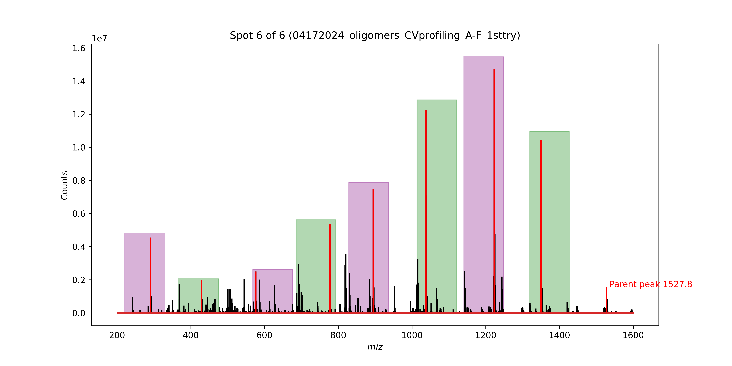
2 | 1222.65 | D2Cha |  |  | Masses of monomer lost will be 2 units lower than anticipate (1.8 really but whatever)
3 | 1037.51 | Leu |  |  | well the following 4 are correct and then it makes a mistake again here
4 | 894.42 | D2Abu |  |  | Yes, the selection is based off of the "closest" monomer lost, so even if the mass is 2 or so off, it could select the right one
5 | 777.34 | TyrOMe |  | hophe
6 | 576.27 | D2Leu | 586 | d2hophe
7 | 429.19 | Leu | 393 | ser
 |  |  | 262 | tyrome

 |  |  | ok im done
 |  |  | Are these values to the right the actual
 |  |  | values of the monomers?
 |  |  | the values I typed in are what it should be at
 |  |  | those positions

 |  |  |  |  |  |  | Will you look through these and compare
 |  |  |  |  |  |  | yes looks better so far
 |  |  |  |  |  |  | I'll brb

 |  |  |  |  |  |  |  | also in 6 I think I want this one | Wait I don’t think I can see our mouse. Can you draw a circle over it

 |  |  |  |  |  | Okay, here is the plan
 |  |  |  |  |  | The parent ion selection might have to be done manually, but I'm unsure at the moment. |  | my bad, second PURPLE window
 |  |  |  |  |  | Next, the selection of the "largest peak" within the window appears to be breaking the algorithm. You hav |  | The algorithm predicted the loss of TyrOMe to be most likely, but the actual loss was d2hophe. Point to this actual peak in the 580-680 region
 |  |  |  |  |  | Okay, we wil now have to revisit the selection algorithm when choosing a signal within a window. |  | yes I agree that the peak I want is not most abundant.. That is what I was worried about for these lower masses. In a different spot, it calls out ~363 which was
 |  |  |  |  |  | Instead of picking the largest peak and comparing it to the table of possible mass values, we must evaluate |  | a background ion on the desi we saw. Instead of the peak we are looking for
 |  |  |  |  |  | all potential peaks above some threshold of the window (say, 10% of max peak height)

 |  |  |  |  |  | will that work for the last mass 262? It is very low abundance
 |  |  |  |  |  | Can you point it out?
 |  |  |  |  |  | im not sure without zooming but maybe

 |  |  |  |  |  | That may be a problem. Perhaps an additional check for whether we are in a region that could contain the endcap (OMeTyr)
 |  |  |  |  |  | yeah I agree since the endcap will be the same for all of them but it also isn't an information encoding monomer,,, so like a final check?
 |  |  |  |  |  | Sî

 |  |  |  |  |  | I'm tired
 |  |  |  |  |  | same
 |  |  |  |  |  | Here's what we'll do. I'm going to push these changes to the remote repo and work on it from my end. I'll need you to send EVERYTHING in this folder (including this spreadsheet) to me in a zip file once I'm done. Then we can revisit this later.
 |  |  |  |  |  | Sound good?
 |  |  |  |  |  | yes thank you. I can save this speadsheet as is to keep these notes for both of us?

 |  |  |  |  |  | Yes

