Spot 0
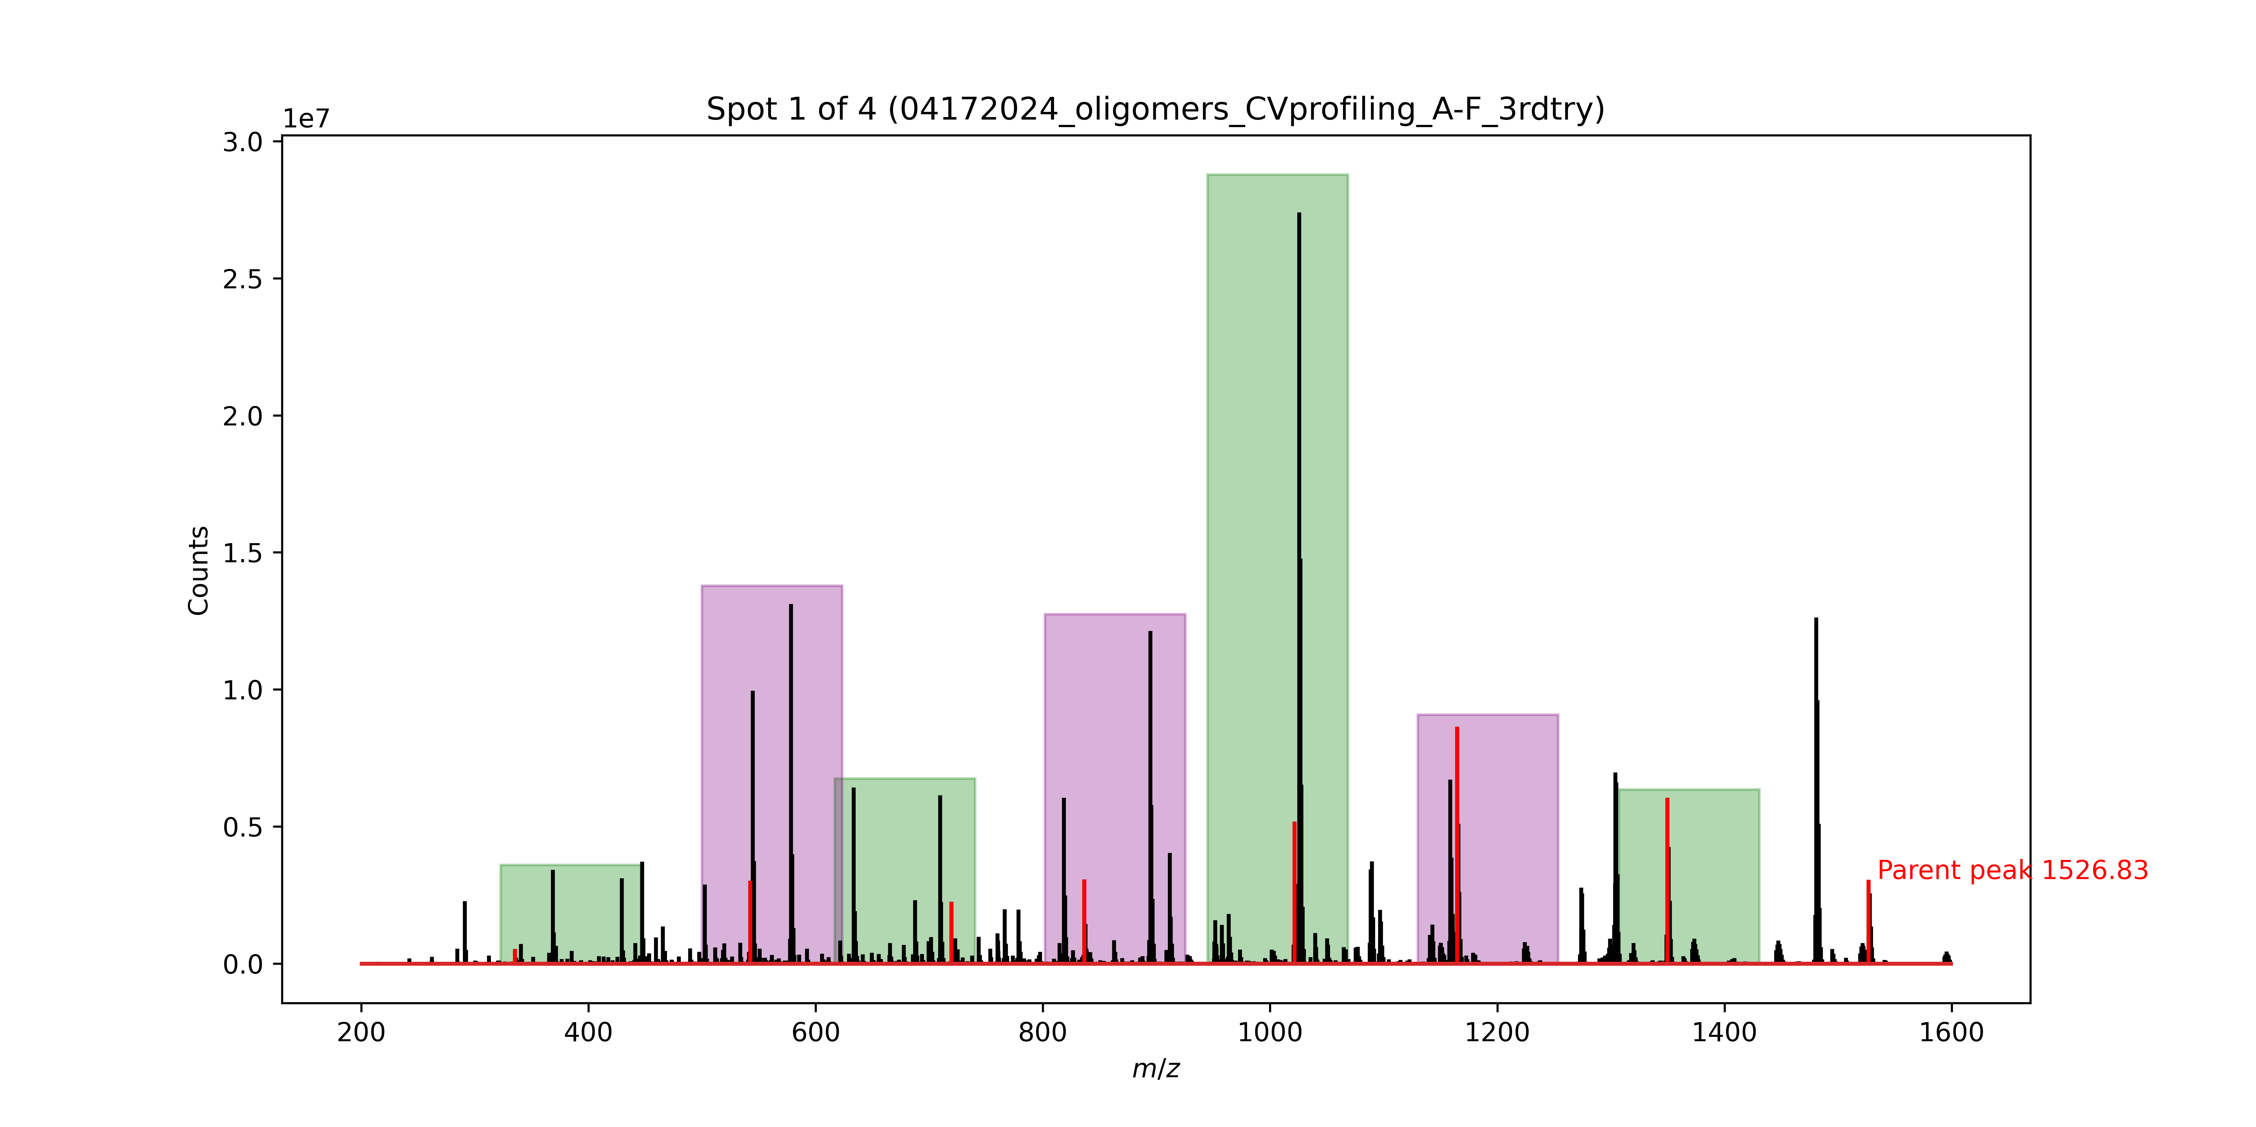
Signal No. | M/Z | Monomer lost
0 | 1526.83 | Phe
1 | 1349.75 | D2Cha
2 | 1164.61 | Leu
3 | 1021.52 | D2Cha
4 | 836.38 | D2Abu
5 | 719.3 | Phe
6 | 542.22 | TyrOMe

Spot 1
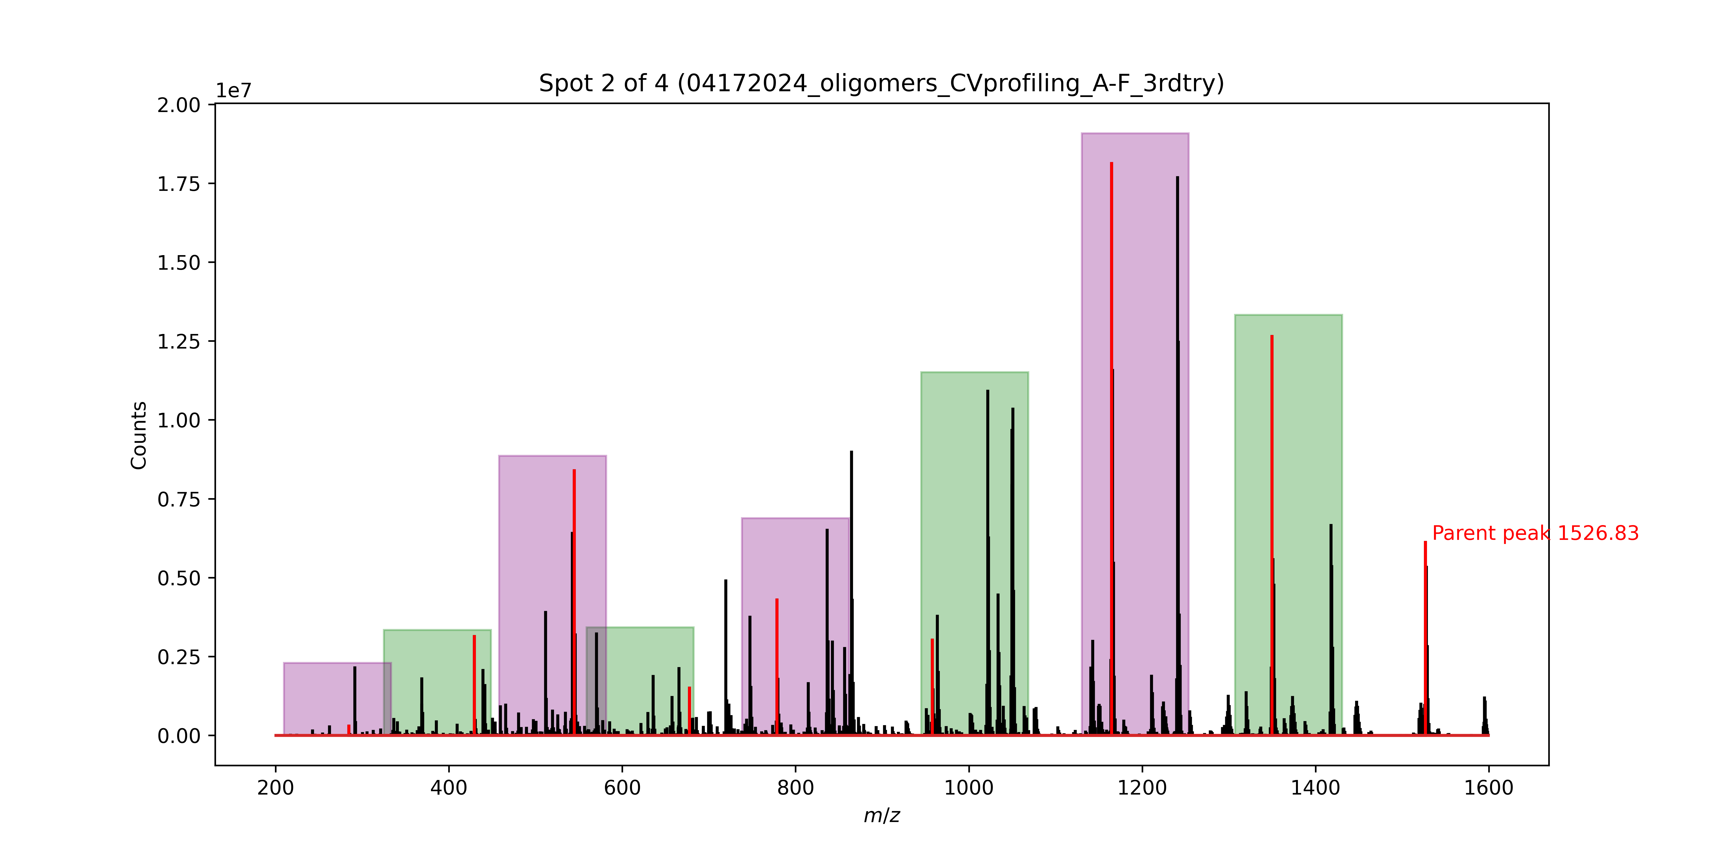
Signal No. | M/Z | Monomer lost
0 | 1526.83 | Phe
1 | 1349.75 | D2Cha
2 | 1164.61 | TyrOMe
3 | 957.52 | D2Phe
4 | 778.43 | Ala
5 | 677.38 | D2Ser
6 | 544.49 | Abu
7 | 429.19 | D2Leu

Spot 2
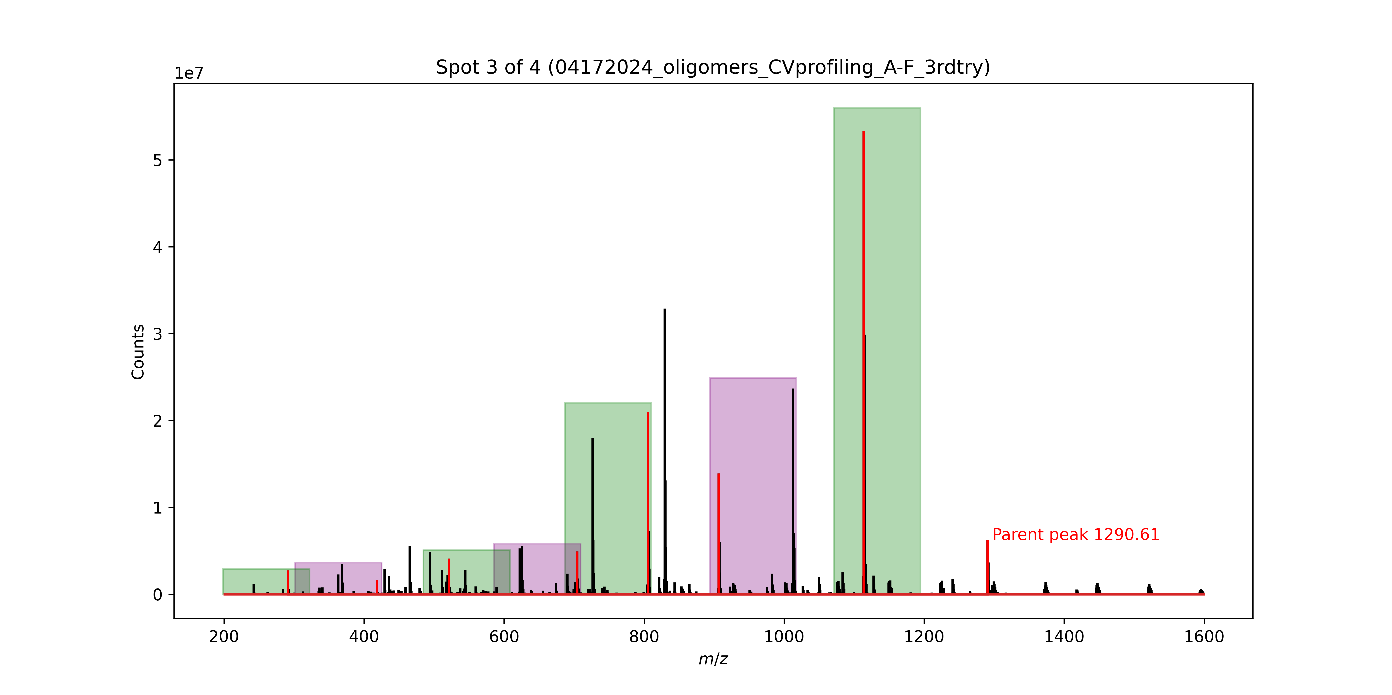
Signal No. | M/Z | Monomer lost
0 | 1290.61 | Phe
1 | 1113.53 | TyrOMe
2 | 906.44 | Ala
3 | 805.39 | Ala
4 | 704.34 | Cha
5 | 521.22 | D2Ala
6 | 418.16 | Gly(allyl)

Spot 3
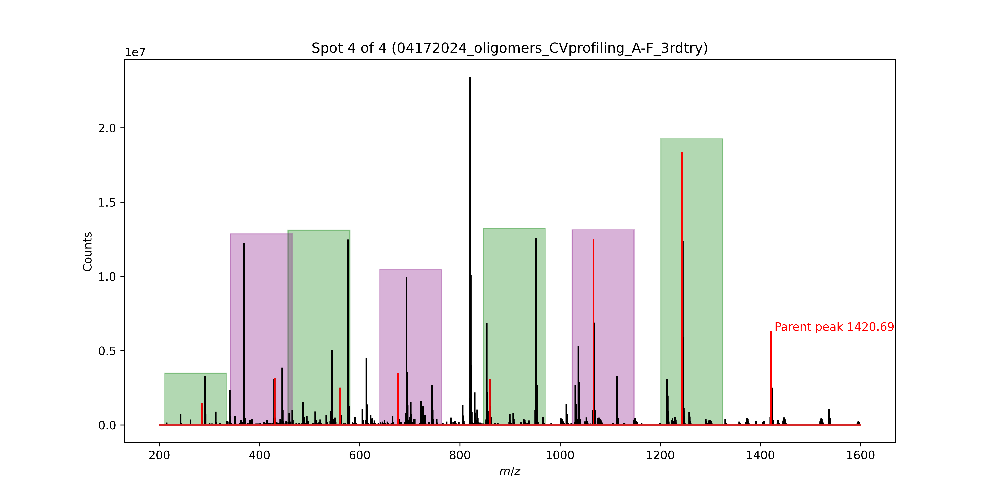
Signal No. | M/Z | Monomer lost
0 | 1420.69 | Phe
1 | 1243.61 | Phe
2 | 1066.53 | TyrOMe
3 | 859.44 | Cha
4 | 676.31 | Abu
5 | 561.25 | Ser
6 | 430.19 | D2Leu

