Data Stuctures
Code With Mosh - Data structures and algorithms

Typ | in .Net | Methodes | Time complexity | Comments
Array | T[] | [] (lookup by index) Find() (lookup by value) Insert() - resizing Delete() - resizing | O(1) O(n) O(n) O(n) | At creation each element of the list is given a reference (pointer) to a location in the Heap -> references are indexed.
Dynamic Array | List<T> ArrayList | [] Find() Add() | O(1) O(n) O(1) | As an array, but size is automaticaly increased when filled up (x2 in C#). Another Dynamic Array in C# is the ArrayList not being generic, meaning that you can store any kind of types in it (cast necessary by retrieving).
 | HashSet<> |  |  | similar to List<>, without duplicates.
Linked List | LinkedList<T> (doubly Linked List) | [] Find() Add/Delete First() Add / Delete Last() Add/Delete Middle() | O(n) O(n) O(1) O(1) O(n) | As a difference to arrays, linked lists objects are not indexed at creation, object's memory location is set dynamically @ object addition. Differences to Arrays: In term of space: by linked lists there is no space wasted, as the list does not reserve any memory location before it is needed. In another hand each object of the list takes a bit more space as by arrays, as the reference to the next item is stored to. In term of time: instantanous insert action @ beginning or end (double linked lists) -> can be of great advantage by big lists of objects, which must be recreated from scratch if stored in form of arrays.
Stack | Stack<T> | Push() Pop() Peek() (doesn't remove object) | O(1) O(1) O(1) | Last In First Out principe. Internal implementation may be based on Array or on LinkedList.
Queue | Queue<T> | Enqueue() Dequeue() | O(1) O(1) | First In First Out principe. Internal implementation may be based on Array or on LinkedList.
HashTable | Dictionary<Tkey, TValue> HashTable | [] Insert() Delete() | O(1) O(1) O(1) | Compatarable to arrays, but here the developper can handle himself the indexes (when by arrays they are necessarly of typ int and are automatically incremented by 1): By insertion, the hashcode of the given key is calculated (by a hash function using %). The hash function can return the same hashcode with 2 differents keys, this is called collision. 2 ways to solve the problem: having linked lists in the array (chaining) or looking for another free place in the supporting array (open addressing -> linear, quadratic, double hash). Aside Dictionary<T, T> is HashTable: equivalent but non generic and sorted in dependency of the hash code of the given key. -> allows quicker insertion.
Binary Tree | ? | Find() (lookup) Insert() Delete() | O(log n) O(log n) O(log n) | Binary trees are trees with 2 children per node. If the left children are smaller than the right's and both bigger to their parent then it is a binary search tree. Applications: where hierarchycal data (explorer) There are 2 main way to search/traverse a tree: -Breadth first (Level-order - horizontal) -Depth first: -pre-order (root left right) -in-order (left root right) -post-order (left right root) | 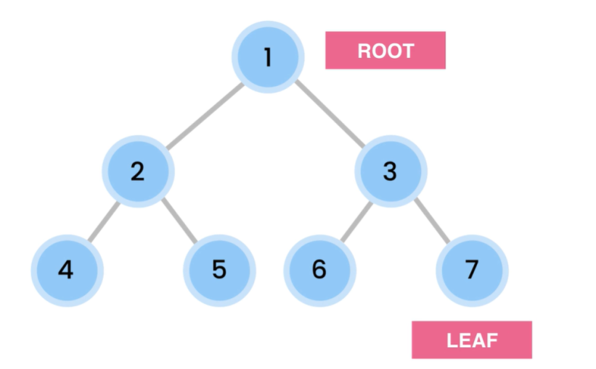
Self-balancing Tree | SortedSet<T> (search tree with balance mecanism of type red-black) |  |  | The advantage by looking up ot inserting values in binary search trees depends of the good repartion of the node. If the tree is unbalanced (some branches much longer as others), the tree tends to perfom as a linear data structure (extrem case, the tree has a single branch, which means it is a linked list). To perform as it should, a tree must be balanced -> height difference between its branches < 2. Some trees contain a logic that assure that the tree keeps balanced as inserting or removing values. There are self-balancing. Examples of such trees are AVL trees that contain 4 different rotation mecanism to balance itself (left, right, left-right and right-left), Red-back trees, Splay Trees... | 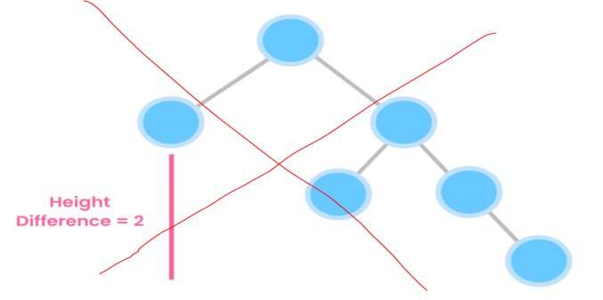
Heap | no microsoft implementation | Insert() Delete() (only root node can be deleted) Max() Find() (lookup by value) | O(log n) O(log n) O(1) (by max heap) not supported | Heaps are binary trees fulfilling following conditions: - it must be complete (all level are full exept the last, that can have empty spaces on its right) - a node value must be greater or equal to ist children values (in case of max heap) You can have max or min heap. Application: -Sorting -graph algos -priority queues -finding the Kth smallest/largest value When you insert a value, at the next availabe place, it bubbles up if it is greater to its parent until the criterium is fulfilled. When you remove the top node, you replace it with the last node, which you then bubble down until it fulfills the criterium. As the top value of a heap is always the greatest, you get the sortet values getting (by removing) the top node. In the background heaps are implemented with an array. | 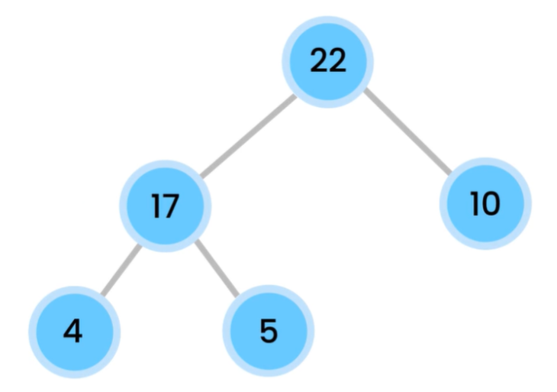
Tries | no microsoft implementation | Lookup() Insert() Delete() | O(L) O(L) O(L) L: string's length | Tries are not binary trees, nodes can have any number of children. They are used for instance to store words and quickly retrieve them (auto completion). | 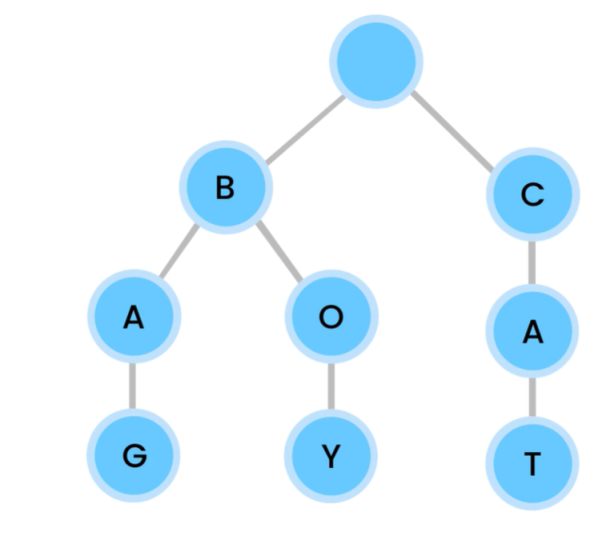
Graphs |  | 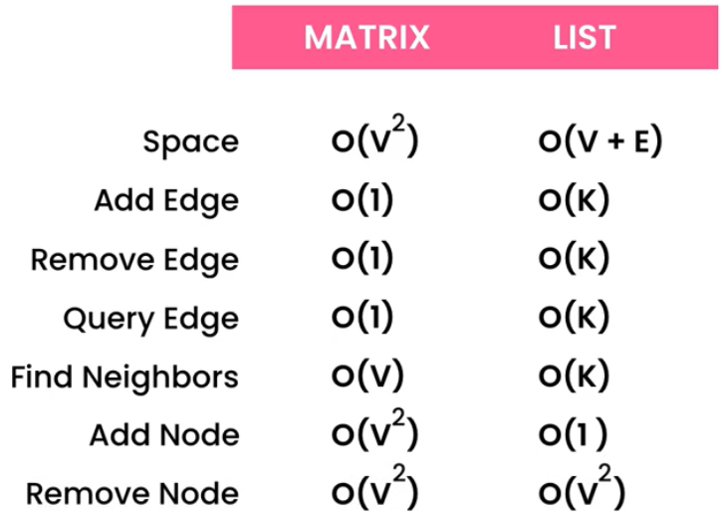 |  | 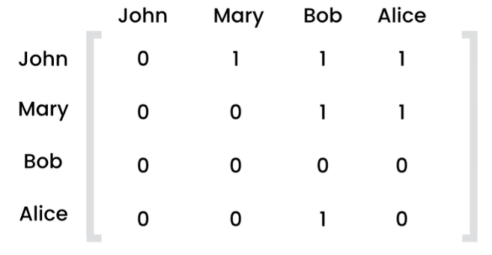 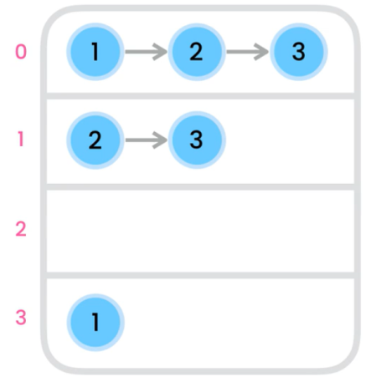 Graphs are trees where cycles are allowed. They are used to represent connected objects. There is no root. Node with commun edge are adjacent or neighbors. Edges can be oriented or have a weight. They are 2 ways to implemant a grapf: - adjacency matrix (2d array) - adjacency list (array of linked list) By dense graphs (all nodes connected to all other nodes) matrix implementation is better, otherwise the list implementation is better. Graphs can be used for topological sorting: to describe a workflow where tasks are dependant on each other. In that case, the graph must be directed and acyclic. | 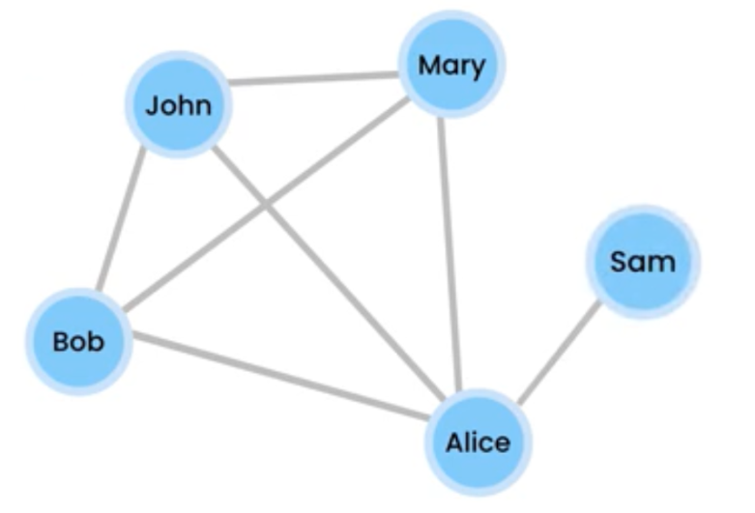 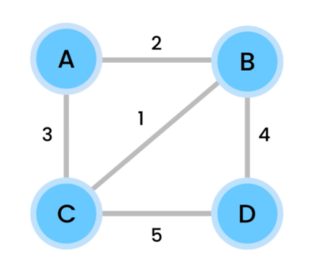 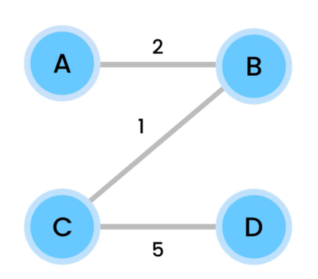
 |  |  |  | By weighted graphs, if we want to find the smallest connections total weight so that all nodes are connected, we then calcule the "minimum spanning Tree". A spanning tree has n-1 connections where n = number of nodes. An algorithm to find the spanning tree out of a weighted graph ist the Prim's algorithm

Algorithms
Code With Mosh - Data structures and algorithms

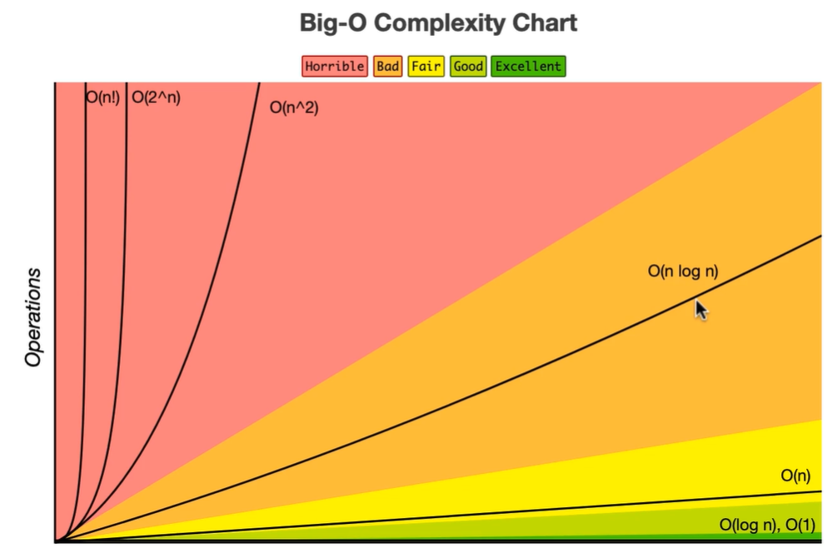
Algos |  | Comments | Time/space complexity
Sorting | Buble sort | We go throught the data structure and swap 2 items as long as they are in the wrong order. Must be done n-1 time (passes) -> time complexity = n*(n-1) | best O(n) worst O(n2)
 | Selection sort | We go throught the data structure and look for the next smallest item, which we swap with the next first item. | best O(n2) worst O(n2)
 | Insertion sort | We go throught the data structure and insert each item at ist correct place. Before doing that we shift items at and after the place to insert in to make space | worst O(n2)
 | Merge sort | Merge sort is a divide and conquer algorithm. It differs from the 3 first as it consumes more space in the memory. Principe: we divide recursively the input array down to array with single elements. Then we reassemble the arrays looking at there value to set the order. | 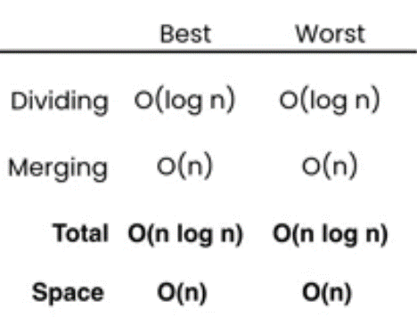
 | QuickSort | Base on a partioning algorithm using a pivot. Does not require extra space. Is commonly used algo in the frameworks built-in sorting methods. | 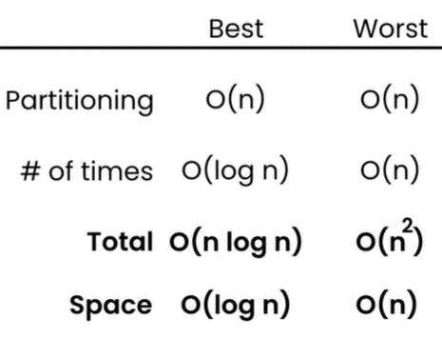
 | Counting Sort | Instead of comparing values as in the previous algos, by couting sorting, we create an extra array of the size of the biggest input array item. We then go throught the input array and count how many times values come, iterating in the new array the corresponding item. This algo is quick but requires extra space. It can only be used when input array values are all positiv. | 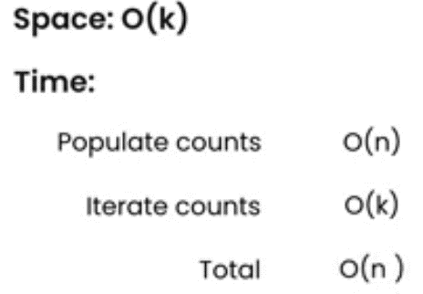
 | Bucket Sort | 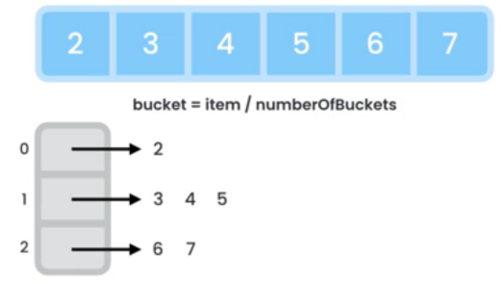 This is another non comparaison algorithm. The containt of the input array is divided in x differents new arrays which are fed with linked lists. Each of these arrays are then sorted using another algo. As there size is relatively small it goes quick. Then the sorted array are put back in source array. The more underlying array we use, the quicker it goes, but the more space it consumes. | 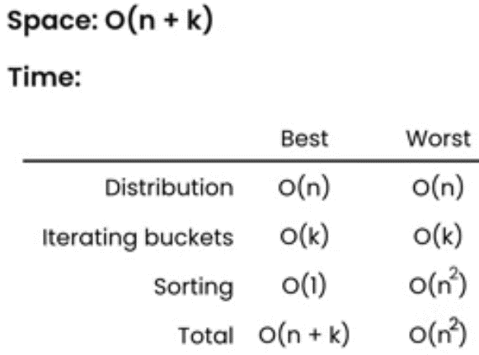
Searching algos | Linear search | Each item are checked of after each other | O(n)
 | Binary search | The list is search according dichotomie principle. This algo requires the list to be sorted. The recursive implementation consumes a little bit more space as the iterativ ones (as all recursion call result must be stored in the stack), but it's negligeable.
 | Ternary search | As Binary search but the list is divided in 3 and not in 2. It is slower as the binary tree, as there are 5 comparaisons to do at each step instead of 2. The more partitions you do, the closer you get from a linear search time complexity as you have to compare the target to more and more of the contained elements. | O(Log3n)
 | Jump search | Requires sorted array. Array is first divided in smaller arrays. Then the last item of each array is compared to the target until it is bigger than it. The corresponding array is then linear searched. The size of the partitions must idealy be √n. | O(√n)
 | Exponential search | Requires sorted array. The input array is checked at an index (smaller or bigger than target) that is by 2 multiplicated at each recusrion. When we found a itme bigger than the target the partial array containting the target is binary searched. | O(log i) i target index

