Haukes naming
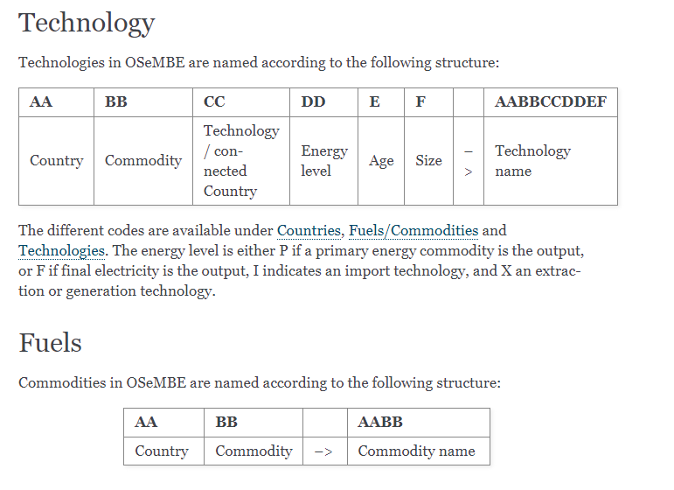
Source: https://osembe.readthedocs.io/en/latest/naming.html# | And: https://www-sciencedirect-com.focus.lib.kth.se/science/article/pii/S0360544221022210?via%3Dihub

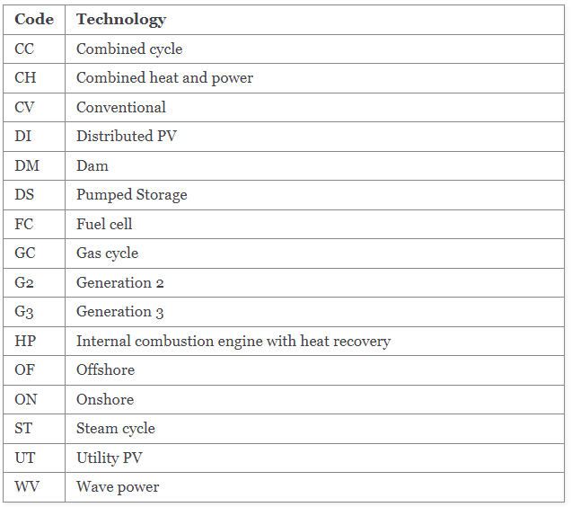
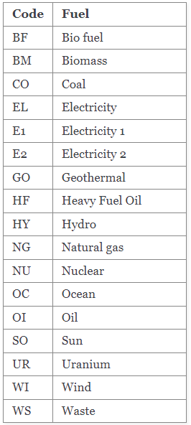

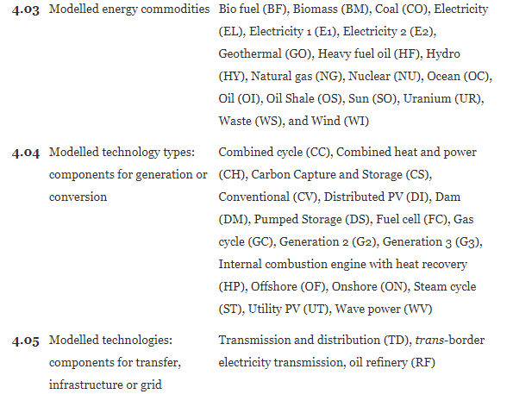

Combine the above codes to get a name like this:

