Conventional
Conventional Market pulp mill

PARAMETERS REFERING TO TECHNOLOGY | Value | Unit | To OSeMOSYS | Unit | Reference | Date | Page | Comment

Availability factor | 0.959 | - | 0.959 |  | https://www.ieaghg.org/publications/technical-reports/reports-list/9-technical-reports/774-2016-10-techno-economic-evaluation-of-retrofitting-ccs-in-a-market-pulp-mill-and-an-integrated-pulp-and-board-mill | 2021-11-04 | Page 20
Capacity factor | no
CapacityToActivityUnit | 1
CapitalCost | 1341.5 | M€/y | 1.6769 | M€/kton | https://www.ieaghg.org/publications/technical-reports/reports-list/9-technical-reports/774-2016-10-techno-economic-evaluation-of-retrofitting-ccs-in-a-market-pulp-mill-and-an-integrated-pulp-and-board-mill | 2021-11-04 | Table 11 | 800000 | adt/y
FixedCost | 65.2195 | M€/y | 0.0815 | M€/kton | https://www.ieaghg.org/publications/technical-reports/reports-list/9-technical-reports/774-2016-10-techno-economic-evaluation-of-retrofitting-ccs-in-a-market-pulp-mill-and-an-integrated-pulp-and-board-mill | 2021-11-04 | Table 13
InputActivityRatios
Chemical pulp
Balck liquor | 31.070 | GJ/adton | 0.0388 | PJ/kton | https://www.ieaghg.org/publications/technical-reports/reports-list/9-technical-reports/774-2016-10-techno-economic-evaluation-of-retrofitting-ccs-in-a-market-pulp-mill-and-an-integrated-pulp-and-board-mill | 2021-11-04 | Table 3
 | 8630.556 | kWh/adton
Heavy fuel oil | 1.440 | GJ/adton | 0.0018 | PJ/kton | https://www.ieaghg.org/publications/technical-reports/reports-list/9-technical-reports/774-2016-10-techno-economic-evaluation-of-retrofitting-ccs-in-a-market-pulp-mill-and-an-integrated-pulp-and-board-mill | 2021-11-04 | Table 3
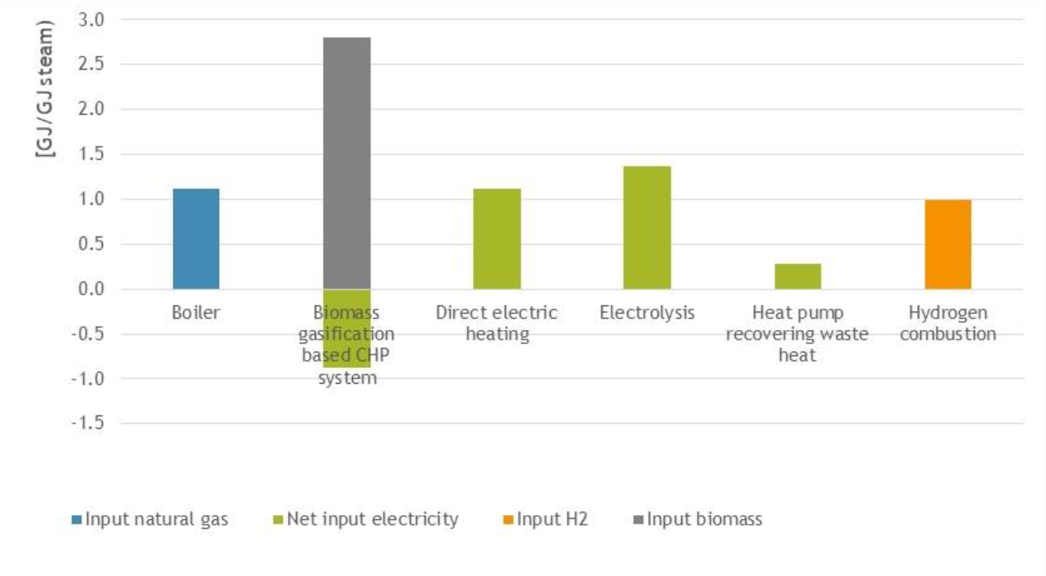
 | 400.000 | kWh/adton |  |  |  |  |  |  | From Options for decarbonising the steam supply of the Dutch paper and board industry
hog fuel/bark | 9.860 | GJ/adton | 0.0123 | PJ/kton | https://www.ieaghg.org/publications/technical-reports/reports-list/9-technical-reports/774-2016-10-techno-economic-evaluation-of-retrofitting-ccs-in-a-market-pulp-mill-and-an-integrated-pulp-and-board-mill | 2021-11-04 | Table 3
 | 2738.889 | kWh/adton
Electricity | 641 | kWh/adton | 0.0029 | PJ/kton | https://www.ieaghg.org/publications/technical-reports/reports-list/9-technical-reports/774-2016-10-techno-economic-evaluation-of-retrofitting-ccs-in-a-market-pulp-mill-and-an-integrated-pulp-and-board-mill | 2021-11-04 | Table 3

Alt Proposal (explain in meeting) | 1.57 | GWh/kton | 5.6644993498

Mechanical pulp

OperationalLife | 25 | yr |  |  | https://www.ieaghg.org/publications/technical-reports/reports-list/9-technical-reports/774-2016-10-techno-economic-evaluation-of-retrofitting-ccs-in-a-market-pulp-mill-and-an-integrated-pulp-and-board-mill | 2021-11-04 | Page 20
OutputActivityRatio | 1
TotalTechnologyAnnualActivityUpperLimit
VariableCost | 221.017 | M€ | 0.2763 | M€/kton | https://www.ieaghg.org/publications/technical-reports/reports-list/9-technical-reports/774-2016-10-techno-economic-evaluation-of-retrofitting-ccs-in-a-market-pulp-mill-and-an-integrated-pulp-and-board-mill | 2021-11-04 | Table 13

Electricity sold to the grid | 36.0688 | M€

EmissionActivityRatio | 0 |  | All fuel emissions, accoundted upstream

 | 2015 | 2016 | 2017 | 2018 | 2019 | 2020
ResidualCapacity [Mt] | 13 | 13,2 | 13,4 | 13,6 | 13,8 | 14 | https://www.forestindustries.se/forest-industry/statistics/pulp-industry/

