Swedish
 | Cap for steel, cement and pulp in 2013 [Mt], calculated from Hauke sheet | 9112.324

 | Annual decrease 2013-2020 | 1.74% | 158.5544376 |  | kt CO2 eq

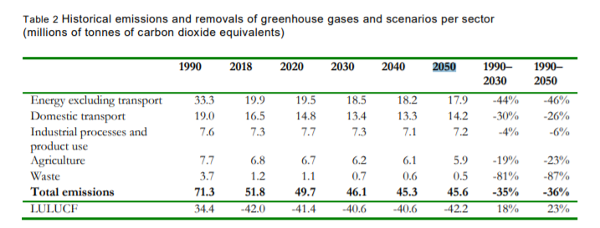
 | Parameter
Year | EmissionPenalty ($/t) | EmissionPenalty_Carbon Tax (€/t) | EmissionPenalty_Carbon Tax (M€/kton) | Energy Tax_Increase cost on fuel (M SEK) | Energy Tax_Increase cost on fuel (M€)
2015 | 78 | 70.317 | 0.070317
2016 | 130.5 | 114.575085 | 0.114575085
2017 | 140 | 124.11 | 0.12411
2018 | 140 | 118.65 | 0.11865
2019 | 127 | 113.4237 | 0.1134237
2020 | 134 | 117.518 | 0.117518
2021 | 137 | 120.56 | 0.12056 | assume constant | assume constant
2022 |  | 123.56 | 0.12356
2023 |  | 126.56 | 0.12656
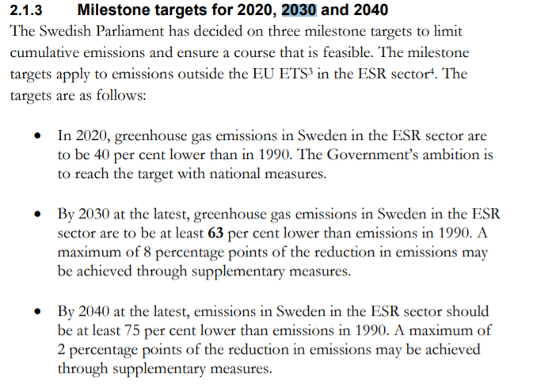
2024 |  | 129.56 | 0.12956
2025 |  | 132.56 | 0.13256
2026 |  | 135.56 | 0.13556
2027 |  | 138.56 | 0.13856
2028 |  | 141.56 | 0.14156
2029 |  | 144.56 | 0.14456
2030 |  | 147.56 | 0.14756
2031 |  | 150.56 | 0.15056
2032 |  | 153.56 | 0.15356
2033 |  | 156.56 | 0.15656
2034 |  | 159.56 | 0.15956
2035 |  | 162.56 | 0.16256
2036 |  | 165.56 | 0.16556
2037 |  | 168.56 | 0.16856
2038 |  | 171.56 | 0.17156
2039 |  | 174.56 | 0.17456
2040 |  | 177.56 | 0.17756
2041 |  | 180.56 | 0.18056
2042 |  | 183.56 | 0.18356
2043 |  | 186.56 | 0.18656
2044 |  | 189.56 | 0.18956
2045 |  | 192.56 | 0.19256
2046 |  | 195.56 | 0.19556
2047 |  | 198.56 | 0.19856
2048 |  | 201.56 | 0.20156
2049 |  | 204.56 | 0.20456
2050 |  | 207.56 | 0.20756
2051 |  | 210.56 | 0.21056
2052 |  | 213.56 | 0.21356
2053 |  | 216.56 | 0.21656
2054 |  | 219.56 | 0.21956
2055 |  | 222.56 | 0.22256
2056 |  | 225.56 | 0.22556
2057 |  | 228.56 | 0.22856
2058 |  | 231.56 | 0.23156
2059 |  | 234.56 | 0.23456
2060 |  | 237.56 | 0.23756

