Sheet1
1D/2D PLATFORM IBC-2202
Desktop Barcode Scanner
1D/2D Image Barcode Scanner
1D/2D Image Desktop Barcode Scanner
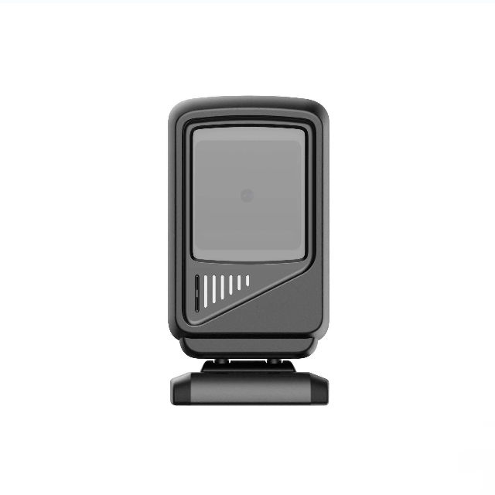
Fashionable appearance design ,Small and lightweight , High performance scanning ,
Can easily rotate free from a large angle
 |  |  | Easily rotate freely from a large angle
● Support universal 1D/2D |  |  | User can adjust the scanning angle according to their usage habits
barcodes
● Full ergonomic scanning angle |  |  | Strong 1D&2D Barcodes Decoding Ability
● Thickened ABS material |  |  | 1D barcode scanner support scan most of 1D barcodes , such as EAN , UPC , Code 39 , Code 128 , UCC/ EAN 128 , Coda bar, Interleaved 2 of 5 , ITF-6 , ITF- 14 , ISBN , MSI-Plessey, GS1 Databar, Code 11 , Industrial 25 , Standard 25 , Plessey, Matrix 2 of 5. all 2D barcoes Fashionable design Small and light weight
● High speed decoding
● Multiple interfaces for quick |  |  | User can freely grab the scanner and scan the barcode
 |  |  | of item further away from the counter
replacement
● Multiple Conﬁguration Options
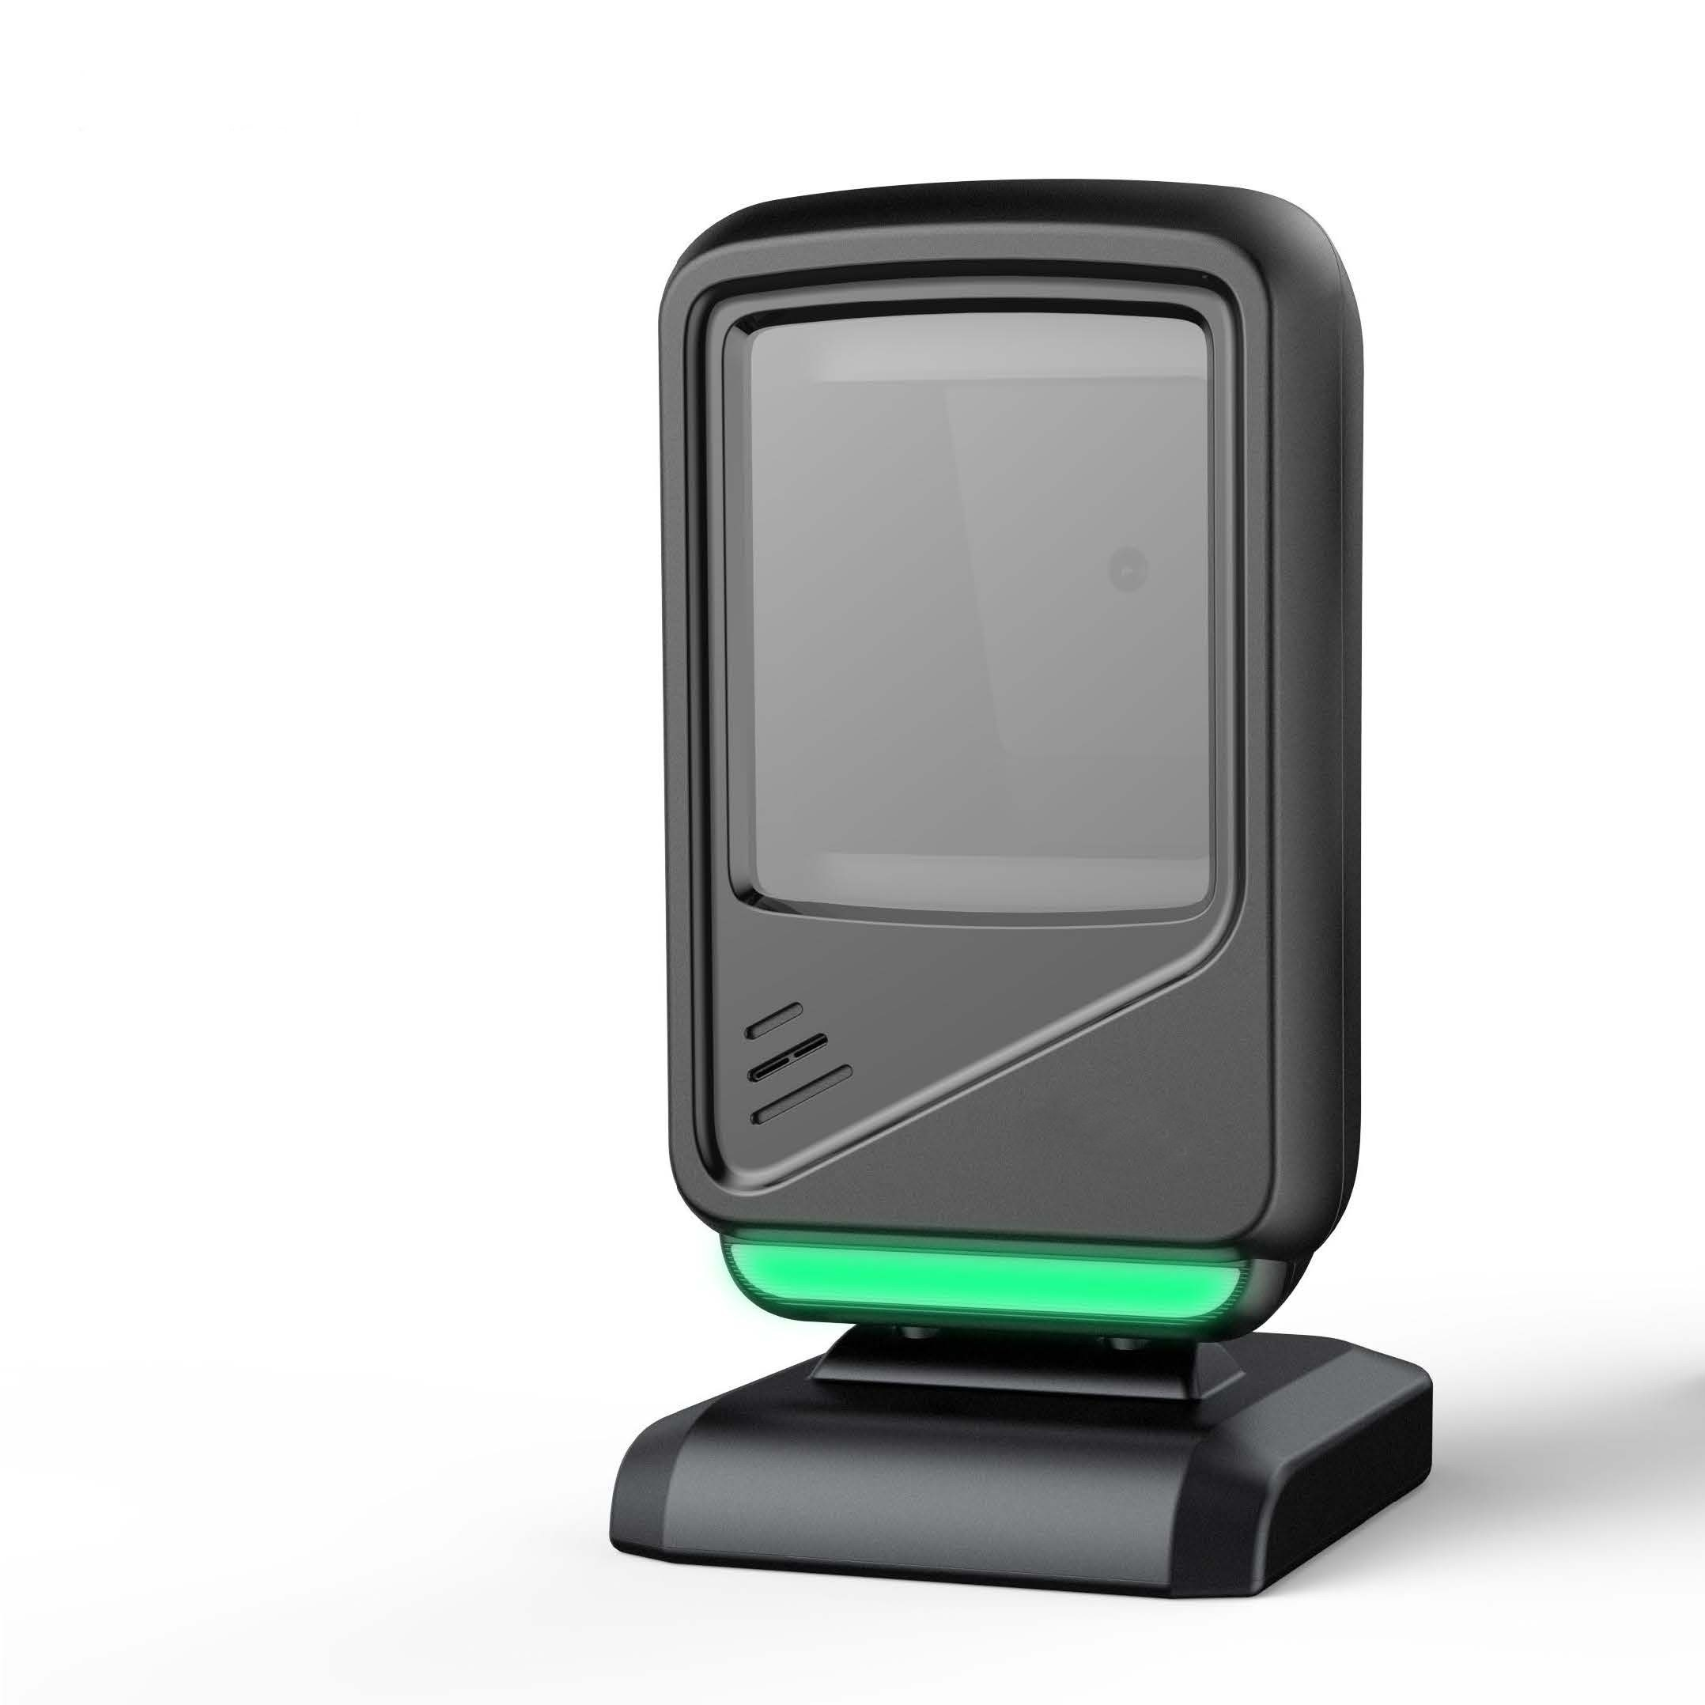
● All functions can be conﬁgured |  |  | Ultra fast decoding system
trough one barcode |  |  |  | The most advanced decoding algorithm is adopted , which can quickly decode various types of barcodes and quickly transmit them to various terminal devices
 |  |  | Multiple Conﬁguration Options
 |  |  | This wireless barcode scanner support instant upload and storage mode two types upload modes , hide front and back characters , add preﬁx or suﬃx , set sleep time , set sound and vibration , etc useful function . You can set these functions according to your needs .
SPECIFICATIONS
Supported Symbologies
 |  |  |  | 1D | UPC-A UPC-E EAN-8 EAN- 13 ISSN ISBN Code 128 GS1- 128 ISBT 128 Code 39 Code 93 Code 11 Interleaved 2 of 5 Matrix 2 of 5 Industrial 2 of 5 Standard 2 of 5 IATA code32 ,Codabar NW-7 Plessey MSI Plessey RSS China Post ,
Print Contrast |  | 20% minium reﬂective diﬀerence
Fill Light |  | Red LED
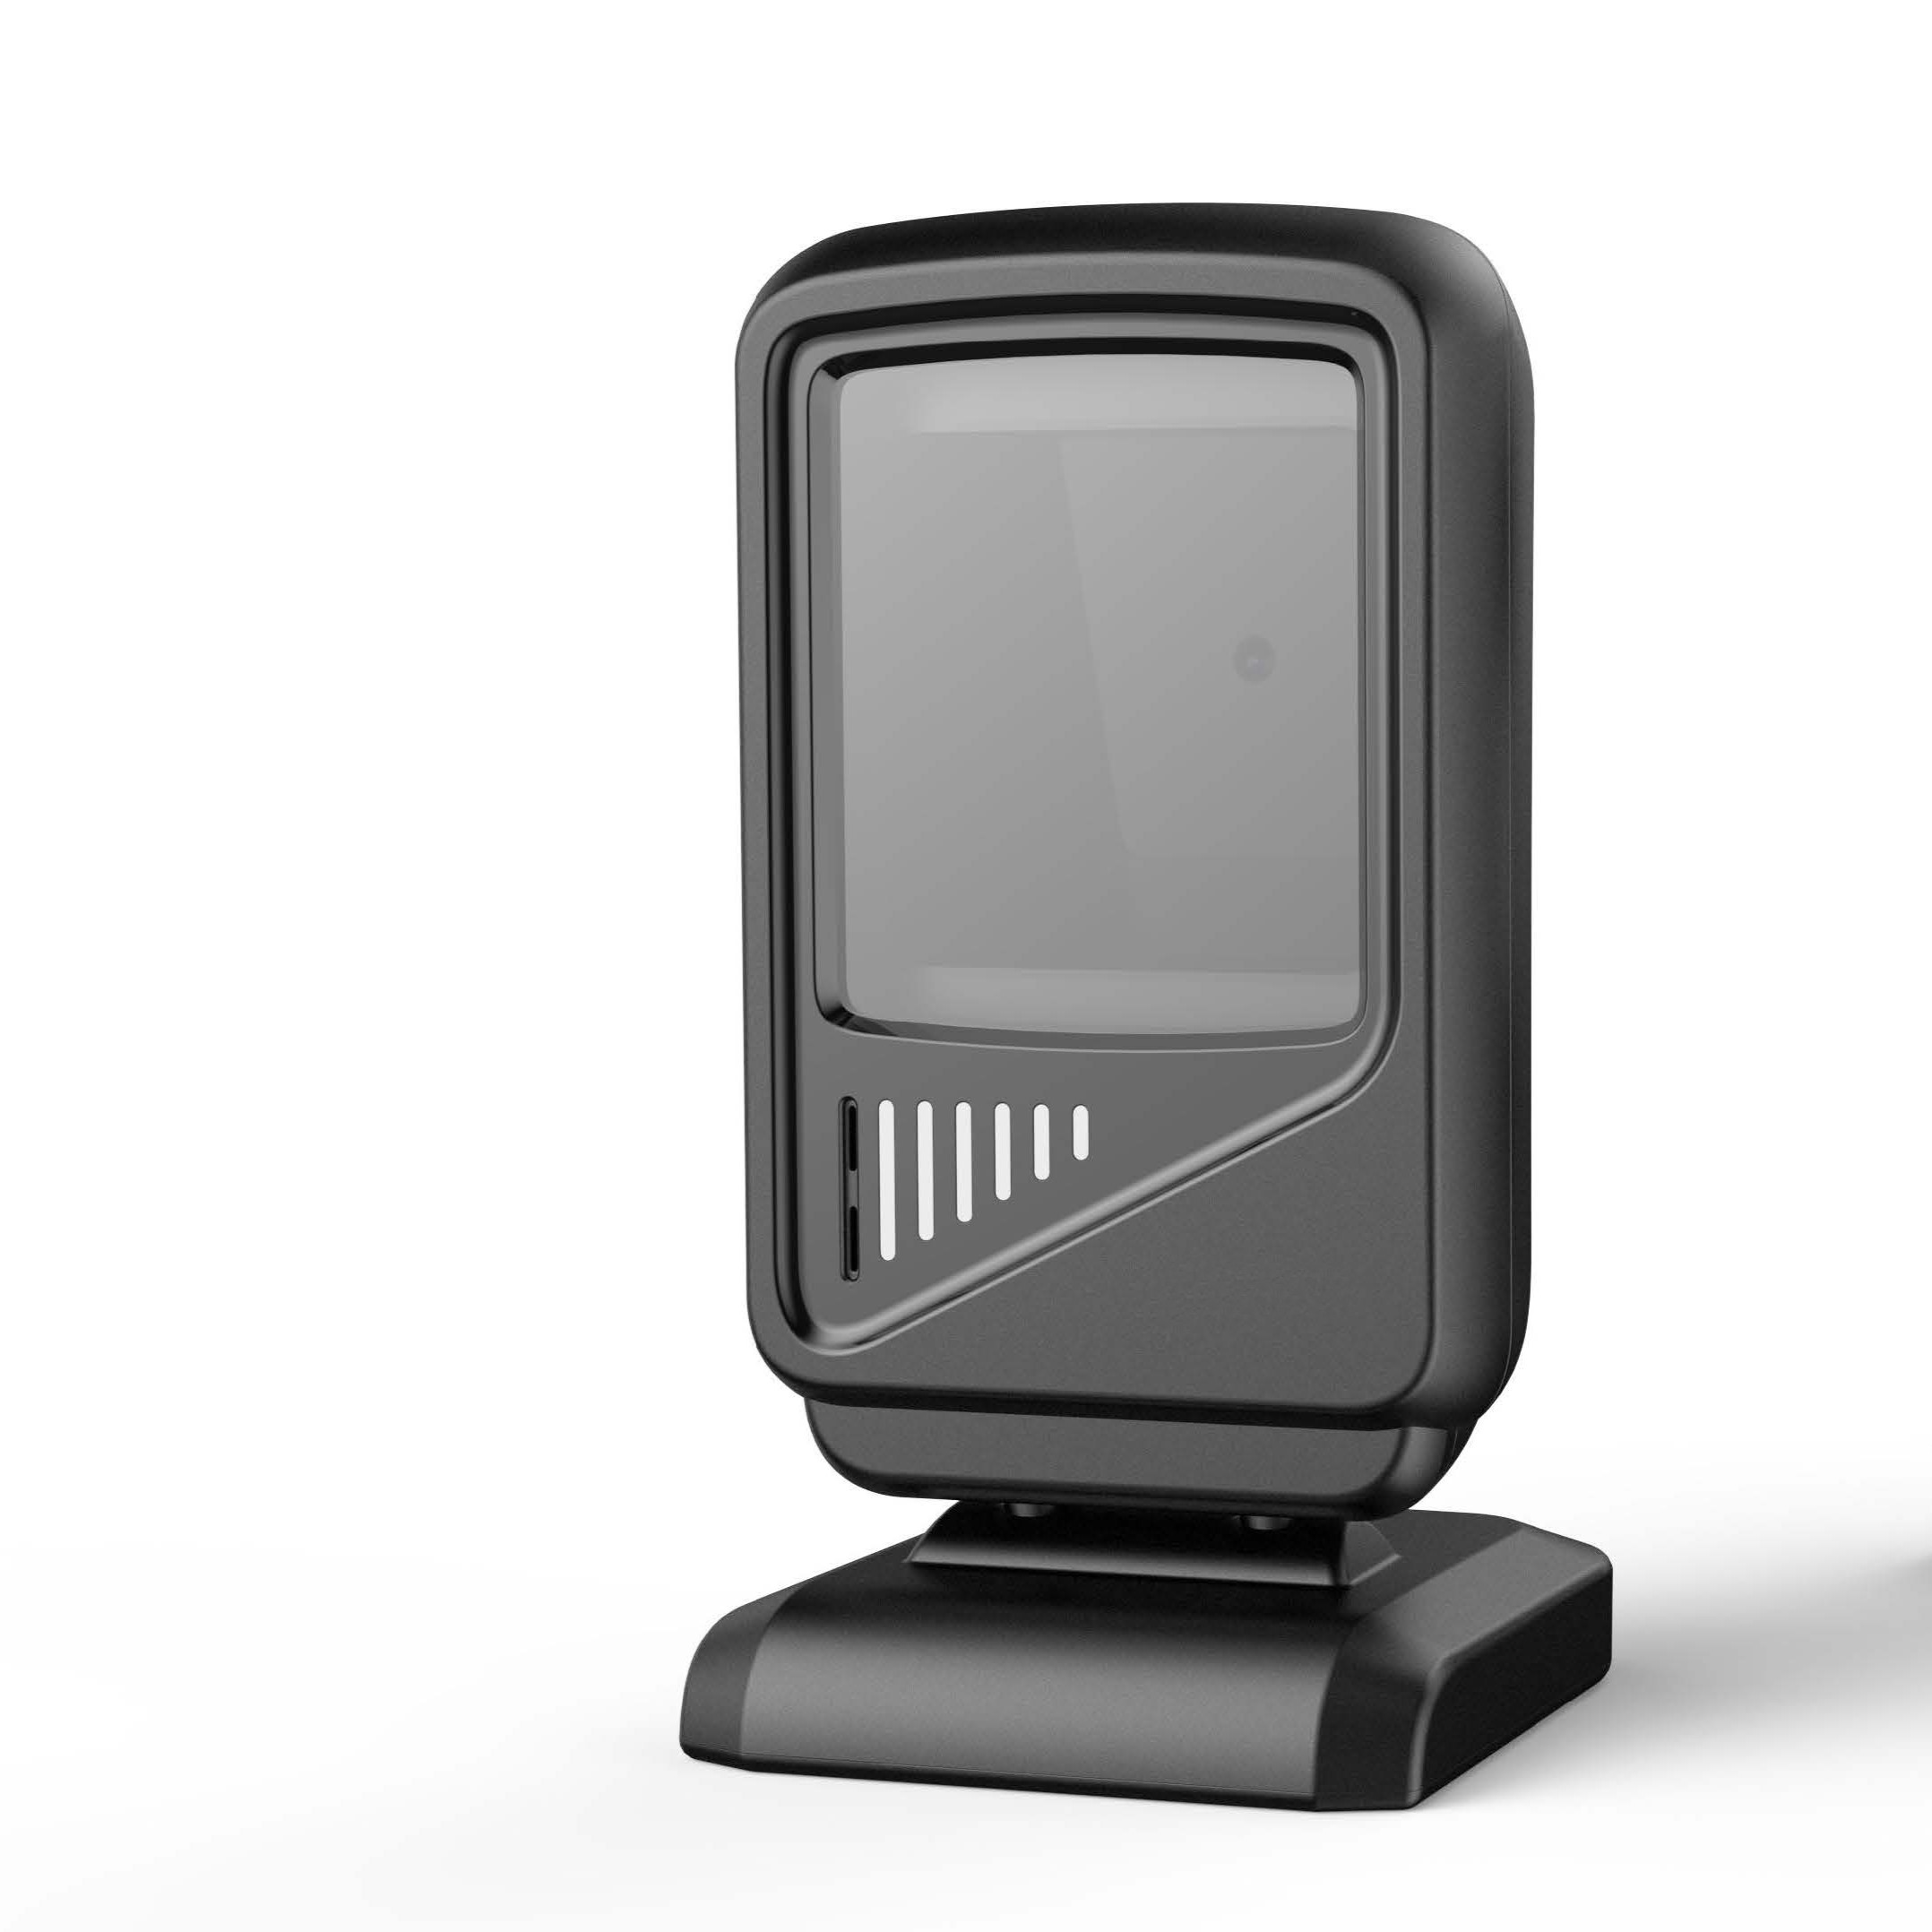
Minimum Resolution |  | 4mil(Code39 , PCS 0 .9)
Reading Range |  | 13mil EAN13 more than 15cm |  | 2D | QR code , Data Matrix , PDF417 , Aztec code . Maxi Code All 2D barcodes
Scan Rate |  | 600 times/S |  | User Environment Drop Speciﬁcations 2 meters fall into concrete for several times
Support System |  | Windows/ Linux/Android/IOS
Processor/Memory |  | ARM 32 /16M Flash |  | Environmental Sealing |  | IP42
Interface |  | USB HID Keyboard/USB COM/ RS232 |  | Operating Temperature |  | - 10 °C to 50 . ° C
Support OS |  | Microsoft Windows XP/7 .0/8 .0/ 10 , Mobile6/Wince , Android , IOS. (without driver) |  | Storage Temperature |  | - 10 °C to 50 . ° C
Scan Mode |  | Trig Mode Continue Mode Auto Sensor Mode |  | Humidity |  | 5% to 95% relative humidity, non-condensing
 |  |  |  | Ambient Litht Immunity |  | 0~80000 lux
 |  |  |  | ESD Protection Functional after 15KV discharge

Wire length |  | 1 .5m
 |  |  |  | Safety& Regulatory
Physical Characteristics |  |  |  | EMC |  | CE FCC ROHS GS
Dimensions L*W* H( 160mm*80mm*50mm) |  |  |  | Safety |  | LED safety IEC62471
Weight | 271g |  |  | Environmental |  | ROHS
Color | Black
 |  |  |  | Accessories
Indication |  | Beep
 |  | LED |  | Cables |  | USB HID/ PS2/ RS232
Voltage |  | Input DC 5V |  | Others |  | Manual
Operating Current |  | Standby Current:20mA Working Current:230mA |  |  |  | Usb receiver
80mm |  |  |  |  |  |  | 50mm
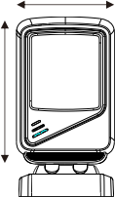
Pay attention to: Do not stare into LED beam
160mm

Manufacturer of Barcode Scanner

