Sheet1 (2)
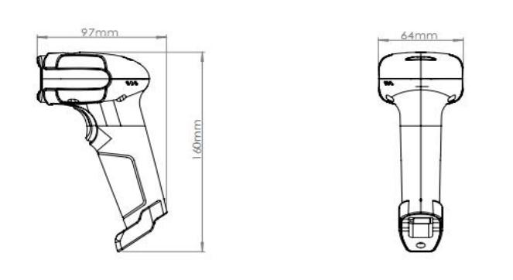
Guangzhou Ibocode Electronic Technology Co., Ltd Address: No. 14, Shetouling 1st Road, Sanlian Village, Lihu Street, Zengcheng District, Guangzhou City, Guangdong Province, China Website: https://www.Ibocode.com Contact Person: Amy Huang Email: amyrinahxy@ibocode.com Telephone/ Skype/ Whatsapp: +86-18826253532
HandHeld 2D Barcode Scanner IBC-2700
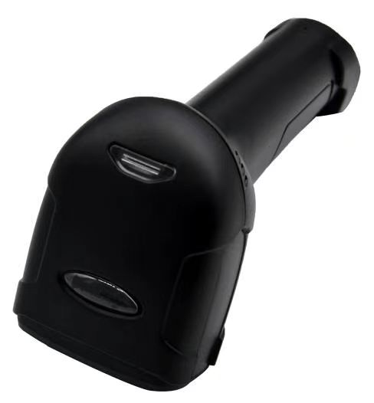
Feature: ● Easy for E-pay barcode reading. ● Much more smoothly to read the screen barcode either 1D and 2D. Support Alipay and Wechat. ● Short power up, hot-plug. ● Widely used in the areas of retail, hospital, logistics, and manufacture.
Physical Characteristics
Dimensions: | 160mm x 64mmx 97mm
Weight: | 140.5g
Voltage: | 5±5%V
Starting Current: | 160mA
Stand-by Current: | 120mA
Work Current: | 330mA
Performance Characteristics
Image (Pixels): | 640 pixels (H)x480 pixels (V)
Light Source: | (Aimer) Red color LED; (Illumination) White color LED
Roll / Pitch / Yaw: | 360°(Roll), ±65°(Skew) , ±65°(Pitch)
Print Contrast: | 20% minimum reflective difference
Interfaces Supported: | USB
Motion Tolerances: | 40cm/s
Symbology Decode Capability
1-D: Codabar, Code 39, Code 32 Pharmaceutical (PARAF), Interleaved 2 of 5, NEC 2 of 5, Code 93, Straight 2 of 5 Industial, Straight 2 of 5 IATA，Matrix 2 of 5，Code 11, Code 128, GS1-128, UPC-A, UPC-E, EAN/JAN-8, EAN/ JAN-13, MSI, GS1 DataBar Omnidirectional, GS1 DataBar Limited, GS1 DataBar Expanded, China Post (Hong Kong 2 of 5), Korea Post. 2-D: Codeblock A, Codeblock F, PDF417, Micro PDF417, GS1 Composite Codes, QR Code, Data Matrix, MaxiCode, Aztec, HANXIN.
Minimum Resolution: ≥4mil
User Environment
Operating Temperature: | -20°C to 60°C
Storage Temperature: | -30°C to 70°C
Humidity: | 5% to 95% relative hum idity,non-condensing
Shock Specifications: | Designed to withstand 1.2m(5’) drops
Ambient Light Immunity: | 0-100,000 Lux.
Decode Ranges
5 mil (code39) | 30mm-80mm
13 mil (code39) | 30mm- 180mm
Performance may be impacted by bar code quality and environmental conditions.
Dimension （unit: mm）

Sheet1 (3)
Guangzhou Ibocode Electronic Technology Co., Ltd Address: No. 14, Shetouling 1st Road, Sanlian Village, Lihu Street, Zengcheng District, Guangzhou City, Guangdong Province, China Website: https://www.Ibocode.com Contact Person: Amy Huang Email: amyrinahxy@ibocode.com Telephone/ Skype/ Whatsapp: +86-18826253532
HandHeld 2D Barcode Scanner IBC-1650S

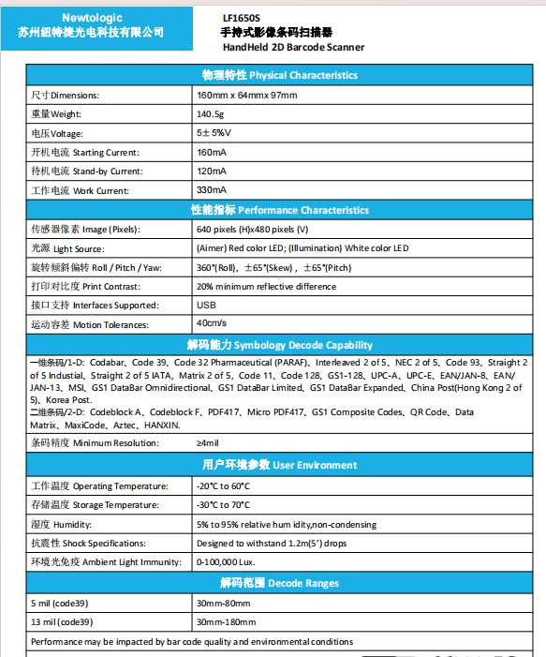
Model No. | IBC-1650
Product Name | HandHeld 1D 2D Wired Barcode Scanner
Physical Characteristics
Dimensions: | 160mm x 64mmx 97mm
Weight: | 140.5g
Voltage: | 5±5%V
Starting Current: | 160mA
Stand-by Current: | 120mA
Work Current: | 330mA
Performance Characteristics
Image (Pixels): | 640 pixels (H)x480 pixels (V)
Light Source: | (Aimer) Red color LED; (Illumination) White color LED
Roll / Pitch / Yaw: | 360°(Roll), ±65°(Skew) , ±65°(Pitch)
Print Contrast: | 20% minimum reflective difference
Interfaces Supported: | USB
Motion Tolerances: | 40cm/s
Symbology Decode Capability
1-D: Codabar, Code 39, Code 32 Pharmaceutical (PARAF), Interleaved 2 of 5, NEC 2 of 5, Code 93, Straight 2 of 5 Industial, Straight 2 of 5 IATA，Matrix 2 of 5，Code 11, Code 128, GS1-128, UPC-A, UPC-E, EAN/JAN-8, EAN/ JAN-13, MSI, GS1 DataBar Omnidirectional, GS1 DataBar Limited, GS1 DataBar Expanded, China Post (Hong Kong 2 of 5), Korea Post. 2-D: Codeblock A, Codeblock F, PDF417, Micro PDF417, GS1 Composite Codes, QR Code, Data Matrix, MaxiCode, Aztec, HANXIN.
Minimum Resolution: ≥4mil
User Environment
Operating Temperature: | -20°C to 60°C
Storage Temperature: | -30°C to 70°C
Humidity: | 5% to 95% relative hum idity,non-condensing
Shock Specifications: | Designed to withstand 1.2m(5’) drops
Ambient Light Immunity: | 0-100,000 Lux.
Decode Ranges
5 mil (code39) | 30mm-80mm
13 mil (code39) | 30mm- 180mm
Performance may be impacted by bar code quality and environmental conditions.

