Sheet2
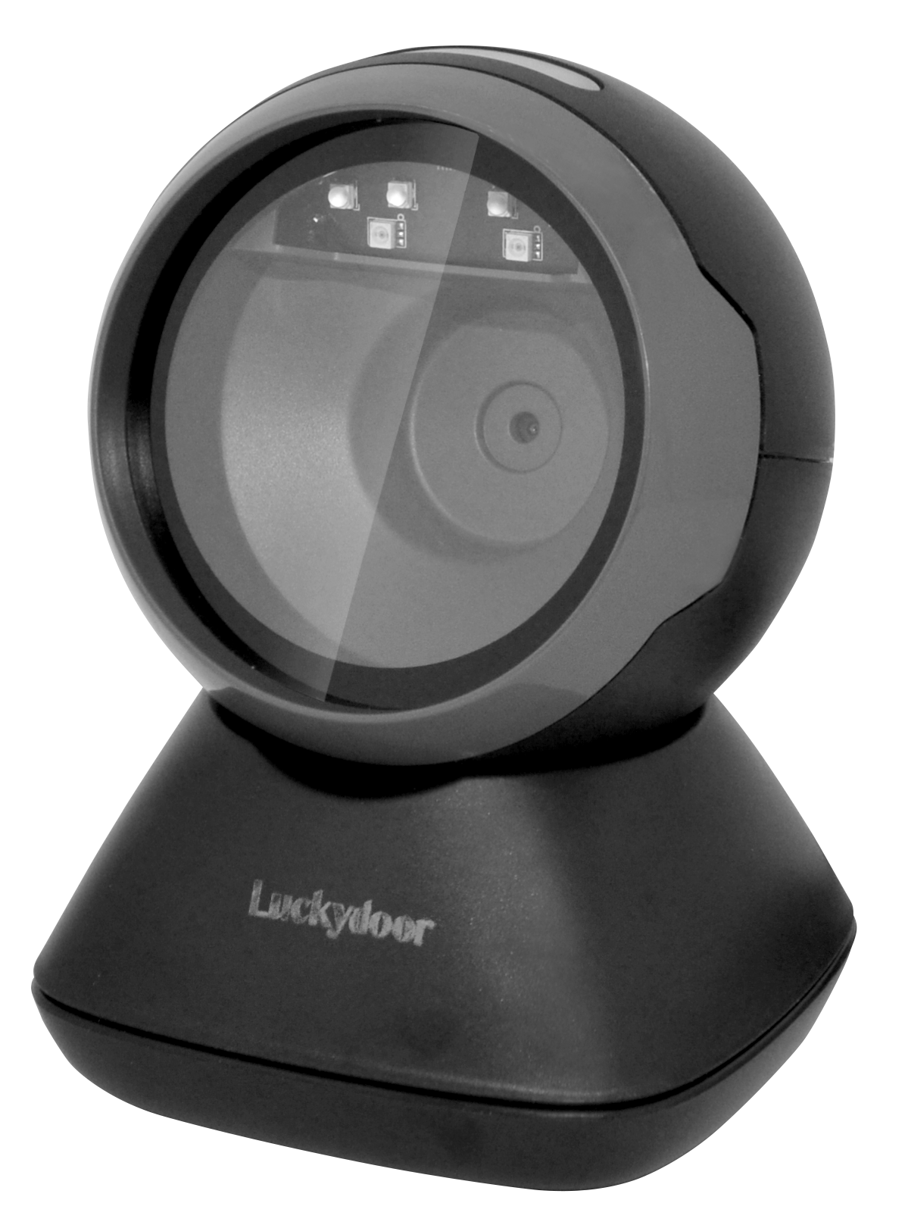
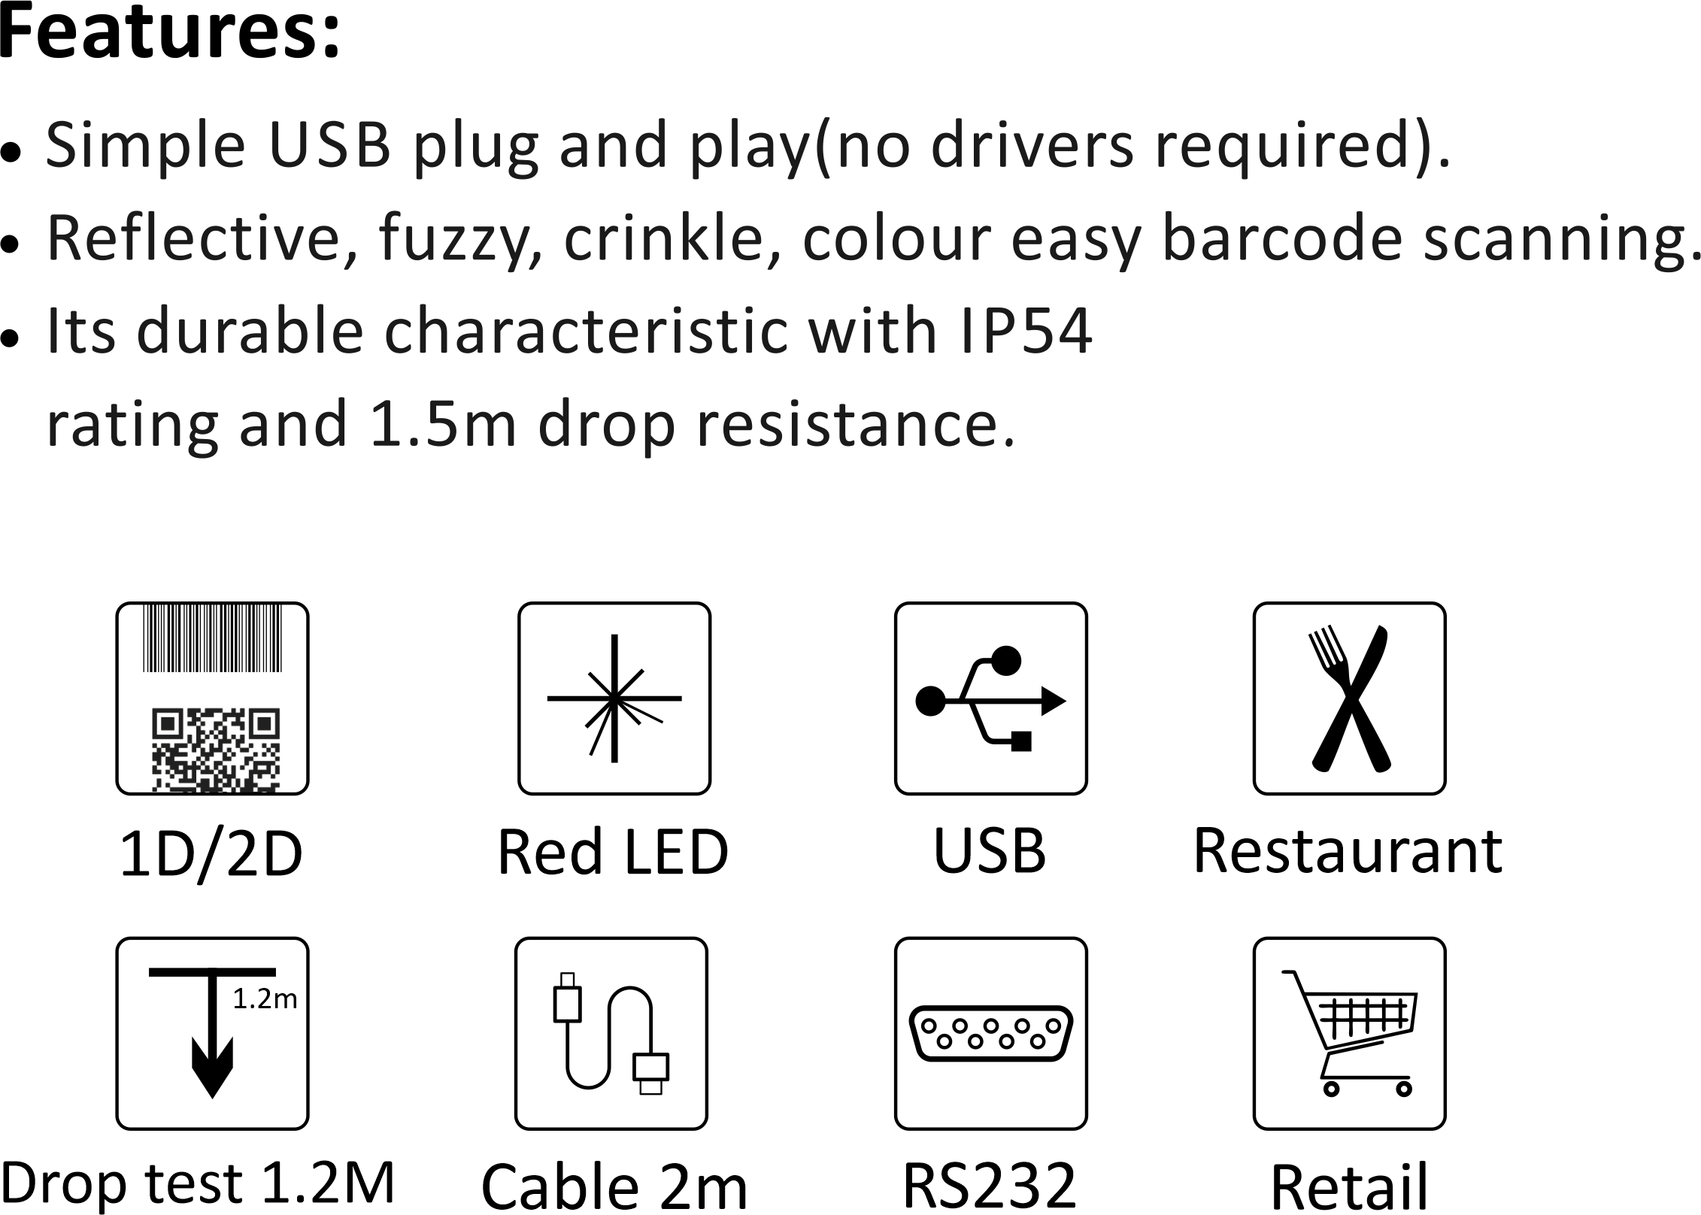

K-920
2D Desktop Scanner

Performance Parameters

Physical Parameters
Light Source | Red LED (lighting) 650nm LED
Dedcode Capability | 1D: Codabar, Code93, Code93, NEC 2 of 5,
 | Code32 Pharmceutical(PARAF), Code11, | Dimension | 137.4mm*99.8mm*96.5mm
 | Interleaved 2 of 5, Straight 2 of 5 Industial, | Weight | 262.5g
 | Straight 2 of 5 IATA, Matrix 2 of 5, Code128, | Material | ABS+PC
 | GS1-128, UPC-A, UPC-E, MSI, EAN/JAN-8, | Cable | 2M straight
 | EAN/JAN-13, GS1 DataBar Omnidirectional,
 | GS1 DataBar Limited, GS1 DataBar Expanded,
Environmental Parameters
 | China Post(HongKong 2 of 5), Kroea Post
 | 2D: PDF417,QR Code, MicroPDF417,
 | Australian Post, Canada Post, Japan Post, | Operating Temperature | -20℃~60℃
 | MaxiCode, Codablock, Aztec, Dutch Post, | Storage Temperature | -30℃~70℃
 | Data Matrix, etc. | Humidity | 5%~95%RH (Non-condensing)
Sensor pixel | CMOS 640 pixels (horizontal) x 480 | Drop Resistance | Withstands multiple 1.2m
 | pixels (vertical) |  | drops to concrete
Scan Speed | ≥4m
Electrical Parameters
Depth of field | Code39(5mil) 0-7mm; QR(20mil)0-11mm;
 | Code39(13mil) 0-17mm
Field of view | 39°(horizontal) x 29°(vertical) | Voltage | 5±5%V
Optical system | Deflection 360° Tilt ±65° Rotation ±65° | Current | 235mA
Contrast | 20% | Working current | 315mA
Motion tolerance | >40cm/s | Start-up current | 320mA
Interface | USB

Sheet1
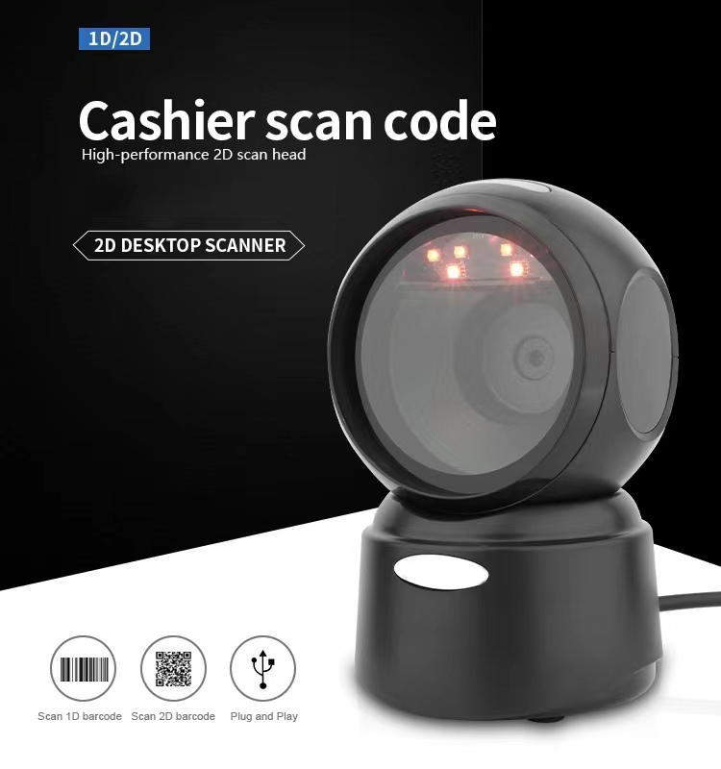
Model | IBC-4030
Item | Wired 2D Image Desktop barcode scanner
Light Source | Red LED (lighting) 650nm LED
Dedcode Capability | 1D: Codabar, Code93, Code93, NEC 2 of 5, Code32 Pharmceutical(PARAF), Code11, Interleaved 2 of 5, Straight 2 of 5 Industial, Straight 2 of 5 IATA, Matrix 2 of 5, Code128, GS1-128, UPC-A, UPC-E, MSI, EAN/JAN-8, EAN/JAN-13, GS1 DataBar Omnidirectional, GS1 DataBar Limited, GS1 DataBar Expanded, China Post (HongKong 2 of 5), Kroea Post
 | 2D: PDF417,QR Code, MicroPDF417, Australian Post, Canada Post, Japan Post, MaxiCode, Codablock, Aztec, Dutch Post, Data Matrix, etc.
Sensor pixel | CMOS 640 pixels (horizontal) x 480 pixels (vertical)
Scan Speed | ≥4m
Depth of field | Code39(5mil) 0-7mm; QR(20mil)0-11mm;
 | Code39(13mil) 0-17mm
Field of view | 39°(horizontal) x 29°(vertical)
Optical system | Deflection 360° Tilt ±65° Rotation ±65°
Contrast | 20%
Motion tolerance | >40cm/s
Interface | USB
Dimension | 137.4mm*99.8mm*96.5mm
Weight | 262.5g
Material | ABS+PC
Cable | 2M straight
Operating Temperature | -20℃~60℃
Storage Temperature | -30℃~70℃
Humidity | 5%~95%RH (Non-condensing)
Drop Resistance | Withstands multiple 1.2m drops to concrete
Voltage | 5±5%V
Current | 235mA
Working current | 315mA
Start-up current | 320mA

