Sheet1
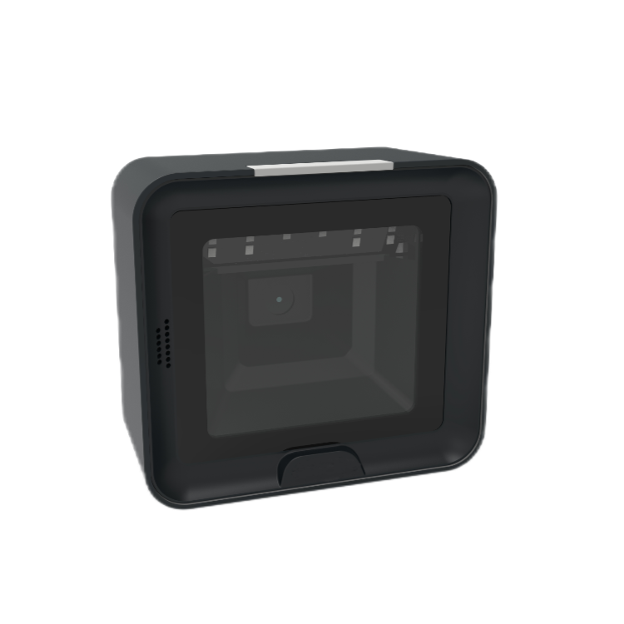
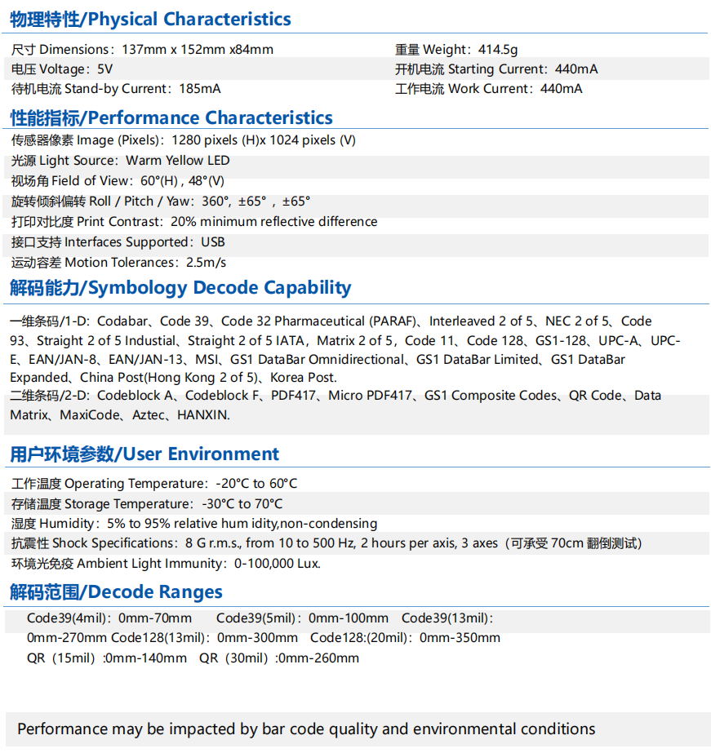
Product Name: Platform Barcode Reader
Model: IBC-4620
Physical Characteristics
Dimensions: 137mm x 152mm x84mm
Weight: 414.5g
Voltage: 5V
Starting Current: 440mA
Work Current: 185mA
Stand-by Current: 440mA
Performance Characteristics
Image (Pixels): 1280 pixels (H)x 1024 pixels (V)
Light Source: Warm Yellow LED
Field of View: 60°(H) , 45°(V)
Roll / Pitch / Yaw: 360°, ±65° , ±65°
Print Contrast: 20% minimum reflective difference
Interfaces Supported: USB
Motion Tolerances: 2.5m/s
Symbology Decode Capability
1D: Codabar, Code 39, Code 32 Pharmaceutical (PARAF), Interleaved 2 of 5, NEC 2 of 5, Code 93, Straight 2 of 5 Industial, Straight 2 of 5 IATA，Matrix 2 of 5，Code 11, Code 128, GS1-128, UPC-A, UPC-E, EAN/JAN-8, EAN/JAN-13, MSI, GS1 DataBar Omnidirectional, GS1 DataBar Limited, GS1 DataBar Expanded, China Post (Hong Kong 2 of 5), Korea Post. 2D: Codeblock A, Codeblock F, PDF417, Micro PDF417, GS1 Composite Codes, QR Code, Data Matrix, MaxiCode, Aztec, HANXIN.
User Environment
Operating Temperature: -20°C to 60°C
Storage Temperature: -30°C to 70°C
Humidity: 5% to 95% relative hum idity,non-condensing
Shock Specifications: 8 G r.m.s., from 10 to 500 Hz, 2 hours per axis, 3 axes (Can withstand 70cm tipover test)
Ambient Light Immunity: 0-100,000 Lux.
Decode Ranges
Code39 (4mil): 0mm-70mm; Code39 (5mil): 0mm-100mm; Code39 (13mil): 0mm-270mm; Code128 (13mil): 0mm-300mm; Code128 (20mil): 0mm-350mm; QR (15mil): 0mm-140mm; QR (30mil): 0mm-260mm
Performance may be impacted by bar code quality and environmental conditions

