Electronics Motion Parts
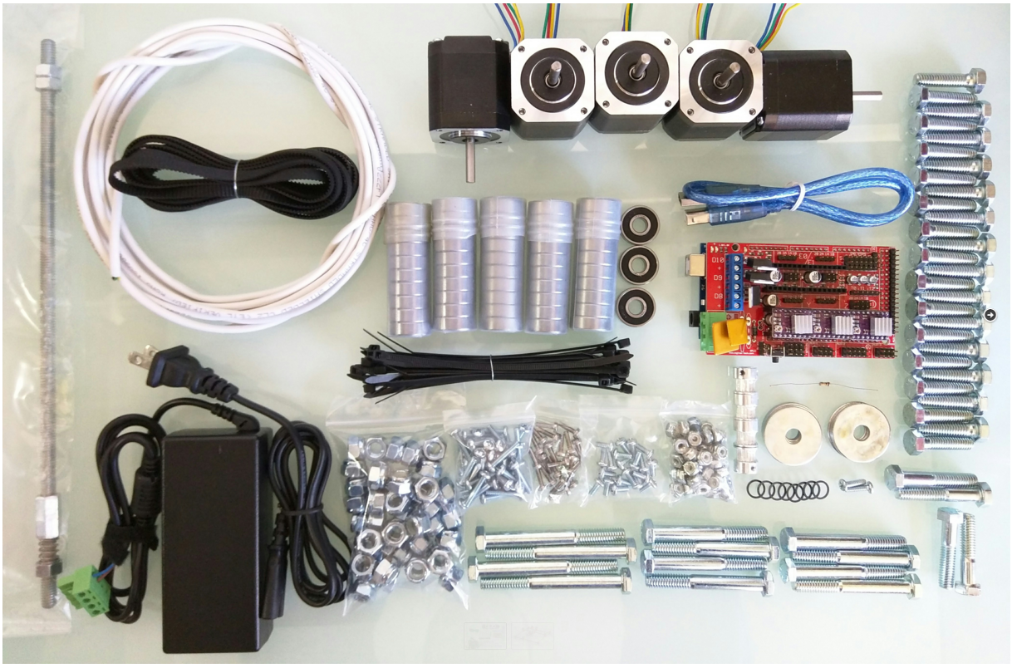
Part | Link | Qty | Price | Buying
Ramps 1.4 Shield | http://nasspop.co.kr/product/detail.html?product_no=75&cate_no=63&display_group=1 | 1 | ₩8,500 | X
Arduino Mega 2560 | http://nasspop.co.kr/product/detail.html?product_no=77&cate_no=63&display_group=1 | 1 | ₩15,000 | X
DRV8825 Drivers + Heat Sinks | http://nasspop.co.kr/product/detail.html?product_no=103&cate_no=63&display_group=1 | 3 | ₩8,700 | 3
12v 5A power supply | http://nasspop.co.kr/product/detail.html?product_no=132&cate_no=75&display_group=1 | 1 | ₩14,000 | X
GT2 belt (4M = 24″x24″) | http://nasspop.co.kr/product/detail.html?product_no=25&cate_no=71&display_group=1 | 1 | ₩6,000 | 1
GT2 16T Pulley | http://nasspop.co.kr/product/detail.html?product_no=26&cate_no=71&display_group=1 | 4m | ₩6,000 | 1
608 Bearings (2-RS, Z, ZZ) | http://nasspop.co.kr/product/detail.html?product_no=47&cate_no=72&display_group=1 | 53 | ₩12,000 | 1
Conduit 3/4″ emt (23.5mm OD, IE version 25mm OD) | http://www.11st.co.kr/product/SellerProductDetail.tmall?method=getSellerProductDetail&prdNo=1133282774&xfrom=&xzone= | 6m | ₩23,400 | 1
Nema 17 Steppers | http://nasspop.co.kr/product/detail.html?product_no=18&cate_no=62&display_group=1#none | 5 | ₩77,500 | 3
12864 GLCD | http://nasspop.co.kr/product/detail.html?product_no=89&cate_no=63&display_group=1 | 1 | ₩15,000 | 1
Resistor 100 ohm |  | 1 |  | X

Stranded Shielded 4 Wire |  | ≅15ft |  | X
DuPont connectors (3×4 & 1×2) |  | 4 |  | X
Zip Ties |  | ≥20 |  | X
 |  |  | ₩186,100
Spindle Options
Dewalt 660 (Beast!) | http://amzn.to/1VyeDY6 | 1
or Dremel 300 |  | 1

3D Printer Options
3D printer extruder | http://www.aliexpress.com/item/12-24V-Fan-3D-Printer-head-Makerbot-3D-Printer-single-exturder-MK8-Extruder-Free-Shipping/1987122502.html | 1 | ₩31,536 | 1

Laser Options
500mw 405NM focusing blue purple laser module laser engraving TTL module | http://www.aliexpress.com/item/500mw-405NM-focusing-blue-purple-laser-module-laser-engraving-TTL-module-500mw-laser-tube-Laser-module/32562052620.html | 1 | ₩46,200

Roland Drag Knife Options
Gcc Sign pal Vinyl Cutter Blade Holder + 5 pcs 45 + 5 pcs 60 Degree | http://www.aliexpress.com/item/1pc-Gcc-Signpal-Vinyl-Cutter-Blade-Holder-5-pcs-45-5-pcs-60-Degree-Roland-Liyu/32336073909.html | 1 | ₩20,388

 |  |  | ₩98,124

assemble_cornor_block
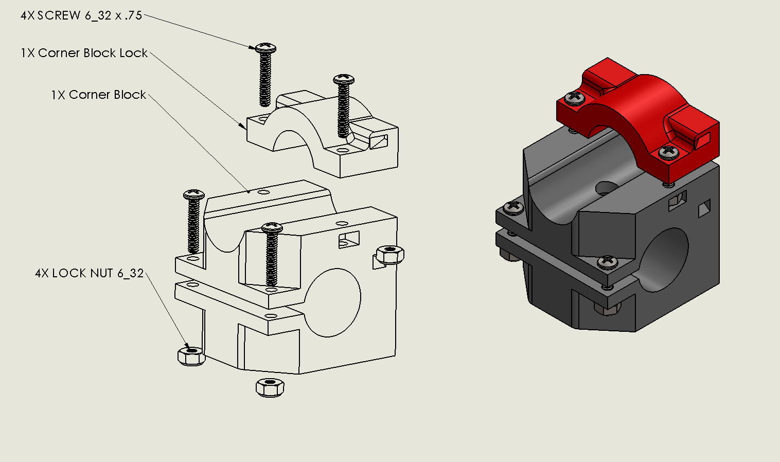

https://youtu.be/g01UwQhFxdI

assemble_roller
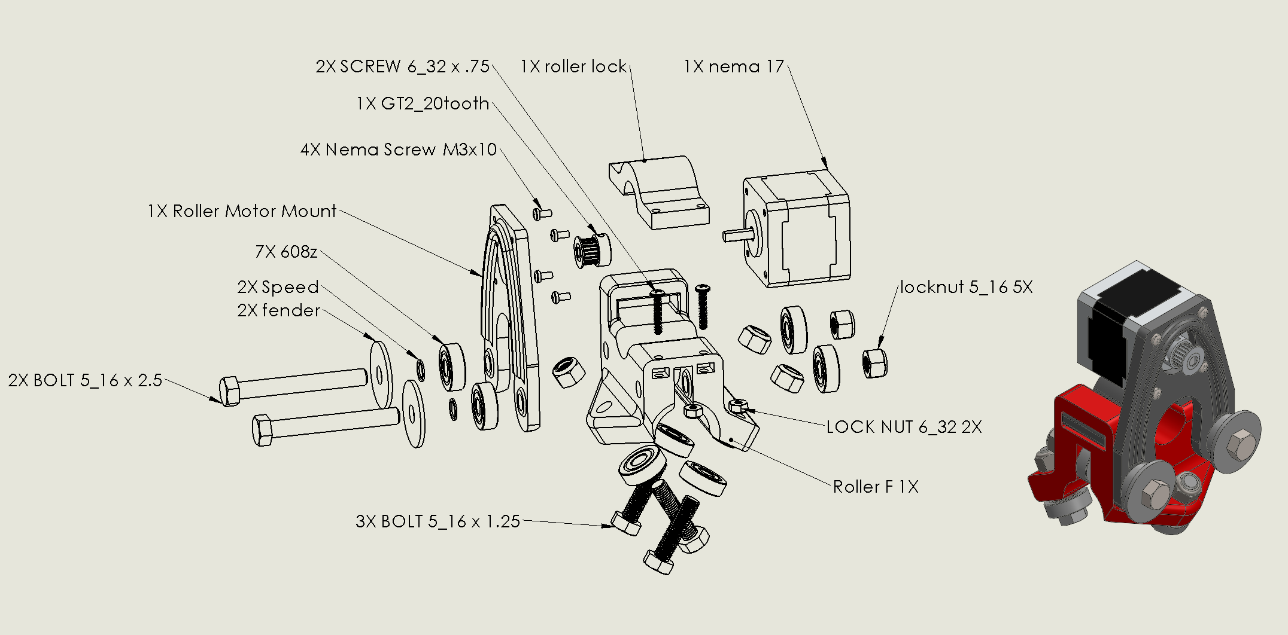

https://youtu.be/mri-6v6uIMo

assemble_z_mount
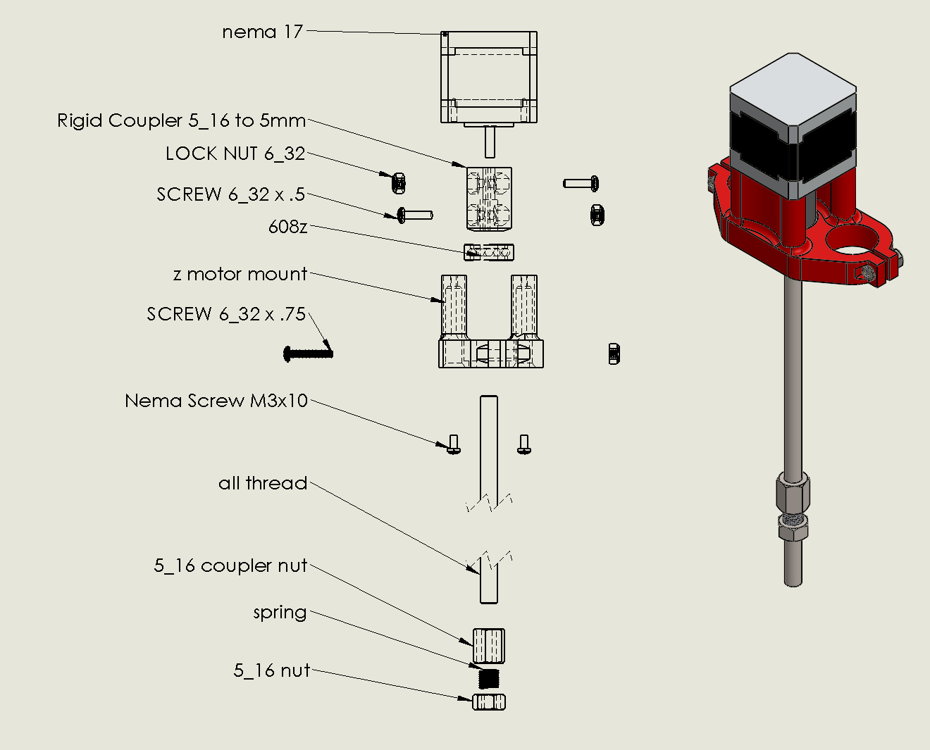

https://youtu.be/Apgp4XfpfwM

assemble_middle
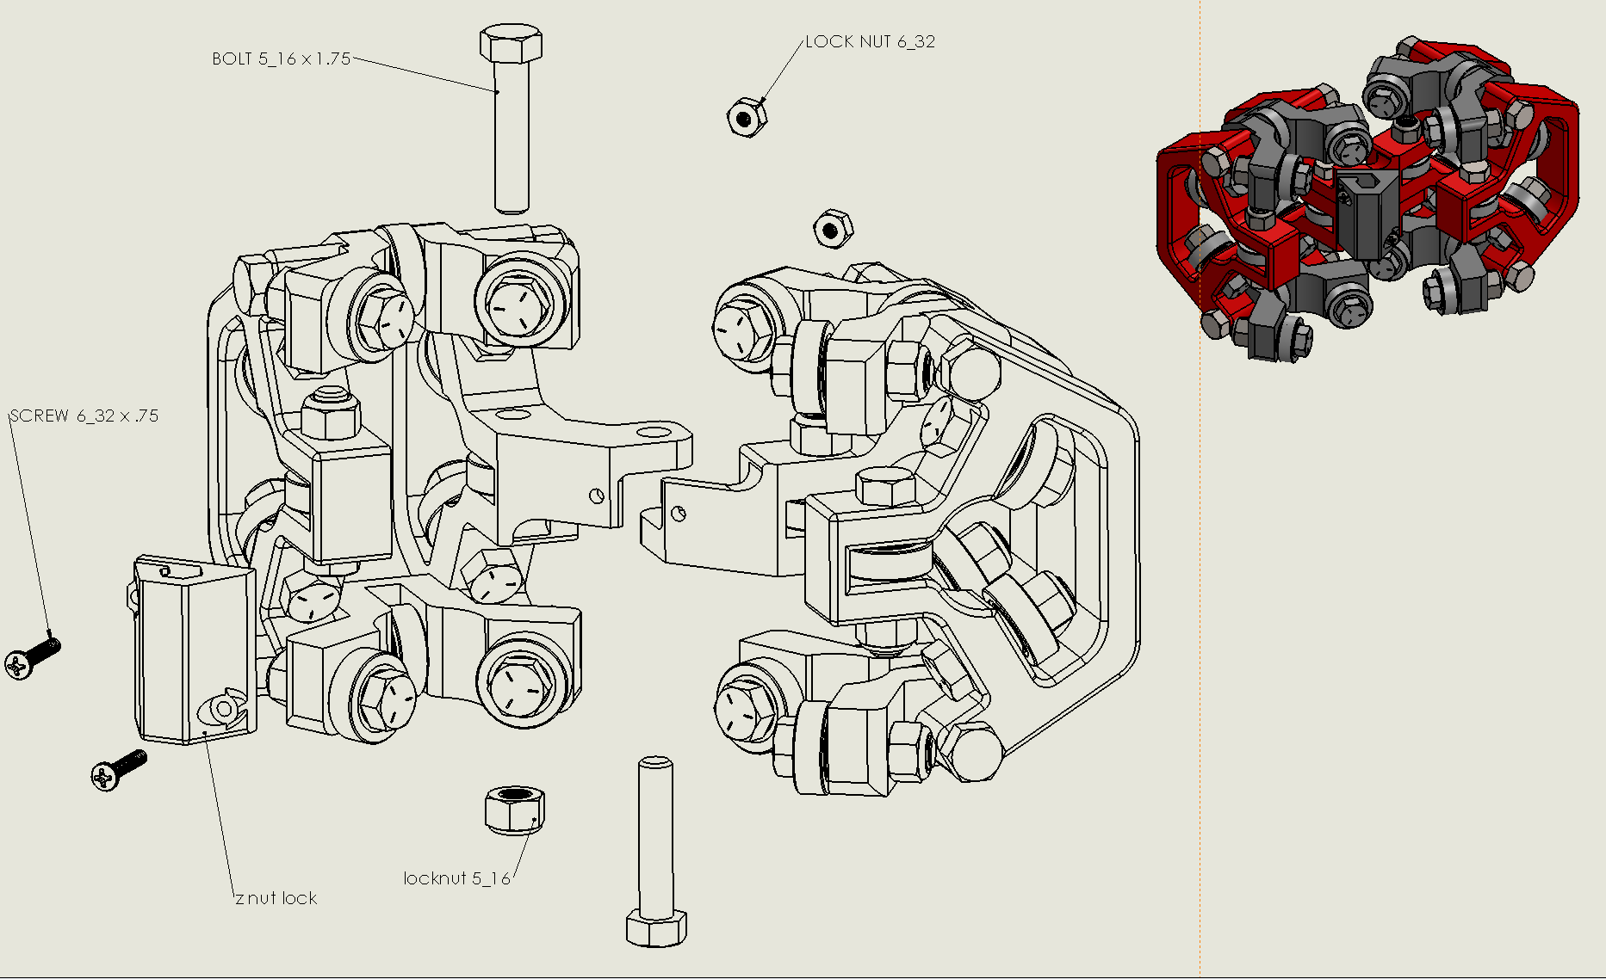
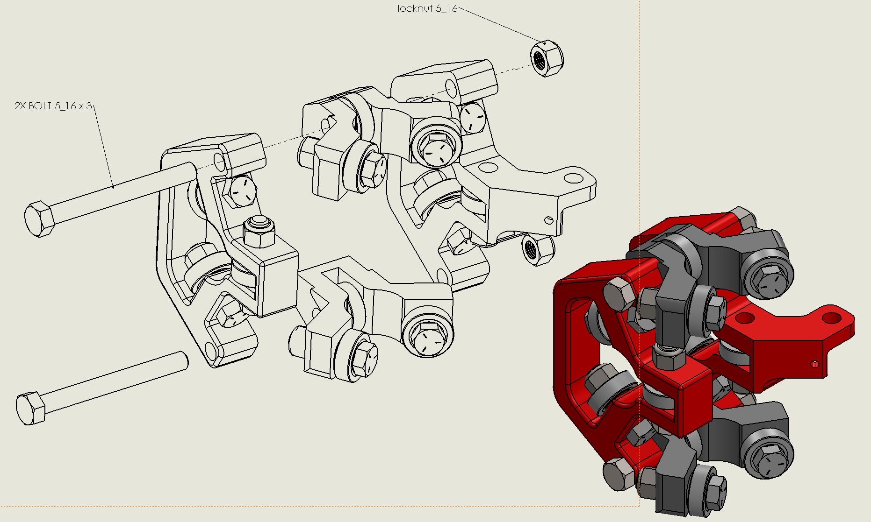
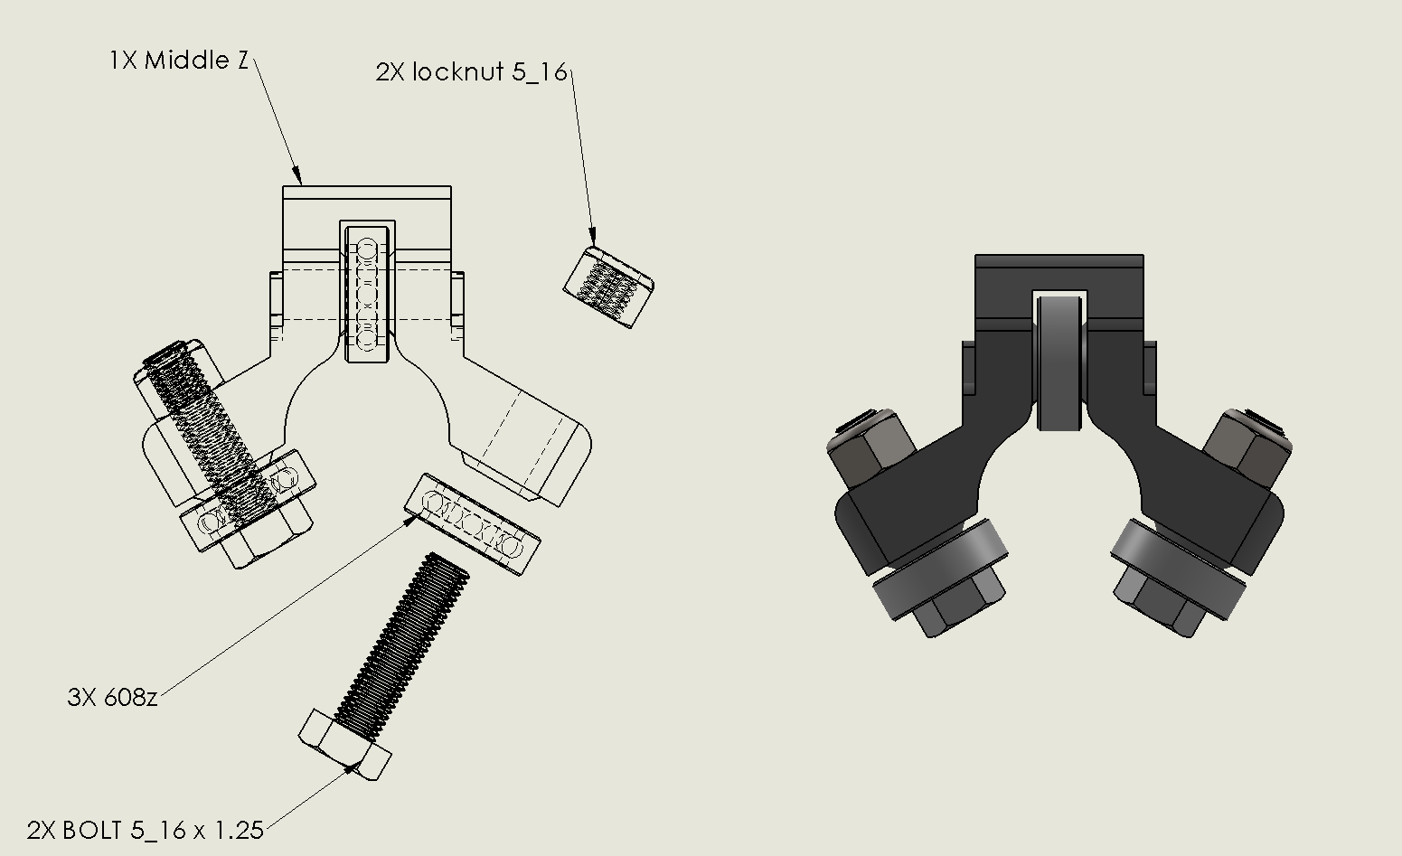
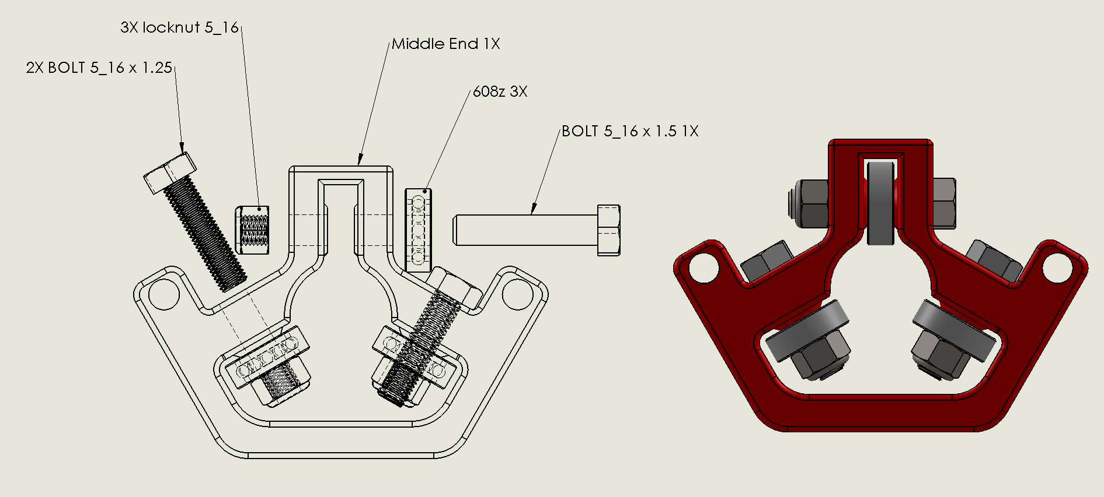
http://www.vicious1.com/assembly/middle/

