Electronics Motion Parts
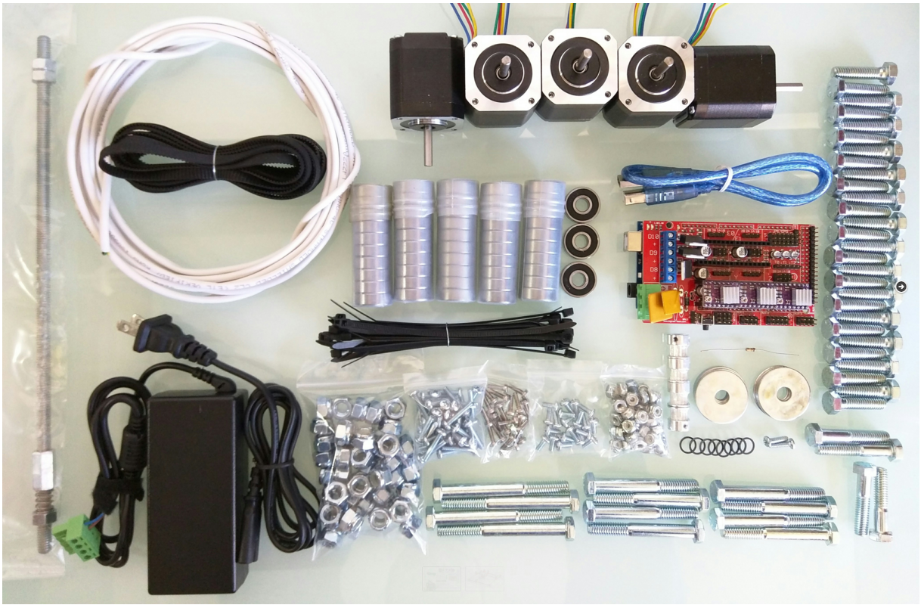
Part | Link | Qty | Price | Buying
Ramps 1.4 Shield | http://nasspop.co.kr/product/detail.html?product_no=75&cate_no=63&display_group=1 | 1 | ₩8,500 | X
Arduino Mega 2560 | http://nasspop.co.kr/product/detail.html?product_no=77&cate_no=63&display_group=1 | 1 | ₩15,000 | X
DRV8825 Drivers + Heat Sinks | http://nasspop.co.kr/product/detail.html?product_no=103&cate_no=63&display_group=1 | 3 | ₩8,700 | 3
12v 5A power supply | http://nasspop.co.kr/product/detail.html?product_no=132&cate_no=75&display_group=1 | 1 | ₩14,000 | X
GT2 belt (4M = 24″x24″) | http://nasspop.co.kr/product/detail.html?product_no=25&cate_no=71&display_group=1 | 1 | ₩6,000 | 1
GT2 16T Pulley | http://nasspop.co.kr/product/detail.html?product_no=26&cate_no=71&display_group=1 | 4m | ₩6,000 | 1
608 Bearings (2-RS, Z, ZZ) | http://nasspop.co.kr/product/detail.html?product_no=47&cate_no=72&display_group=1 | 53 | ₩12,000 | 1
Conduit 3/4″ emt (23.5mm OD, IE version 25mm OD) | http://www.11st.co.kr/product/SellerProductDetail.tmall?method=getSellerProductDetail&prdNo=1133282774&xfrom=&xzone= | 6m | ₩23,400 | 1
Nema 17 Steppers | http://nasspop.co.kr/product/detail.html?product_no=18&cate_no=62&display_group=1#none | 5 | ₩77,500 | 3
12864 GLCD | http://nasspop.co.kr/product/detail.html?product_no=89&cate_no=63&display_group=1 | 1 | ₩15,000 | 1
Resistor 100 ohm |  | 1 |  | X

Stranded Shielded 4 Wire |  | ≅15ft |  | X
DuPont connectors (3×4 & 1×2) |  | 4 |  | X
Zip Ties |  | ≥20 |  | X
 |  |  | ₩186,100
Spindle Options
Best option
Dewalt 660 (Beast!) | http://amzn.to/1VyeDY6 | 1
Second Choice
Flex shaft 1/4 HP | http://amzn.to/1CxOqmt | 1
44T for the collets | http://amzn.to/1L04pwh | 1
White lithium | http://amzn.to/1O3LtLq | 1

assemble_cornor_block
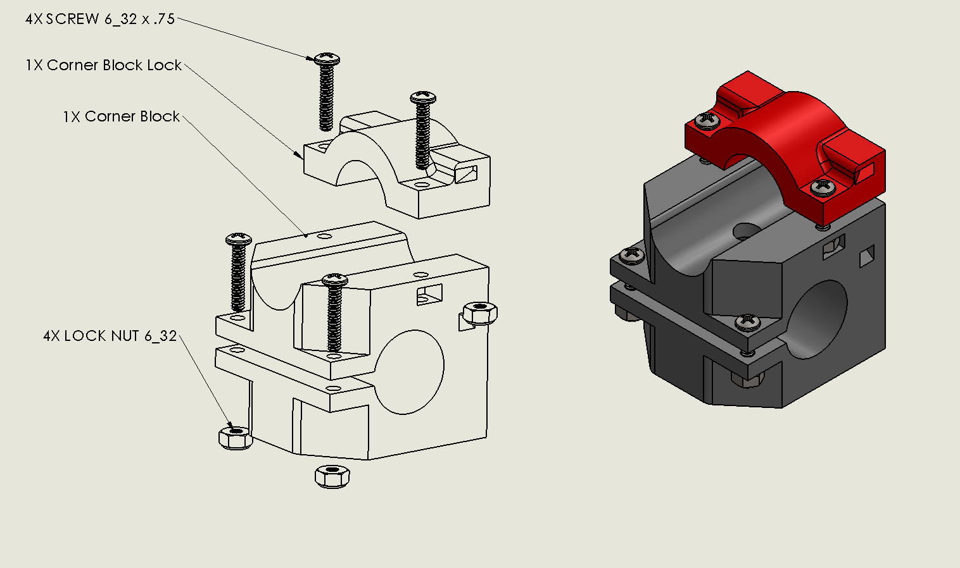

https://youtu.be/g01UwQhFxdI

assemble_roller
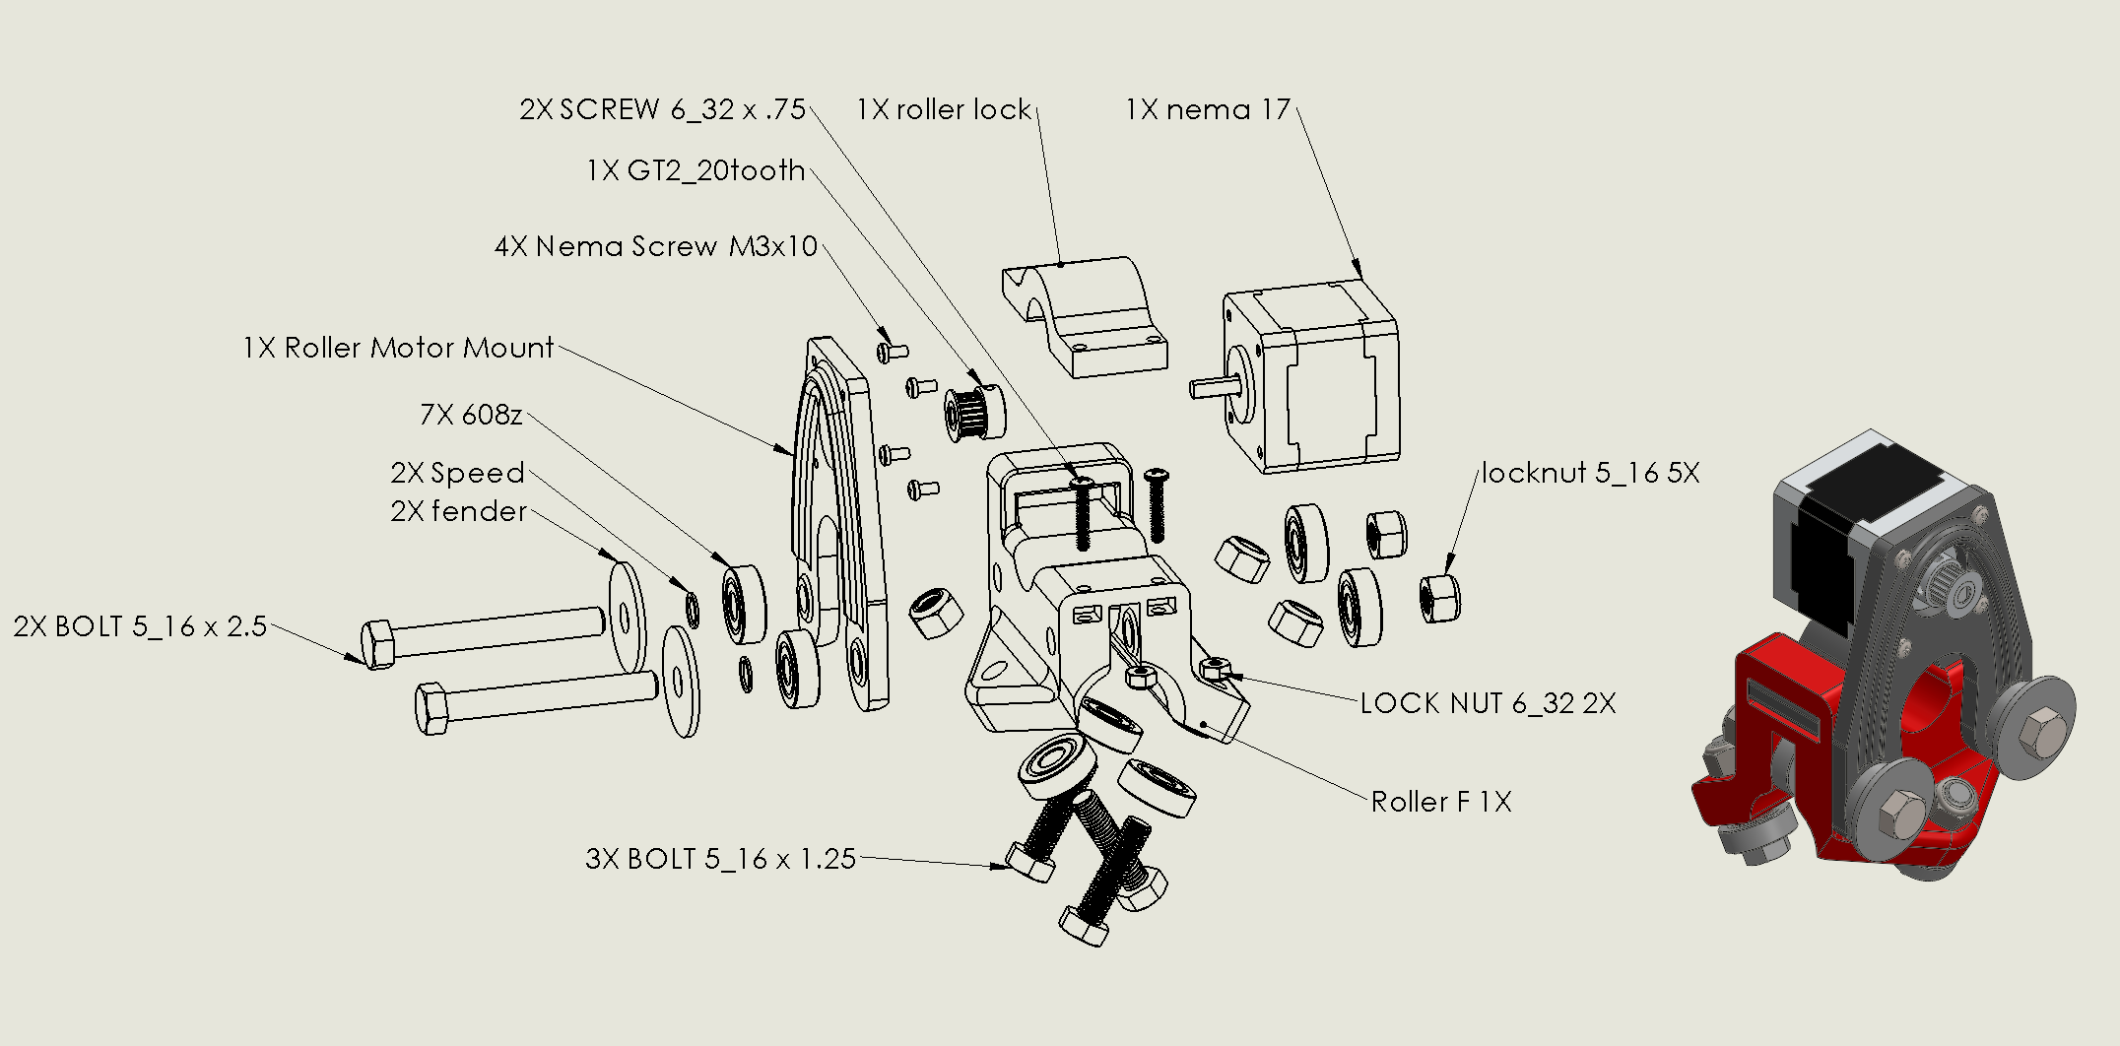

https://youtu.be/mri-6v6uIMo

assemble_z_mount
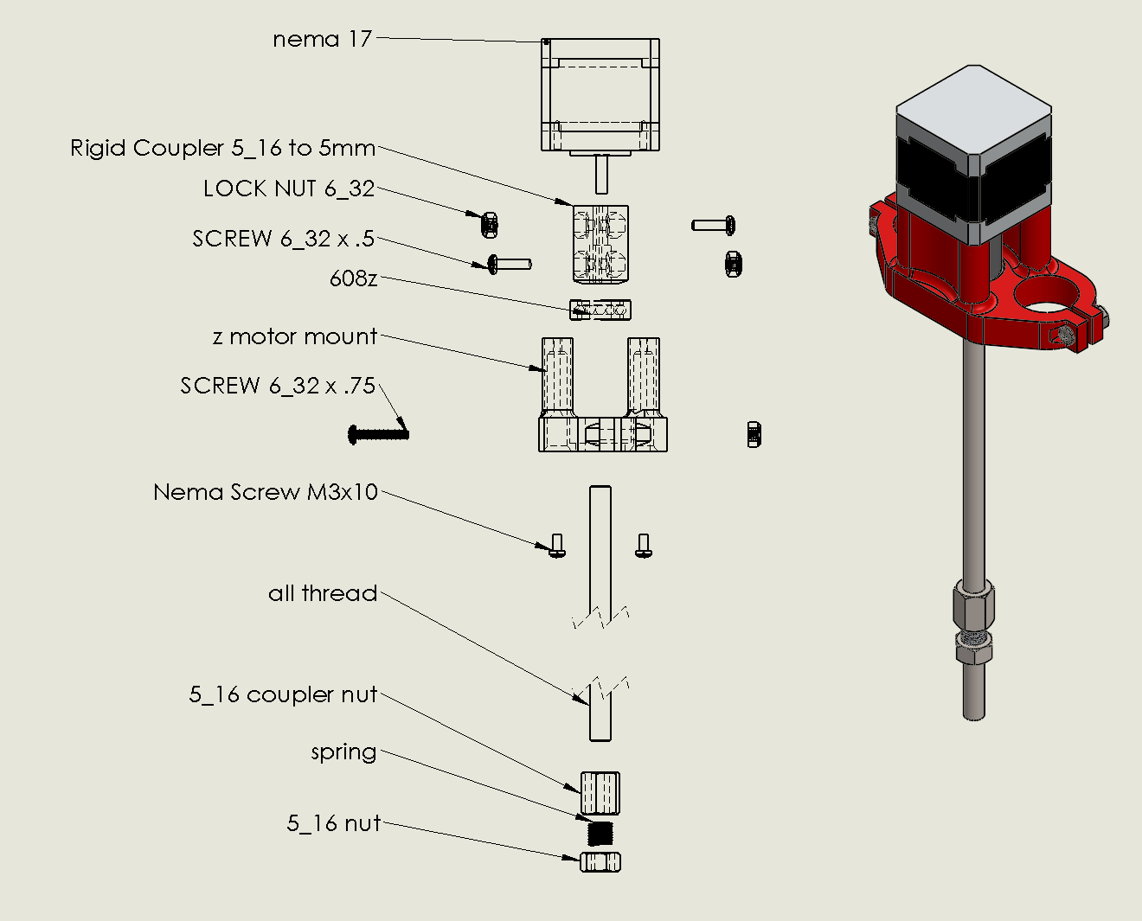

https://youtu.be/Apgp4XfpfwM

assemble_middle
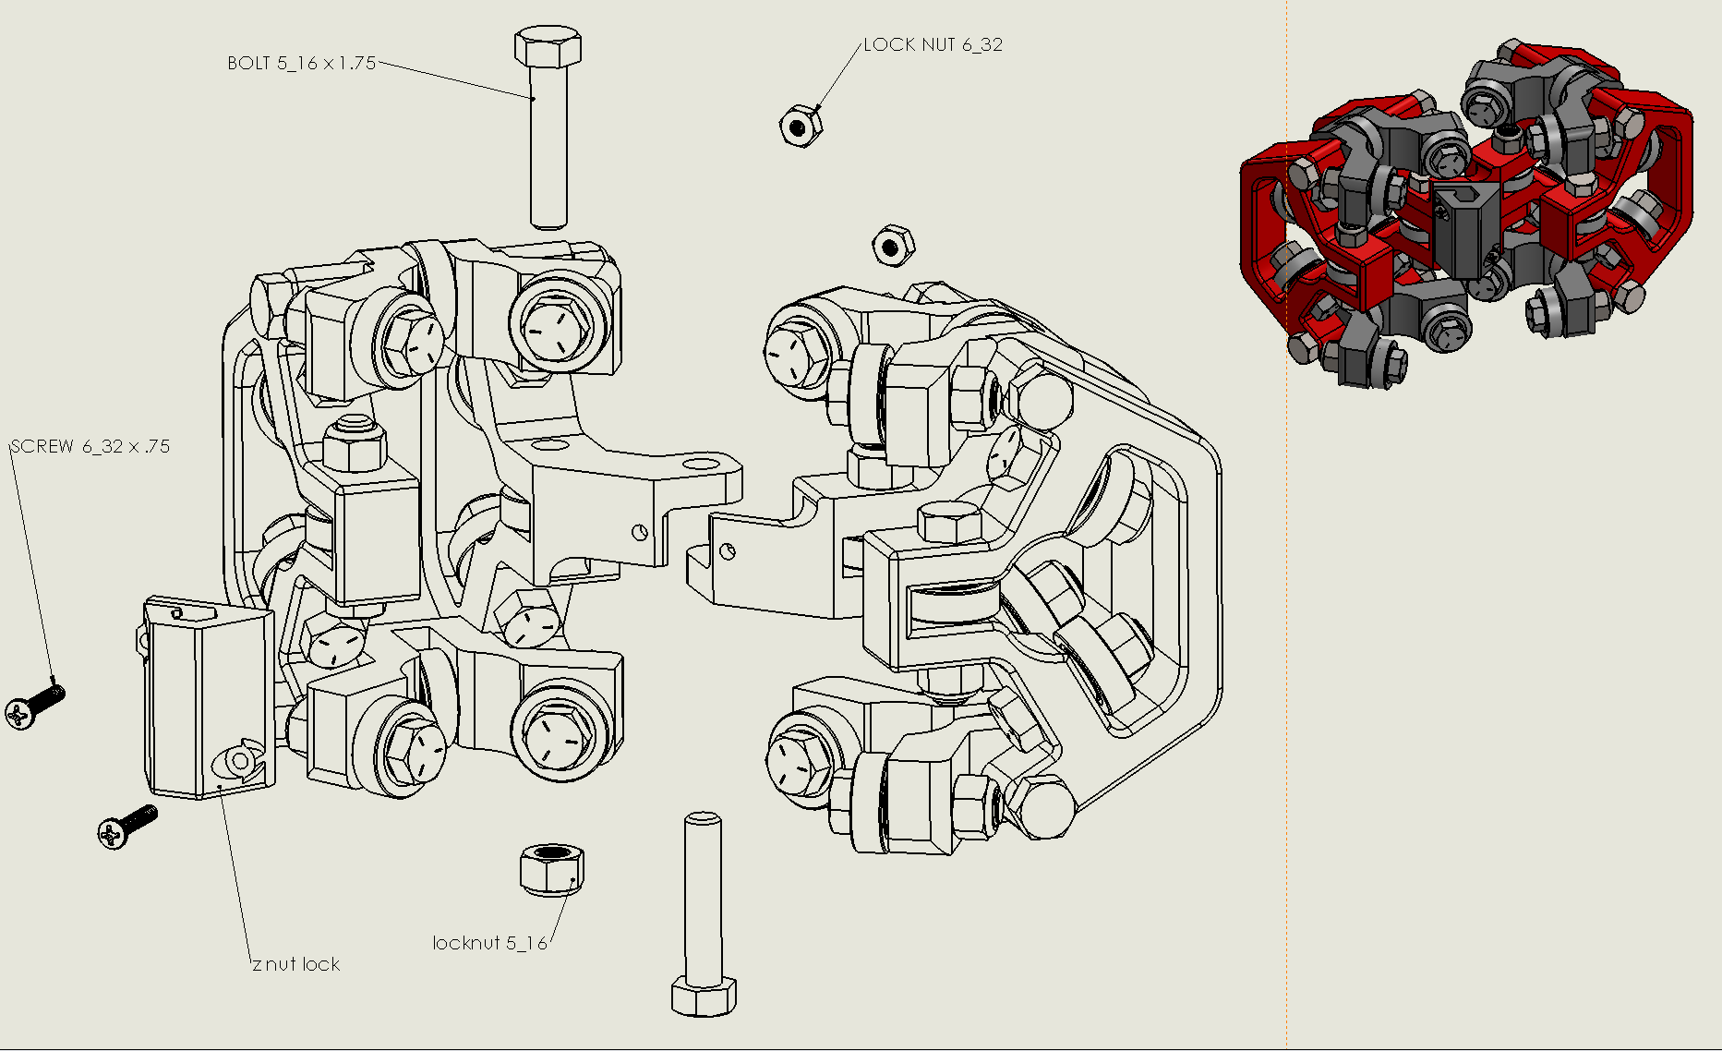
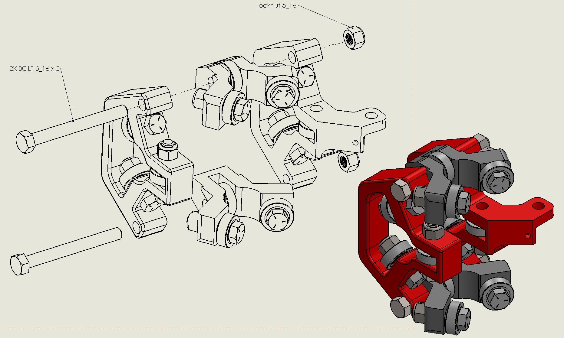
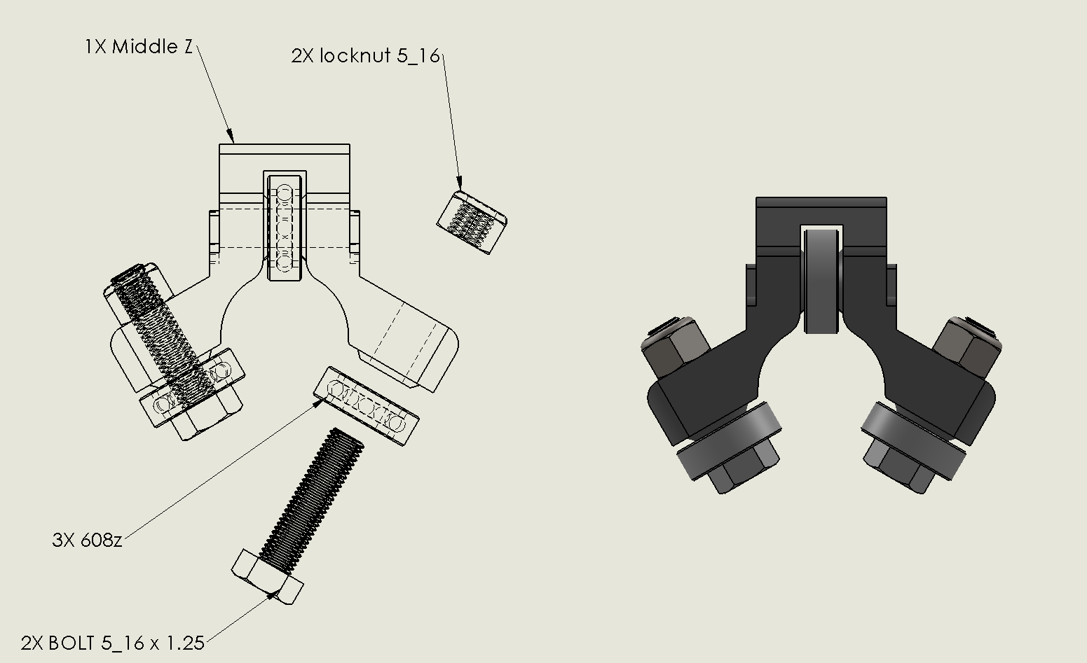
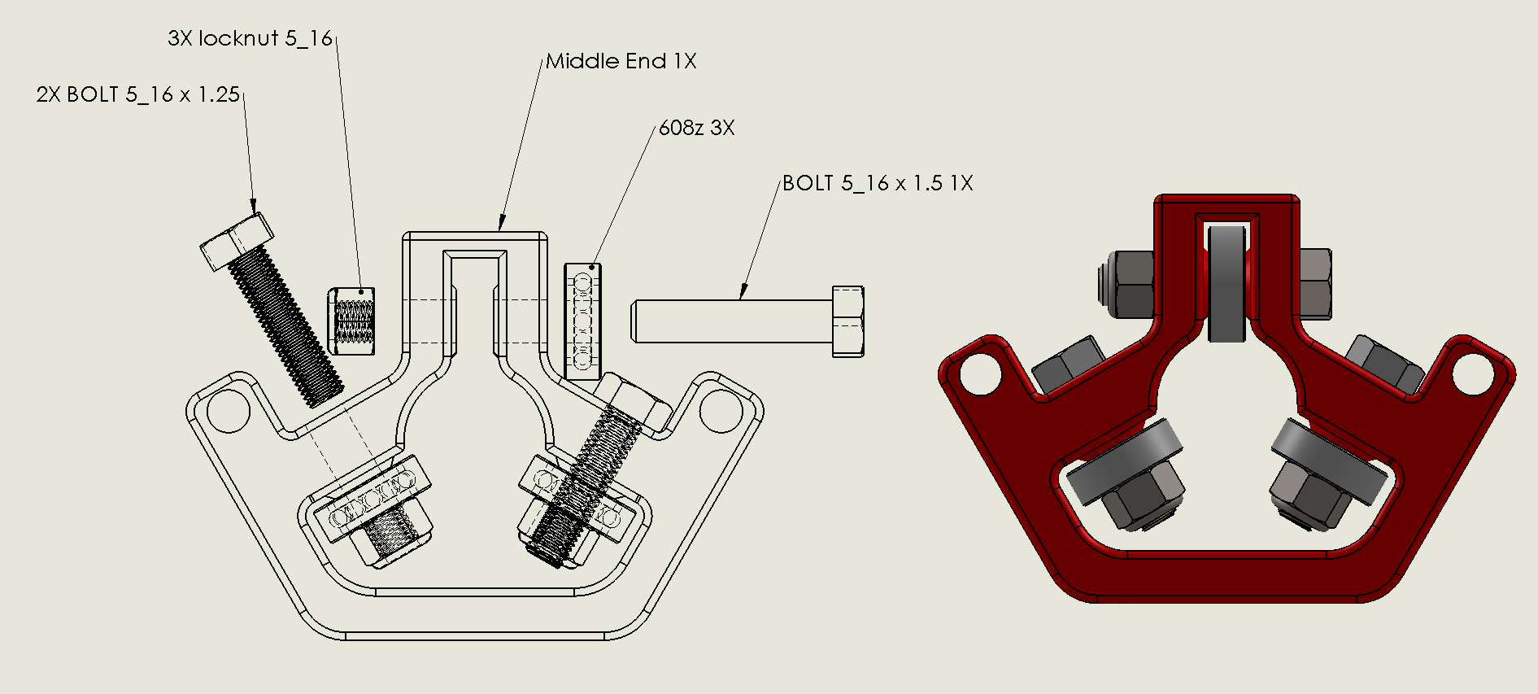
http://www.vicious1.com/assembly/middle/

