Electronics Motion Parts
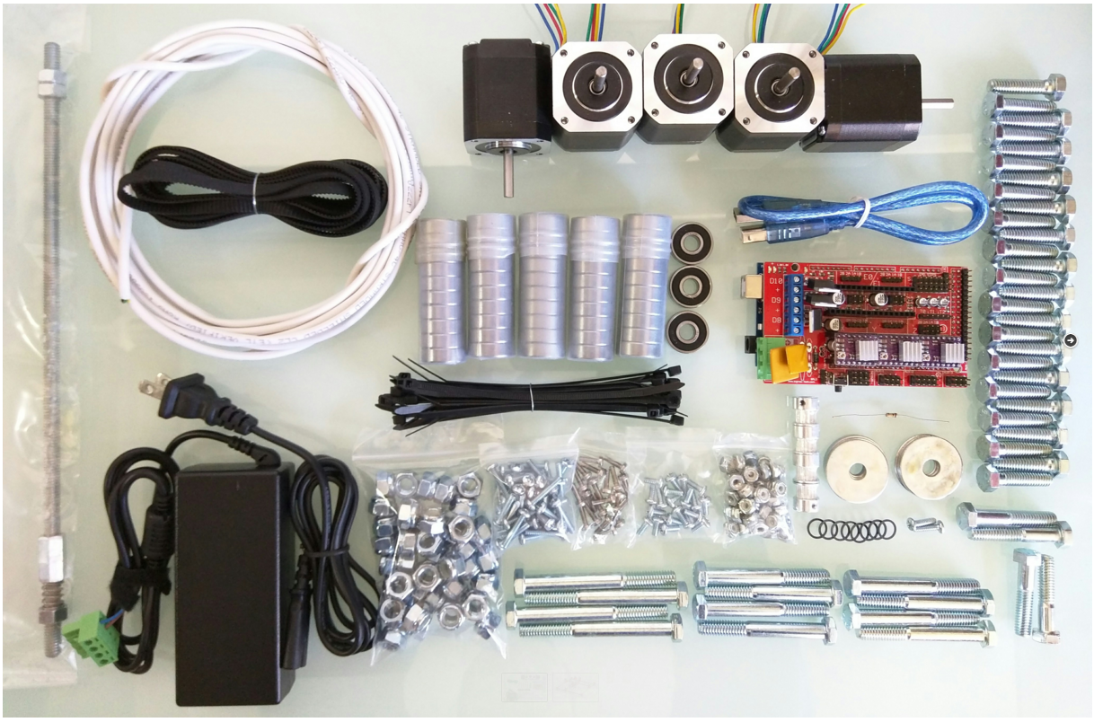
Part | Link | Price | Qty | Buying
Ramps 1.4 Shield | http://amzn.to/1HVBPtu | ₩8,500 | 1 | O
Arduino Mega 2560 | http://amzn.to/1JCAzrg | ₩15,000 | 1 | O
DRV8825 Drivers + Heat Sinks | Shop | ₩8,700 | 3 | V
12v 5A power supply | http://amzn.to/1LYy3Bl | ₩14,000 | 1 | O
GT2 belt (4M = 24″x24″) | http://amzn.to/1L6MyCe, Or Shop | ₩6,000 | 1 | V
GT2 16T Pulley | Shop | ₩6,000 | 4 | V
608 Bearings (2-RS, Z, ZZ) | Shop | ₩12,000 | 53 | V
Conduit 3/4″ emt (23.5mm OD, IE version 25mm OD) | info, info |  | ≅12ft | V
Nema 17 Steppers | http://amzn.to/1MnEXhs | ₩77,500 | 5 | V
Resistor 100 ohm | http://amzn.to/1NXj9cU |  | 1 | O
12864 GLCD |  | ₩15,000 |  | V

Stranded Shielded 4 Wire | Shop |  | ≅15ft | O
DuPont connectors (3×4 & 1×2) | Shop |  | 4 | O
Zip Ties |  |  | ≥20 | O
 |  | ₩162,700
Spindle Options
Best option
Dewalt 660 (Beast!) | http://amzn.to/1VyeDY6 |  | 1
Second Choice
Flex shaft 1/4 HP | http://amzn.to/1CxOqmt |  | 1
44T for the collets | http://amzn.to/1L04pwh |  | 1
White lithium | http://amzn.to/1O3LtLq |  | 1

assemble_cornor_block
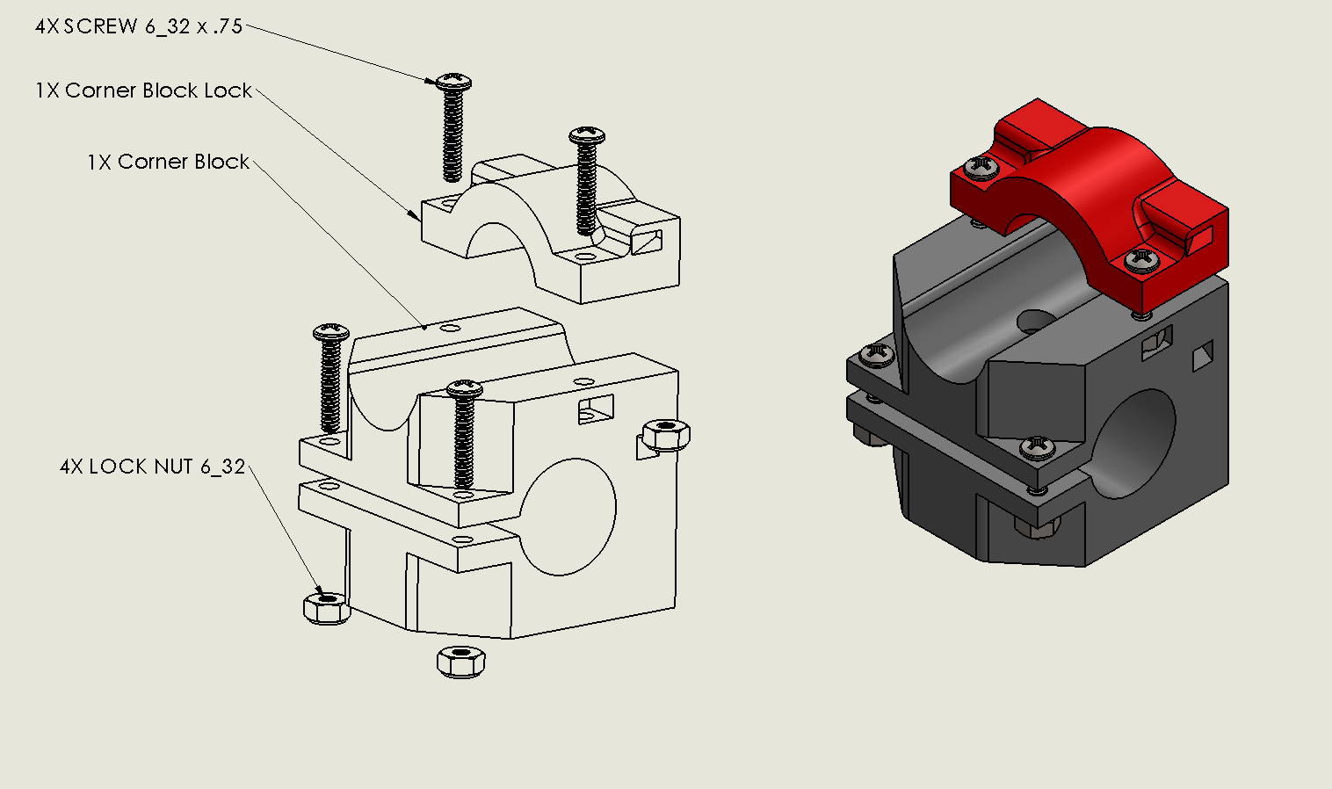

https://youtu.be/g01UwQhFxdI

assemble_roller
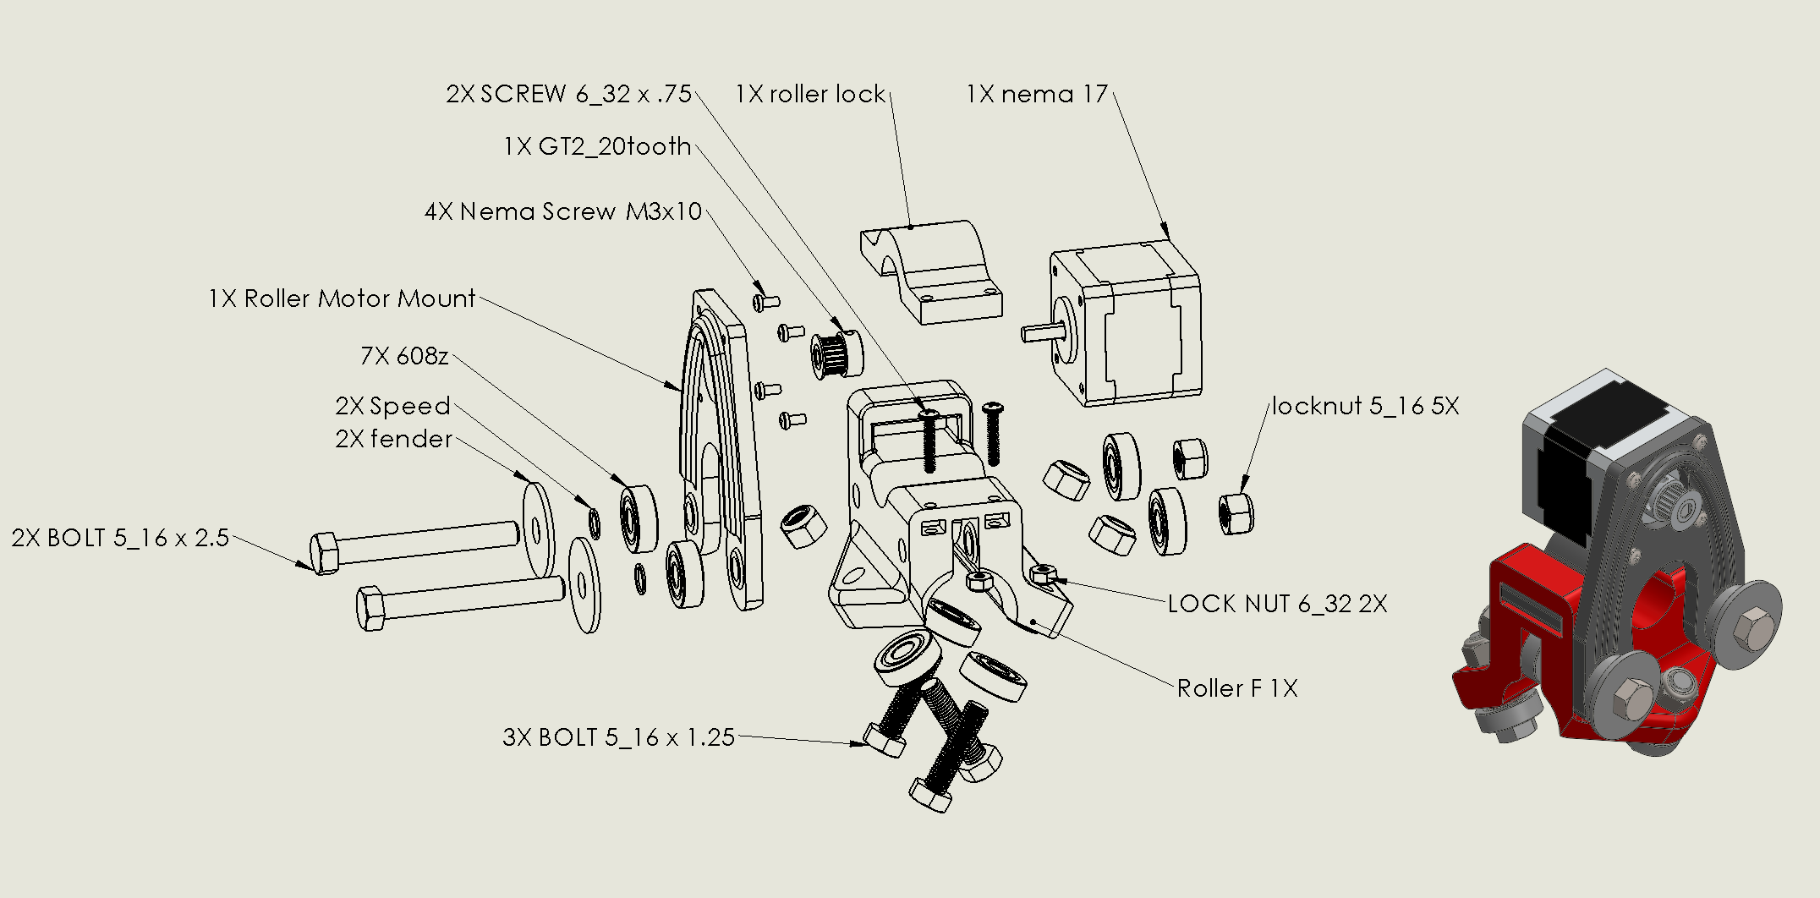

https://youtu.be/mri-6v6uIMo

assemble_z_mount
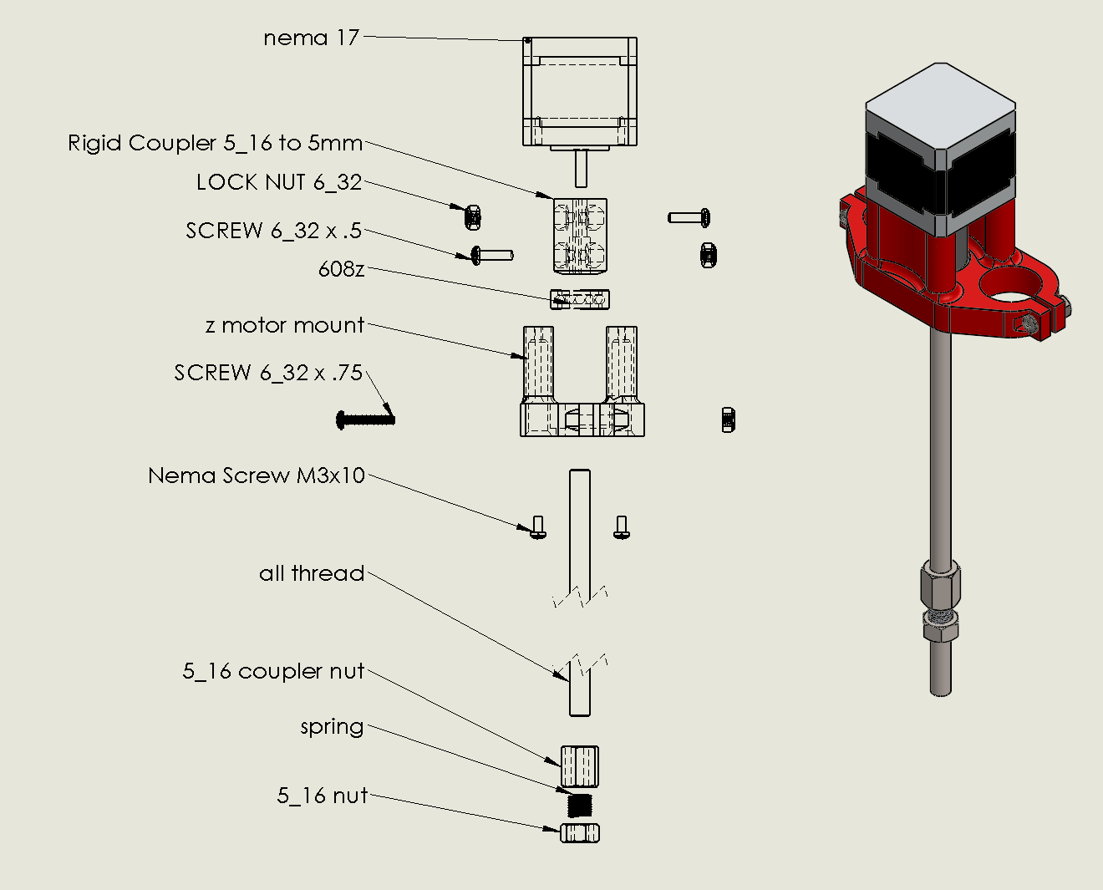

https://youtu.be/Apgp4XfpfwM

assemble_middle
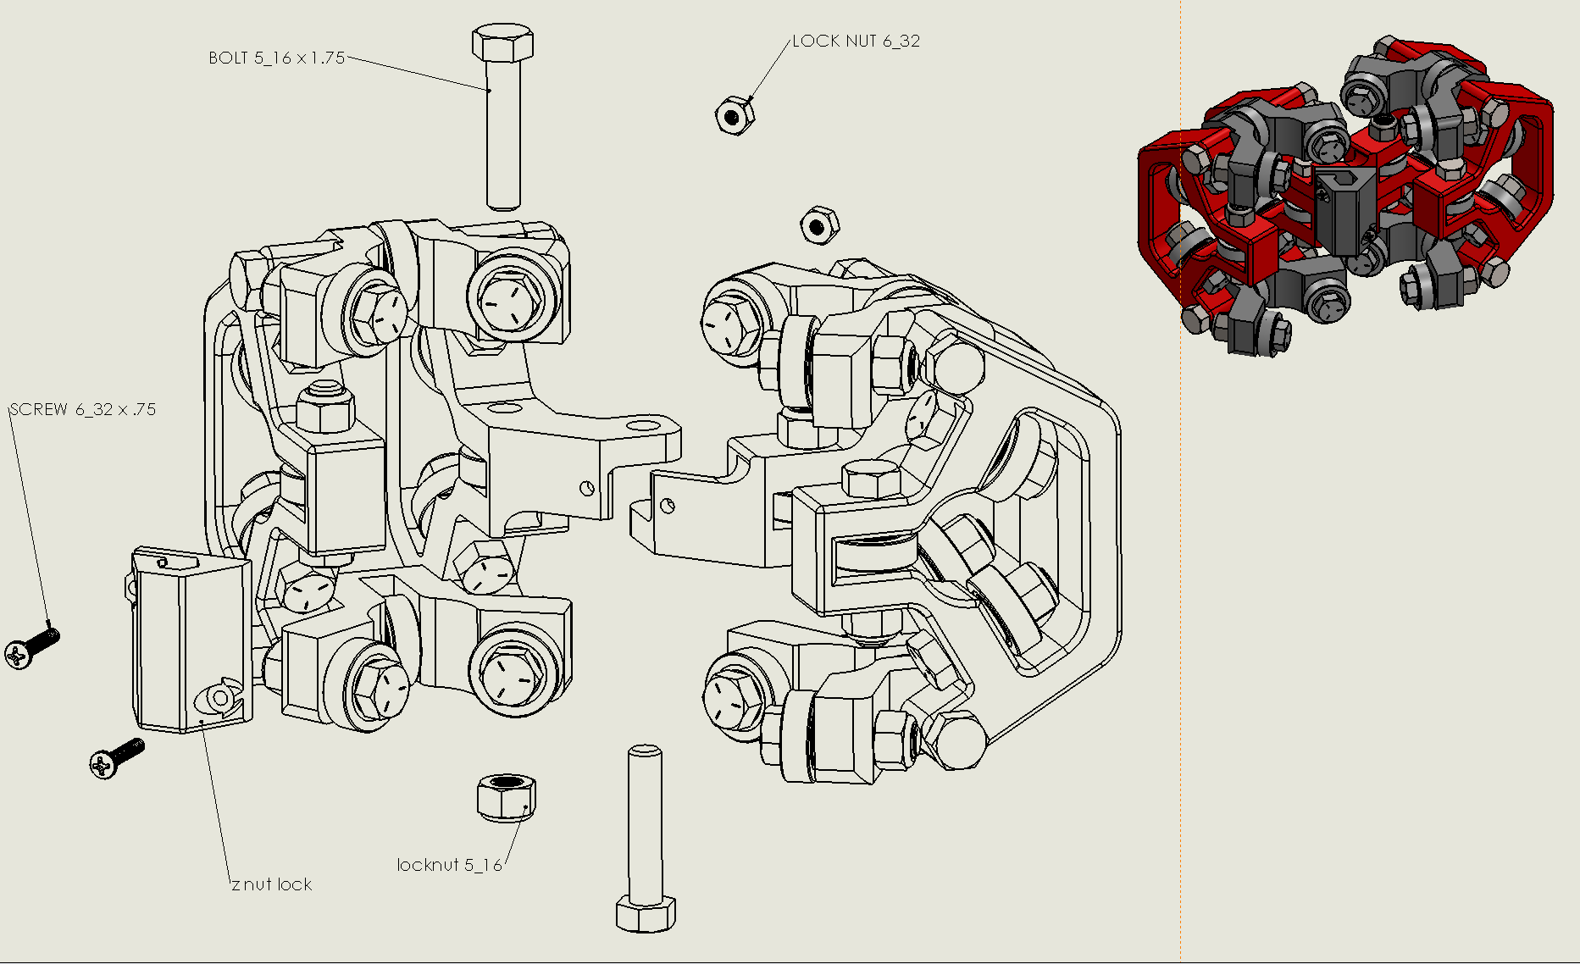
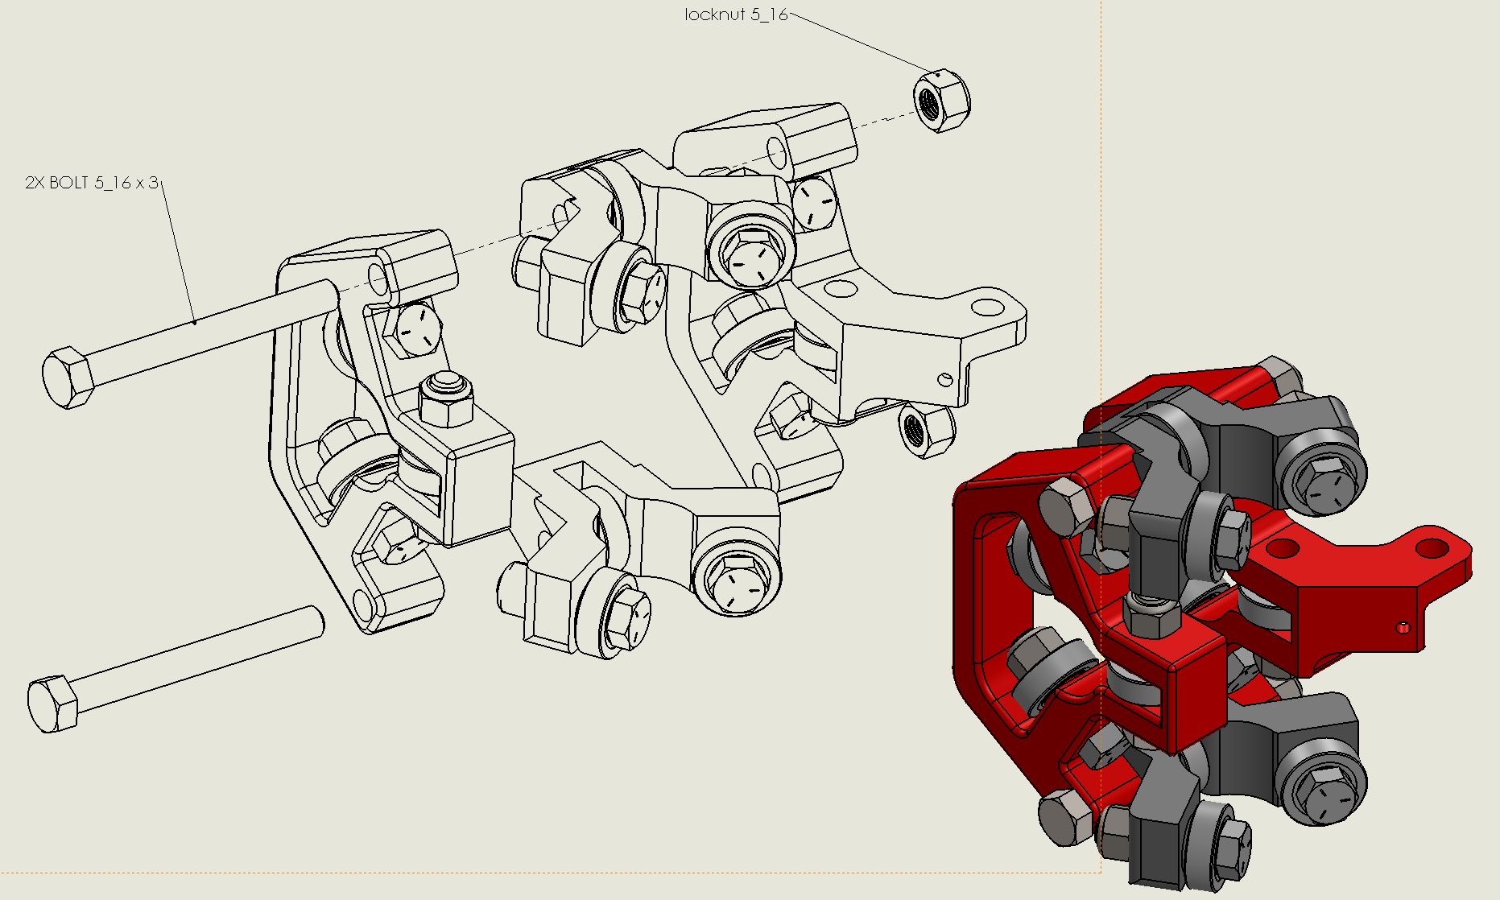
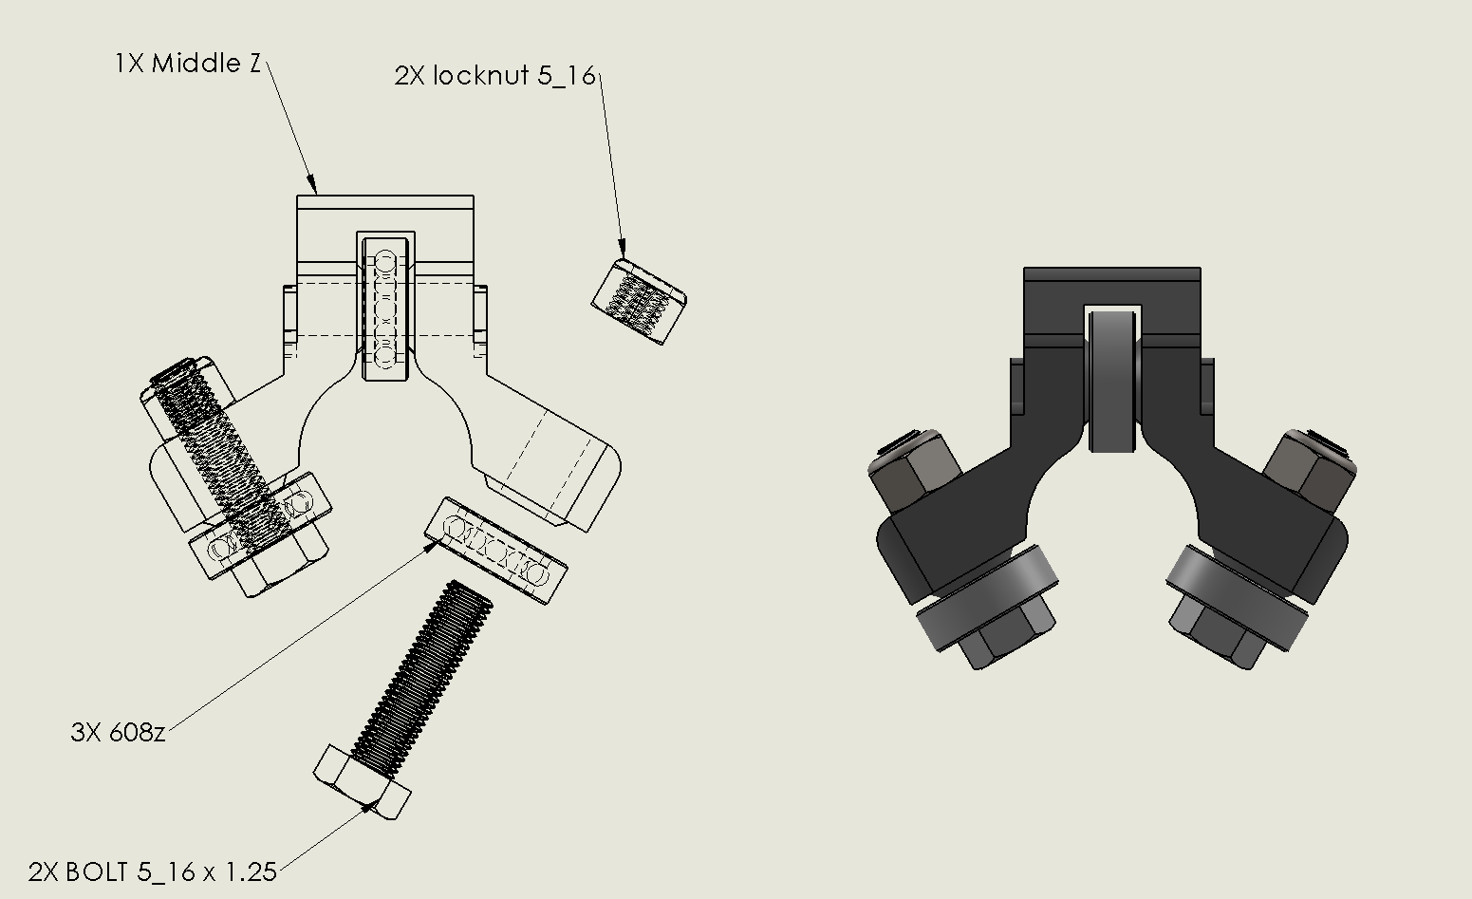
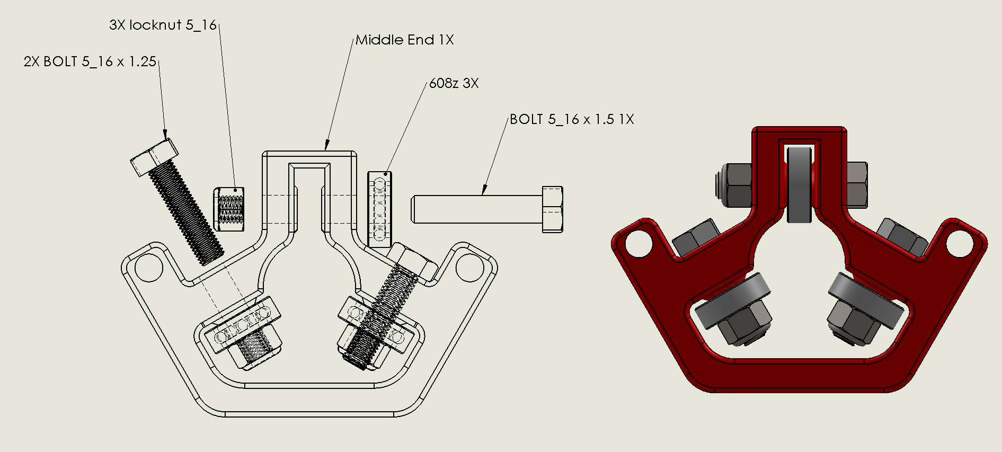
http://www.vicious1.com/assembly/middle/

