Hardware
Sort | Imperial | Metric | Link | Qty | Qty/pack | pack | unit price | Price | Purchased |  |  |  |  | 개수
TR | 5/16-18 Threaded Rod | M8 | http://nasspop.co.kr/product/detail.html?product_no=152&cate_no=87&display_group=1 | 1 | 440mm | 1 | ₩1,500 | ₩1,500 | V |  |  | mm |  |  |  |  |  |  | Cm | inch
HEX BOLT | 5/16-18 X 3 | M8 X 80 | http://www.11st.co.kr/product/SellerProductDetail.tmall?method=getSellerProductDetail&prdNo=960069903&xfrom=&xzone= | 4 | 7 | 1 | ₩1,500 | ₩1,500 | V | working area | x | 400 |  |  |  |  | working area | x | 40 | 15.748031496
 | 5/16-18 X 2.5 | M8 X 70 |  | 8 | 9 | 1 | ₩1,500 | ₩1,500 | V |  | y | 400 |  |  |  |  |  | y | 40 | 15.748031496
 | 5/16-18 X 1.75 | M8 X 45 |  | 2 | 10 | 1 | ₩1,500 | ₩1,500 | V |  | z | 150 |  |  |  |  |  | z | 25 | 9.842519685
 | 5/16-18 X 1.5 | M8 X 40 |  | 2 | 12 | 1 | ₩1,500 | ₩1,500 | V
 | 5/16-18 X 1.25 | M8 X 30 |  | 28 | 16 | 2 | ₩3,000 | ₩6,000 | V | Conduit length | x | 664 |  | 3 | 1992 |  | Conduit length | x | 67 | 26.377952756 | 3 | 201
WASHER | 5/16 Fender Washers | M8 - 30 | http://www.11st.co.kr/product/SellerProductDetail.tmall?method=getSellerProductDetail&prdNo=950379358&xfrom=&xzone= | 8 | 14 | 1 | ₩1,500 | ₩1,500 | V |  | y | 664 |  | 3 | 1992 |  |  | y | 67 | 26.377952756 | 3 | 201
 | SAE(Small washer) or Speed washers | M8 | http://www.11st.co.kr/product/SellerProductDetail.tmall?method=getSellerProductDetail&prdNo=950379358&xfrom=&xzone= | 8 | 55 | 1 | ₩1,500 | ₩1,500 | V |  | z | 340 |  | 2 | 680 | 110 |  | z | 45 | 17.716535433 | 2 | 90
NUTS | 5/16-18 Nylock Nuts | M8 | http://www.11st.co.kr/product/SellerProductDetail.tmall?method=getSellerProductDetail&prdNo=918740357&xfrom=&xzone= | 44 | 25 | 2 | ₩3,000 | ₩6,000 | V |  | leg | 137 |  | 4 | 548 | 113 |  | leg | 25 |  | 4 | 100
 | 5/16-18 nuts (2 for z knob) | M8 |  | 3 | 37 | 1 | ₩1,500 | ₩1,500 | V |  |  |  |  |  | 5212 |  |  |  |  |  |  | 592
 | #6-32 Nylock nuts | M4 |  | 36 | 67 | 1 | ₩1,500 | ₩1,500 | V | Thread | z | 226 | min |  |  | 173.2 | Thread | z | 39.92 | 15.716535433
CROSS BOLT | M3 X 10 | M3 X 10 | http://www.11st.co.kr/product/SellerProductDetail.tmall?method=getSellerProductDetail&prdNo=954271846&xfrom=&xzone= | 20 | 42 | 1 | ₩1,500 | ₩1,500 | V
 | #6-32 X.75 | M4 X 20 |  | 34 | 20 | 2 | ₩3,000 | ₩6,000 | V | belt | x | 800 | min | 2 |  |  |  |  | mm | Cm | 개수
 | #6-32 X .5 for coupler (20 for solderless mounts) | M4 X 16 |  | 22 | 25 | 1 | ₩1,500 | ₩1,500 | V |  | y | 800 | min | 2 |  |  | 조인트 차지하는 길이 |  | 27
ETCS | 5/16 x 7/8 coupling nut | M8 X 25 |  | 1 |  | 1 |  |  |  |  |  |  |  |  |  |  | 지지 파이프 길이 |  | 616 | 62 | 4 | 248
 | Spring 1″X.375″ODx.035″ | M8IDX25mmX.9mm |  | 1 |  | 1 |  |  |  | table | x | 670.5 | min |  |  |  | leg |  |  | 13 | 4 | 52
CHAINS | drag chain | 10x20mm x 1m | AliExpress | 4 | 1 | 4 | ₩5,424 | ₩21,696 | V |  | y | 670.5 | min |  |  |  |  |  |  |  |  | 300
GLASS | tempered glass | 450mmx450mm | http://www.11st.co.kr/product/SellerProductDetail.tmall?method=getSellerProductDetail&prdNo=506434141&xfrom=&xzone= | 1 |  | 1 | ₩9,900 | ₩9,900 | V
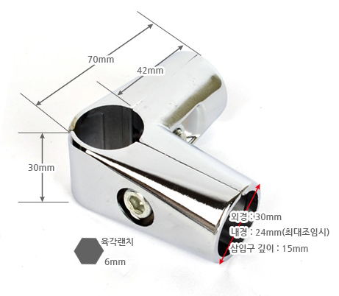
TABLE | MELLTORP 테이블 상판(제품번호: 302.800.99) | 750mmx750mm | http://www.ikea.com/kr/ko/catalog/products/30280099/ | 1 |  | 1 | ₩19,900 | ₩19,900 | V
PIPE JOINT | L 형 조인트 |  | http://www.11st.co.kr/product/SellerProductDetail.tmall?method=getSellerProductDetail&prdNo=1300741891 | 4 |  |  | ₩3,710 | ₩14,840
 | 원형 롱소켓 |  |  | 4 |  |  | ₩1,710 | ₩6,840
 | 돔형 마감캡 |  |  | 12 |  |  | ₩500 | ₩6,000
SUPPORT | 지지 파이프 | 25mm | http://www.11st.co.kr/product/SellerProductDetail.tmall?method=getSellerProductDetail&prdNo=1133282774&xfrom=&xzone=

 |  |  |  |  |  |  |  | ₩113,676

Parts Picture
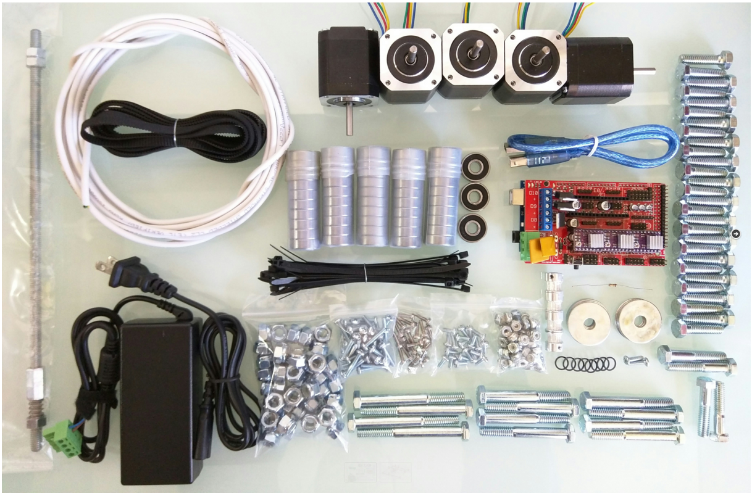

assemble_cornor_block
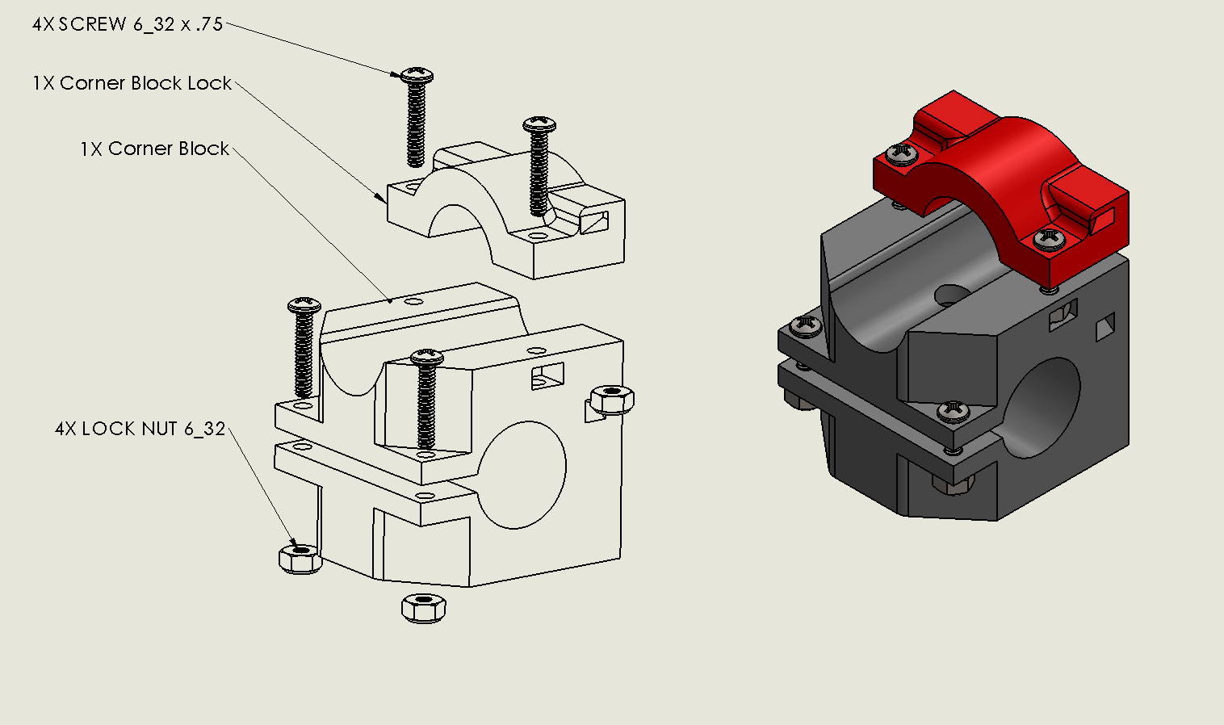

https://youtu.be/g01UwQhFxdI

assemble_roller
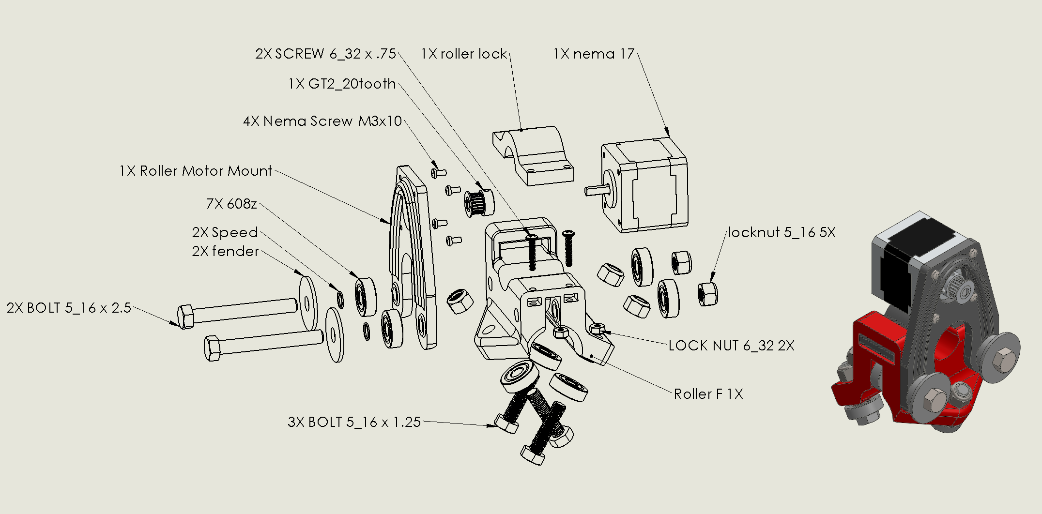

https://youtu.be/mri-6v6uIMo

assemble_z_mount
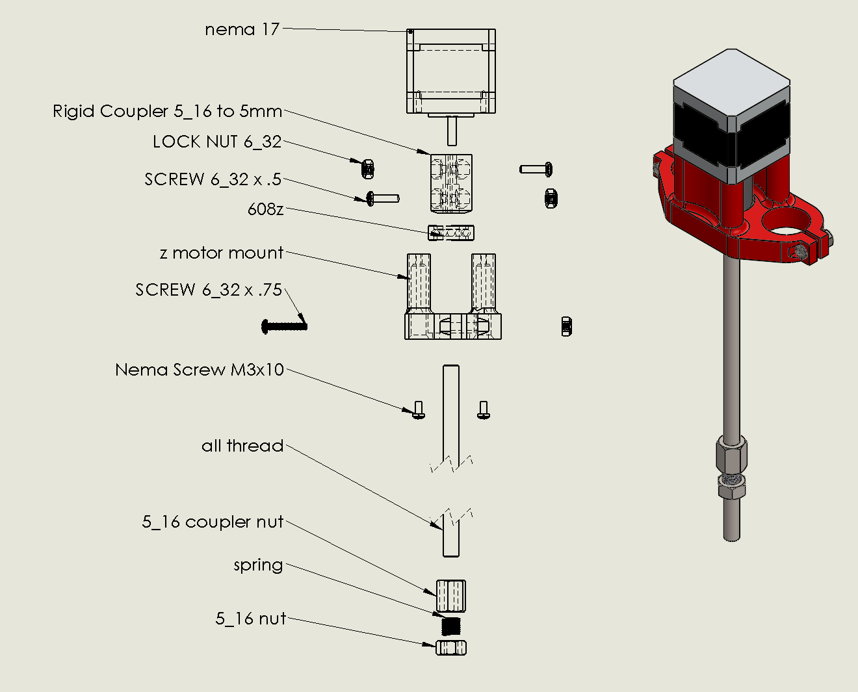

https://youtu.be/Apgp4XfpfwM

assemble_middle
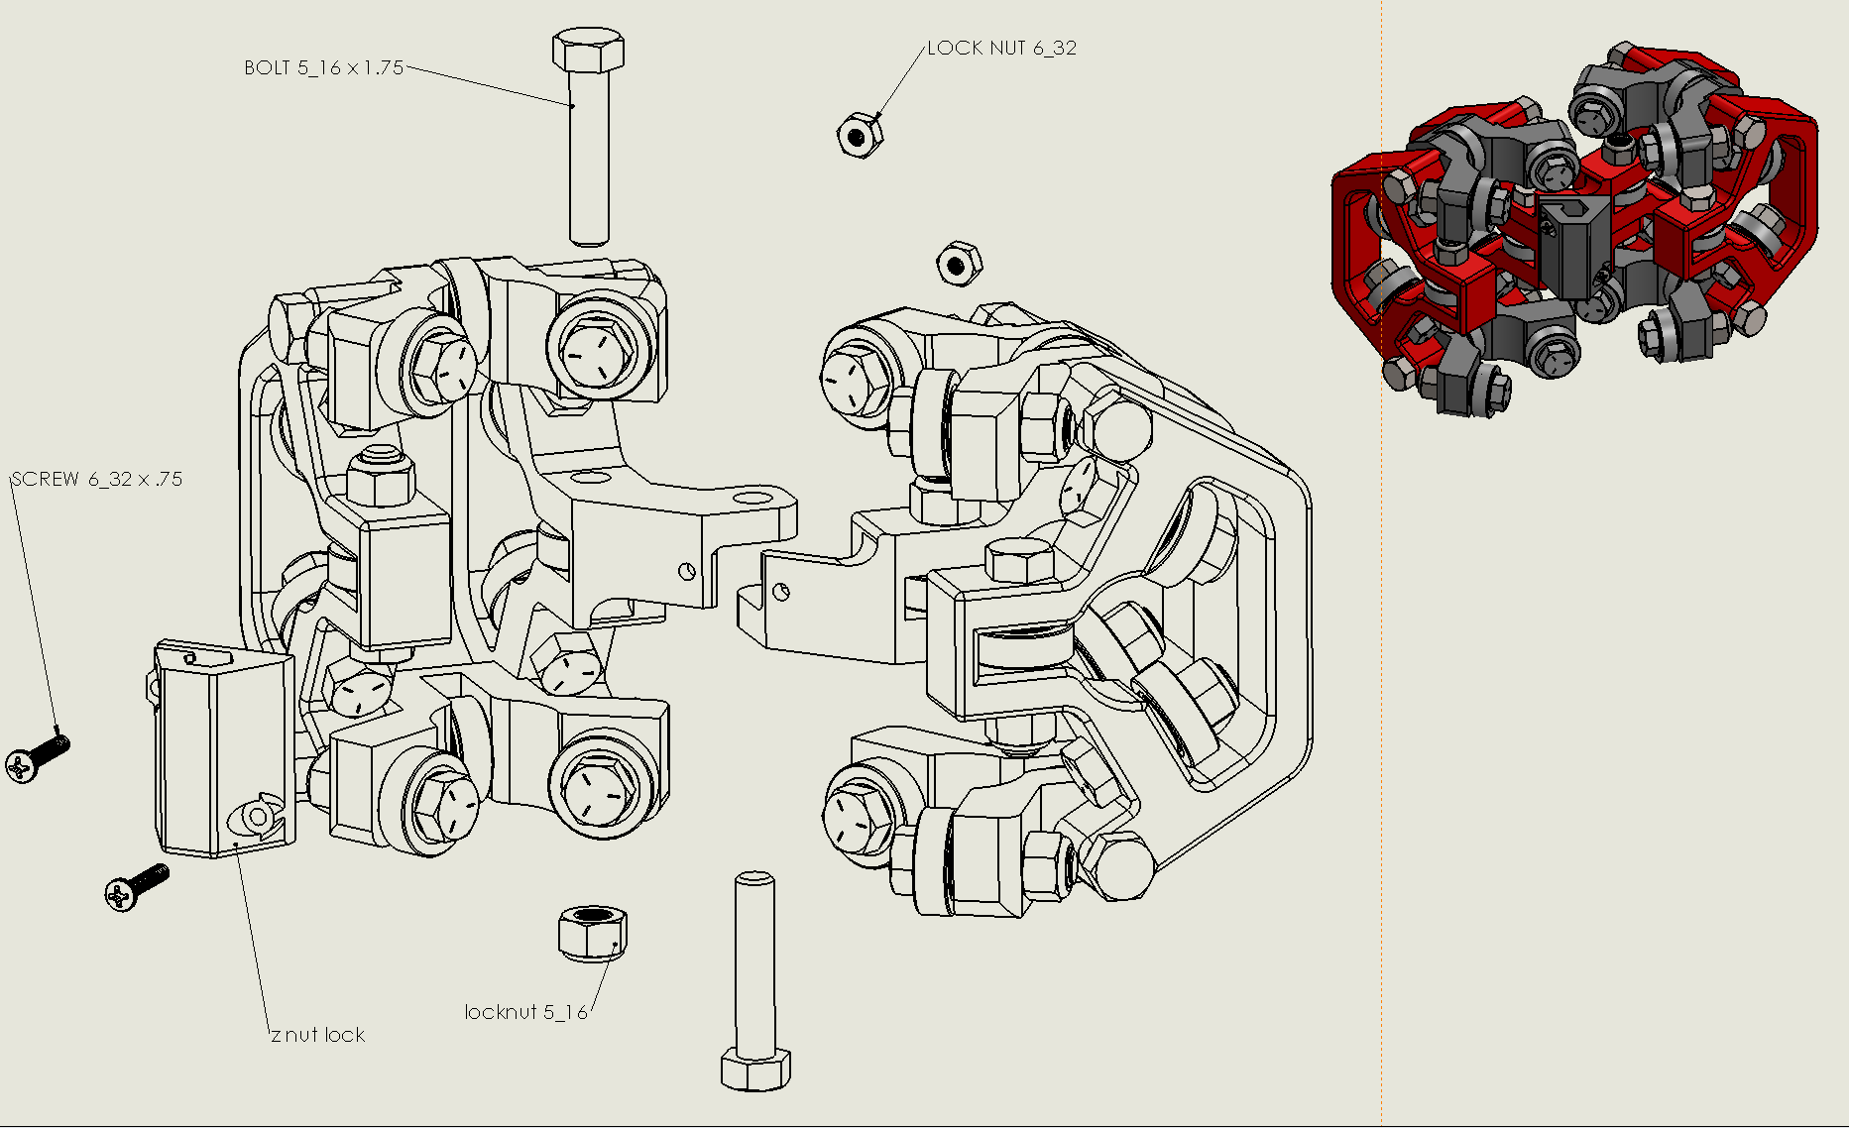
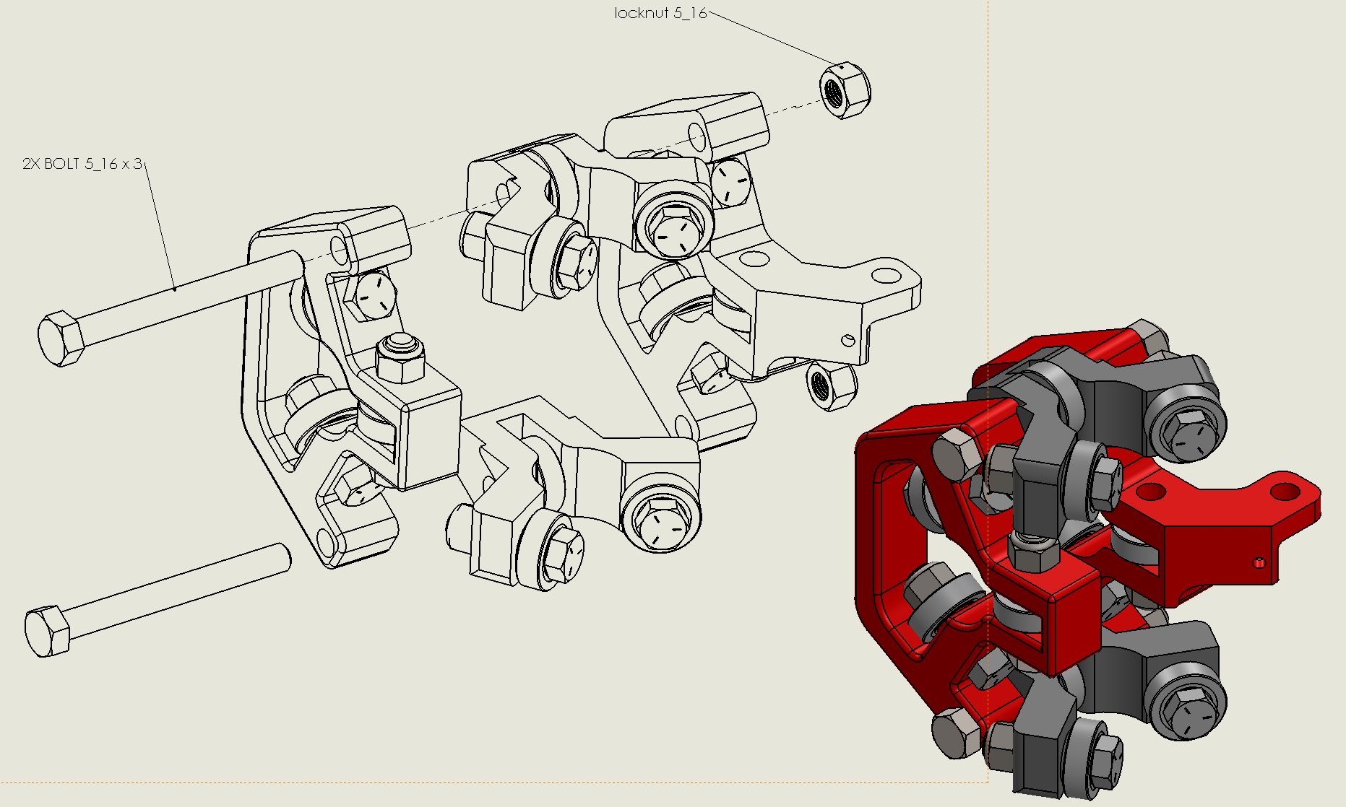
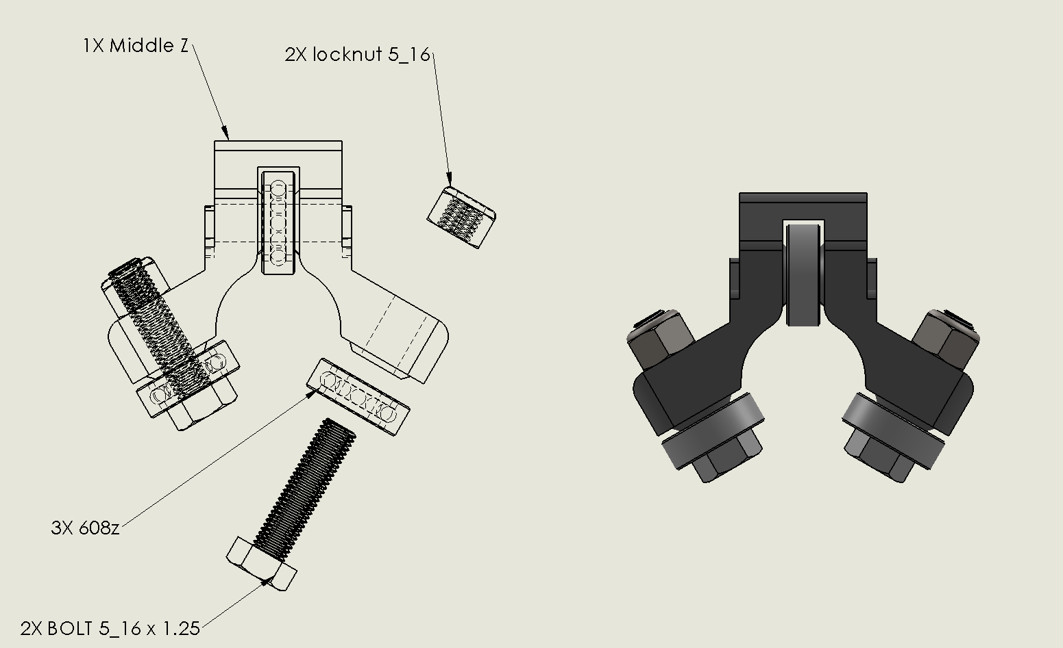
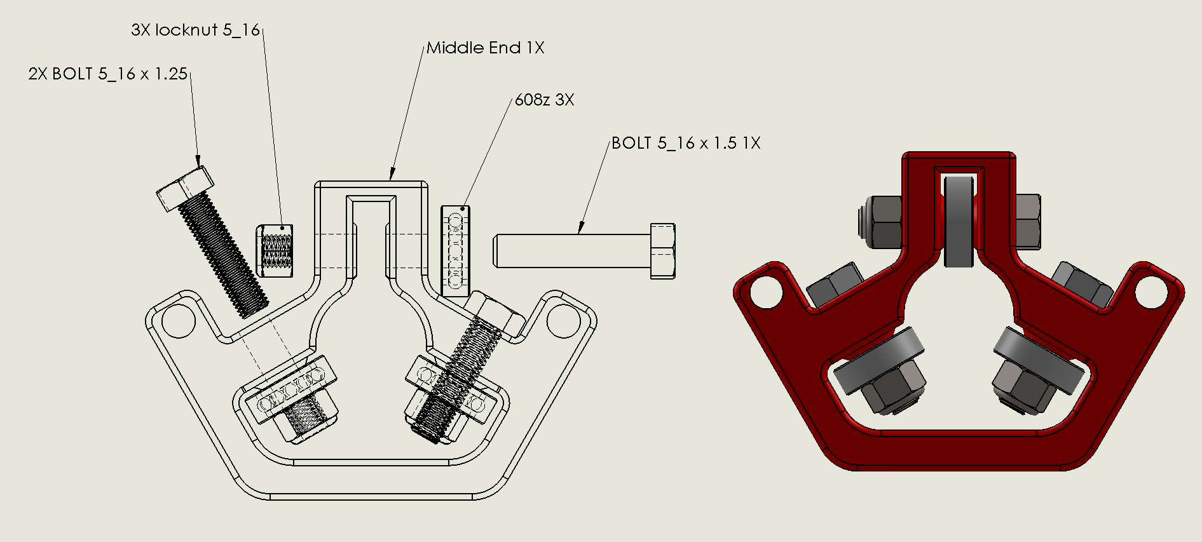
http://www.vicious1.com/assembly/middle/

