Electronics Motion Parts
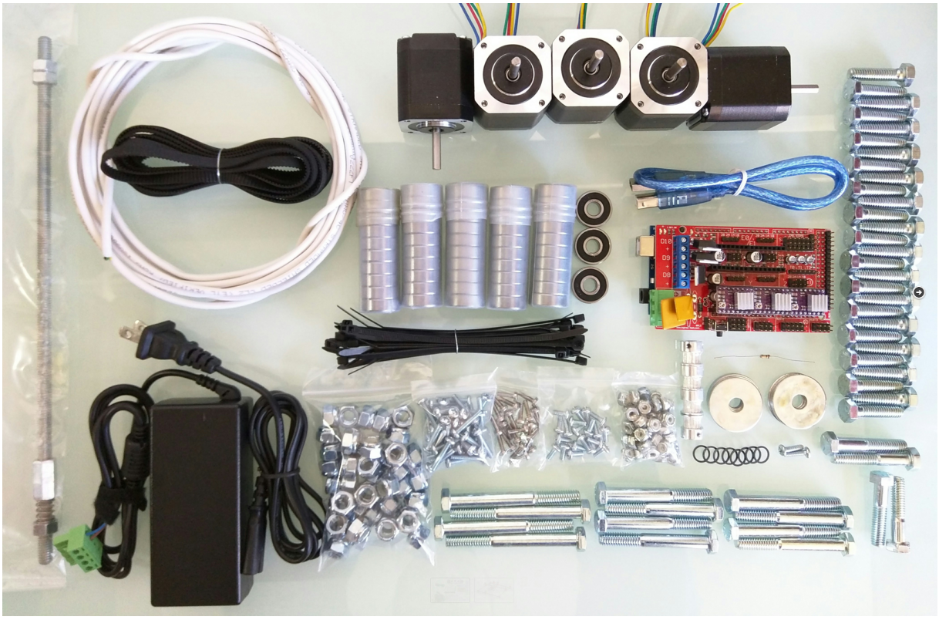
Qty | Part | Link | Price | Buying
1 | Ramps 1.4 Shield | http://amzn.to/1HVBPtu | ₩8,500
1 | Arduino Mega 2560 | http://amzn.to/1JCAzrg | ₩15,000
3 | DRV8825 Drivers + Heat Sinks | Shop | ₩8,700
1 | 12v 5A power supply | http://amzn.to/1LYy3Bl | ₩14,000
1 | GT2 belt (4M = 24″x24″) | http://amzn.to/1L6MyCe, Or Shop | ₩6,000
4 | GT2 16T Pulley | Shop | ₩6,000
53 | 608 Bearings (2-RS, Z, ZZ) | Shop | ₩12,000
≅12ft | Conduit 3/4″ emt (23.5mm OD, IE version 25mm OD) | info, info
5 | Nema 17 Steppers | http://amzn.to/1MnEXhs | ₩77,500
1 | Resistor 100 ohm | http://amzn.to/1NXj9cU
 | 12864 GLCD |  | ₩15,000

≅15ft | Stranded Shielded 4 Wire | Shop
4 | DuPont connectors (3×4 & 1×2) | Shop
≥20 | Zip Ties
 |  |  | ₩162,700
Spindle Options
 | Best option
1 | Dewalt 660 (Beast!) | http://amzn.to/1VyeDY6
 | Second Choice
1 | Flex shaft 1/4 HP | http://amzn.to/1CxOqmt
1 | 44T for the collets | http://amzn.to/1L04pwh
1 | White lithium | http://amzn.to/1O3LtLq

assemble_cornor_block
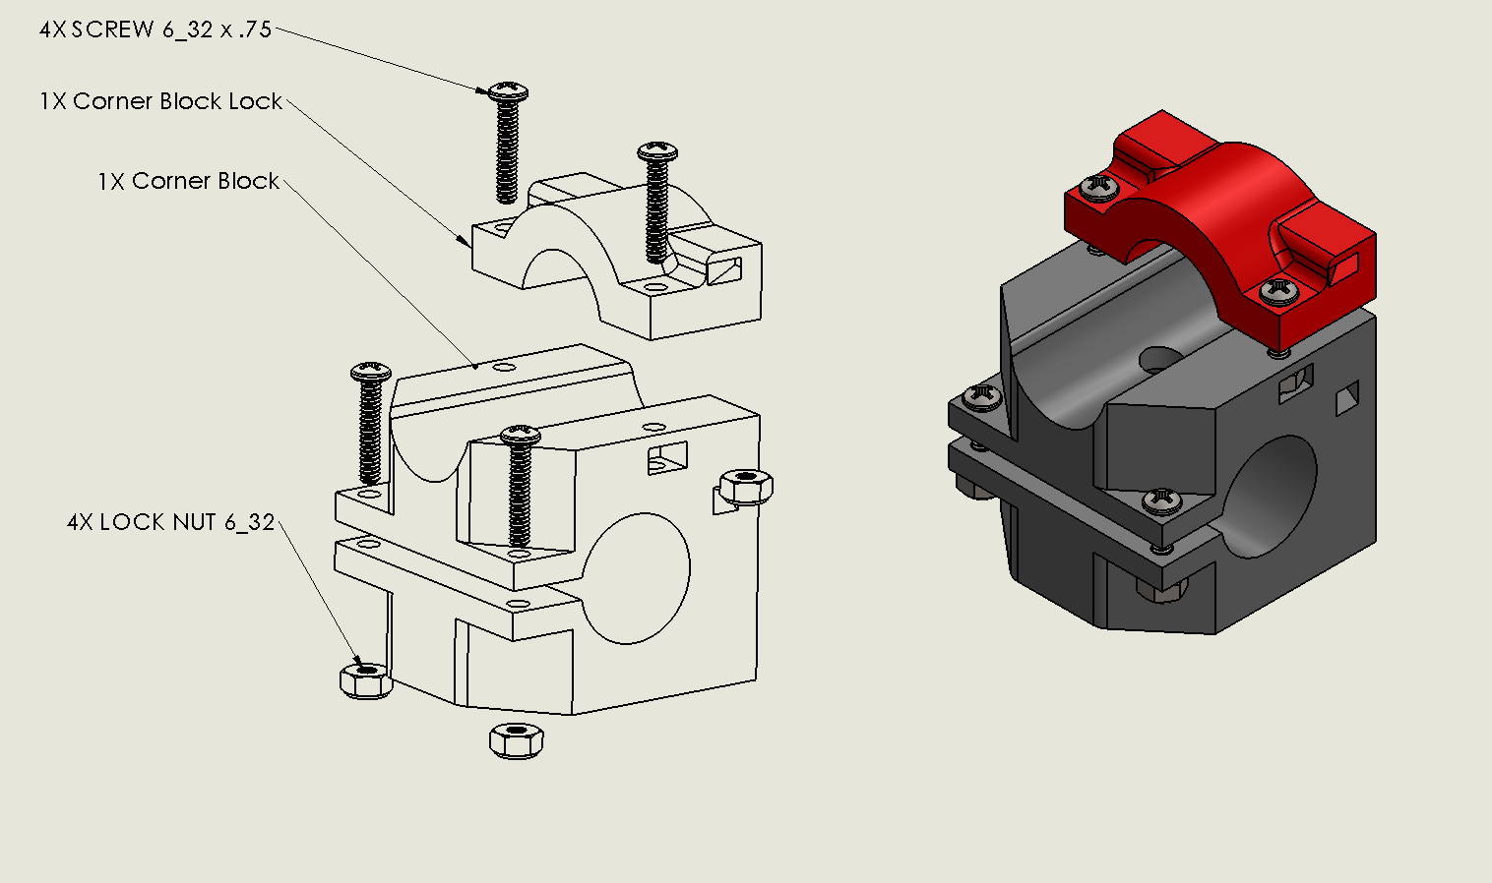

https://youtu.be/g01UwQhFxdI

assemble_roller
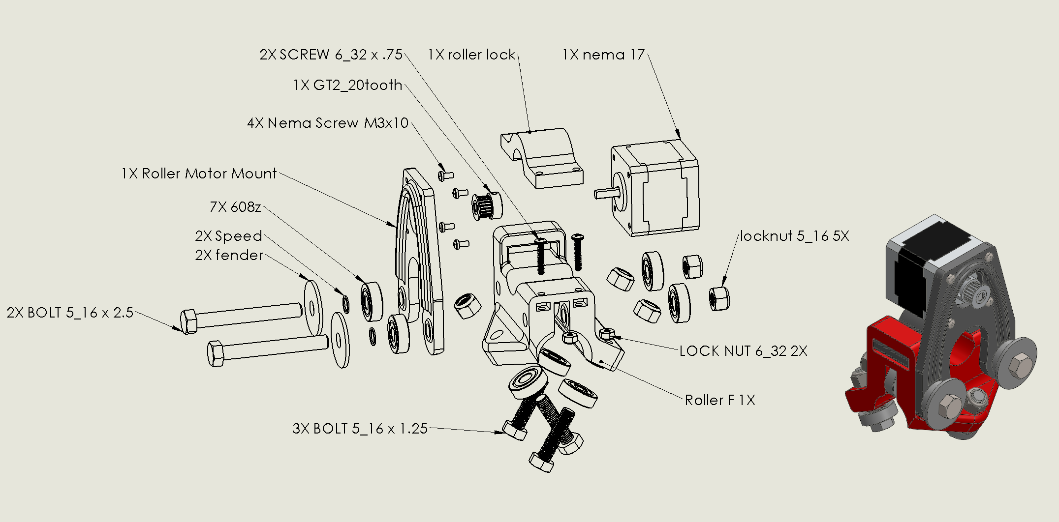

https://youtu.be/mri-6v6uIMo

assemble_z_mount
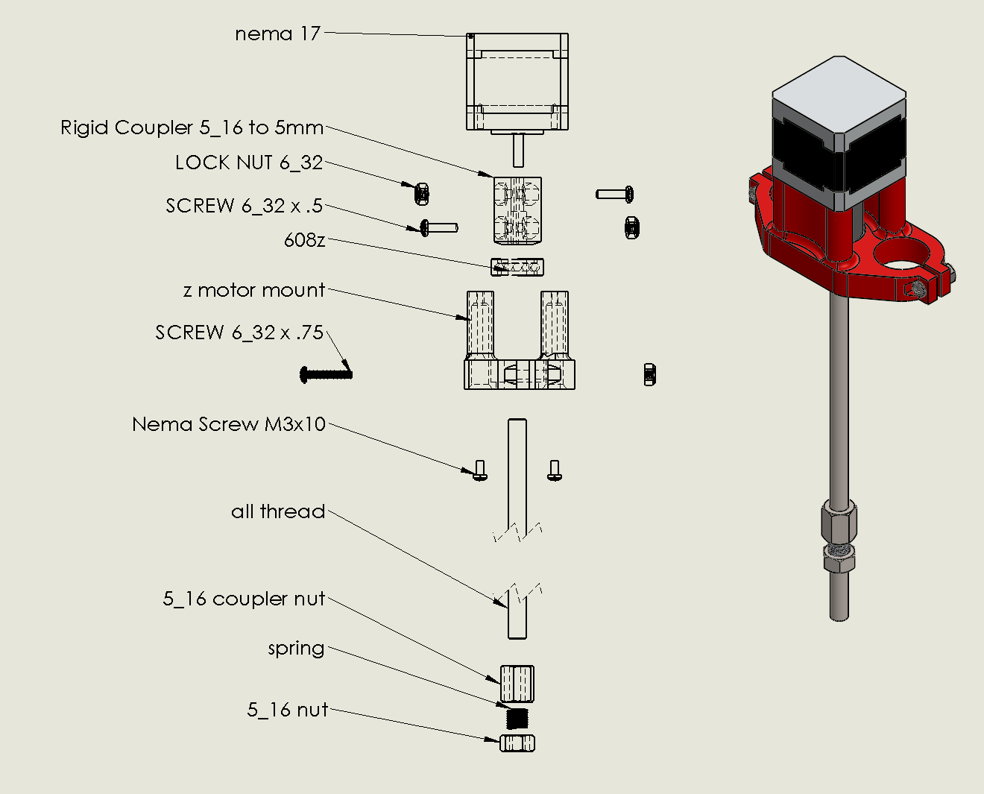

https://youtu.be/Apgp4XfpfwM

assemble_middle
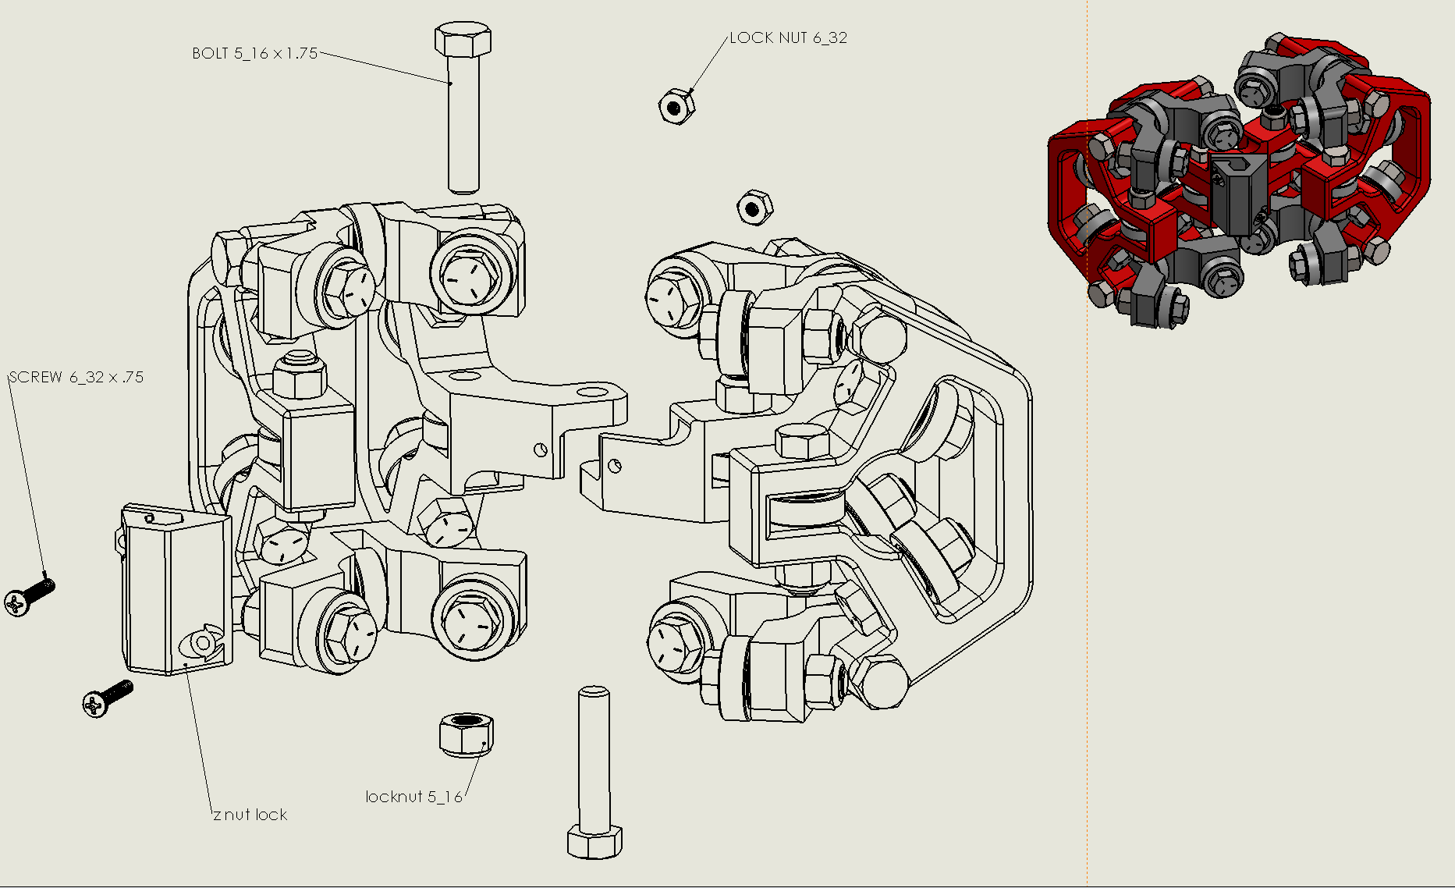
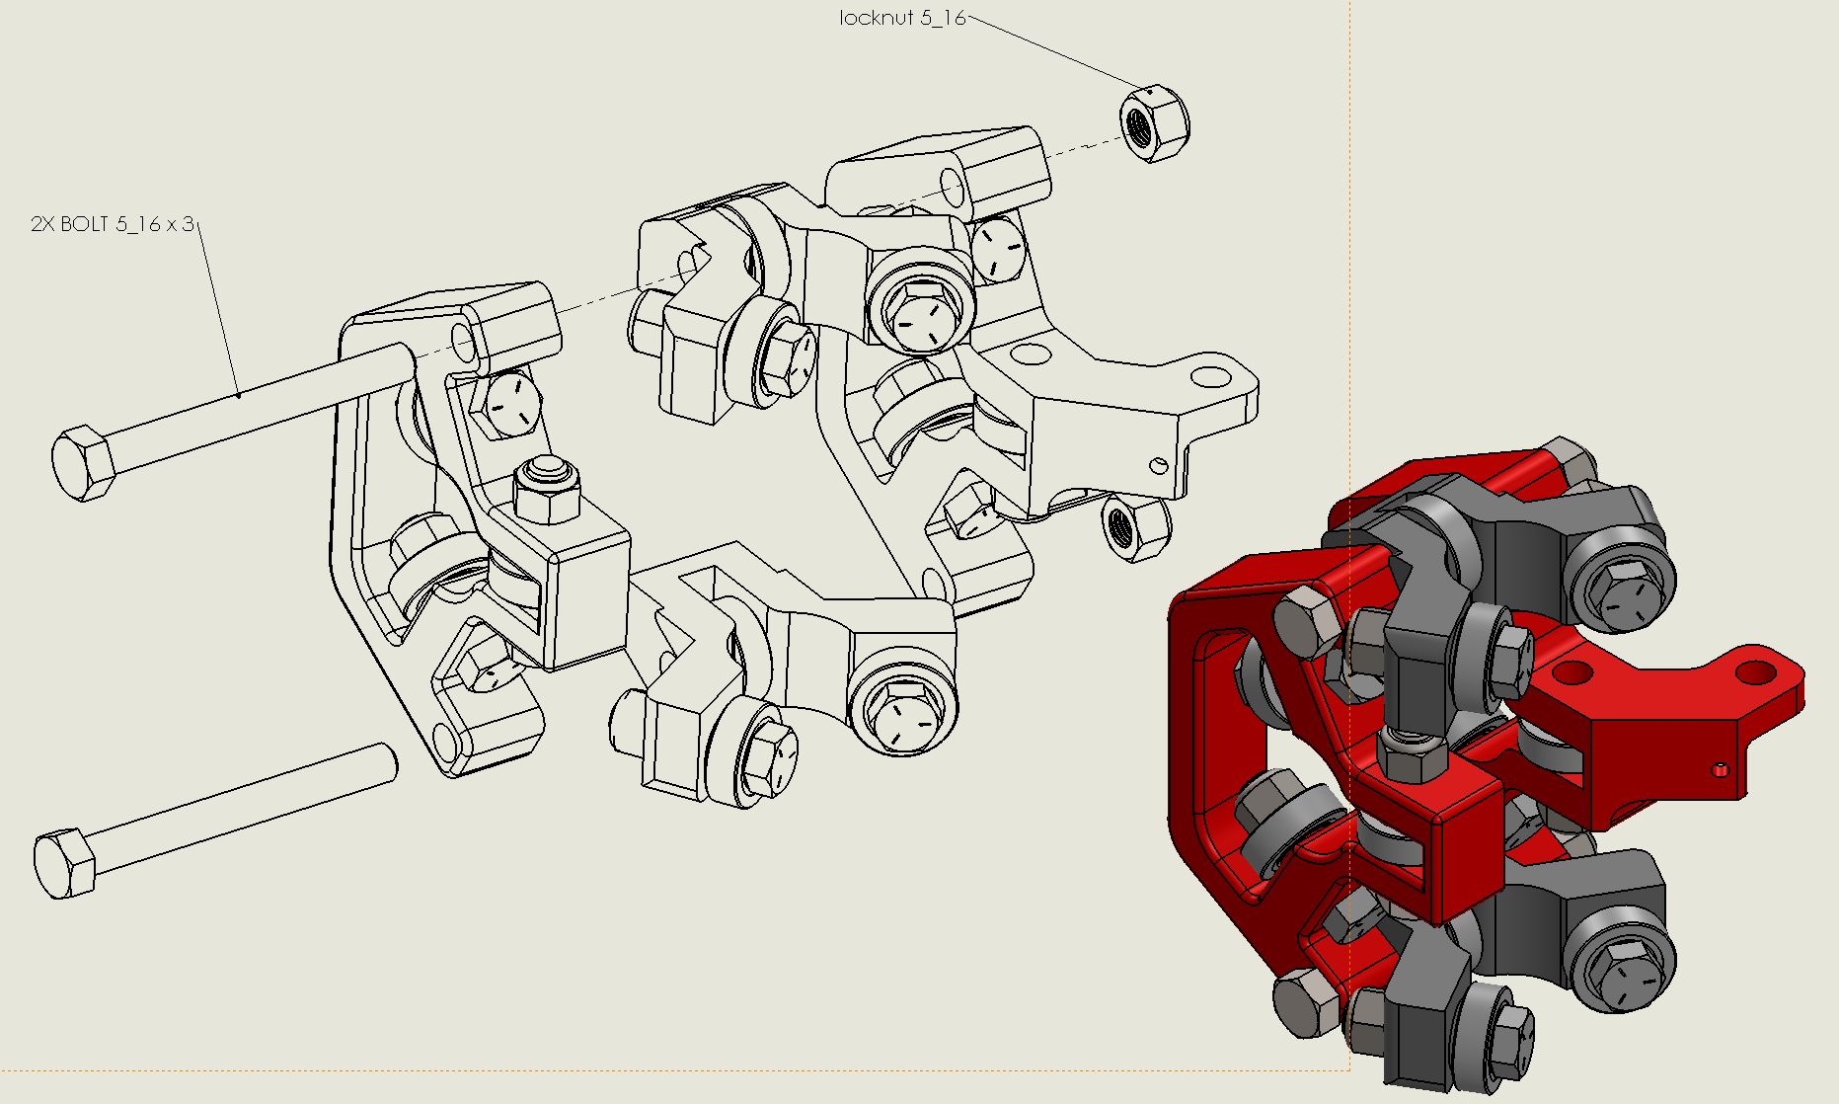
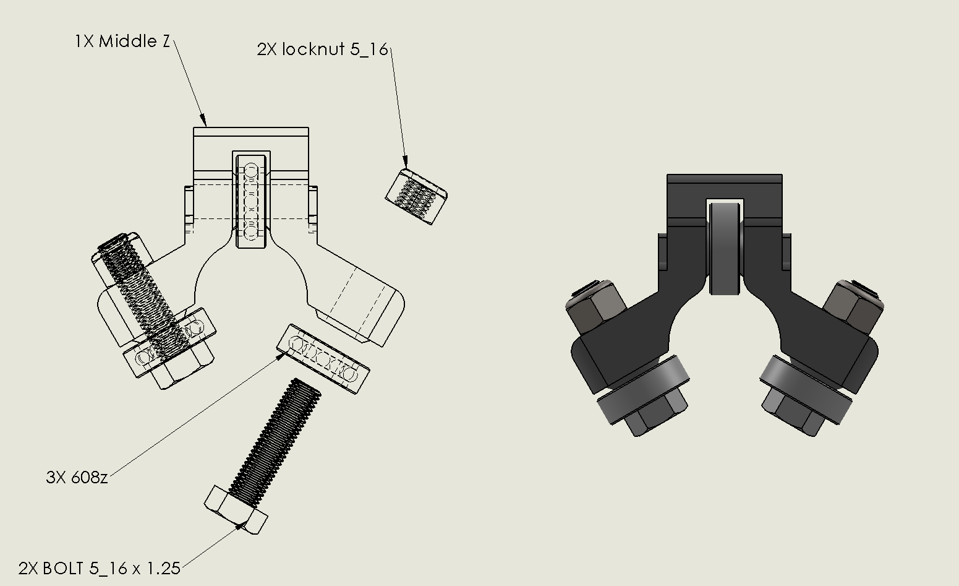
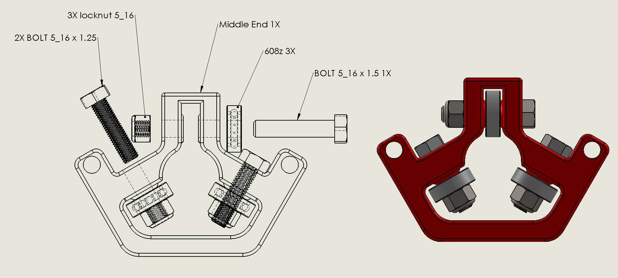
http://www.vicious1.com/assembly/middle/

