esp32
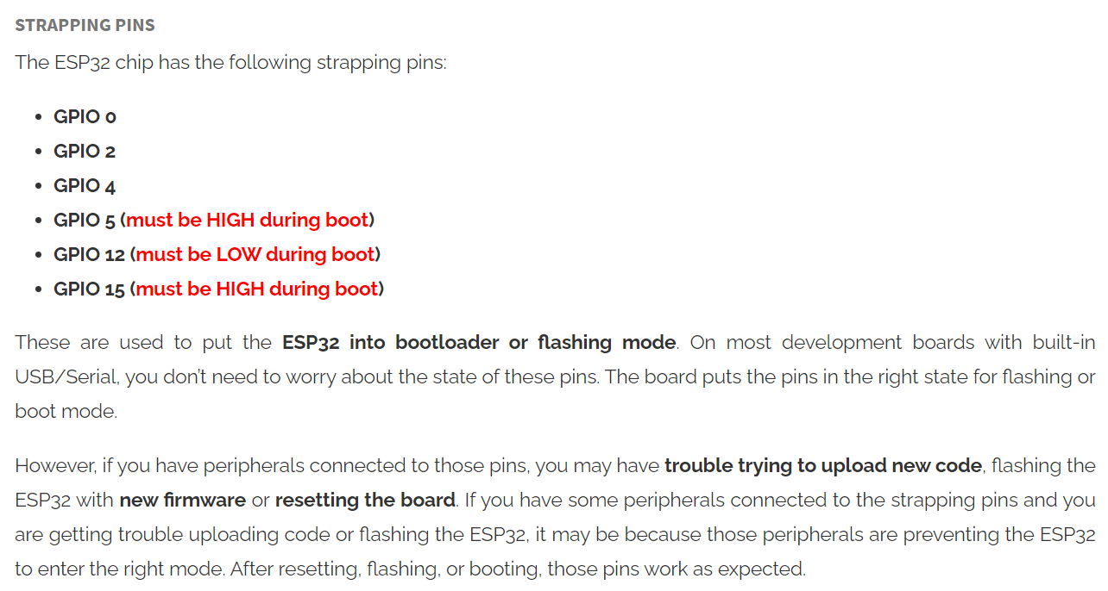
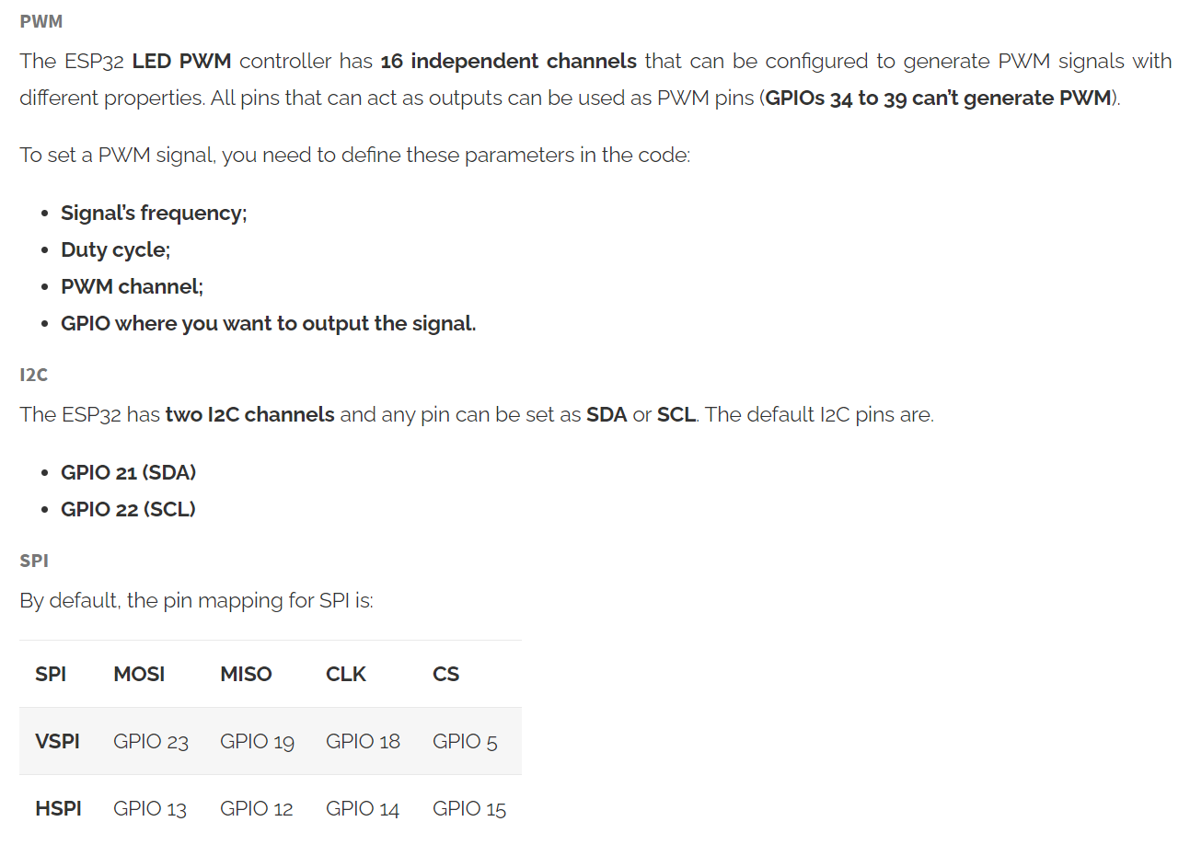
GPIO | Input | Output | TYPE | SPC | Notes
0 | pulled up | OK | RTC_GPIO11 |  | outputs PWM signal at boot
1 | TX Pin | OK |  |  | debug output at boot
2 | OK | OK | RTC_GPIO12 |  | connected to on-board LED
3 | OK | RX Pin |  |  | HIGH at boot
4 | OK | OK | RTC_GPIO10
5 | OK | OK |  | VSPI-CS | outputs PWM signal at boot
6 | X | X |  |  | connected to the integrated SPI flash
7 | X | X |  |  | connected to the integrated SPI flash
8 | X | X |  |  | connected to the integrated SPI flash
9 | X | X |  |  | connected to the integrated SPI flash
10 | X | X |  |  | connected to the integrated SPI flash
11 | X | X |  |  | connected to the integrated SPI flash
12 | OK | OK | RTC_GPIO15 | HSPI-MISO
13 | OK | OK | RTC_GPIO14 | HSPI-MOSI | outputs PWM signal at boot
14 | OK | OK | RTC_GPIO16 | HSPI-CLK | outputs PWM signal at boot
15 | OK | OK | RTC_GPIO13 | HSPI-CS
16 | OK | OK
17 | OK | OK
18 | OK | OK |  | VSPI-CLK
19 | OK | OK |  | VSPI-MISO
20 | OK | OK
21 | OK | OK |  | SDA
22 | OK | OK |  | SCL
23 | OK | OK |  | VSPI-MOSI
24 | OK | OK
25 | OK | OK | RTC_GPIO6
26 | OK | OK | RTC_GPIO7
27 | OK | OK | RTC_GPIO17
28 | OK | OK
29 | OK | OK
30 | OK | OK
31 | OK | OK
32 | OK | OK | RTC_GPIO9
33 | OK | OK | RTC_GPIO8
34 | OK |  | RTC_GPIO4
35 | OK |  | RTC_GPIO5
36 | OK |  | RTC_GPIO0 |  | input only
37 | OK |  |  |  | input only
38 | OK |  |  |  | input only
39 | OK |  | RTC_GPIO3 |  | input only

esp32-rover
 | NOTE | ASSIGNMENT | MODE | PIN |  | MODE | ASSIGNMENT | NOTE |  |  |  | WS2812 |  |  |  | 5V PWR |  |  |  | SERVO CONTROLLER
 |  |  |  | 3.3V | GND |  |  |  |  |  |  | DOUT | 5V | GND |  | PWR_LED | 5V | GND |  | BATT | 3.3V | SCL | SDA | GND
 |  |  |  | RESET | TXD0/G01
 | INPUT ONLY (NOPULL-UP) |  | A | G36/A00 / VP | RXD0/G03 |  |  |  |  |  |  | 커넥터 막힌 부분 기준 번호 (왼쪽부터) |  |  |  |  |  |  |  |  | 커넥터 뚤린 부분 기준 번호 (왼쪽부터)
 |  |  | A | G39/A03 / VN | 3.3V |  |  |  |  |  |  | Toy car - TB6612FNG
 |  |  |  | G32/A04 | SCL/G22 |  |  |  |  |  |  | 1 | 2 | 3 | 4 | 5 | 1 | 2 | 3
 |  |  |  | G33/A05 | SDA/G21 |  |  |  |  |  |  |  |  | motor |  |  | POWER
 | INPUT ONLY (NOPULL-UP) |  | A | G34/A06 | GND |  |  |  |  |  |  |  | servo | m_pwm | in2 | in1 | GND | 5V | bat
 |  |  | A | G35/A07 | GND
ADC2 |  |  |  | G25/A18/DAC1 | G19 |  | IN4 |  |  |  |  | Arduino car - DC ESC |  |  |  |  |  |  |  |  | Arduino car - DC ESC
 | PWM | 8833_IN4 |  | G26/A19/DAC2 | G23 |  | IN3 |  |  |  |  | 1 | 2 | 3 | 4 | 5 |  |  |  |  | 1 | 2 | 3 | 4 | 5
 | PWM | 8833_IN3/MOTOR_PWM |  | G27/A17 | G18 |  | S
 | PWM | IN2 |  | G14/A16 | G05 |  |  | LED: on(low) |  |  |  |  | servo | m_pwm |  |  |  |  |  |  |  |  | m_pwm | servo
 | PWM | IN1 |  | G12/A15 | 3.3V
 | PWM | STEER_PWM |  | G13/A14 | G17 |  | IN2 |  |  |  |  | Arduino car - DRV8833 |  |  |  |  |  |  |  |  | Arduino car - DRV8833
 |  |  |  | 5V | G16 |  | IN1 |  |  |  |  | 1 | 2 | 3 | 4 | 5 |  |  |  |  | 1 | 2 | 3 | 4 | 5
 |  |  |  | GND | A10/G04 |  | S |  | ADC2
 |  |  |  |  | A11/G00 |  |  | BOOT_SW |  |  |  |  | servo | in1 | in2 |  |  |  |  |  |  | in2 | in1 | servo
 |  |  |  |  | GND
 |  |  |  |  | A12/G02 |  |  |  | ADC2 |  |  | Arduino TANK - DC ESC |  |  |  |  |  |  |  |  | Arduino TANK - DC ESC
 |  |  |  |  | A13/G15 |  |  |  |  |  |  | 1 | 2 | 3 | 4 | 5 |  |  |  |  | 1 | 2 | 3 | 4 | 5
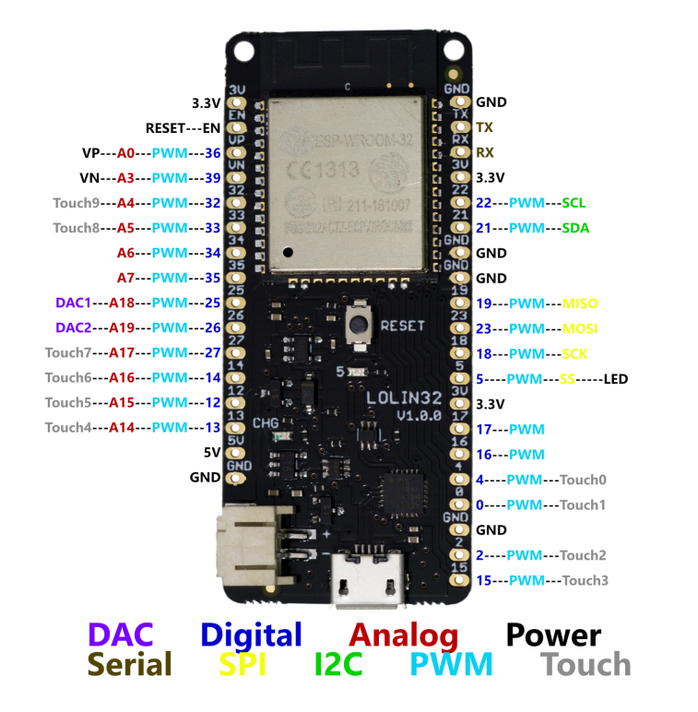
 |  |  |  |  |  |  |  |  |  |  |  | m2_sens | m2_pwm | m1_pwm | m1_sens |  |  |  |  |  |  | m1_sens | m1_pwm | m2_pwm | m2_sens

 |  |  |  |  |  |  |  |  |  |  |  |  |  |  |  |  |  |  |  |  | Arduino TANK - DRV8833
 |  |  |  |  |  |  |  |  |  |  |  |  |  |  |  |  |  |  |  |  | 1 | 2 | 3 | 4 | 5 | 6 | 7 | 8
 |  |  |  |  |  |  |  | MOTOR | IN1 | IN2
 |  |  |  |  |  |  |  | FWD | PWM | LOW |  |  |  |  |  |  |  |  |  |  | sensor1 | in1 | in2 | sensor2 | in3 | in4 | GND | 5v
 |  |  |  |  |  |  |  | REV | LOW | PWM

 | out
0 | 0
10 | 50
20 | 60
30 | 70
40 | 80
50 | 90
60 | 100
70 | 110
80 | 115
90 | 120
100 | 125
110 | 130
120 | 135
130 | 140
140 | 145
150 | 150
160 | 155
170 | 160
180 | 165
190 | 170
200 | 175
210 | 180
220 | 185
230 | 190
240 | 195
250 | 200
 |  |  |  |  |  |  |  |  |  | in | out
 |  |  |  |  |  |  |  |  |  | 0 | 0
 |  |  |  |  |  |  |  |  |  | 10 | 50
 |  |  |  |  |  |  |  |  |  | 20 | 60
 |  |  |  |  |  |  |  |  |  | 30 | 70
 |  |  |  |  |  |  |  |  |  | 40 | 80
 |  |  |  |  |  |  |  |  |  | 50 | 90
 |  |  |  |  |  |  |  |  |  | 60 | 100
 |  |  |  |  |  |  |  |  |  | 70 | 110
 |  |  |  |  |  |  |  |  |  | 80 | 115
 |  |  |  |  |  |  |  |  |  | 90 | 120
 |  |  |  |  |  |  |  |  |  | 100 | 125
 |  |  |  |  |  |  |  |  |  | 110 | 130
 |  |  |  |  |  |  |  |  |  | 120 | 135
 |  |  |  |  |  |  |  |  |  | 130 | 140
 |  |  |  |  |  |  |  |  |  | 140 | 145
 |  |  |  |  |  |  |  |  |  | 150 | 150
 |  |  |  |  |  |  |  |  |  | 160 | 155
 |  |  |  |  |  |  |  |  |  | 170 | 160
 |  |  |  |  |  |  |  |  |  | 180 | 165
 |  |  |  |  |  |  |  |  |  | 190 | 170
 |  |  |  |  |  |  |  |  |  | 200 | 175
 |  |  |  |  |  |  |  |  |  | 210 | 180
 |  |  |  |  |  |  |  |  |  | 220 | 185
 |  |  |  |  |  |  |  |  |  | 230 | 190
 |  |  |  |  |  |  |  |  |  | 240 | 195
 |  |  |  |  |  |  |  |  |  | 250 | 200

esp32-rover-servo
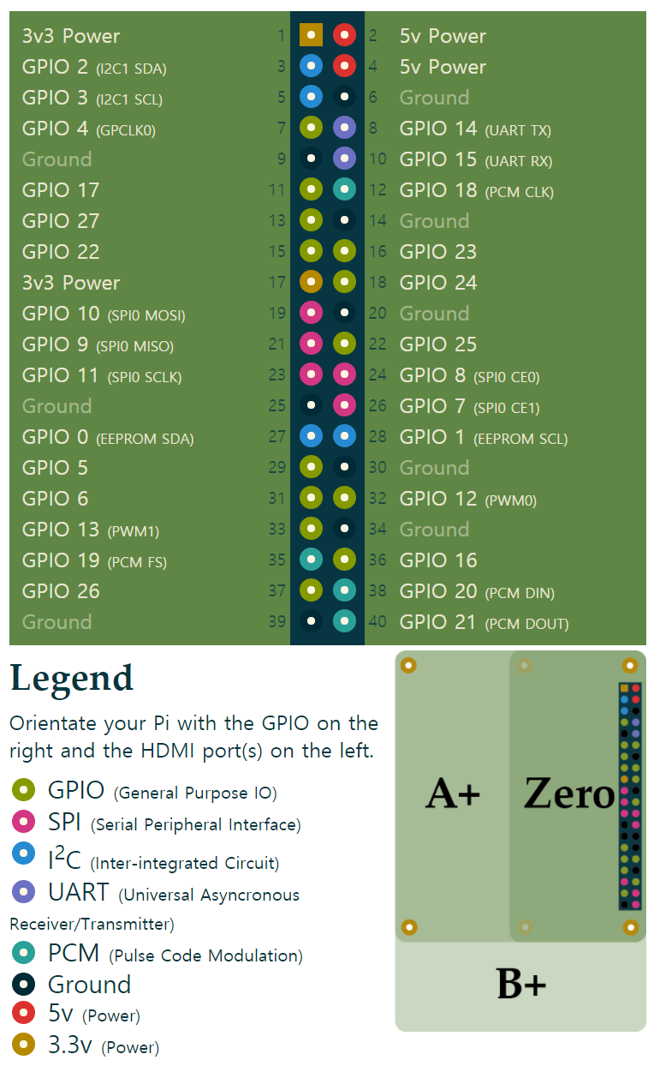
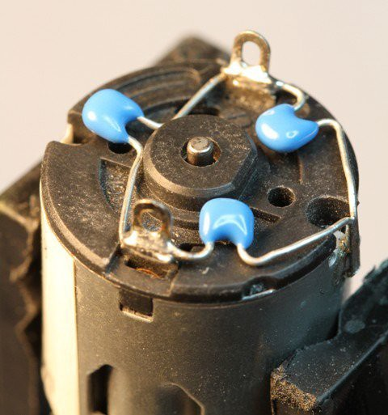
 | NOTE | ASSIGNMENT | MODE | PIN |  | MODE | ASSIGNMENT | NOTE |  |  | ASSIGNMENT | PIN |  |  |  | ASSIGNMENT
 |  |  |  | 3.3V | GND |  |  |  |  |  |  | 3.3V | 1 | 2 | 5V
 |  |  |  | RESET | TXD0/G01 |  |  |  |  |  |  | GPIO2 / I2C1 SDA | 3 | 4 | 5V
 | INPUT ONLY (NOPULL-UP) |  | A | G36/A00 / VP | RXD0/G03 |  |  |  |  |  |  | GPIO3 / I2C1 SCL | 5 | 6 | GND
 |  |  | A | G39/A03 / VN | 3.3V |  |  |  |  |  | STEER_SERVO | GPIO4 / GPCLK0 | 7 | 8 | UART TX / GPIO14
 |  |  |  | G32/A04 | SCL/G22 |  |  |  |  |  |  | GND | 9 | 10 | UART RX / GPIO15
 |  |  |  | G33/A05 | SDA/G21 |  |  |  |  |  |  | GPIO17 | 11 | 12 | PCM CLK / GPIO18
 | INPUT ONLY (NOPULL-UP) |  | A | G34/A06 | GND |  |  |  |  |  |  | GPIO27 | 13 | 14 | GND
 |  |  | A | G35/A07 | GND |  |  |  |  |  |  | GPIO22 | 15 | 16 | GPIO23
ADC2 |  |  |  | G25/A18/DAC1 | G19 |  |  |  |  |  |  | 3.3V | 17 | 18 | GPIO24
 |  |  |  | G26/A19/DAC2 | G23 |  |  |  |  |  |  | GPIO10 / SPI0 MOSI | 19 | 20 | GND
 |  | STEER_SERVO |  | G27/A17 | G18 |  |  |  |  |  |  | GPIO9 / SPI0 MISO | 21 | 22 | GPIO25
 |  | TB6612FNG_PWM |  | G14/A16 | G05 |  |  | LED: on(low) |  | ` |  | GPIO11 / SPI0 SCLK | 23 | 24 | SPI0 CE0 / GPIO8
 |  | TB6612FNG_IN2 |  | G12/A15 | 3.3V |  |  |  |  |  |  | GND | 25 | 26 | SPI0 CE1 / GPIO7
 |  | TB6612FNG_IN1 |  | G13/A14 | G17 |  |  |  |  |  |  | GPIO0 / EEPROM SDA | 27 | 28 | EEPROM SCL / GPIO1
 |  |  |  | 5V | G16 |  |  |  |  |  |  | GPIO5 | 29 | 30 | GND
 |  |  |  | GND | A10/G04 |  |  |  | ADC2 |  |  | GPIO6 | 31 | 32 | PWM0 / GPIO12 | STEER_SERVO | PWM0
 |  |  |  |  | A11/G00 |  |  | BOOT_SW |  | PWM1 | TB6612FNG_PWM | GPIO13 / PWM1 | 33 | 34 | GND
 |  |  |  |  | GND |  |  |  |  |  | TB6612FNG_IN2 | GPIO19 / PCMFS | 35 | 36 | GPIO16
 |  |  |  |  | A12/G02 |  |  |  | ADC2 |  | TB6612FNG_IN1 | GPIO26 | 37 | 38 | PCM DIN / GPIO20
 |  |  |  |  | A13/G15 |  |  |  |  |  |  | GND | 39 | 40 | PCM DOUT / GPIO21 | LED_STRIP | PCM

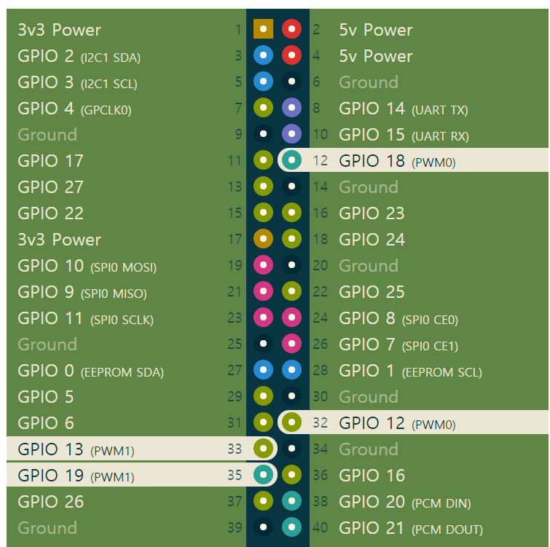

 |  |  |  |  |  |  |  |  |  |  |  |  |  |  |  |  |  |  |  |  |  |  | A typical three-capacitor filter installation on a DC motor (photo from Adafruit)

 |  |  |  |  |  |  |  |  |  |  |  |  |  |  |  |  |  |  |  |  |  |  | The three-capacitor filter is just a combination of the one- and two-capacitor versions. One capacitor is connected across the motor terminals and one is connected to each terminal and the motor casing. This is the filter that I use on all my motors: use a 0.1µF (micro-Farad) capacitor across the terminals, and two 0.047µF capacitors between each terminal and the case.
 |  |  |  |  |  |  |  |  |  |  |  |  |  |  |  |  |  | MOTOR | IN1 | IN2
 |  |  |  |  |  |  |  |  |  |  |  |  |  |  |  |  |  | FWD | PWM | LOW
 |  |  |  |  |  |  |  |  |  |  |  |  |  |  |  |  |  | REV | LOW | PWM

 |  |  |  |  |  |  |  |  |  |  |  |  |  |  |  |  |  | 1 | 2 | 3 | 4 | 5
 |  |  |  |  |  |  |  |  |  |  |  |  |  |  |  |  |  |  |  | motor
 |  |  |  |  |  |  |  |  |  |  |  |  |  |  |  |  |  | bat | steering servo | pwm | in2 | in1

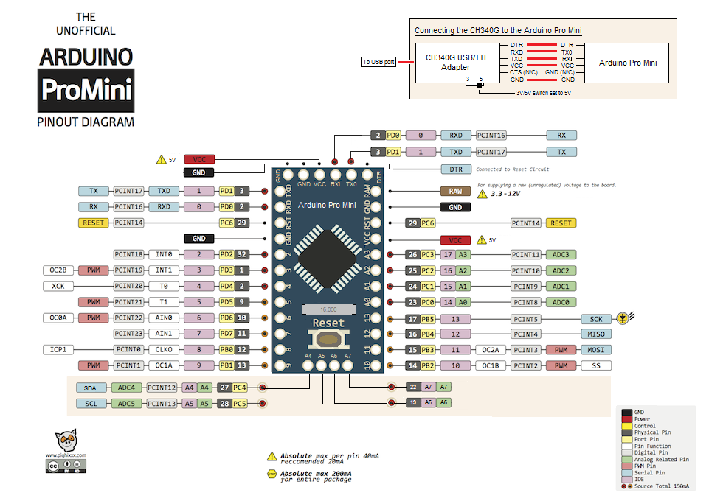

 |  |  |  |  |  |  |  |  |  |  |  |  | 1 / TXD | RAW
 |  |  |  |  |  |  |  |  |  |  |  |  | 0 / RXD | GND
 |  |  |  |  |  |  |  |  |  |  |  |  | RST | RST
 |  |  |  |  |  |  |  |  |  |  |  |  | GND | VCC
 |  |  |  |  |  |  |  |  |  |  |  |  | 2 | 17 / A3
 |  |  |  |  |  |  |  |  |  |  |  |  | 3 | 16 / A2
 |  |  |  |  |  |  |  |  |  |  |  |  | 4 | 15 / A1
 |  |  |  |  |  |  |  |  |  |  | steering servo |  | 5 | 14 / A0
 |  |  |  |  |  |  |  |  |  |  | motor pwm |  | 6 | LED/13
 |  |  |  |  |  |  |  |  |  |  | motor in2 |  | 7 | 12
 |  |  |  |  |  |  |  |  |  |  | motor in1 |  | 8 | 11
 |  |  |  |  |  |  |  |  |  |  |  |  | 9 | 10
 |  |  |  |  |  |  |  |  |  |  |  |  | A4 / SDA | A7
 |  |  |  |  |  |  |  |  |  |  |  |  | A5 / SCL | A6

rpi
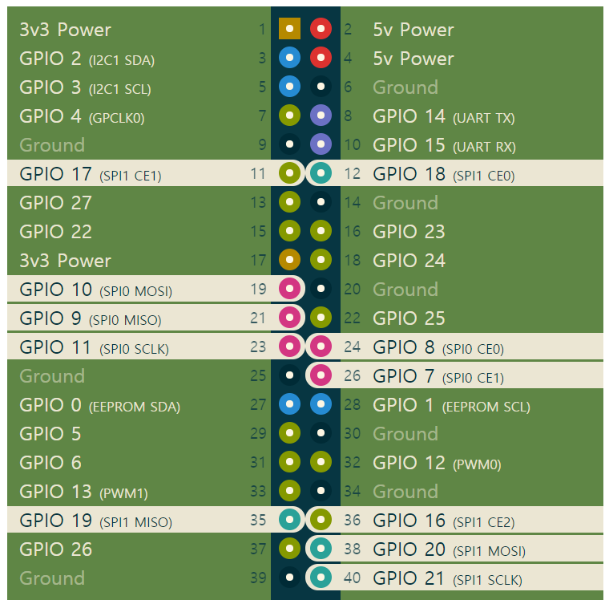
 |  |  |  |  |  | PWM | SPI
ASSIGNMENT | PIN |  |  |  | ASSIGNMENT
 | 3.3V | 1 | 2 | 5V
 | GPIO2 / I2C1 SDA | 3 | 4 | 5V
 | GPIO3 / I2C1 SCL | 5 | 6 | GND
RC_RECEIVER_PPM | GPIO4 / GPCLK0 | 7 | 8 | UART TX / GPIO14
 | GND | 9 | 10 | UART RX / GPIO15
 | GPIO17 | 11 | 12 | PCM CLK / GPIO18
 | GPIO27 | 13 | 14 | GND
 | GPIO22 | 15 | 16 | GPIO23
 | 3.3V | 17 | 18 | GPIO24
 | GPIO10 / SPI0 MOSI | 19 | 20 | GND
 | GPIO9 / SPI0 MISO | 21 | 22 | GPIO25
 | GPIO11 / SPI0 SCLK | 23 | 24 | SPI0 CE0 / GPIO8
 | GND | 25 | 26 | SPI0 CE1 / GPIO7
 | GPIO0 / EEPROM SDA | 27 | 28 | EEPROM SCL / GPIO1
 | GPIO5 | 29 | 30 | GND
 | GPIO6 | 31 | 32 | PWM0 / GPIO12 | STEER_PWM_SERVO
MOT_PWM_SPEED | GPIO13 / PWM1 | 33 | 34 | GND
MOT_PIN2 | GPIO19 / PCMFS | 35 | 36 | GPIO16
MOT_PIN1 | GPIO26 | 37 | 38 | PCM DIN / GPIO20
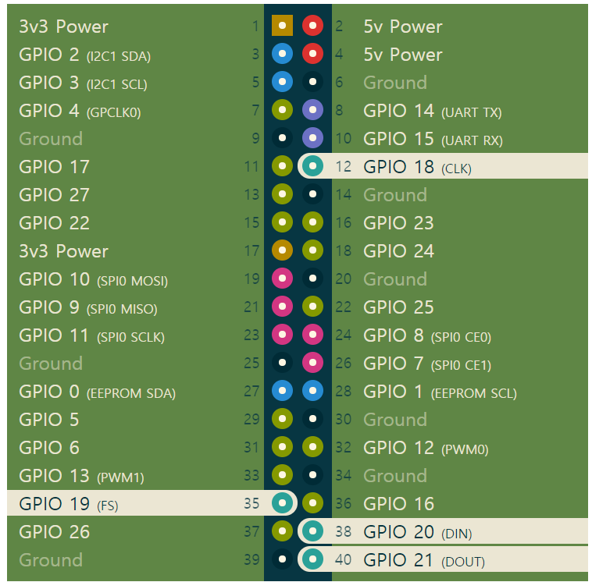
 | GND | 39 | 40 | PCM DOUT / GPIO21 | LED_STRIP | PCM

