esp32-s3
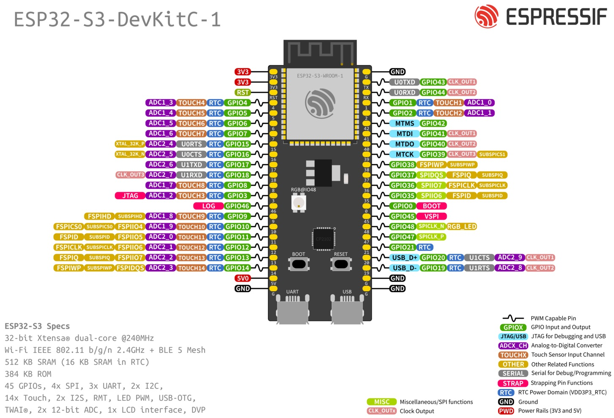
Board Version | Flash (Mode) | SPI RAM (Mode) | BOARD_VERSION
ESP32-S3-DevKitC-1-N8 | 8 MB (Quad) | - | esp32s3-devkitc-1-n8 (default)
ESP32-S3-DevKitC-1-N8R2 | 8 MB (Quad) | 2 MB (Quad) | esp32s3-devkitc-1-n8r2
ESP32-S3-DevKitC-1-N8R8 | 8 MB (Quad) | 8 MB (Octal) | esp32s3-devkitc-1-n8r8
ESP32-S3-DevKitC-1-N16R8V | 16 MB (Octal) | 8 MB (Octal) | esp32s3-devkitc-1-n16r8v
ESP32-S3-DevKitC-1-N32R8V | 32 MB (Octal) | 8 MB (Octal) | esp32s3-devkitc-1-n32r8v
ESP32-S3-DevKitC-1U-N8 | 8 MB (Quad) | - | esp32s3-devkitc-1u-n8
ESP32-S3-DevKitC-1U-N8R2 | 8 MB (Quad) | 2 MB (Quad) | esp32s3-devkitc-1u-n8r2
ESP32-S3-DevKitC-1U-N8R8 | 8 MB (Quad) | 8 MB (Octal) | esp32s3-devkitc-1u-n8r8
ESP32-S3-DevKitM-1-N8 | 8 MB (Quad) | - | esp32s3-devkitm-1-n8
ESP32-S3-DevKitM-1U-N8 | 8 MB (Quad) | - | esp32s3-devkitm-1u-n8

Function | GPIOs | Remarks | Configuration
BUTTON0 | GPIO0
ADC_LINE(n) | GPIO1, GPIO2, GPIO4, GPIO5, GPIO6, GPIO7, GPIO8, GPIO9 |  | ADC Channels
PWM_DEV(0) | GPIO14, GPIO17, GPIO18, GPIO21 | - | PWM Channels
PWM_DEV(1) | GPIO15, GPIO16 | if module esp_rtc_timer_32k is not used | PWM Channels
I2C_DEV(0) SCL | GPIO9 |  | I2C Interfaces
I2C_DEV(0) SDA | GPIO8 |  | I2C Interfaces
RGB-LED | GPIO48 | supported by driver module ws281x
SPI_DEV(0) CLK | GPIO12 | SPI2_HOST (FSPI) is used | SPI Interfaces
SPI_DEV(0) MISO | GPIO13 | SPI2_HOST (FSPI) is used | SPI Interfaces
SPI_DEV(0) MOSI | GPIO11 | SPI2_HOST (FSPI) is used | SPI Interfaces
SPI_DEV(0) CS0 | GPIO10 | SPI2_HOST (FSPI) is used | SPI Interfaces
UART_DEV(0) TxD | GPIO43 | Console (configuration is fixed) | UART interfaces
UART_DEV(0) RxD | GPIO44 | Console (configuration is fixed) | UART interfaces

Note
For boards with Octal SPI flash/PSRAM memory embedded ESP32-S3-WROOM-1/1U modules, and boards with ESP32-S3-WROOM-2 modules, the pins GPIO35, GPIO36 and GPIO37 are used for the internal communication between ESP32-S3 and SPI flash/PSRAM memory, thus not available for external use.

esp32-s3-pins
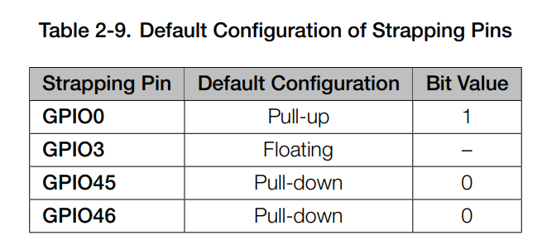
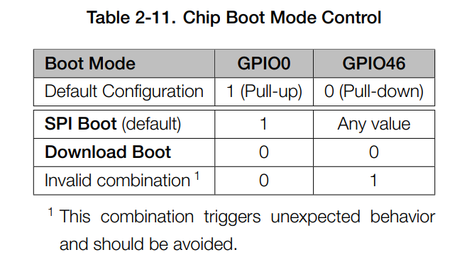
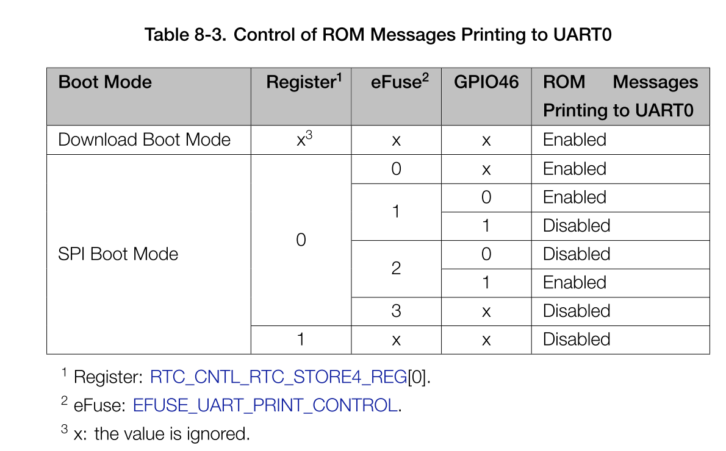
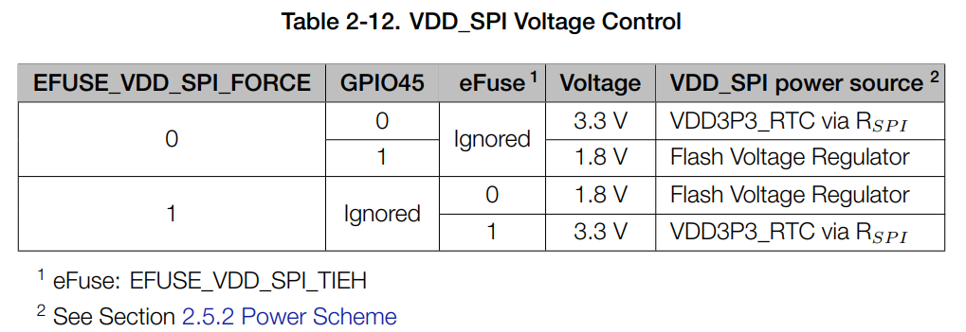
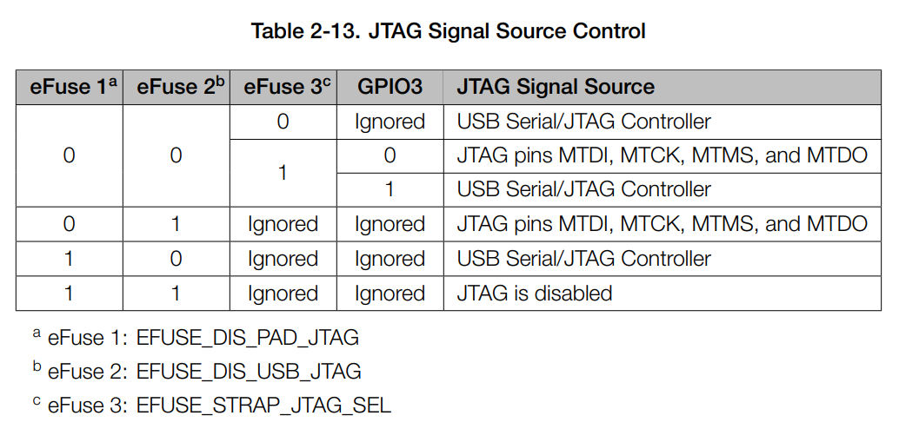
Function | Type | Allocation | Name | No. | Name | Allocation | Type | Function
3.3 V power supply | P |  | 3V3 | 1 | G |  | G | Ground
3.3 V power supply | P |  | 3V3 | 2 | TX |  | I/O/T | U0TXD, GPIO43, CLK_OUT1
EN | I | DO NOT USE | RST | 3 | RX |  | I/O/T | U0RXD, GPIO44, CLK_OUT2
RTC_GPIO4, GPIO4, TOUCH4, ADC1_CH3 | I/O/T |  | 4 | 4 | 1 |  | I/O/T | RTC_GPIO1, GPIO1, TOUCH1, ADC1_CH0
RTC_GPIO5, GPIO5, TOUCH5, ADC1_CH4 | I/O/T |  | 5 | 5 | 2 |  | I/O/T | RTC_GPIO2, GPIO2, TOUCH2, ADC1_CH1
RTC_GPIO6, GPIO6, TOUCH6, ADC1_CH5 | I/O/T |  | 6 | 6 | 42 |  | I/O/T | MTMS, GPIO42
RTC_GPIO7, GPIO7, TOUCH7, ADC1_CH6 | I/O/T |  | 7 | 7 | 41 |  | I/O/T | MTDI, GPIO41, CLK_OUT1
RTC_GPIO15, GPIO15, U0RTS, ADC2_CH4, XTAL_32K_P | I/O/T |  | 15 | 8 | 40 |  | I/O/T | MTDO, GPIO40, CLK_OUT2
RTC_GPIO16, GPIO16, U0CTS, ADC2_CH5, XTAL_32K_N | I/O/T |  | 16 | 9 | 39 |  | I/O/T | MTCK, GPIO39, CLK_OUT3, SUBSPICS1
RTC_GPIO17, GPIO17, U1TXD, ADC2_CH6 | I/O/T |  | 17 | 10 | 38 |  | I/O/T | GPIO38, FSPIWP, SUBSPIWP
RTC_GPIO18, GPIO18, U1RXD, ADC2_CH7, CLK_OUT3 | I/O/T |  | 18 | 11 | 37 | DO NOT USE | I/O/T | SPIDQS, GPIO37, FSPIQ, SUBSPIQ
RTC_GPIO8, GPIO8, TOUCH8, ADC1_CH7, SUBSPICS1 | I/O/T |  | 8 | 12 | 36 | DO NOT USE | I/O/T | SPIIO7, GPIO36, FSPICLK, SUBSPICLK
RTC_GPIO3, GPIO3, TOUCH3, ADC1_CH2 | I/O/T |  | 3 | 13 | 35 | DO NOT USE | I/O/T | SPIIO6, GPIO35, FSPID, SUBSPID
GPIO46 (should be low when boot), USE OUTPUT_ONLY | I/O/T |  | 46 | 14 | 0 | DO NOT USE | I/O/T | RTC_GPIO0, GPIO0
RTC_GPIO9, GPIO9, TOUCH9, ADC1_CH8, FSPIHD, SUBSPIHD | I/O/T |  | 9 | 15 | 45 |  | I/O/T | GPIO45 (should be low when boot), USE OUTPUT_ONLY
RTC_GPIO10, GPIO10, TOUCH10, ADC1_CH9, FSPICS0, FSPIIO4, SUBSPICS0 | I/O/T |  | 10 | 16 | 48 |  | I/O/T | GPIO48, SPICLK_N, SUBSPICLK_N_DIFF, RGB LED
RTC_GPIO11, GPIO11, TOUCH11, ADC2_CH0, FSPID, FSPIIO5, SUBSPID | I/O/T |  | 11 | 17 | 47 |  | I/O/T | GPIO47, SPICLK_P, SUBSPICLK_P_DIFF
RTC_GPIO12, GPIO12, TOUCH12, ADC2_CH1, FSPICLK, FSPIIO6, SUBSPICLK | I/O/T |  | 12 | 18 | 21 |  | I/O/T | RTC_GPIO21, GPIO21
RTC_GPIO13, GPIO13, TOUCH13, ADC2_CH2, FSPIQ, FSPIIO7, SUBSPIQ | I/O/T |  | 13 | 19 | 20 |  | I/O/T | RTC_GPIO20, GPIO20, U1CTS, ADC2_CH9, CLK_OUT1, USB_D+
RTC_GPIO14, GPIO14, TOUCH14, ADC2_CH3, FSPIWP, FSPIDQS, SUBSPIWP | I/O/T |  | 14 | 20 | 19 |  | I/O/T | RTC_GPIO19, GPIO19, U1RTS, ADC2_CH8, CLK_OUT2, USB_D-
5 V power supply | P |  | 5V | 21 | G |  | G | Ground
Ground | G |  | G | 22 | G |  | G | Ground
P: Power supply; I: Input; O: Output; T: High impedance.
 |  |  |  |  |  |  |  | PSRAM pins
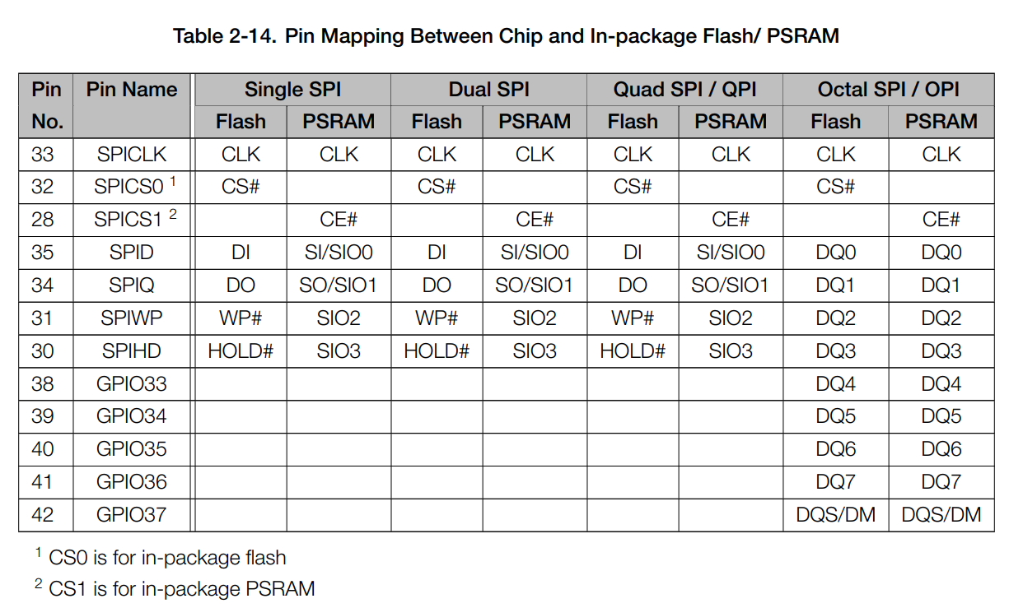
 |  |  |  |  |  |  |  | strapping pins

esp32-s3-openfire
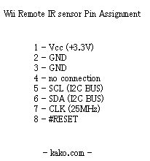
Function | Type | Allocation | Name | No. | Name | Allocation | Type | Function
3.3 V power supply | P |  | 3V3 | 1 | G |  | G | Ground
3.3 V power supply | P |  | 3V3 | 2 | TX |  | I/O/T | U0TXD, GPIO43, CLK_OUT1
EN | I |  | RST | 3 | RX |  | I/O/T | U0RXD, GPIO44, CLK_OUT2
RTC_GPIO4, GPIO4, TOUCH4, ADC1_CH3 | I/O/T |  | 4 | 4 | 1 |  | I/O/T | RTC_GPIO1, GPIO1, TOUCH1, ADC1_CH0
RTC_GPIO5, GPIO5, TOUCH5, ADC1_CH4 | I/O/T |  | 5 | 5 | 2 |  | I/O/T | RTC_GPIO2, GPIO2, TOUCH2, ADC1_CH1
RTC_GPIO6, GPIO6, TOUCH6, ADC1_CH5 | I/O/T |  | 6 | 6 | 42 |  | I/O/T | MTMS, GPIO42
RTC_GPIO7, GPIO7, TOUCH7, ADC1_CH6 | I/O/T |  | 7 | 7 | 41 |  | I/O/T | MTDI, GPIO41, CLK_OUT1
RTC_GPIO15, GPIO15, U0RTS, ADC2_CH4, XTAL_32K_P | I/O/T |  | 15 | 8 | 40 |  | I/O/T | MTDO, GPIO40, CLK_OUT2
RTC_GPIO16, GPIO16, U0CTS, ADC2_CH5, XTAL_32K_N | I/O/T |  | 16 | 9 | 39 | IR_SDA | I/O/T | MTCK, GPIO39, CLK_OUT3, SUBSPICS1
RTC_GPIO17, GPIO17, U1TXD, ADC2_CH6 | I/O/T |  | 17 | 10 | 38 | IR_SCL | I/O/T | GPIO38, FSPIWP, SUBSPIWP
RTC_GPIO18, GPIO18, U1RXD, ADC2_CH7, CLK_OUT3 | I/O/T |  | 18 | 11 | 37 | DO NOT USE | I/O/T | SPIDQS, GPIO37, FSPIQ, SUBSPIQ
RTC_GPIO8, GPIO8, TOUCH8, ADC1_CH7, SUBSPICS1 | I/O/T |  | 8 | 12 | 36 | DO NOT USE | I/O/T | SPIIO7, GPIO36, FSPICLK, SUBSPICLK
RTC_GPIO3, GPIO3, TOUCH3, ADC1_CH2 | I/O/T |  | 3 | 13 | 35 | DO NOT USE | I/O/T | SPIIO6, GPIO35, FSPID, SUBSPID
GPIO46 (should be low when boot), USE OUTPUT_ONLY | I/O/T |  | 46 | 14 | 0 | IR_CLK | I/O/T | RTC_GPIO0, GPIO0
RTC_GPIO9, GPIO9, TOUCH9, ADC1_CH8, FSPIHD, SUBSPIHD | I/O/T |  | 9 | 15 | 45 | IR_#RESET | I/O/T | GPIO45 (should be low when boot), USE OUTPUT_ONLY
RTC_GPIO10, GPIO10, TOUCH10, ADC1_CH9, FSPICS0, FSPIIO4, SUBSPICS0 | I/O/T |  | 10 | 16 | 48 |  | I/O/T | GPIO48, SPICLK_N, SUBSPICLK_N_DIFF, RGB LED
RTC_GPIO11, GPIO11, TOUCH11, ADC2_CH0, FSPID, FSPIIO5, SUBSPID | I/O/T |  | 11 | 17 | 47 |  | I/O/T | GPIO47, SPICLK_P, SUBSPICLK_P_DIFF
RTC_GPIO12, GPIO12, TOUCH12, ADC2_CH1, FSPICLK, FSPIIO6, SUBSPICLK | I/O/T |  | 12 | 18 | 21 |  | I/O/T | RTC_GPIO21, GPIO21
RTC_GPIO13, GPIO13, TOUCH13, ADC2_CH2, FSPIQ, FSPIIO7, SUBSPIQ | I/O/T |  | 13 | 19 | 20 |  | I/O/T | RTC_GPIO20, GPIO20, U1CTS, ADC2_CH9, CLK_OUT1, USB_D+ | http://www.kako.com/neta/2007-001/2007-001.html
RTC_GPIO14, GPIO14, TOUCH14, ADC2_CH3, FSPIWP, FSPIDQS, SUBSPIWP | I/O/T |  | 14 | 20 | 19 |  | I/O/T | RTC_GPIO19, GPIO19, U1RTS, ADC2_CH8, CLK_OUT2, USB_D-
5 V power supply | P |  | 5V | 21 | G |  | G | Ground
Ground | G |  | G | 22 | G |  | G | Ground
P: Power supply; I: Input; O: Output; T: High impedance.
 |  |  |  |  |  |  |  | PSRAM pins
 |  |  |  |  |  |  |  | strapping pins

Sheet1
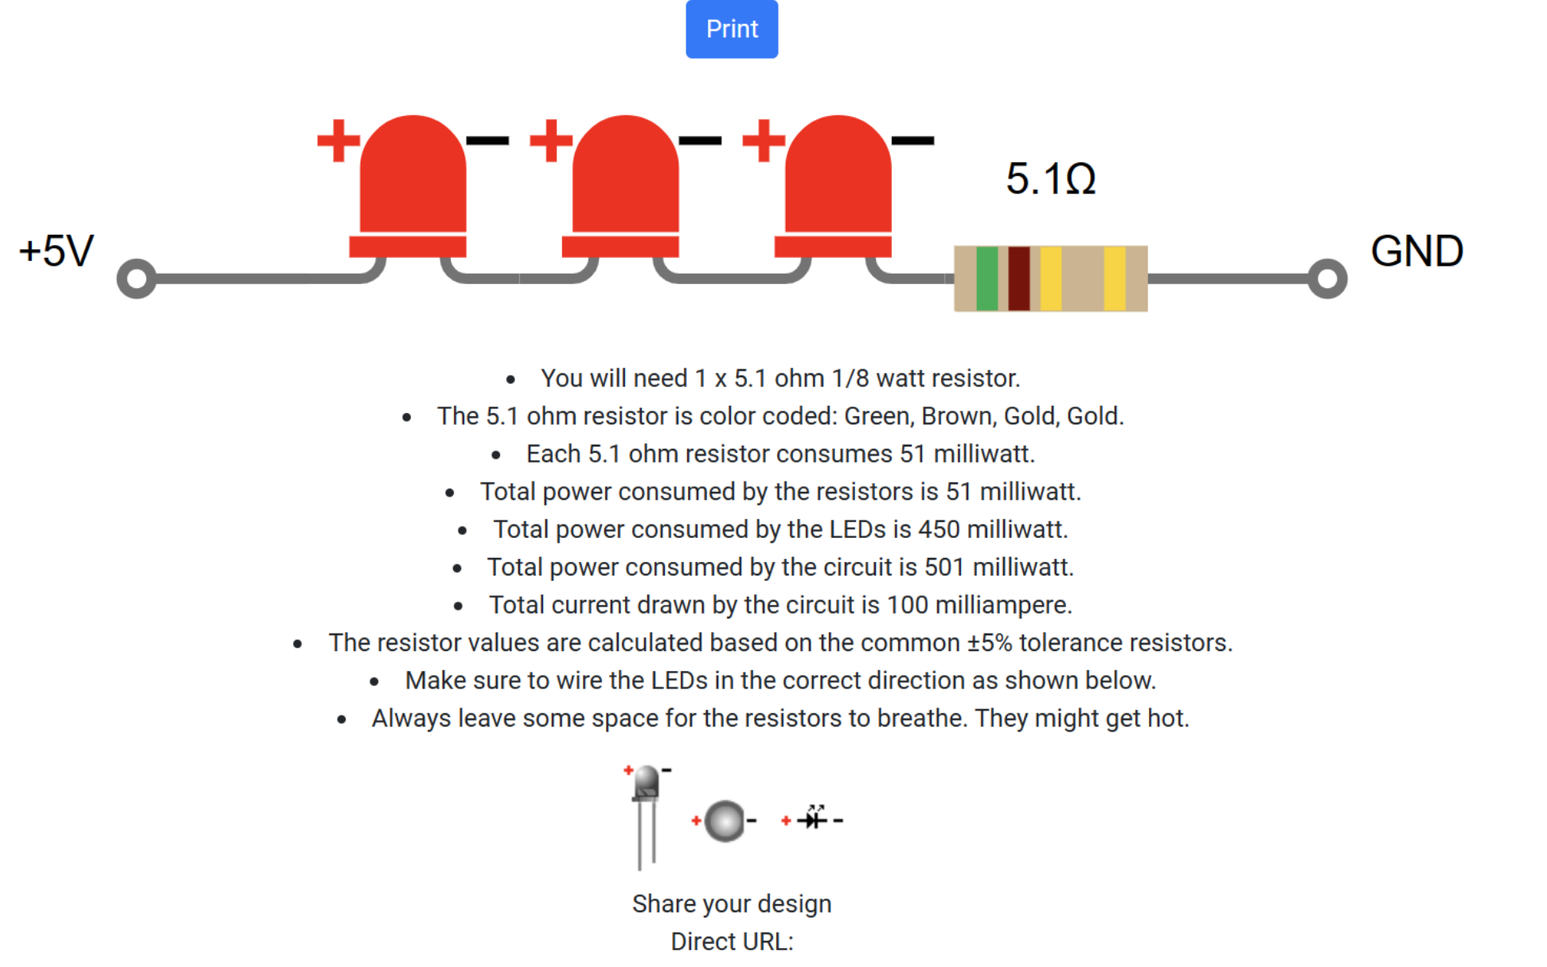

https://flatfootfox.com/a-look-at-the-gun4ir-light-gun/

rpi
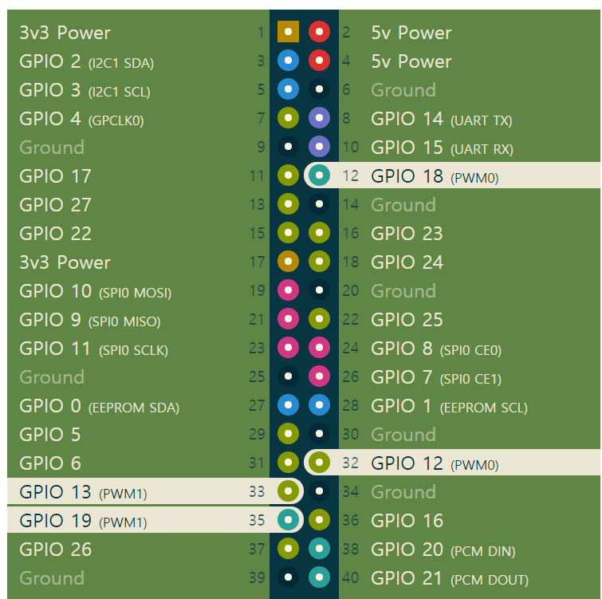
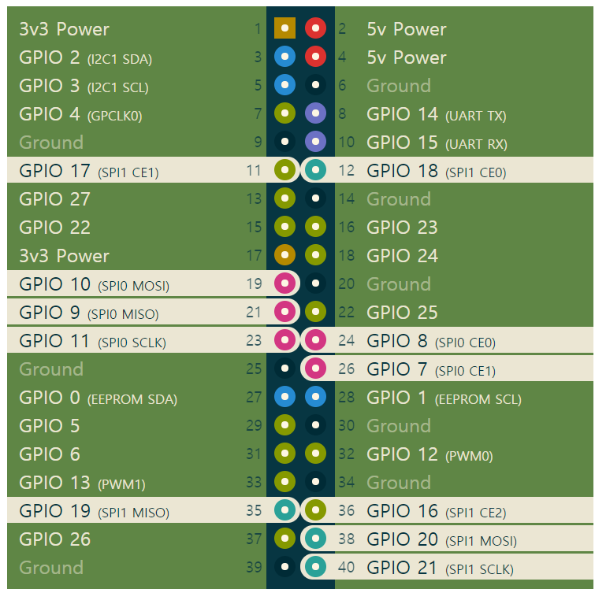
 |  |  |  |  |  | PWM | SPI
ASSIGNMENT | PIN |  |  |  | ASSIGNMENT
 | 3.3V | 1 | 2 | 5V
 | GPIO2 / I2C1 SDA | 3 | 4 | 5V
 | GPIO3 / I2C1 SCL | 5 | 6 | GND
RC_RECEIVER_PPM | GPIO4 / GPCLK0 | 7 | 8 | UART TX / GPIO14
 | GND | 9 | 10 | UART RX / GPIO15
 | GPIO17 | 11 | 12 | PCM CLK / GPIO18
 | GPIO27 | 13 | 14 | GND
 | GPIO22 | 15 | 16 | GPIO23
 | 3.3V | 17 | 18 | GPIO24
 | GPIO10 / SPI0 MOSI | 19 | 20 | GND
 | GPIO9 / SPI0 MISO | 21 | 22 | GPIO25
 | GPIO11 / SPI0 SCLK | 23 | 24 | SPI0 CE0 / GPIO8
 | GND | 25 | 26 | SPI0 CE1 / GPIO7
 | GPIO0 / EEPROM SDA | 27 | 28 | EEPROM SCL / GPIO1
 | GPIO5 | 29 | 30 | GND
 | GPIO6 | 31 | 32 | PWM0 / GPIO12 | STEER_PWM_SERVO
MOT_PWM_SPEED | GPIO13 / PWM1 | 33 | 34 | GND
MOT_PIN2 | GPIO19 / PCMFS | 35 | 36 | GPIO16
MOT_PIN1 | GPIO26 | 37 | 38 | PCM DIN / GPIO20
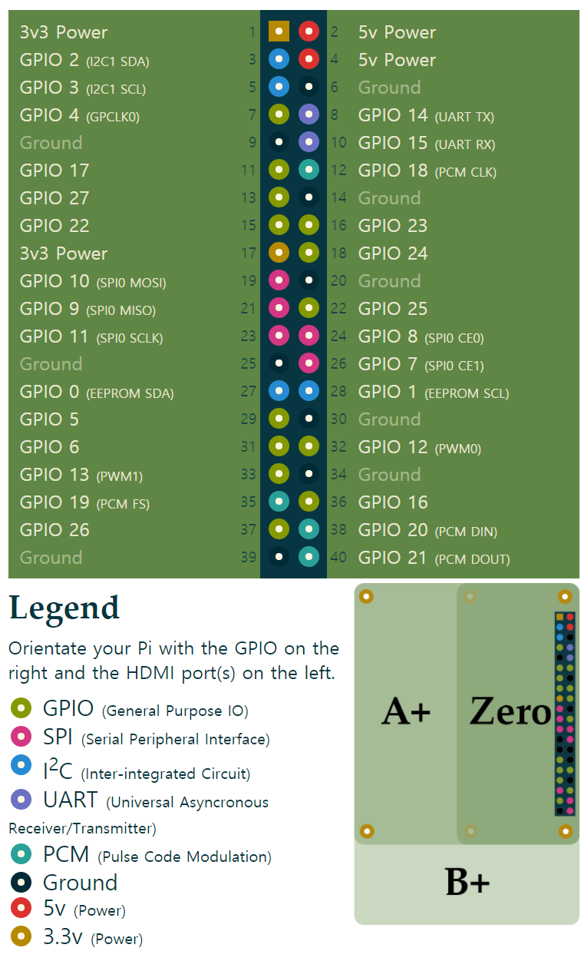
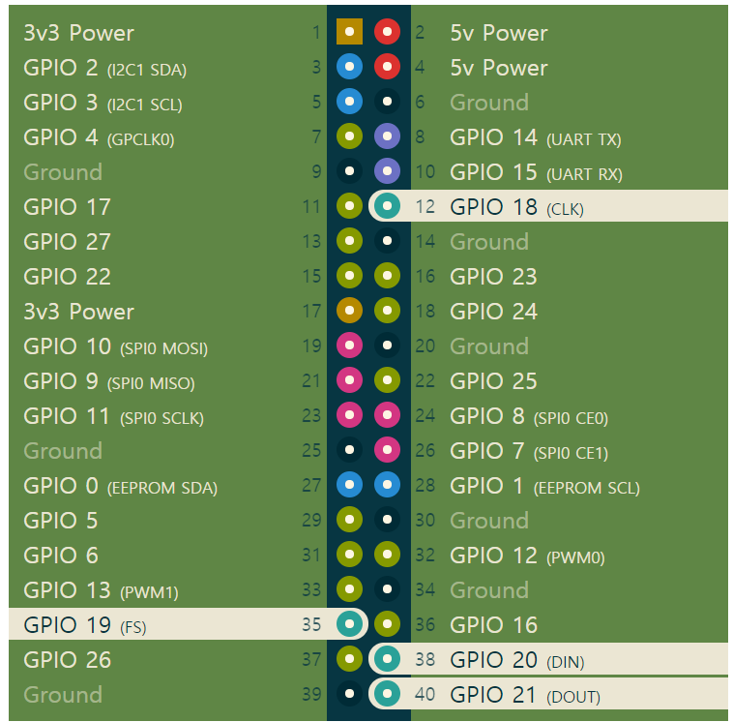
 | GND | 39 | 40 | PCM DOUT / GPIO21 | LED_STRIP | PCM

