esp32
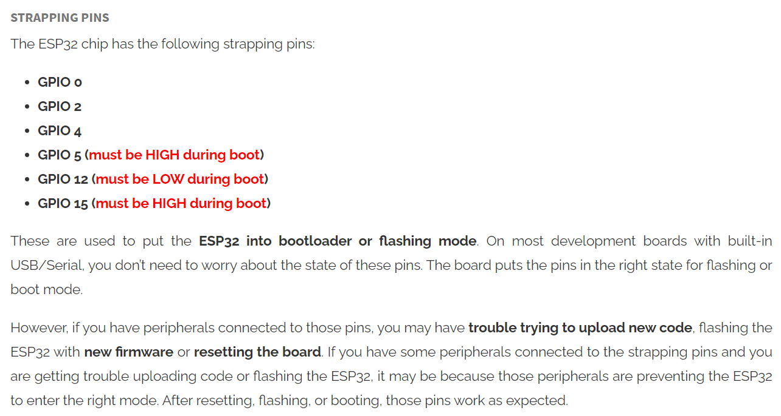
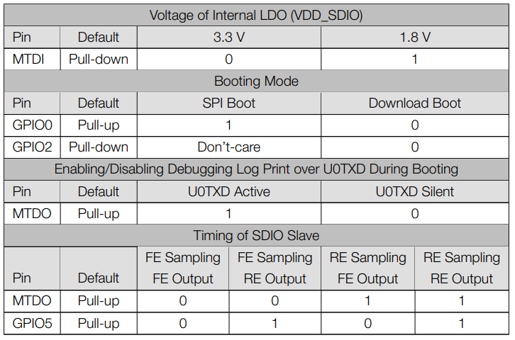
GPIO | Input | Output | TYPE | SPC | BOOT STRAPPING | OUPUT at BOOT | Notes
0 | PULLED UP | OK | RTC_GPIO11 |  | must be LOW when flashing |  | LOW:ROM serial bootloader for esptool
1 | OK | TX
2 | OK | OK | RTC_GPIO12 |  | must be FLOAT/LOW when flashing
3 | RX | OK |  |  |  | HIGH
4 | OK | OK | RTC_GPIO10
5 | OK | OK |  | VSPI-CS |  | PWM | Timing of SDIO slave - refer to below table
6 | X | X |  |  |  |  | Connected to the internal flash
7 | X | X |  |  |  |  | Connected to the internal flash
8 | X | X |  |  |  |  | Connected to the internal flash
9 | X | X |  |  |  |  | Connected to the internal flash
10 | X | X |  |  |  |  | Connected to the internal flash
11 | X | X |  |  |  |  | Connected to the internal flash
12 | OK | OK | RTC_GPIO15 | HSPI-MISO | must be LOW for normal boot |  | MTDI, If driven High, flash voltage (VDD_SDIO) is 1.8V not default 3.3V. Has internal pull-down, so unconnected = Low = 3.3V.
13 | OK | OK | RTC_GPIO14 | HSPI-MOSI
14 | OK | OK | RTC_GPIO16 | HSPI-CLK |  | PWM
15 | OK | OK | RTC_GPIO13 | HSPI-CS | startup log when HIGH |  | MTDO, If driven Low, silences boot messages printed by the ROM bootloader. Has an internal pull-up, so unconnected = High = normal output.
16 | OK | OK |  |  |  |  | Not available on WROVER
17 | OK | OK |  |  |  |  | Not available on WROVER
18 | OK | OK |  | VSPI-CLK
19 | OK | OK |  | VSPI-MISO
20 | OK | OK
21 | OK | OK |  | SDA
22 | OK | OK |  | SCL
23 | OK | OK |  | VSPI-MOSI
24 | OK | OK
25 | OK | OK | RTC_GPIO6
26 | OK | OK | RTC_GPIO7
27 | OK | OK | RTC_GPIO17
28 | OK | OK
29 | OK | OK
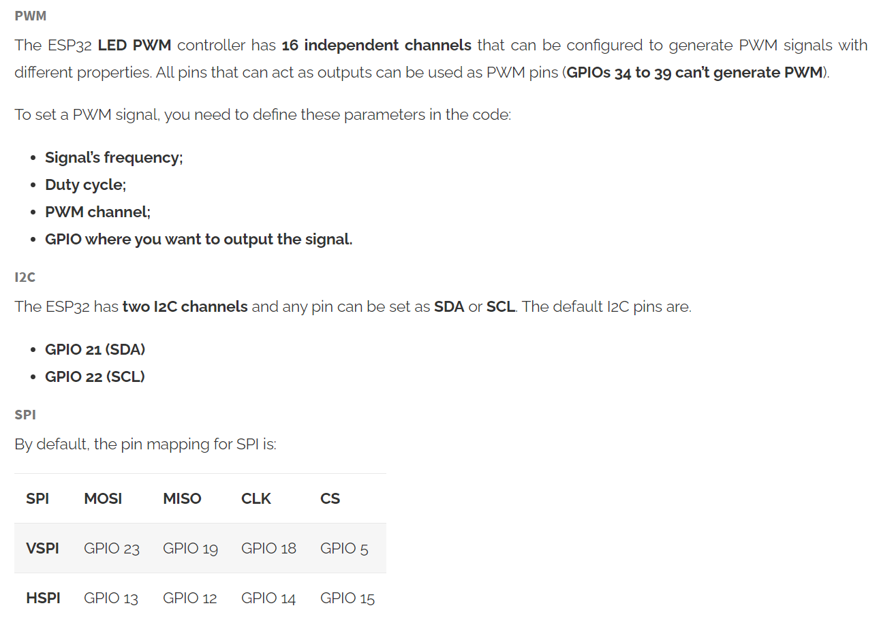
30 | OK | OK
31 | OK | OK
32 | OK | OK | RTC_GPIO9
33 | OK | OK | RTC_GPIO8
34 | OK | X | RTC_GPIO4 |  |  |  | No internal pull-up/pull-down
35 | OK | X | RTC_GPIO5 |  |  |  | No internal pull-up/pull-down
36 | OK | X | RTC_GPIO0 |  |  |  | No internal pull-up/pull-down
37 | OK | X |  |  |  |  | No internal pull-up/pull-down
38 | OK | X |  |  |  |  | No internal pull-up/pull-down
39 | OK | X | RTC_GPIO3 |  |  |  | No internal pull-up/pull-down
https://randomnerdtutorials.com/esp32-pinout-reference-gpios/

esp32-willy_v0.1
 | NOTE | ASSIGNMENT | MODE | PIN |  | MODE | ASSIGNMENT | NOTE |  | PCA9658 | ASSIGNMENT | MOTOR
 |  |  |  | 3.3V | GND |  |  |  |  | 0 | W1_MOT1_IN1 | M1 | WHITE
 |  |  |  | EN/RESET | TXD0/G01 |  |  |  |  | 1 | W1_MOT1_IN2 | GND | BLUE
 | INPUT ONLY (NOPULL-UP) |  | A | G36/A00 / VP | RXD0/G03 |  |  |  |  | 2 | W1_MOT2_IN1 | C1 | GREEN
 |  |  | A | G39/A03 / VN | 3.3V |  |  |  |  | 3 | W1_MOT2_IN2 | C2 | YELLOW
 |  | W2_MOT1_C1 | I | G32/A04 | SCL/G22 |  | PCA9658_SCL |  |  | 4 | W2_MOT1_IN1 | VCC | BLACK
 |  | W2_MOT1_C2 | I | G33/A05 | SDA/G21 |  | PCA9658_SDA |  |  | 5 | W2_MOT1_IN2 | M2 | RED
 | INPUT ONLY (NOPULL-UP) | W2_MOT2_C1 | I | G34/A06 | GND |  |  |  |  | 6 | W2_MOT2_IN1
 |  | W2_MOT2_C2 | I | G35/A07 | GND |  |  |  |  | 7 | W2_MOT2_IN2
ADC2 |  |  |  | G25/A18/DAC1 | G19 | I | W1_MOT1_C1 |  |  | 8 | W3_MOT1_IN1
 |  | W3_MOT1_C1 | I | G26/A19/DAC2 | G23 | I | W1_MOT1_C2 |  |  | 9 | W3_MOT1_IN2
 |  | W3_MOT1_C2 | I | G27/A17 | G18 | I | W1_MOT2_C1 |  |  | 10 | W3_MOT2_IN1
 |  | W3_MOT2_C1 | I | G14/A16 | G05 |  |  | LED: on (low) |  | 11 | W3_MOT2_IN2
 | must be LOW when BOOT |  |  | G12/A15 | 3.3V |  |  |  |  | 12
 |  | W3_MOT2_C2 | I | G13/A14 | G17 | I | W1_MOT2_C2 |  |  | 13
 |  |  |  | 5V | G16 | I | INA226_ALE | active low |  | 14
 |  |  |  | GND | A10/G04 |  |  |  | ADC2 | 15
 |  |  |  |  | A11/G00 |  |  | BOOT_SW, must be LOW when flashing
 |  |  |  |  | GND
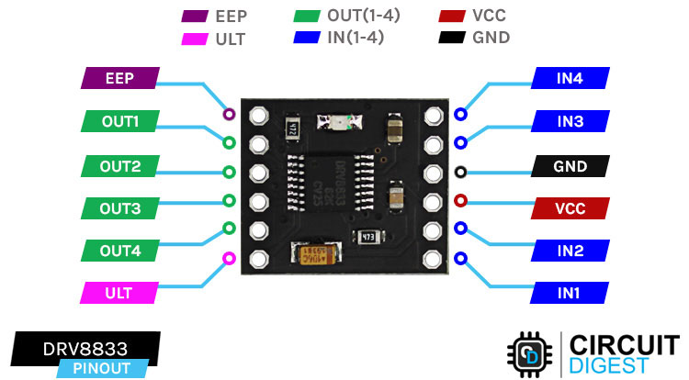
 |  |  |  |  | A12/G02 | O | MOTOR_EEP | must be FLOAT/LOW when flashing | ADC2
 |  |  |  |  | A13/G15
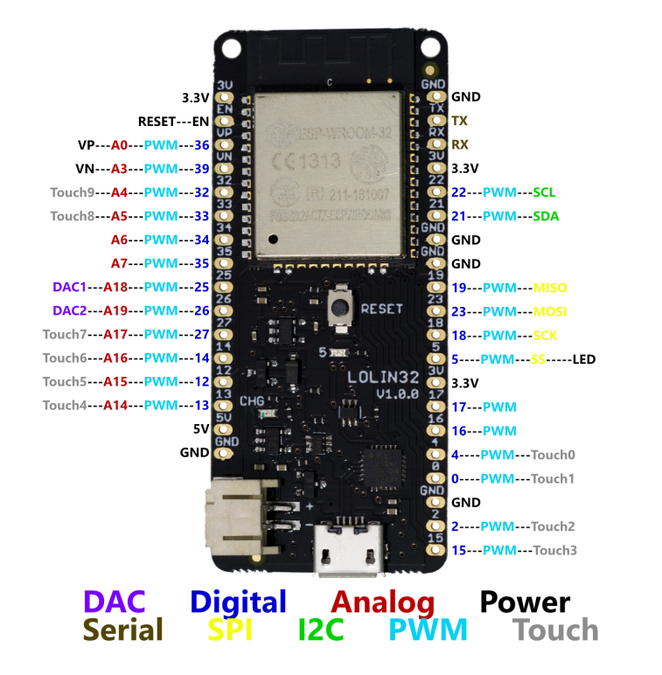

 |  |  |  |  |  |  | 자동 다운로드 안될 때
 |  |  |  |  |  |  | EN 핀과 GND 사이에 10uF 연결

 |  |  |  |  |  |  | MOTOR | IN1 | IN2
 |  |  |  |  |  |  | FWD | PWM | LOW
 |  |  |  |  |  |  | REV | LOW | PWM

rpi
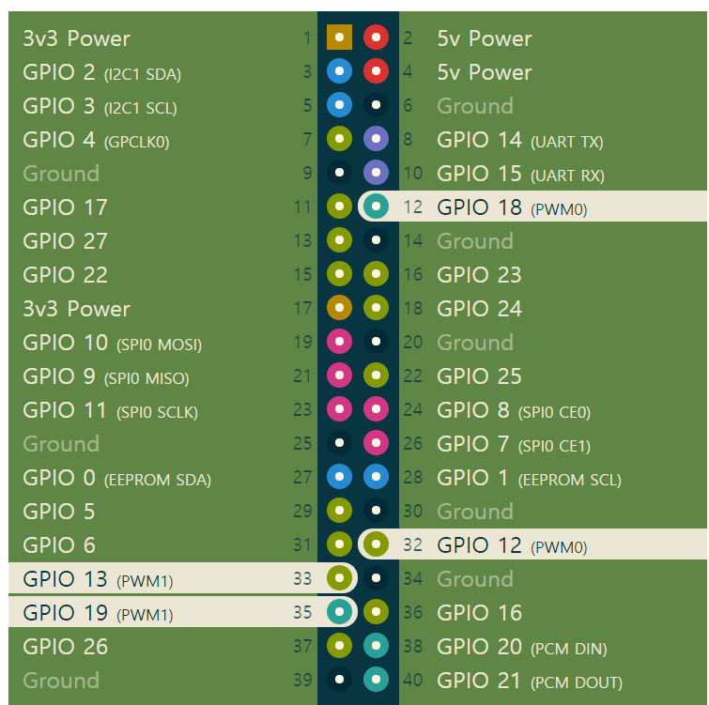
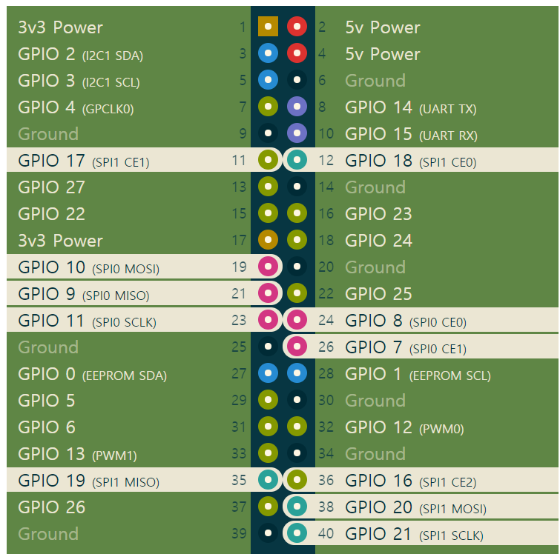
 |  |  |  |  |  | PWM | SPI
ASSIGNMENT | PIN |  |  |  | ASSIGNMENT
 | 3.3V | 1 | 2 | 5V
 | GPIO2 / I2C1 SDA | 3 | 4 | 5V
 | GPIO3 / I2C1 SCL | 5 | 6 | GND
RC_RECEIVER_PPM | GPIO4 / GPCLK0 | 7 | 8 | UART TX / GPIO14
 | GND | 9 | 10 | UART RX / GPIO15
 | GPIO17 | 11 | 12 | PCM CLK / GPIO18
 | GPIO27 | 13 | 14 | GND
 | GPIO22 | 15 | 16 | GPIO23
 | 3.3V | 17 | 18 | GPIO24
 | GPIO10 / SPI0 MOSI | 19 | 20 | GND
 | GPIO9 / SPI0 MISO | 21 | 22 | GPIO25
 | GPIO11 / SPI0 SCLK | 23 | 24 | SPI0 CE0 / GPIO8
 | GND | 25 | 26 | SPI0 CE1 / GPIO7
 | GPIO0 / EEPROM SDA | 27 | 28 | EEPROM SCL / GPIO1
 | GPIO5 | 29 | 30 | GND
 | GPIO6 | 31 | 32 | PWM0 / GPIO12 | STEER_PWM_SERVO
MOT_PWM_SPEED | GPIO13 / PWM1 | 33 | 34 | GND
MOT_PIN2 | GPIO19 / PCMFS | 35 | 36 | GPIO16
MOT_PIN1 | GPIO26 | 37 | 38 | PCM DIN / GPIO20
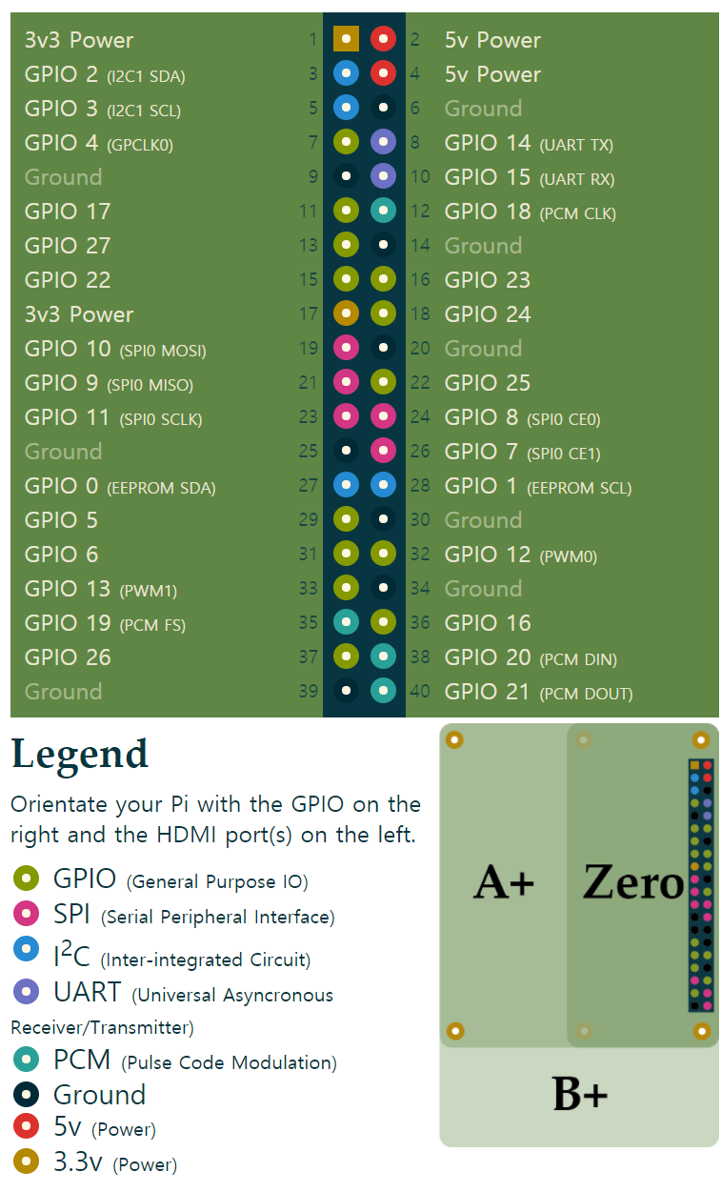
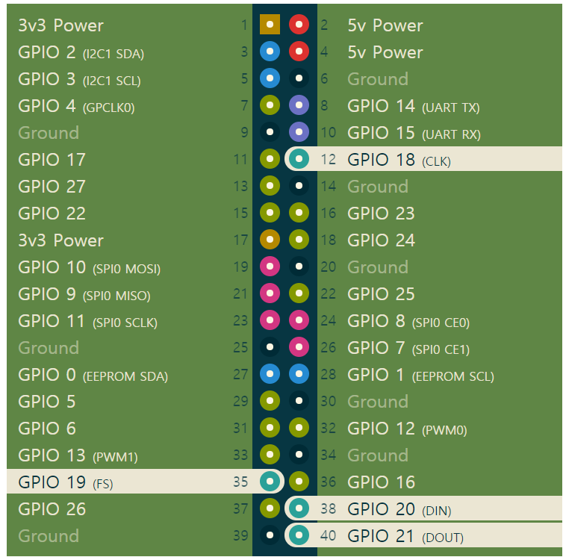
 | GND | 39 | 40 | PCM DOUT / GPIO21 | LED_STRIP | PCM

RC 변환
모터 output |  |  |  | Steering
in | out | log | e | in | out
0 | 0 | 150 | 0.165 | 0 | 0
10 | 45 |  |  | 40 | 0
20 | 90 | max_speed | max_angle | 80 | 0
30 | 117 | 255 | 90 | 120 | 0
40 | 135 |  |  | 160 | 0
50 | 150 |  |  | 200 | 1
60 | 162 |  |  | 240 | 1
70 | 172 |  |  | 280 | 2
80 | 181 |  |  | 320 | 3
90 | 188 |  |  | 360 | 5
100 | 195 |  |  | 400 | 6
110 | 201 |  |  | 440 | 8
120 | 207 |  |  | 480 | 11
130 | 212 |  |  | 520 | 14
140 | 217 |  |  | 560 | 17
150 | 222 |  |  | 600 | 21
160 | 226 |  |  | 640 | 26
170 | 230 |  |  | 680 | 31
180 | 233 |  |  | 720 | 37
190 | 237 |  |  | 760 | 43
200 | 240 |  |  | 800 | 51
210 | 243 |  |  | 840 | 59
220 | 247 |  |  | 880 | 67
230 | 249 |  |  | 920 | 77
240 | 252 |  |  | 960 | 88
250 | 255 |  |  | 1000 | 90 |  | y = e * x^3 + (1-e) * x
260 | 255 |  |  | 1000 | 165000835 | 0.0000006
 |  |  |  |  |  | 3.5999892E-07

