Risk Assessment Matrix
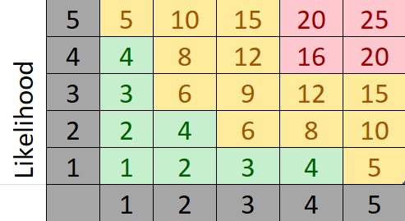
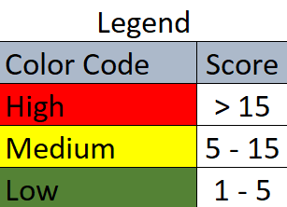
Risk No. | Risk ID | Originator | Date Identified | Status | Risk Description | Impact Description | Impact (I) | Likelihood (L) | Score (I X L)
1 | ID1 | John Doe | 2024-01-06 | Open | Delay in software release | Loss of market share, revenue drop | 5 | 4 | 20
2 | ID2 | Jane Doe | 2024-05-06 | Mitigating | Cybersecurity breach | Data theft, legal consequences | 4 | 5 | 20
3 | ID3 | Mike Lee | 2024-10-06 | Closed | Non-compliance with GDPR | Fines and reputational damage | 2 | 2 | 4
4 | ID4 | Alex Connor | 06/15/2024 | Open | Supply chain disruption due to pandemic | Increased costs, delayed deliveries | 4 | 4 | 16
5 | ID5 | Jon Turner | 06/20/2024 | Open | Key employee turnover | Loss of expertise and continuity | 2 | 2 | 4
6 | ID6 | Nancy Drew | 06/25/2024 | Under review | Failure of critical IT systems | Operational disruption, lost sales | 5 | 4 | 20
7 | ID7 | Jonna Little | 2024-01-07 | Open | Legal challenge from a competitor | Legal fees, potential penalties | 4 | 3 | 12
8 | ID8 | Karen Stark | 2024-05-07 | Mitigating | Economic downturn | Reduced sales, pressure on margins | 3 | 4 | 12
9 | ID9 | Bruce Wayne | 2024-10-07 | Open | Loss of a major client | Significant revenue loss | 5 | 3 | 15
10 | ID10 | Olivia Kent | 07/15/2024 | Open | Inaccurate financial forecasting | Misinformed decision-making, loss | 1 | 2 | 2

RISK ASSESSMENT MATRIX

