Predicting The number of Custom
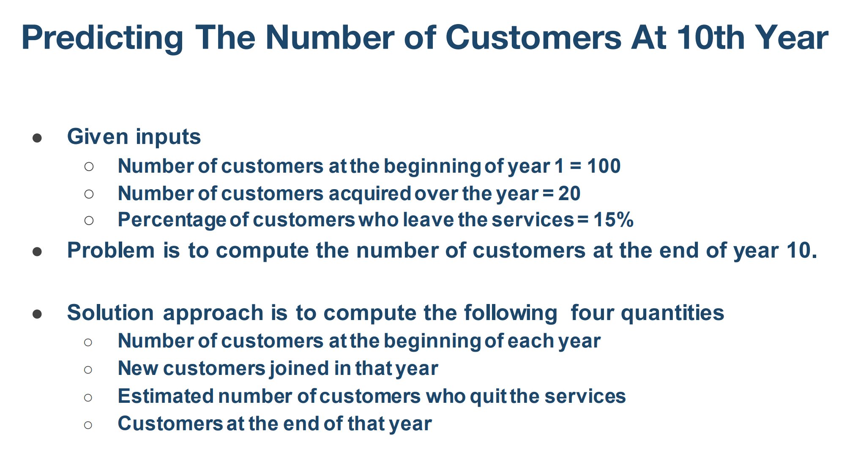
No. of year | No of customer at the beginning | No of customer acquired over the year | % of customers who leaves | No. of customers at the end of the year
1 | 100 | 20 | 15 | 105
2 | 105 | 20 | 16 | 109
3 | 109 | 20 | 16 | 113
4 | 113 | 20 | 17 | 116
5 | 116 | 20 | 17 | 119
6 | 119 | 20 | 18 | 121
7 | 121 | 20 | 18 | 123
8 | 123 | 20 | 18 | 124
9 | 124 | 20 | 19 | 126
10 | 126 | 20 | 19 | 127

The total number of customers at the end of the 10th year is 127.

Year Vs Customers at the end

Coffee Demand Curve Estimaation
What is a Demand Curve?

A demand curve is a graphical representation that shows the relationship between the price of a product and the quantity demanded by consumers at various prices, assuming all other factors remain constant

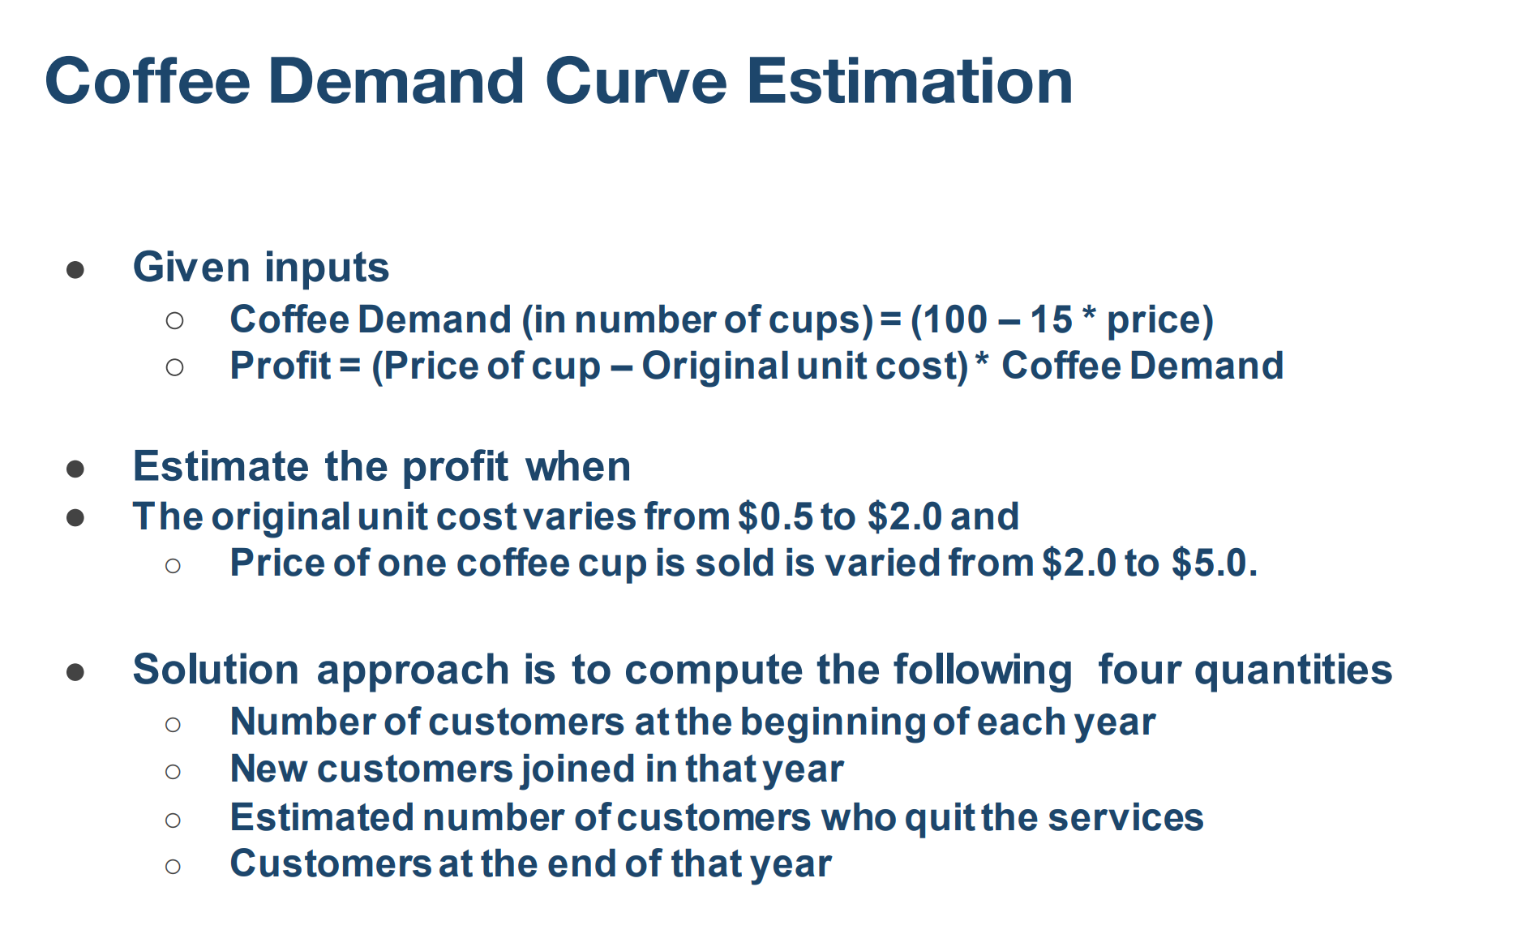
 |  | No of customers at the beginning of each year | New customers joined in that year | Price of cup | Original unit cost | Coffee Demands(in no. of cups) | Profit | Estimated no. of customers who quit the services | customers at the end
 |  | 100 | 15 | 2 | 0.5 | 70 | 105.0 | 10 | 105
 |  | 100 | 15 | 2.5 | 0.5 | 63 | 125.0 | 10 | 105
 |  | 100 | 15 | 3 | 0.5 | 55 | 137.5 | 10 | 105
 |  | 100 | 15 | 3.5 | 0.5 | 48 | 142.5 | 10 | 105
 |  | 100 | 15 | 4 | 0.5 | 40 | 140.0 | 10 | 105
 |  | 100 | 15 | 4.5 | 0.5 | 33 | 130.0 | 10 | 105
 |  | 100 | 15 | 5 | 0.5 | 25 | 112.5 | 10 | 105
 |  | 100 | 15 | 2 | 1 | 70 | 70.0 | 10 | 105
 |  | 100 | 15 | 2.5 | 1 | 63 | 93.8 | 10 | 105
 |  | 100 | 15 | 3 | 1 | 55 | 110.0 | 10 | 105
 |  | 100 | 15 | 3.5 | 1 | 48 | 118.8 | 10 | 105
 |  | 100 | 15 | 4 | 1 | 40 | 120.0 | 10 | 105
 |  | 100 | 15 | 4.5 | 1 | 33 | 113.8 | 10 | 105
 |  | 100 | 15 | 5 | 1 | 25 | 100.0 | 10 | 105
 |  | 100 | 15 | 2 | 1.5 | 70 | 35.0 | 10 | 105
 |  | 100 | 15 | 2.5 | 1.5 | 63 | 62.5 | 10 | 105
 | Note: Assuming no. of customers at the beginning is 100, New customers joined in that year is 15 and estimated no. of customers who quits is 10 and end of that year total no of customers is 105. 1.5% of customers got added at the end of the year. | 100 | 15 | 3 | 1.5 | 55 | 82.5 | 10 | 105
 |  | 100 | 15 | 3.5 | 1.5 | 48 | 95.0 | 10 | 105
 |  | 100 | 15 | 4 | 1.5 | 40 | 100.0 | 10 | 105
 |  | 100 | 15 | 4.5 | 1.5 | 33 | 97.5 | 10 | 105
 |  | 100 | 15 | 5 | 1.5 | 25 | 87.5 | 10 | 105
 |  | 100 | 15 | 2 | 2 | 70 | 0.0 | 10 | 105
 |  | 100 | 15 | 2.5 | 2 | 63 | 31.3 | 10 | 105
 |  | 100 | 15 | 3 | 2 | 55 | 55.0 | 10 | 105
Demand Curve Estimation
 | Price of cup | Profit
 | 2 | 105.0
 | 2.5 | 125.0
 | 3 | 137.5
 | 3.5 | 142.5
 | 4 | 140.0
 | 4.5 | 130.0
 | 5 | 112.5
 | 2 | 70.0
 | 2.5 | 93.8
 | 3 | 110.0
 | 3.5 | 118.8
 | 4 | 120.0
 | 4.5 | 113.8
 | 5 | 100.0
 | 2 | 35.0
 | 2.5 | 62.5
 | 3 | 82.5
 | 3.5 | 95.0
 | 4 | 100.0
 | 4.5 | 97.5
 | 5 | 87.5
 | 2 | 0.0
 | 2.5 | 31.3
 | 3 | 55.0
 | 3.5 | 71.3
 | 4 | 80.0
 | 4.5 | 81.3
 | 5 | 75.0
 |  | 100 | 15 | 3.5 | 2 | 48 | 71.3 | 10 | 105
 |  | 100 | 15 | 4 | 2 | 40 | 80.0 | 10 | 105
 |  | 100 | 15 | 4.5 | 2 | 33 | 81.3 | 10 | 105
 |  | 100 | 15 | 5 | 2 | 25 | 75.0 | 10 | 105
 |  |  |  |  |  | 70 | 142.5

Vlook up
What is VLOOKUP in Excel?

VLOOKUP (Vertical Lookup) is a function in Excel used to search for a value in the first column of a range or table and return a value in the same row from another column.

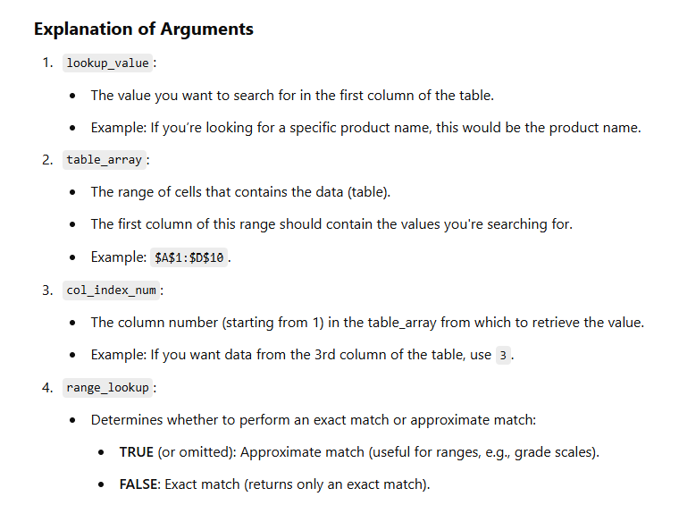

The lookup value must be in the first column of the table_array.
The table_array should be sorted in ascending order if using TRUE for range_lookup.
Use absolute references (e.g., $A$1:$D$10) for the table_array to avoid errors when copying the formula.

Hlook up
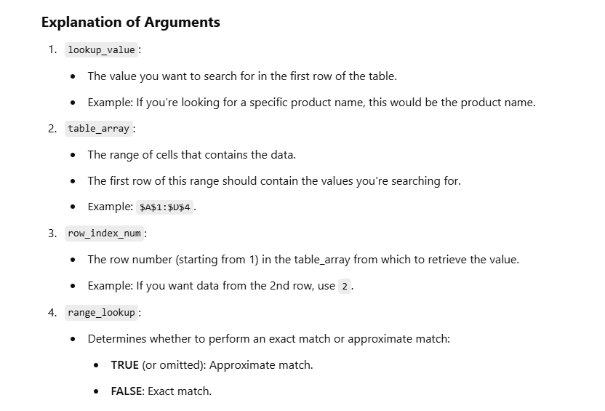
What is HLOOKUP in Excel?

HLOOKUP (Horizontal Lookup) is a function in Excel that searches for a value in the first row of a table or range and returns a value in the same column from a specified row.

Xlookup
Order ID | Product | Units Sold | Date | Revenue per cookie | Cost per cookie | Order Profit | Revenue Per Cookie | Cost Per Cookie | Cookie Type
266868 | Chocolate Chip | 292 | 2020-01-02 | 5 | -2 | 876 | $5.00 | ($2.00) | Chocolate Chip
140794 | Chocolate Chip | 974 | 2020-01-02 | 5 | -2 | 2922 | $1.00 | ($0.50) | Fortune Cookie
684759 | Chocolate Chip | 2,518 | 2020-01-06 | 5 | -2 | 7554 | $5.00 | ($2.20) | Oatmeal Raisin
640447 | Chocolate Chip | 1,006 | 2020-01-06 | 5 | -2 | 3018 | $4.00 | ($1.50) | Snickerdoodle
898637 | Chocolate Chip | 367 | 2020-01-07 | 5 | -2 | 1101 | $3.00 | ($1.25) | Sugar
889571 | Chocolate Chip | 883 | 2020-01-08 | 5 | -2 | 2649 | $6.00 | ($2.75) | White Chocolate Macadamia Nut
738711 | Chocolate Chip | 549 | 2019-01-09 | 5 | -2 | 1647
505339 | Chocolate Chip | 788 | 2019-01-09 | 5 | -2 | 2364
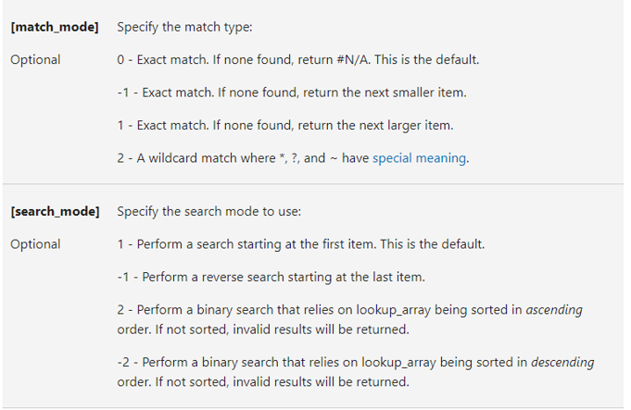
703997 | Chocolate Chip | 2,472 | 2020-01-09 | 5 | -2 | 7416
308620 | Chocolate Chip | 1,143 | 2020-01-10 | 5 | -2 | 3429
289811 | Chocolate Chip | 1,725 | 2019-01-11 | 5 | -2 | 5175
144696 | Chocolate Chip | 912 | 2019-01-11 | 5 | -2 | 2736
529550 | Chocolate Chip | 2,152 | 2019-01-12 | 5 | -2 | 6456
481875 | Chocolate Chip | 1,817 | 2020-01-12 | 5 | -2 | 5451
183251 | Chocolate Chip | 1,513 | 2020-01-12 | 5 | -2 | 4539
361305 | Chocolate Chip | 3,945 | 2020-01-01 | 5 | -2 | 11835
579016 | Chocolate Chip | 2,296 | 2020-01-02 | 5 | -2 | 6888
600124 | Chocolate Chip | 1,030 | 2020-01-05 | 5 | -2 | 3090
562219 | Chocolate Chip | 1,514 | 2020-01-02 | 5 | -2 | 4542
283378 | Chocolate Chip | 4,493 | 2020-01-04 | 5 | -2 | 13479
885205 | Chocolate Chip | 727 | 2020-01-06 | 5 | -2 | 2181
387444 | Chocolate Chip | 787 | 2020-01-06 | 5 | -2 | 2361
534742 | Chocolate Chip | 1,823 | 2020-01-07 | 5 | -2 | 5469
320688 | Chocolate Chip | 747 | 2020-01-09 | 5 | -2 | 2241
238791 | Chocolate Chip | 766 | 2019-01-10 | 5 | -2 | 2298
160202 | Chocolate Chip | 2,905 | 2020-01-11 | 5 | -2 | 8715
481324 | Chocolate Chip | 2,155 | 2020-01-12 | 5 | -2 | 6465
550816 | Chocolate Chip | 2,363 | 2020-01-02 | 5 | -2 | 7089
770750 | Chocolate Chip | 918 | 2020-01-05 | 5 | -2 | 2754
365463 | Chocolate Chip | 1,728 | 2020-01-05 | 5 | -2 | 5184
234290 | Chocolate Chip | 1,142 | 2020-01-06 | 5 | -2 | 3426
847203 | Chocolate Chip | 662 | 2020-01-06 | 5 | -2 | 1986
776532 | Chocolate Chip | 1,295 | 2020-01-10 | 5 | -2 | 3885
875012 | Chocolate Chip | 809 | 2019-01-10 | 5 | -2 | 2427
505159 | Chocolate Chip | 2,145 | 2019-01-10 | 5 | -2 | 6435
303687 | Chocolate Chip | 1,785 | 2019-01-11 | 5 | -2 | 5355
778039 | Chocolate Chip | 1,916 | 2020-01-12 | 5 | -2 | 5748
177011 | Chocolate Chip | 2,852 | 2020-01-12 | 5 | -2 | 8556
306694 | Chocolate Chip | 2,729 | 2020-01-12 | 5 | -2 | 8187
793514 | Chocolate Chip | 1,925 | 2019-01-12 | 5 | -2 | 5775
780708 | Chocolate Chip | 2,013 | 2019-01-12 | 5 | -2 | 6039
531834 | Chocolate Chip | 1,055 | 2020-01-12 | 5 | -2 | 3165
300303 | Chocolate Chip | 1,084 | 2020-01-12 | 5 | -2 | 3252
859158 | Chocolate Chip | 2,435 | 2020-01-01 | 5 | -2 | 7305
779279 | Chocolate Chip | 1,774 | 2020-01-03 | 5 | -2 | 5322
296424 | Chocolate Chip | 1,901 | 2020-01-06 | 5 | -2 | 5703
578401 | Chocolate Chip | 689 | 2020-01-06 | 5 | -2 | 2067
365552 | Chocolate Chip | 1,570 | 2020-01-06 | 5 | -2 | 4710
713958 | Chocolate Chip | 1,370 | 2020-01-07 | 5 | -2 | 4110
164895 | Chocolate Chip | 2,009 | 2020-01-10 | 5 | -2 | 6027
675075 | Chocolate Chip | 1,945 | 2019-01-10 | 5 | -2 | 5835
455780 | Chocolate Chip | 1,287 | 2020-01-12 | 5 | -2 | 3861
566401 | Chocolate Chip | 1,706 | 2020-01-12 | 5 | -2 | 5118
141665 | Chocolate Chip | 1,760 | 2019-01-09 | 5 | -2 | 5280
872825 | Chocolate Chip | 2,031 | 2020-01-10 | 5 | -2 | 6093
738910 | Chocolate Chip | 2,261 | 2019-01-12 | 5 | -2 | 6783
239419 | Chocolate Chip | 4,251 | 2020-01-01 | 5 | -2 | 12753
776513 | Chocolate Chip | 795 | 2020-01-03 | 5 | -2 | 2385
595670 | Chocolate Chip | 1,415 | 2020-01-04 | 5 | -2 | 4245
549329 | Chocolate Chip | 2,918 | 2020-01-05 | 5 | -2 | 8754
824253 | Chocolate Chip | 3,450 | 2020-01-07 | 5 | -2 | 10350
288851 | Chocolate Chip | 2,988 | 2020-01-07 | 5 | -2 | 8964
675035 | Chocolate Chip | 218 | 2020-01-09 | 5 | -2 | 654
255145 | Chocolate Chip | 2,074 | 2020-01-09 | 5 | -2 | 6222
436748 | Chocolate Chip | 1,056 | 2020-01-09 | 5 | -2 | 3168
707858 | Chocolate Chip | 671 | 2019-01-10 | 5 | -2 | 2013
538134 | Chocolate Chip | 1,514 | 2019-01-10 | 5 | -2 | 4542
817134 | Chocolate Chip | 274 | 2020-01-12 | 5 | -2 | 822
697568 | Chocolate Chip | 1,138 | 2020-01-12 | 5 | -2 | 3414
631270 | Chocolate Chip | 1,372 | 2020-01-01 | 5 | -2 | 4116
678731 | Chocolate Chip | 2,349 | 2019-01-09 | 5 | -2 | 7047
335658 | Chocolate Chip | 2,689 | 2020-01-10 | 5 | -2 | 8067
115582 | Chocolate Chip | 2,431 | 2020-01-12 | 5 | -2 | 7293
833644 | Chocolate Chip | 1,303 | 2020-01-02 | 5 | -2 | 3909
508782 | Chocolate Chip | 2,992 | 2020-01-03 | 5 | -2 | 8976
726489 | Chocolate Chip | 2,385 | 2020-01-03 | 5 | -2 | 7155
218291 | Chocolate Chip | 1,607 | 2020-01-04 | 5 | -2 | 4821
779126 | Chocolate Chip | 2,327 | 2020-01-05 | 5 | -2 | 6981
560581 | Chocolate Chip | 991 | 2020-01-06 | 5 | -2 | 2973
369627 | Chocolate Chip | 602 | 2020-01-06 | 5 | -2 | 1806
587035 | Chocolate Chip | 2,620 | 2020-01-09 | 5 | -2 | 7860
697895 | Chocolate Chip | 1,228 | 2019-01-10 | 5 | -2 | 3684
691331 | Chocolate Chip | 1,389 | 2019-01-10 | 5 | -2 | 4167
852827 | Chocolate Chip | 861 | 2020-01-10 | 5 | -2 | 2583
567484 | Chocolate Chip | 704 | 2019-01-10 | 5 | -2 | 2112
348194 | Chocolate Chip | 1,802 | 2019-01-12 | 5 | -2 | 5406
444225 | Chocolate Chip | 2,663 | 2020-01-12 | 5 | -2 | 7989
685544 | Chocolate Chip | 2,136 | 2019-01-12 | 5 | -2 | 6408
636993 | Chocolate Chip | 2,116 | 2019-01-12 | 5 | -2 | 6348
603195 | Chocolate Chip | 3,801 | 2020-01-04 | 5 | -2 | 11403
568366 | Chocolate Chip | 1,496 | 2020-01-06 | 5 | -2 | 4488
176592 | Chocolate Chip | 2,299 | 2019-01-10 | 5 | -2 | 6897
758323 | Chocolate Chip | 727 | 2019-01-10 | 5 | -2 | 2181
698245 | Chocolate Chip | 2,198 | 2020-01-08 | 5 | -2 | 6594
796346 | Chocolate Chip | 1,743 | 2020-01-08 | 5 | -2 | 5229
203608 | Chocolate Chip | 1,153 | 2020-01-10 | 5 | -2 | 3459
676135 | Chocolate Chip | 1,757 | 2019-01-10 | 5 | -2 | 5271
142979 | Chocolate Chip | 1,031 | 2019-01-09 | 5 | -2 | 3093
283491 | Chocolate Chip | 1,702 | 2020-01-05 | 5 | -2 | 5106
807061 | Chocolate Chip | 448 | 2020-01-06 | 5 | -2 | 1344
459019 | Chocolate Chip | 3,513 | 2020-01-07 | 5 | -2 | 10539
126864 | Chocolate Chip | 2,101 | 2020-01-08 | 5 | -2 | 6303
854455 | Chocolate Chip | 2,931 | 2019-01-09 | 5 | -2 | 8793
293863 | Chocolate Chip | 1,535 | 2020-01-09 | 5 | -2 | 4605
898591 | Chocolate Chip | 1,123 | 2019-01-09 | 5 | -2 | 3369
521535 | Chocolate Chip | 1,404 | 2019-01-11 | 5 | -2 | 4212
867252 | Chocolate Chip | 2,763 | 2019-01-11 | 5 | -2 | 8289
146778 | Chocolate Chip | 2,125 | 2019-01-12 | 5 | -2 | 6375
566983 | Chocolate Chip | 257 | 2020-01-05 | 5 | -2 | 771
686090 | Chocolate Chip | 1,114 | 2020-01-03 | 5 | -2 | 3342
428676 | Chocolate Chip | 1,259 | 2020-01-04 | 5 | -2 | 3777
278950 | Chocolate Chip | 1,095 | 2020-01-05 | 5 | -2 | 3285
418690 | Chocolate Chip | 1,366 | 2020-01-06 | 5 | -2 | 4098
496123 | Chocolate Chip | 2,460 | 2020-01-06 | 5 | -2 | 7380
456841 | Chocolate Chip | 678 | 2020-01-08 | 5 | -2 | 2034
513469 | Chocolate Chip | 1,598 | 2020-01-08 | 5 | -2 | 4794
231476 | Chocolate Chip | 2,409 | 2019-01-09 | 5 | -2 | 7227
100553 | Chocolate Chip | 1,934 | 2020-01-09 | 5 | -2 | 5802
788375 | Chocolate Chip | 2,993 | 2020-01-09 | 5 | -2 | 8979
263663 | Chocolate Chip | 2,146 | 2019-01-11 | 5 | -2 | 6438
887888 | Chocolate Chip | 1,946 | 2019-01-12 | 5 | -2 | 5838
816536 | Chocolate Chip | 1,362 | 2020-01-12 | 5 | -2 | 4086
334678 | Chocolate Chip | 2,565 | 2020-01-01 | 5 | -2 | 7695
527753 | Chocolate Chip | 2,417 | 2020-01-01 | 5 | -2 | 7251
643111 | Chocolate Chip | 3,675 | 2020-01-04 | 5 | -2 | 11025
529578 | Chocolate Chip | 1,094 | 2020-01-06 | 5 | -2 | 3282
171515 | Chocolate Chip | 1,227 | 2020-01-10 | 5 | -2 | 3681
266313 | Chocolate Chip | 367 | 2019-01-10 | 5 | -2 | 1101
205484 | Chocolate Chip | 1,324 | 2020-01-11 | 5 | -2 | 3972
839631 | Chocolate Chip | 1,775 | 2019-01-11 | 5 | -2 | 5325
307196 | Chocolate Chip | 2,797 | 2020-01-12 | 5 | -2 | 8391
123431 | Chocolate Chip | 973 | 2020-01-03 | 5 | -2 | 2919
429472 | Chocolate Chip | 1,038 | 2020-01-06 | 5 | -2 | 3114
336267 | Chocolate Chip | 360 | 2020-01-10 | 5 | -2 | 1080
686651 | Chocolate Chip | 386 | 2019-01-10 | 5 | -2 | 1158
761356 | Chocolate Chip | 1,954 | 2020-01-03 | 5 | -2 | 5862
197639 | Chocolate Chip | 591 | 2020-01-05 | 5 | -2 | 1773
712767 | Chocolate Chip | 2,167 | 2019-01-10 | 5 | -2 | 6501
565251 | Chocolate Chip | 241 | 2020-01-10 | 5 | -2 | 723
436809 | Chocolate Chip | 2,532 | 2020-01-04 | 5 | -2 | 7596
294935 | Chocolate Chip | 1,198 | 2019-01-10 | 5 | -2 | 3594
103317 | Chocolate Chip | 873 | 2020-01-01 | 5 | -2 | 2619
667288 | Chocolate Chip | 1,122 | 2020-01-03 | 5 | -2 | 3366
735406 | Chocolate Chip | 2,105 | 2020-01-07 | 5 | -2 | 6315
253399 | Chocolate Chip | 4,026 | 2020-01-07 | 5 | -2 | 12078
146841 | Chocolate Chip | 2,426 | 2020-01-07 | 5 | -2 | 7278
466133 | Chocolate Chip | 2,394 | 2020-01-08 | 5 | -2 | 7182
159484 | Chocolate Chip | 1,984 | 2020-01-08 | 5 | -2 | 5952
120842 | Chocolate Chip | 2,441 | 2020-01-10 | 5 | -2 | 7323
440377 | Chocolate Chip | 2,992 | 2019-01-10 | 5 | -2 | 8976
781275 | Chocolate Chip | 1,366 | 2020-01-11 | 5 | -2 | 4098
607709 | Chocolate Chip | 380 | 2019-01-09 | 5 | -2 | 1140
628402 | Chocolate Chip | 3,495 | 2020-01-01 | 5 | -2 | 10485
249663 | Chocolate Chip | 886 | 2020-01-06 | 5 | -2 | 2658
714255 | Chocolate Chip | 2,156 | 2020-01-10 | 5 | -2 | 6468
170514 | Chocolate Chip | 905 | 2020-01-10 | 5 | -2 | 2715
885201 | Chocolate Chip | 1,715 | 2019-01-10 | 5 | -2 | 5145
559510 | Chocolate Chip | 1,594 | 2020-01-11 | 5 | -2 | 4782
259455 | Chocolate Chip | 1,359 | 2020-01-11 | 5 | -2 | 4077
389356 | Chocolate Chip | 2,150 | 2020-01-11 | 5 | -2 | 6450
582048 | Chocolate Chip | 1,197 | 2020-01-11 | 5 | -2 | 3591
737790 | Chocolate Chip | 380 | 2019-01-12 | 5 | -2 | 1140
514463 | Chocolate Chip | 1,233 | 2020-01-12 | 5 | -2 | 3699
143923 | Chocolate Chip | 1,531 | 2020-01-12 | 5 | -2 | 4593
710711 | Chocolate Chip | 1,439 | 2020-01-01 | 5 | -2 | 4317
608863 | Chocolate Chip | 807 | 2020-01-01 | 5 | -2 | 2421
388978 | Chocolate Chip | 2,641 | 2020-01-02 | 5 | -2 | 7923
209116 | Chocolate Chip | 2,708 | 2020-01-02 | 5 | -2 | 8124
123693 | Chocolate Chip | 2,632 | 2020-01-06 | 5 | -2 | 7896
670662 | Chocolate Chip | 1,583 | 2020-01-06 | 5 | -2 | 4749
868182 | Chocolate Chip | 571 | 2020-01-07 | 5 | -2 | 1713
121808 | Chocolate Chip | 2,696 | 2020-01-08 | 5 | -2 | 8088
626543 | Chocolate Chip | 1,565 | 2020-01-10 | 5 | -2 | 4695
374010 | Chocolate Chip | 1,249 | 2020-01-10 | 5 | -2 | 3747
448428 | Chocolate Chip | 357 | 2020-01-11 | 5 | -2 | 1071
721092 | Chocolate Chip | 1,013 | 2020-01-12 | 5 | -2 | 3039
217341 | Chocolate Chip | 278 | 2020-01-02 | 5 | -2 | 834
442121 | Chocolate Chip | 2,428 | 2020-01-03 | 5 | -2 | 7284
544855 | Chocolate Chip | 1,767 | 2020-01-09 | 5 | -2 | 5301
158597 | Chocolate Chip | 1,393 | 2020-01-10 | 5 | -2 | 4179
358353 | Chocolate Chip | 260 | 2020-01-02 | 5 | -2 | 780
864409 | Chocolate Chip | 2,470 | 2019-01-09 | 5 | -2 | 7410
520865 | Chocolate Chip | 1,743 | 2019-01-10 | 5 | -2 | 5229
898886 | Chocolate Chip | 2,914 | 2020-01-10 | 5 | -2 | 8742
429735 | Chocolate Chip | 1,731 | 2020-01-10 | 5 | -2 | 5193
778322 | Chocolate Chip | 700 | 2020-01-11 | 5 | -2 | 2100
754823 | Chocolate Chip | 2,222 | 2019-01-11 | 5 | -2 | 6666
763666 | Chocolate Chip | 1,177 | 2020-01-11 | 5 | -2 | 3531
364025 | Chocolate Chip | 1,922 | 2019-01-11 | 5 | -2 | 5766
690780 | Chocolate Chip | 1,158 | 2020-01-03 | 5 | -2 | 3474
216326 | Chocolate Chip | 1,614 | 2020-01-04 | 5 | -2 | 4842
844763 | Chocolate Chip | 2,535 | 2020-01-04 | 5 | -2 | 7605
251968 | Chocolate Chip | 2,851 | 2020-01-05 | 5 | -2 | 8553
408804 | Chocolate Chip | 2,559 | 2020-01-08 | 5 | -2 | 7677
609851 | Chocolate Chip | 267 | 2019-01-10 | 5 | -2 | 801
332447 | Chocolate Chip | 1,085 | 2020-01-10 | 5 | -2 | 3255
837170 | Chocolate Chip | 1,175 | 2020-01-10 | 5 | -2 | 3525
117162 | Chocolate Chip | 2,007 | 2019-01-11 | 5 | -2 | 6021
708450 | Chocolate Chip | 2,151 | 2019-01-11 | 5 | -2 | 6453
855262 | Chocolate Chip | 914 | 2020-01-12 | 5 | -2 | 2742
809091 | Chocolate Chip | 293 | 2020-01-12 | 5 | -2 | 879
170761 | Chocolate Chip | 723 | 2020-01-04 | 5 | -2 | 2169
203604 | Fortune Cookie | 921 | 2020-01-03 | 1 | -0.5 | 460.5
830805 | Fortune Cookie | 2,518 | 2020-01-06 | 1 | -0.5 | 1259
138739 | Fortune Cookie | 1,899 | 2020-01-06 | 1 | -0.5 | 949.5
830819 | Fortune Cookie | 1,545 | 2020-01-06 | 1 | -0.5 | 772.5
249098 | Fortune Cookie | 2,470 | 2020-01-06 | 1 | -0.5 | 1235
252717 | Fortune Cookie | 2,666 | 2020-01-07 | 1 | -0.5 | 1333
440487 | Fortune Cookie | 958 | 2020-01-08 | 1 | -0.5 | 479
366159 | Fortune Cookie | 2,146 | 2020-01-09 | 1 | -0.5 | 1073
439030 | Fortune Cookie | 345 | 2019-01-10 | 1 | -0.5 | 172.5
227728 | Fortune Cookie | 615 | 2020-01-12 | 1 | -0.5 | 307.5
353832 | Fortune Cookie | 2,214 | 2020-01-03 | 1 | -0.5 | 1107
142538 | Fortune Cookie | 2,301 | 2020-01-04 | 1 | -0.5 | 1150.5
892418 | Fortune Cookie | 1,376 | 2020-01-07 | 1 | -0.5 | 688
459280 | Fortune Cookie | 1,830 | 2020-01-08 | 1 | -0.5 | 915
539666 | Fortune Cookie | 2,498 | 2019-01-09 | 1 | -0.5 | 1249
625570 | Fortune Cookie | 663 | 2019-01-10 | 1 | -0.5 | 331.5
652401 | Fortune Cookie | 1,142 | 2020-01-06 | 1 | -0.5 | 571
326089 | Fortune Cookie | 1,566 | 2020-01-10 | 1 | -0.5 | 783
676869 | Fortune Cookie | 690 | 2020-01-11 | 1 | -0.5 | 345
113657 | Fortune Cookie | 1,660 | 2019-01-11 | 1 | -0.5 | 830
570270 | Fortune Cookie | 1,958 | 2020-01-02 | 1 | -0.5 | 979
445507 | Fortune Cookie | 1,901 | 2020-01-06 | 1 | -0.5 | 950.5
154432 | Fortune Cookie | 544 | 2020-01-09 | 1 | -0.5 | 272
806978 | Fortune Cookie | 1,797 | 2019-01-09 | 1 | -0.5 | 898.5
637451 | Fortune Cookie | 1,287 | 2020-01-12 | 1 | -0.5 | 643.5
494228 | Fortune Cookie | 1,706 | 2020-01-12 | 1 | -0.5 | 853
801641 | Fortune Cookie | 2,031 | 2020-01-10 | 1 | -0.5 | 1015.5
823953 | Fortune Cookie | 1,967 | 2020-01-03 | 1 | -0.5 | 983.5
539522 | Fortune Cookie | 1,859 | 2020-01-08 | 1 | -0.5 | 929.5
873031 | Fortune Cookie | 2,851 | 2019-01-10 | 1 | -0.5 | 1425.5
574744 | Fortune Cookie | 2,021 | 2020-01-10 | 1 | -0.5 | 1010.5
130685 | Fortune Cookie | 1,138 | 2020-01-12 | 1 | -0.5 | 569
150704 | Fortune Cookie | 1,159 | 2019-01-10 | 1 | -0.5 | 579.5
779079 | Fortune Cookie | 1,385 | 2020-01-01 | 1 | -0.5 | 692.5
746705 | Fortune Cookie | 3,627 | 2020-01-07 | 1 | -0.5 | 1813.5
594945 | Fortune Cookie | 720 | 2019-01-09 | 1 | -0.5 | 360
454312 | Fortune Cookie | 2,342 | 2020-01-11 | 1 | -0.5 | 1171
830981 | Fortune Cookie | 1,100 | 2019-01-12 | 1 | -0.5 | 550
503244 | Fortune Cookie | 980 | 2020-01-04 | 1 | -0.5 | 490
199458 | Fortune Cookie | 1,460 | 2020-01-05 | 1 | -0.5 | 730
294390 | Fortune Cookie | 1,403 | 2019-01-10 | 1 | -0.5 | 701.5
128675 | Fortune Cookie | 2,723 | 2020-01-11 | 1 | -0.5 | 1361.5
215754 | Fortune Cookie | 1,757 | 2019-01-10 | 1 | -0.5 | 878.5
336365 | Fortune Cookie | 2,340 | 2020-01-01 | 1 | -0.5 | 1170
818777 | Fortune Cookie | 2,342 | 2020-01-11 | 1 | -0.5 | 1171
757336 | Fortune Cookie | 1,976 | 2020-01-10 | 1 | -0.5 | 988
444955 | Fortune Cookie | 2,181 | 2020-01-10 | 1 | -0.5 | 1090.5
443834 | Fortune Cookie | 2,500 | 2019-01-11 | 1 | -0.5 | 1250
119754 | Fortune Cookie | 488 | 2020-01-02 | 1 | -0.5 | 244
173001 | Fortune Cookie | 1,282 | 2020-01-06 | 1 | -0.5 | 641
179673 | Fortune Cookie | 2,501 | 2020-01-03 | 1 | -0.5 | 1250.5
123331 | Fortune Cookie | 708 | 2020-01-06 | 1 | -0.5 | 354
219898 | Fortune Cookie | 645 | 2020-01-07 | 1 | -0.5 | 322.5
141979 | Fortune Cookie | 1,562 | 2020-01-08 | 1 | -0.5 | 781
781308 | Fortune Cookie | 1,283 | 2019-01-09 | 1 | -0.5 | 641.5
711452 | Fortune Cookie | 711 | 2020-01-12 | 1 | -0.5 | 355.5
156617 | Fortune Cookie | 3,803 | 2020-01-04 | 1 | -0.5 | 1901.5
487819 | Fortune Cookie | 1,666 | 2020-01-05 | 1 | -0.5 | 833
503591 | Fortune Cookie | 322 | 2019-01-09 | 1 | -0.5 | 161
272243 | Fortune Cookie | 2,321 | 2020-01-11 | 1 | -0.5 | 1160.5
431913 | Fortune Cookie | 1,857 | 2019-01-11 | 1 | -0.5 | 928.5
270516 | Fortune Cookie | 1,611 | 2019-01-12 | 1 | -0.5 | 805.5
390387 | Fortune Cookie | 2,797 | 2020-01-12 | 1 | -0.5 | 1398.5
254540 | Fortune Cookie | 334 | 2019-01-12 | 1 | -0.5 | 167
724808 | Fortune Cookie | 2,328 | 2020-01-09 | 1 | -0.5 | 1164
561083 | Fortune Cookie | 2,313 | 2020-01-05 | 1 | -0.5 | 1156.5
352793 | Fortune Cookie | 1,804 | 2019-01-11 | 1 | -0.5 | 902
742570 | Fortune Cookie | 2,072 | 2020-01-12 | 1 | -0.5 | 1036
121208 | Fortune Cookie | 766 | 2020-01-01 | 1 | -0.5 | 383
644686 | Fortune Cookie | 2,992 | 2019-01-10 | 1 | -0.5 | 1496
881771 | Fortune Cookie | 2,157 | 2020-01-12 | 1 | -0.5 | 1078.5
517456 | Fortune Cookie | 677 | 2020-01-03 | 1 | -0.5 | 338.5
433556 | Fortune Cookie | 1,773 | 2020-01-04 | 1 | -0.5 | 886.5
741765 | Fortune Cookie | 2,420 | 2020-01-09 | 1 | -0.5 | 1210
533611 | Fortune Cookie | 2,734 | 2020-01-10 | 1 | -0.5 | 1367
347412 | Fortune Cookie | 1,715 | 2019-01-10 | 1 | -0.5 | 857.5
469636 | Fortune Cookie | 1,186 | 2019-01-12 | 1 | -0.5 | 593
200053 | Fortune Cookie | 2,661 | 2020-01-05 | 1 | -0.5 | 1330.5
348844 | Fortune Cookie | 983 | 2020-01-01 | 1 | -0.5 | 491.5
541297 | Fortune Cookie | 1,298 | 2020-01-02 | 1 | -0.5 | 649
280321 | Fortune Cookie | 604 | 2020-01-06 | 1 | -0.5 | 302
434964 | Fortune Cookie | 2,255 | 2020-01-07 | 1 | -0.5 | 1127.5
505218 | Fortune Cookie | 1,249 | 2020-01-10 | 1 | -0.5 | 624.5
715966 | Fortune Cookie | 293 | 2020-01-02 | 1 | -0.5 | 146.5
295198 | Fortune Cookie | 2,996 | 2019-01-10 | 1 | -0.5 | 1498
529423 | Fortune Cookie | 2,228 | 2020-01-01 | 1 | -0.5 | 1114
721311 | Fortune Cookie | 1,199 | 2020-01-04 | 1 | -0.5 | 599.5
205221 | Fortune Cookie | 200 | 2020-01-05 | 1 | -0.5 | 100
397049 | Fortune Cookie | 388 | 2020-01-09 | 1 | -0.5 | 194
164574 | Fortune Cookie | 1,727 | 2019-01-10 | 1 | -0.5 | 863.5
138137 | Fortune Cookie | 2,300 | 2020-01-12 | 1 | -0.5 | 1150
894001 | Fortune Cookie | 546 | 2020-01-10 | 1 | -0.5 | 273
605154 | Fortune Cookie | 1,368 | 2020-01-02 | 1 | -0.5 | 684
736328 | Oatmeal Raisin | 2,750 | 2020-01-02 | 5 | -2.2 | 7700
731074 | Oatmeal Raisin | 1,953 | 2020-01-04 | 5 | -2.2 | 5468.4
739483 | Oatmeal Raisin | 4,220 | 2020-01-04 | 5 | -2.2 | 11816
609228 | Oatmeal Raisin | 1,899 | 2020-01-06 | 5 | -2.2 | 5317.2
754791 | Oatmeal Raisin | 1,686 | 2020-01-07 | 5 | -2.2 | 4720.8
348619 | Oatmeal Raisin | 2,141 | 2020-01-08 | 5 | -2.2 | 5994.8
170867 | Oatmeal Raisin | 1,143 | 2020-01-10 | 5 | -2.2 | 3200.4
183779 | Oatmeal Raisin | 615 | 2020-01-12 | 5 | -2.2 | 1722
304546 | Oatmeal Raisin | 1,989 | 2019-01-09 | 5 | -2.2 | 5569.2
182735 | Oatmeal Raisin | 321 | 2019-01-11 | 5 | -2.2 | 898.8
150101 | Oatmeal Raisin | 259 | 2020-01-03 | 5 | -2.2 | 725.2
604462 | Oatmeal Raisin | 1,101 | 2020-01-03 | 5 | -2.2 | 3082.8
655952 | Oatmeal Raisin | 2,276 | 2020-01-05 | 5 | -2.2 | 6372.8
253215 | Oatmeal Raisin | 2,966 | 2019-01-10 | 5 | -2.2 | 8304.8
734809 | Oatmeal Raisin | 1,236 | 2020-01-11 | 5 | -2.2 | 3460.8
544809 | Oatmeal Raisin | 941 | 2020-01-11 | 5 | -2.2 | 2634.8
580583 | Oatmeal Raisin | 1,916 | 2020-01-12 | 5 | -2.2 | 5364.8
283163 | Oatmeal Raisin | 1,865 | 2020-01-02 | 5 | -2.2 | 5222
558408 | Oatmeal Raisin | 1,074 | 2020-01-04 | 5 | -2.2 | 3007.2
788478 | Oatmeal Raisin | 1,907 | 2020-01-09 | 5 | -2.2 | 5339.6
397008 | Oatmeal Raisin | 671 | 2019-01-10 | 5 | -2.2 | 1878.8
733366 | Oatmeal Raisin | 1,778 | 2019-01-12 | 5 | -2.2 | 4978.4
602865 | Oatmeal Raisin | 1,683 | 2020-01-07 | 5 | -2.2 | 4712.4
304458 | Oatmeal Raisin | 1,123 | 2020-01-08 | 5 | -2.2 | 3144.4
151329 | Oatmeal Raisin | 1,159 | 2019-01-10 | 5 | -2.2 | 3245.2
357838 | Oatmeal Raisin | 1,350 | 2020-01-02 | 5 | -2.2 | 3780
399302 | Oatmeal Raisin | 552 | 2020-01-08 | 5 | -2.2 | 1545.6
117166 | Oatmeal Raisin | 1,228 | 2019-01-10 | 5 | -2.2 | 3438.4
707082 | Oatmeal Raisin | 1,250 | 2020-01-12 | 5 | -2.2 | 3500
131249 | Oatmeal Raisin | 1,988 | 2020-01-01 | 5 | -2.2 | 5566.4
551372 | Oatmeal Raisin | 1,679 | 2020-01-09 | 5 | -2.2 | 4701.2
698573 | Oatmeal Raisin | 727 | 2019-01-10 | 5 | -2.2 | 2035.6
504962 | Oatmeal Raisin | 1,403 | 2019-01-10 | 5 | -2.2 | 3928.4
657776 | Oatmeal Raisin | 2,076 | 2019-01-10 | 5 | -2.2 | 5812.8
691342 | Oatmeal Raisin | 1,135 | 2020-01-06 | 5 | -2.2 | 3178
493427 | Oatmeal Raisin | 1,645 | 2020-01-05 | 5 | -2.2 | 4606
271981 | Oatmeal Raisin | 2,876 | 2020-01-09 | 5 | -2.2 | 8052.8
766207 | Oatmeal Raisin | 994 | 2019-01-09 | 5 | -2.2 | 2783.2
653226 | Oatmeal Raisin | 1,118 | 2020-01-11 | 5 | -2.2 | 3130.4
560670 | Oatmeal Raisin | 1,372 | 2020-01-12 | 5 | -2.2 | 3841.6
786700 | Oatmeal Raisin | 1,282 | 2020-01-06 | 5 | -2.2 | 3589.6
137921 | Oatmeal Raisin | 708 | 2020-01-06 | 5 | -2.2 | 1982.4
755930 | Oatmeal Raisin | 2,907 | 2020-01-06 | 5 | -2.2 | 8139.6
277131 | Oatmeal Raisin | 1,366 | 2020-01-06 | 5 | -2.2 | 3824.8
235897 | Oatmeal Raisin | 2,460 | 2020-01-06 | 5 | -2.2 | 6888
872307 | Oatmeal Raisin | 1,520 | 2020-01-11 | 5 | -2.2 | 4256
103888 | Oatmeal Raisin | 711 | 2020-01-12 | 5 | -2.2 | 1990.8
545954 | Oatmeal Raisin | 1,375 | 2019-01-12 | 5 | -2.2 | 3850
480891 | Oatmeal Raisin | 635 | 2020-01-12 | 5 | -2.2 | 1778
444725 | Oatmeal Raisin | 2,071 | 2020-01-09 | 5 | -2.2 | 5798.8
131700 | Oatmeal Raisin | 1,269 | 2020-01-10 | 5 | -2.2 | 3553.2
256775 | Oatmeal Raisin | 970 | 2019-01-11 | 5 | -2.2 | 2716
686661 | Oatmeal Raisin | 1,694 | 2020-01-11 | 5 | -2.2 | 4743.2
842675 | Oatmeal Raisin | 1,038 | 2020-01-06 | 5 | -2.2 | 2906.4
571542 | Oatmeal Raisin | 1,631 | 2020-01-07 | 5 | -2.2 | 4566.8
581556 | Oatmeal Raisin | 306 | 2019-01-12 | 5 | -2.2 | 856.8
884057 | Oatmeal Raisin | 579 | 2020-01-01 | 5 | -2.2 | 1621.2
761022 | Oatmeal Raisin | 2,240 | 2020-01-02 | 5 | -2.2 | 6272
215670 | Oatmeal Raisin | 2,993 | 2020-01-03 | 5 | -2.2 | 8380.4
272552 | Oatmeal Raisin | 3,521 | 2020-01-04 | 5 | -2.2 | 9858.8
120233 | Oatmeal Raisin | 2,039 | 2020-01-05 | 5 | -2.2 | 5709.2
702523 | Oatmeal Raisin | 2,574 | 2020-01-08 | 5 | -2.2 | 7207.2
267107 | Oatmeal Raisin | 707 | 2020-01-09 | 5 | -2.2 | 1979.6
190154 | Oatmeal Raisin | 2,072 | 2020-01-12 | 5 | -2.2 | 5801.6
681348 | Oatmeal Raisin | 853 | 2020-01-12 | 5 | -2.2 | 2388.4
104326 | Oatmeal Raisin | 3,200 | 2020-01-07 | 5 | -2.2 | 8960
323754 | Oatmeal Raisin | 472 | 2020-01-10 | 5 | -2.2 | 1321.6
382237 | Oatmeal Raisin | 3,165 | 2020-01-01 | 5 | -2.2 | 8862
424398 | Oatmeal Raisin | 2,629 | 2020-01-01 | 5 | -2.2 | 7361.2
821698 | Oatmeal Raisin | 1,433 | 2020-01-05 | 5 | -2.2 | 4012.4
550622 | Oatmeal Raisin | 947 | 2019-01-09 | 5 | -2.2 | 2651.6
423355 | Oatmeal Raisin | 344 | 2019-01-10 | 5 | -2.2 | 963.2
441751 | Oatmeal Raisin | 2,157 | 2020-01-12 | 5 | -2.2 | 6039.6
531656 | Oatmeal Raisin | 270 | 2020-01-02 | 5 | -2.2 | 756
261362 | Oatmeal Raisin | 3,422 | 2020-01-07 | 5 | -2.2 | 9581.6
723364 | Oatmeal Raisin | 2,734 | 2020-01-10 | 5 | -2.2 | 7655.2
519269 | Oatmeal Raisin | 2,548 | 2019-01-11 | 5 | -2.2 | 7134.4
410583 | Oatmeal Raisin | 2,761 | 2019-01-09 | 5 | -2.2 | 7730.8
665489 | Oatmeal Raisin | 1,659 | 2020-01-01 | 5 | -2.2 | 4645.2
479703 | Oatmeal Raisin | 1,190 | 2020-01-06 | 5 | -2.2 | 3332
148871 | Oatmeal Raisin | 410 | 2020-01-10 | 5 | -2.2 | 1148
786473 | Oatmeal Raisin | 1,770 | 2019-01-12 | 5 | -2.2 | 4956
540063 | Oatmeal Raisin | 1,393 | 2020-01-10 | 5 | -2.2 | 3900.4
208984 | Oatmeal Raisin | 2,015 | 2019-01-12 | 5 | -2.2 | 5642
858624 | Oatmeal Raisin | 888 | 2020-01-03 | 5 | -2.2 | 2486.4
374115 | Oatmeal Raisin | 2,844 | 2020-01-05 | 5 | -2.2 | 7963.2
140516 | Oatmeal Raisin | 2,475 | 2020-01-08 | 5 | -2.2 | 6930
594129 | Oatmeal Raisin | 1,743 | 2019-01-10 | 5 | -2.2 | 4880.4
841420 | Oatmeal Raisin | 2,914 | 2020-01-10 | 5 | -2.2 | 8159.2
707748 | Oatmeal Raisin | 1,731 | 2020-01-10 | 5 | -2.2 | 4846.8
225353 | Oatmeal Raisin | 1,727 | 2019-01-10 | 5 | -2.2 | 4835.6
227896 | Oatmeal Raisin | 1,870 | 2019-01-11 | 5 | -2.2 | 5236
683349 | Oatmeal Raisin | 2,475 | 2020-01-03 | 5 | -2.2 | 6930
578917 | Oatmeal Raisin | 546 | 2020-01-10 | 5 | -2.2 | 1528.8
194906 | Snickerdoodle | 1,619 | 2020-01-01 | 4 | -1.5 | 4047.5
858867 | Snickerdoodle | 1,321 | 2020-01-01 | 4 | -1.5 | 3302.5
649737 | Snickerdoodle | 2,178 | 2020-01-06 | 4 | -1.5 | 5445
361699 | Snickerdoodle | 888 | 2020-01-06 | 4 | -1.5 | 2220
293680 | Snickerdoodle | 2,470 | 2020-01-06 | 4 | -1.5 | 6175
682634 | Snickerdoodle | 1,513 | 2020-01-12 | 4 | -1.5 | 3782.5
161388 | Snickerdoodle | 1,858 | 2020-01-02 | 4 | -1.5 | 4645
103112 | Snickerdoodle | 1,210 | 2020-01-03 | 4 | -1.5 | 3025
406431 | Snickerdoodle | 2,529 | 2020-01-07 | 4 | -1.5 | 6322.5
869055 | Snickerdoodle | 1,445 | 2020-01-09 | 4 | -1.5 | 3612.5
616987 | Snickerdoodle | 330 | 2019-01-09 | 4 | -1.5 | 825
111799 | Snickerdoodle | 2,671 | 2020-01-09 | 4 | -1.5 | 6677.5
576749 | Snickerdoodle | 766 | 2019-01-10 | 4 | -1.5 | 1915
238485 | Snickerdoodle | 494 | 2019-01-10 | 4 | -1.5 | 1235
128044 | Snickerdoodle | 1,397 | 2020-01-10 | 4 | -1.5 | 3492.5
338090 | Snickerdoodle | 2,155 | 2020-01-12 | 4 | -1.5 | 5387.5
178855 | Snickerdoodle | 743 | 2020-01-04 | 4 | -1.5 | 1857.5
601636 | Snickerdoodle | 1,295 | 2020-01-10 | 4 | -1.5 | 3237.5
893967 | Snickerdoodle | 214 | 2019-01-10 | 4 | -1.5 | 535
403455 | Snickerdoodle | 2,145 | 2019-01-11 | 4 | -1.5 | 5362.5
866409 | Snickerdoodle | 2,852 | 2020-01-12 | 4 | -1.5 | 7130
765655 | Snickerdoodle | 4,244 | 2020-01-04 | 4 | -1.5 | 10610
732442 | Snickerdoodle | 2,580 | 2020-01-04 | 4 | -1.5 | 6450
745878 | Snickerdoodle | 689 | 2020-01-06 | 4 | -1.5 | 1722.5
863607 | Snickerdoodle | 1,947 | 2020-01-09 | 4 | -1.5 | 4867.5
249563 | Snickerdoodle | 908 | 2019-01-12 | 4 | -1.5 | 2270
355733 | Snickerdoodle | 831 | 2020-01-05 | 4 | -1.5 | 2077.5
654585 | Snickerdoodle | 2,851 | 2019-01-10 | 4 | -1.5 | 7127.5
725869 | Snickerdoodle | 2,021 | 2020-01-10 | 4 | -1.5 | 5052.5
882680 | Snickerdoodle | 274 | 2020-01-12 | 4 | -1.5 | 685
449939 | Snickerdoodle | 1,865 | 2020-01-02 | 4 | -1.5 | 4662.5
787606 | Snickerdoodle | 1,116 | 2020-01-02 | 4 | -1.5 | 2790
295574 | Snickerdoodle | 1,563 | 2020-01-05 | 4 | -1.5 | 3907.5
551997 | Snickerdoodle | 991 | 2020-01-06 | 4 | -1.5 | 2477.5
296951 | Snickerdoodle | 1,016 | 2019-01-11 | 4 | -1.5 | 2540
812448 | Snickerdoodle | 2,791 | 2020-01-11 | 4 | -1.5 | 6977.5
539656 | Snickerdoodle | 570 | 2020-01-12 | 4 | -1.5 | 1425
348955 | Snickerdoodle | 2,487 | 2020-01-12 | 4 | -1.5 | 6217.5
137994 | Snickerdoodle | 1,118 | 2020-01-01 | 4 | -1.5 | 2795
779393 | Snickerdoodle | 2,844 | 2020-01-06 | 4 | -1.5 | 7110
443447 | Snickerdoodle | 562 | 2020-01-09 | 4 | -1.5 | 1405
288662 | Snickerdoodle | 2,299 | 2019-01-10 | 4 | -1.5 | 5747.5
768268 | Snickerdoodle | 2,030 | 2020-01-11 | 4 | -1.5 | 5075
680427 | Snickerdoodle | 263 | 2019-01-11 | 4 | -1.5 | 657.5
847678 | Snickerdoodle | 887 | 2019-01-12 | 4 | -1.5 | 2217.5
421883 | Snickerdoodle | 727 | 2020-01-02 | 4 | -1.5 | 1817.5
572044 | Snickerdoodle | 1,884 | 2020-01-08 | 4 | -1.5 | 4710
119027 | Snickerdoodle | 1,834 | 2019-01-09 | 4 | -1.5 | 4585
345233 | Snickerdoodle | 1,761 | 2020-01-03 | 4 | -1.5 | 4402.5
115306 | Snickerdoodle | 448 | 2020-01-06 | 4 | -1.5 | 1120
310429 | Snickerdoodle | 2,181 | 2020-01-10 | 4 | -1.5 | 5452.5
495847 | Snickerdoodle | 1,540 | 2020-01-08 | 4 | -1.5 | 3850
297812 | Snickerdoodle | 490 | 2020-01-11 | 4 | -1.5 | 1225
702657 | Snickerdoodle | 1,362 | 2020-01-12 | 4 | -1.5 | 3405
629559 | Snickerdoodle | 1,094 | 2020-01-06 | 4 | -1.5 | 2735
496752 | Snickerdoodle | 367 | 2019-01-10 | 4 | -1.5 | 917.5
273665 | Snickerdoodle | 663 | 2020-01-05 | 4 | -1.5 | 1657.5
865204 | Snickerdoodle | 819 | 2020-01-07 | 4 | -1.5 | 2047.5
203224 | Snickerdoodle | 1,580 | 2020-01-09 | 4 | -1.5 | 3950
361276 | Snickerdoodle | 521 | 2020-01-12 | 4 | -1.5 | 1302.5
395290 | Snickerdoodle | 386 | 2019-01-10 | 4 | -1.5 | 965
876370 | Snickerdoodle | 3,446 | 2020-01-04 | 4 | -1.5 | 8615
788517 | Snickerdoodle | 1,482 | 2019-01-12 | 4 | -1.5 | 3705
518063 | Snickerdoodle | 1,198 | 2019-01-10 | 4 | -1.5 | 2995
241164 | Snickerdoodle | 1,937 | 2020-01-02 | 4 | -1.5 | 4842.5
242657 | Snickerdoodle | 792 | 2020-01-03 | 4 | -1.5 | 1980
327555 | Snickerdoodle | 2,811 | 2020-01-07 | 4 | -1.5 | 7027.5
363487 | Snickerdoodle | 2,441 | 2020-01-10 | 4 | -1.5 | 6102.5
607051 | Snickerdoodle | 1,560 | 2019-01-11 | 4 | -1.5 | 3900
535522 | Snickerdoodle | 2,706 | 2019-01-11 | 4 | -1.5 | 6765
533938 | Snickerdoodle | 886 | 2020-01-06 | 4 | -1.5 | 2215
105566 | Snickerdoodle | 2,416 | 2019-01-09 | 4 | -1.5 | 6040
694579 | Snickerdoodle | 2,156 | 2020-01-10 | 4 | -1.5 | 5390
483789 | Snickerdoodle | 2,689 | 2020-01-11 | 4 | -1.5 | 6722.5
728960 | Snickerdoodle | 2,522 | 2020-01-01 | 4 | -1.5 | 6305
759173 | Snickerdoodle | 2,567 | 2020-01-06 | 4 | -1.5 | 6417.5
602911 | Snickerdoodle | 923 | 2020-01-03 | 4 | -1.5 | 2307.5
317699 | Snickerdoodle | 1,790 | 2020-01-03 | 4 | -1.5 | 4475
676544 | Snickerdoodle | 442 | 2019-01-09 | 4 | -1.5 | 1105
455417 | Snickerdoodle | 2,579 | 2020-01-04 | 4 | -1.5 | 6447.5
759484 | Snickerdoodle | 1,743 | 2020-01-05 | 4 | -1.5 | 4357.5
727283 | Snickerdoodle | 2,996 | 2019-01-10 | 4 | -1.5 | 7490
684001 | Snickerdoodle | 280 | 2020-01-12 | 4 | -1.5 | 700
372739 | Snickerdoodle | 801 | 2020-01-07 | 4 | -1.5 | 2002.5
285799 | Snickerdoodle | 1,023 | 2019-01-09 | 4 | -1.5 | 2557.5
289035 | Snickerdoodle | 1,496 | 2020-01-10 | 4 | -1.5 | 3740
411519 | Snickerdoodle | 1,010 | 2020-01-10 | 4 | -1.5 | 2525
199710 | Snickerdoodle | 1,513 | 2020-01-11 | 4 | -1.5 | 3782.5
632637 | Snickerdoodle | 2,300 | 2020-01-12 | 4 | -1.5 | 5750
384743 | Snickerdoodle | 2,821 | 2019-01-12 | 4 | -1.5 | 7052.5
819278 | Snickerdoodle | 1,174 | 2020-01-08 | 4 | -1.5 | 2935
858434 | Snickerdoodle | 2,767 | 2020-01-08 | 4 | -1.5 | 6917.5
329257 | Snickerdoodle | 1,085 | 2020-01-10 | 4 | -1.5 | 2712.5
793118 | Sugar | 2,001 | 2020-01-02 | 3 | -1.25 | 3501.75
355287 | Sugar | 2,838 | 2020-01-04 | 3 | -1.25 | 4966.5
246621 | Sugar | 2,178 | 2020-01-06 | 3 | -1.25 | 3811.5
641259 | Sugar | 888 | 2020-01-06 | 3 | -1.25 | 1554
587301 | Sugar | 1,527 | 2019-01-09 | 3 | -1.25 | 2672.25
505496 | Sugar | 2,151 | 2020-01-09 | 3 | -1.25 | 3764.25
745887 | Sugar | 1,817 | 2020-01-12 | 3 | -1.25 | 3179.75
514091 | Sugar | 1,326 | 2020-01-03 | 3 | -1.25 | 2320.5
735280 | Sugar | 263 | 2020-01-03 | 3 | -1.25 | 460.25
540473 | Sugar | 944 | 2020-01-04 | 3 | -1.25 | 1652
327845 | Sugar | 727 | 2020-01-06 | 3 | -1.25 | 1272.25
460452 | Sugar | 787 | 2020-01-06 | 3 | -1.25 | 1377.25
354480 | Sugar | 986 | 2020-01-09 | 3 | -1.25 | 1725.5
243929 | Sugar | 494 | 2019-01-10 | 3 | -1.25 | 864.5
791359 | Sugar | 1,397 | 2020-01-10 | 3 | -1.25 | 2444.75
275167 | Sugar | 1,744 | 2020-01-11 | 3 | -1.25 | 3052
160577 | Sugar | 662 | 2020-01-06 | 3 | -1.25 | 1158.5
827058 | Sugar | 214 | 2019-01-10 | 3 | -1.25 | 374.5
439635 | Sugar | 2,877 | 2020-01-10 | 3 | -1.25 | 5034.75
752965 | Sugar | 2,729 | 2020-01-12 | 3 | -1.25 | 4775.75
454417 | Sugar | 266 | 2019-01-12 | 3 | -1.25 | 465.5
434482 | Sugar | 1,940 | 2019-01-12 | 3 | -1.25 | 3395
632111 | Sugar | 2,844 | 2020-01-02 | 3 | -1.25 | 4977
703612 | Sugar | 1,916 | 2020-01-04 | 3 | -1.25 | 3353
358173 | Sugar | 1,570 | 2020-01-06 | 3 | -1.25 | 2747.5
149767 | Sugar | 1,874 | 2020-01-08 | 3 | -1.25 | 3279.5
108848 | Sugar | 1,642 | 2020-01-08 | 3 | -1.25 | 2873.5
623371 | Sugar | 1,945 | 2019-01-10 | 3 | -1.25 | 3403.75
444395 | Sugar | 2,479 | 2020-01-01 | 3 | -1.25 | 4338.25
818048 | Sugar | 866 | 2020-01-05 | 3 | -1.25 | 1515.5
581507 | Sugar | 349 | 2019-01-09 | 3 | -1.25 | 610.75
144559 | Sugar | 2,177 | 2020-01-10 | 3 | -1.25 | 3809.75
592176 | Sugar | 1,514 | 2019-01-10 | 3 | -1.25 | 2649.5
639651 | Sugar | 2,689 | 2020-01-10 | 3 | -1.25 | 4705.75
426898 | Sugar | 1,389 | 2019-01-10 | 3 | -1.25 | 2430.75
646205 | Sugar | 1,265 | 2019-01-11 | 3 | -1.25 | 2213.75
872775 | Sugar | 2,297 | 2019-01-11 | 3 | -1.25 | 4019.75
774130 | Sugar | 2,663 | 2020-01-12 | 3 | -1.25 | 4660.25
899502 | Sugar | 570 | 2020-01-12 | 3 | -1.25 | 997.5
792599 | Sugar | 2,487 | 2020-01-12 | 3 | -1.25 | 4352.25
701669 | Sugar | 2,844 | 2020-01-06 | 3 | -1.25 | 4977
721252 | Sugar | 1,498 | 2020-01-06 | 3 | -1.25 | 2621.5
425472 | Sugar | 1,221 | 2019-01-10 | 3 | -1.25 | 2136.75
441711 | Sugar | 1,123 | 2019-01-11 | 3 | -1.25 | 1965.25
562962 | Sugar | 2,436 | 2019-01-12 | 3 | -1.25 | 4263
666684 | Sugar | 1,153 | 2020-01-10 | 3 | -1.25 | 2017.75
361541 | Sugar | 1,739 | 2020-01-04 | 3 | -1.25 | 3043.25
899556 | Sugar | 2,215 | 2019-01-09 | 3 | -1.25 | 3876.25
628954 | Sugar | 1,582 | 2020-01-12 | 3 | -1.25 | 2768.5
617395 | Sugar | 3,245 | 2020-01-01 | 3 | -1.25 | 5678.75
619210 | Sugar | 959 | 2020-01-02 | 3 | -1.25 | 1678.25
210209 | Sugar | 2,747 | 2020-01-02 | 3 | -1.25 | 4807.25
324307 | Sugar | 575 | 2020-01-04 | 3 | -1.25 | 1006.25
406234 | Sugar | 2,338 | 2020-01-06 | 3 | -1.25 | 4091.5
464364 | Sugar | 381 | 2020-01-08 | 3 | -1.25 | 666.75
350494 | Sugar | 422 | 2020-01-08 | 3 | -1.25 | 738.5
711362 | Sugar | 2,134 | 2020-01-09 | 3 | -1.25 | 3734.5
451947 | Sugar | 808 | 2019-01-12 | 3 | -1.25 | 1414
633142 | Sugar | 437 | 2020-01-07 | 3 | -1.25 | 764.75
462436 | Sugar | 1,956 | 2020-01-01 | 3 | -1.25 | 3423
184366 | Sugar | 2,659 | 2020-01-02 | 3 | -1.25 | 4653.25
151130 | Sugar | 1,352 | 2020-01-04 | 3 | -1.25 | 2366
747194 | Sugar | 880 | 2020-01-05 | 3 | -1.25 | 1540
390355 | Sugar | 1,867 | 2020-01-09 | 3 | -1.25 | 3267.25
594463 | Sugar | 2,234 | 2019-01-09 | 3 | -1.25 | 3909.5
699845 | Sugar | 1,227 | 2020-01-10 | 3 | -1.25 | 2147.25
867837 | Sugar | 877 | 2020-01-11 | 3 | -1.25 | 1534.75
881898 | Sugar | 360 | 2020-01-10 | 3 | -1.25 | 630
750389 | Sugar | 2,682 | 2019-01-11 | 3 | -1.25 | 4693.5
102288 | Sugar | 521 | 2020-01-12 | 3 | -1.25 | 911.75
727045 | Sugar | 341 | 2020-01-05 | 3 | -1.25 | 596.75
485947 | Sugar | 641 | 2020-01-07 | 3 | -1.25 | 1121.75
363822 | Sugar | 2,807 | 2020-01-08 | 3 | -1.25 | 4912.25
494850 | Sugar | 432 | 2020-01-09 | 3 | -1.25 | 756
540189 | Sugar | 2,294 | 2019-01-10 | 3 | -1.25 | 4014.5
823956 | Sugar | 2,167 | 2019-01-10 | 3 | -1.25 | 3792.25
820943 | Sugar | 2,529 | 2020-01-11 | 3 | -1.25 | 4425.75
366080 | Sugar | 1,870 | 2019-01-12 | 3 | -1.25 | 3272.5
565067 | Sugar | 1,579 | 2020-01-03 | 3 | -1.25 | 2763.25
808356 | Sugar | 1,005 | 2019-01-09 | 3 | -1.25 | 1758.75
153144 | Sugar | 1,734 | 2020-01-01 | 3 | -1.25 | 3034.5
878522 | Sugar | 554 | 2020-01-01 | 3 | -1.25 | 969.5
856913 | Sugar | 2,935 | 2019-01-11 | 3 | -1.25 | 5136.25
644843 | Sugar | 2,109 | 2020-01-05 | 3 | -1.25 | 3690.75
219485 | Sugar | 3,875 | 2020-01-07 | 3 | -1.25 | 6781.25
362208 | Sugar | 623 | 2019-01-09 | 3 | -1.25 | 1090.25
305275 | Sugar | 986 | 2020-01-10 | 3 | -1.25 | 1725.5
601126 | Sugar | 2,387 | 2020-01-11 | 3 | -1.25 | 4177.25
871331 | Sugar | 1,233 | 2020-01-12 | 3 | -1.25 | 2157.75
138905 | Sugar | 1,491 | 2020-01-03 | 3 | -1.25 | 2609.25
521663 | Sugar | 1,531 | 2020-01-12 | 3 | -1.25 | 2679.25
384410 | Sugar | 2,567 | 2020-01-06 | 3 | -1.25 | 4492.25
561318 | Sugar | 1,583 | 2020-01-06 | 3 | -1.25 | 2770.25
762271 | Sugar | 1,565 | 2020-01-10 | 3 | -1.25 | 2738.75
528145 | Sugar | 280 | 2020-01-12 | 3 | -1.25 | 490
800536 | Sugar | 2,903 | 2020-01-03 | 3 | -1.25 | 5080.25
444518 | Sugar | 2,541 | 2020-01-08 | 3 | -1.25 | 4446.75
340032 | Sugar | 269 | 2019-01-10 | 3 | -1.25 | 470.75
356877 | Sugar | 1,496 | 2020-01-10 | 3 | -1.25 | 2618
208723 | Sugar | 1,010 | 2020-01-10 | 3 | -1.25 | 1767.5
510933 | Sugar | 1,281 | 2019-01-12 | 3 | -1.25 | 2241.75
213778 | Sugar | 866 | 2020-01-07 | 3 | -1.25 | 1515.5
414407 | Sugar | 492 | 2020-01-07 | 3 | -1.25 | 861
199727 | Sugar | 267 | 2019-01-10 | 3 | -1.25 | 467.25
330030 | Sugar | 1,175 | 2020-01-10 | 3 | -1.25 | 2056.25
780393 | Sugar | 2,954 | 2019-01-11 | 3 | -1.25 | 5169.5
483216 | Sugar | 552 | 2020-01-11 | 3 | -1.25 | 966
887151 | Sugar | 293 | 2020-01-12 | 3 | -1.25 | 512.75
559561 | Sugar | 1,806 | 2020-01-05 | 3 | -1.25 | 3160.5
616386 | White Chocolate Macadamia Nut | 1,493 | 2020-01-01 | 6 | -2.75 | 4852.25
775360 | White Chocolate Macadamia Nut | 1,804 | 2020-01-02 | 6 | -2.75 | 5863
806592 | White Chocolate Macadamia Nut | 2,161 | 2020-01-03 | 6 | -2.75 | 7023.25
552346 | White Chocolate Macadamia Nut | 1,006 | 2020-01-06 | 6 | -2.75 | 3269.5
643742 | White Chocolate Macadamia Nut | 1,545 | 2020-01-06 | 6 | -2.75 | 5021.25
685153 | White Chocolate Macadamia Nut | 2,821 | 2020-01-08 | 6 | -2.75 | 9168.25
725066 | White Chocolate Macadamia Nut | 345 | 2019-01-10 | 6 | -2.75 | 1121.25
584477 | White Chocolate Macadamia Nut | 639 | 2020-01-11 | 6 | -2.75 | 2076.75
613058 | White Chocolate Macadamia Nut | 3,864 | 2020-01-04 | 6 | -2.75 | 12558
729194 | White Chocolate Macadamia Nut | 362 | 2020-01-05 | 6 | -2.75 | 1176.5
265959 | White Chocolate Macadamia Nut | 923 | 2020-01-08 | 6 | -2.75 | 2999.75
196520 | White Chocolate Macadamia Nut | 663 | 2019-01-10 | 6 | -2.75 | 2154.75
894331 | White Chocolate Macadamia Nut | 2,092 | 2019-01-11 | 6 | -2.75 | 6799
149035 | White Chocolate Macadamia Nut | 1,566 | 2020-01-10 | 6 | -2.75 | 5089.5
861720 | White Chocolate Macadamia Nut | 2,966 | 2019-01-10 | 6 | -2.75 | 9639.5
426268 | White Chocolate Macadamia Nut | 2,877 | 2020-01-10 | 6 | -2.75 | 9350.25
156941 | White Chocolate Macadamia Nut | 809 | 2019-01-10 | 6 | -2.75 | 2629.25
431261 | White Chocolate Macadamia Nut | 2,145 | 2019-01-10 | 6 | -2.75 | 6971.25
367956 | White Chocolate Macadamia Nut | 1,055 | 2020-01-12 | 6 | -2.75 | 3428.75
214845 | White Chocolate Macadamia Nut | 544 | 2019-01-12 | 6 | -2.75 | 1768
765978 | White Chocolate Macadamia Nut | 1,084 | 2020-01-12 | 6 | -2.75 | 3523
899743 | White Chocolate Macadamia Nut | 2,009 | 2020-01-10 | 6 | -2.75 | 6529.25
766402 | White Chocolate Macadamia Nut | 3,851 | 2020-01-04 | 6 | -2.75 | 12515.75
455927 | White Chocolate Macadamia Nut | 736 | 2019-01-09 | 6 | -2.75 | 2392
464499 | White Chocolate Macadamia Nut | 1,465 | 2020-01-03 | 6 | -2.75 | 4761.25
558048 | White Chocolate Macadamia Nut | 2,646 | 2019-01-09 | 6 | -2.75 | 8599.5
375461 | White Chocolate Macadamia Nut | 2,177 | 2020-01-10 | 6 | -2.75 | 7075.25
673372 | White Chocolate Macadamia Nut | 2,431 | 2020-01-12 | 6 | -2.75 | 7900.75
197116 | White Chocolate Macadamia Nut | 555 | 2020-01-01 | 6 | -2.75 | 1803.75
165918 | White Chocolate Macadamia Nut | 2,861 | 2020-01-01 | 6 | -2.75 | 9298.25
666752 | White Chocolate Macadamia Nut | 807 | 2020-01-02 | 6 | -2.75 | 2622.75
192398 | White Chocolate Macadamia Nut | 602 | 2020-01-06 | 6 | -2.75 | 1956.5
864063 | White Chocolate Macadamia Nut | 2,832 | 2020-01-08 | 6 | -2.75 | 9204
355971 | White Chocolate Macadamia Nut | 1,579 | 2020-01-08 | 6 | -2.75 | 5131.75
304806 | White Chocolate Macadamia Nut | 861 | 2020-01-10 | 6 | -2.75 | 2798.25
295390 | White Chocolate Macadamia Nut | 704 | 2019-01-10 | 6 | -2.75 | 2288
234670 | White Chocolate Macadamia Nut | 1,033 | 2019-01-12 | 6 | -2.75 | 3357.25
553803 | White Chocolate Macadamia Nut | 1,250 | 2020-01-12 | 6 | -2.75 | 4062.5
730844 | White Chocolate Macadamia Nut | 952 | 2020-01-02 | 6 | -2.75 | 3094
218006 | White Chocolate Macadamia Nut | 2,755 | 2020-01-02 | 6 | -2.75 | 8953.75
374150 | White Chocolate Macadamia Nut | 1,530 | 2020-01-05 | 6 | -2.75 | 4972.5
250308 | White Chocolate Macadamia Nut | 1,496 | 2020-01-06 | 6 | -2.75 | 4862
625104 | White Chocolate Macadamia Nut | 1,498 | 2020-01-06 | 6 | -2.75 | 4868.5
669715 | White Chocolate Macadamia Nut | 1,221 | 2019-01-10 | 6 | -2.75 | 3968.25
881268 | White Chocolate Macadamia Nut | 2,076 | 2019-01-10 | 6 | -2.75 | 6747
263637 | White Chocolate Macadamia Nut | 1,001 | 2020-01-08 | 6 | -2.75 | 3253.25
169621 | White Chocolate Macadamia Nut | 1,333 | 2020-01-11 | 6 | -2.75 | 4332.25
636371 | White Chocolate Macadamia Nut | 1,262 | 2020-01-05 | 6 | -2.75 | 4101.5
223911 | White Chocolate Macadamia Nut | 1,135 | 2020-01-06 | 6 | -2.75 | 3688.75
433084 | White Chocolate Macadamia Nut | 547 | 2020-01-11 | 6 | -2.75 | 1777.75
818350 | White Chocolate Macadamia Nut | 1,582 | 2020-01-12 | 6 | -2.75 | 5141.5
614031 | White Chocolate Macadamia Nut | 1,659 | 2020-01-07 | 6 | -2.75 | 5391.75
741049 | White Chocolate Macadamia Nut | 609 | 2020-01-08 | 6 | -2.75 | 1979.25
529471 | White Chocolate Macadamia Nut | 2,087 | 2020-01-09 | 6 | -2.75 | 6782.75
235009 | White Chocolate Macadamia Nut | 1,976 | 2020-01-10 | 6 | -2.75 | 6422
562718 | White Chocolate Macadamia Nut | 1,421 | 2019-01-12 | 6 | -2.75 | 4618.25
640346 | White Chocolate Macadamia Nut | 1,372 | 2020-01-12 | 6 | -2.75 | 4459
629523 | White Chocolate Macadamia Nut | 588 | 2019-01-12 | 6 | -2.75 | 1911
856865 | White Chocolate Macadamia Nut | 598 | 2020-01-03 | 6 | -2.75 | 1943.5
567117 | White Chocolate Macadamia Nut | 2,907 | 2020-01-06 | 6 | -2.75 | 9447.75
507642 | White Chocolate Macadamia Nut | 2,338 | 2020-01-06 | 6 | -2.75 | 7598.5
289924 | White Chocolate Macadamia Nut | 386 | 2019-01-11 | 6 | -2.75 | 1254.5
751314 | White Chocolate Macadamia Nut | 635 | 2020-01-12 | 6 | -2.75 | 2063.75
847731 | White Chocolate Macadamia Nut | 245 | 2020-01-05 | 6 | -2.75 | 796.25
710702 | White Chocolate Macadamia Nut | 3,794 | 2020-01-07 | 6 | -2.75 | 12330.5
696979 | White Chocolate Macadamia Nut | 1,307 | 2020-01-07 | 6 | -2.75 | 4247.75
609418 | White Chocolate Macadamia Nut | 567 | 2020-01-09 | 6 | -2.75 | 1842.75
764088 | White Chocolate Macadamia Nut | 2,110 | 2020-01-09 | 6 | -2.75 | 6857.5
447945 | White Chocolate Macadamia Nut | 1,269 | 2020-01-10 | 6 | -2.75 | 4124.25
751733 | White Chocolate Macadamia Nut | 1,967 | 2020-01-03 | 6 | -2.75 | 6392.75
507202 | White Chocolate Macadamia Nut | 2,628 | 2020-01-04 | 6 | -2.75 | 8541
311475 | White Chocolate Macadamia Nut | 681 | 2020-01-01 | 6 | -2.75 | 2213.25
581762 | White Chocolate Macadamia Nut | 510 | 2020-01-04 | 6 | -2.75 | 1657.5
217808 | White Chocolate Macadamia Nut | 790 | 2020-01-05 | 6 | -2.75 | 2567.5
897372 | White Chocolate Macadamia Nut | 639 | 2020-01-07 | 6 | -2.75 | 2076.75
748204 | White Chocolate Macadamia Nut | 1,596 | 2020-01-09 | 6 | -2.75 | 5187
378254 | White Chocolate Macadamia Nut | 2,294 | 2019-01-10 | 6 | -2.75 | 7455.5
775311 | White Chocolate Macadamia Nut | 241 | 2020-01-10 | 6 | -2.75 | 783.25
632477 | White Chocolate Macadamia Nut | 2,665 | 2020-01-11 | 6 | -2.75 | 8661.25
482625 | White Chocolate Macadamia Nut | 1,916 | 2019-01-12 | 6 | -2.75 | 6227
428131 | White Chocolate Macadamia Nut | 853 | 2020-01-12 | 6 | -2.75 | 2772.25
120418 | White Chocolate Macadamia Nut | 384 | 2020-01-01 | 6 | -2.75 | 1248
885051 | White Chocolate Macadamia Nut | 472 | 2020-01-10 | 6 | -2.75 | 1534
494115 | White Chocolate Macadamia Nut | 2,805 | 2019-01-09 | 6 | -2.75 | 9116.25
573970 | White Chocolate Macadamia Nut | 655 | 2019-01-09 | 6 | -2.75 | 2128.75
403071 | White Chocolate Macadamia Nut | 344 | 2019-01-10 | 6 | -2.75 | 1118
356550 | White Chocolate Macadamia Nut | 1,808 | 2020-01-11 | 6 | -2.75 | 5876
638098 | White Chocolate Macadamia Nut | 1,395 | 2020-01-07 | 6 | -2.75 | 4533.75
382008 | White Chocolate Macadamia Nut | 986 | 2020-01-10 | 6 | -2.75 | 3204.5
234667 | White Chocolate Macadamia Nut | 905 | 2020-01-10 | 6 | -2.75 | 2941.25
397386 | White Chocolate Macadamia Nut | 3,998 | 2020-01-01 | 6 | -2.75 | 12993.5
488771 | White Chocolate Macadamia Nut | 2,632 | 2020-01-06 | 6 | -2.75 | 8554
168032 | White Chocolate Macadamia Nut | 1,190 | 2020-01-06 | 6 | -2.75 | 3867.5
135967 | White Chocolate Macadamia Nut | 604 | 2020-01-06 | 6 | -2.75 | 1963
899629 | White Chocolate Macadamia Nut | 660 | 2019-01-09 | 6 | -2.75 | 2145
617339 | White Chocolate Macadamia Nut | 410 | 2020-01-10 | 6 | -2.75 | 1332.5
814769 | White Chocolate Macadamia Nut | 2,605 | 2019-01-11 | 6 | -2.75 | 8466.25
758487 | White Chocolate Macadamia Nut | 1,013 | 2020-01-12 | 6 | -2.75 | 3292.25
674043 | White Chocolate Macadamia Nut | 1,575 | 2020-01-02 | 6 | -2.75 | 5118.75
349645 | White Chocolate Macadamia Nut | 606 | 2020-01-04 | 6 | -2.75 | 1969.5
233911 | White Chocolate Macadamia Nut | 2,460 | 2020-01-07 | 6 | -2.75 | 7995
867907 | White Chocolate Macadamia Nut | 269 | 2019-01-10 | 6 | -2.75 | 874.25
752353 | White Chocolate Macadamia Nut | 2,536 | 2019-01-11 | 6 | -2.75 | 8242
600167 | White Chocolate Macadamia Nut | 500 | 2020-01-03 | 6 | -2.75 | 1625
853295 | White Chocolate Macadamia Nut | 2,826 | 2020-01-05 | 6 | -2.75 | 9184.5
253981 | White Chocolate Macadamia Nut | 663 | 2020-01-09 | 6 | -2.75 | 2154.75
208456 | White Chocolate Macadamia Nut | 2,574 | 2019-01-11 | 6 | -2.75 | 8365.5
727940 | White Chocolate Macadamia Nut | 2,438 | 2019-01-12 | 6 | -2.75 | 7923.5
414628 | White Chocolate Macadamia Nut | 914 | 2020-01-12 | 6 | -2.75 | 2970.5

Xlookup Wild Card Mode

Customer ID | Name
9934 | Tres Delicious | First customer that starts with a W
7418 | ABC Groceries | Name | *Note: Here I can retrive only one name since xlookup function is not designed to return multiple values; it only returns the first match.
5399 | ACME Bites | Wholesome Foods
7997 | Wholesome Foods
7630 | Park & Shop Convenience Stores
2548 | Wally's Groceries | Wholesome Foods | *Note: Here, we can use Filter function to filter the names starts with a W.
 |  | Wally's Groceries

index
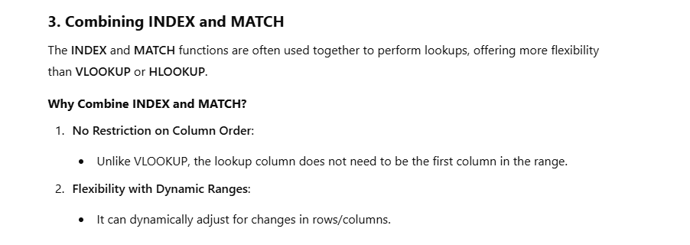

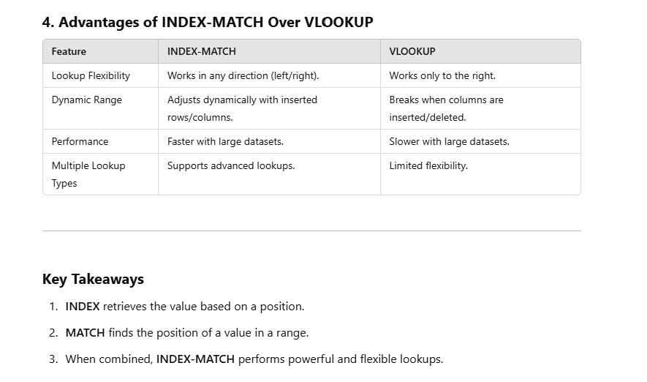

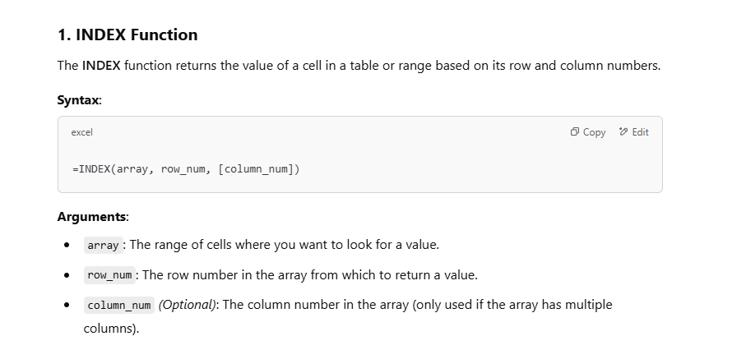

 | The INDEX function returns the value of a cell

 | Product ID | Product Name | Price
 | 101 | Laptop | 800
 | 102 | Smartphone | 500
 | 103 | Tablet | 300

Find the Name of the Product | Smartphone
Find the Price of the Product in Row 3, Column 3: | 300

 |  | 1 | 2 | 3 | 4 | 5 | 6
 | 1
 | 2
 | 3
 | 4
 | 5
 | 6

 |  |  |  | =INDEX(D85:I91,5,4)

Match
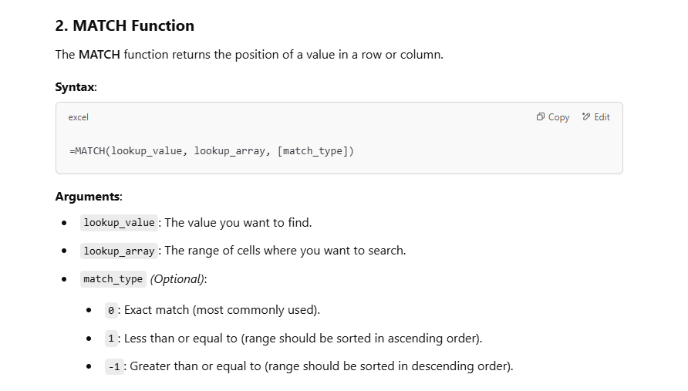
 |  |  | Match Function

 |  |  | Fortune Cookie Row:
 |  |  | Fortune | 4

 |  |  | # | Cookie Type
 |  |  | 1 | Birthday Cake
 |  |  | 2 | Butterscotch
 |  |  | 3 | Chocolate Chip
 |  |  | 4 | Fortune
 |  |  | 5 | Snickerdoodle
 |  |  | 6 | Sugar

The MATCH function returns the position of a value

Product ID
101
102
103

1 | =MATCH(101,C31:C33)

Product ID | Product Name | Price
101 | Laptop | 800
102 | Smartphone | 500
103 | Tablet | 300

2

