Charts1
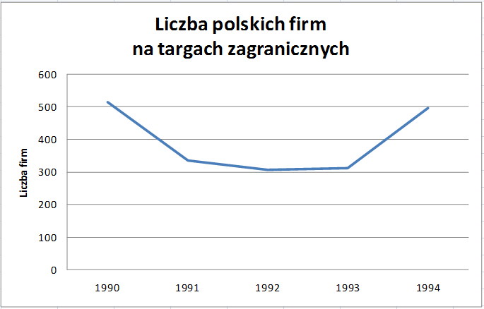
In 1990-1994 the number of Polish companies participating in trade fairs abroad amounted to 513, 335, 306, 311, 497. Present data in a line chart. Use the data in the table.

 | Year | No.of companies
 | 1990 | 513
 | 1991 | 335
 | 1992 | 306
 | 1993 | 311
 | 1994 | 497

Charts2
Based on ads, which appeared in the last week, a list of offers from employers have been created. Read data from the chart below and enter them into a spreadsheet table. Then create a similar chart.
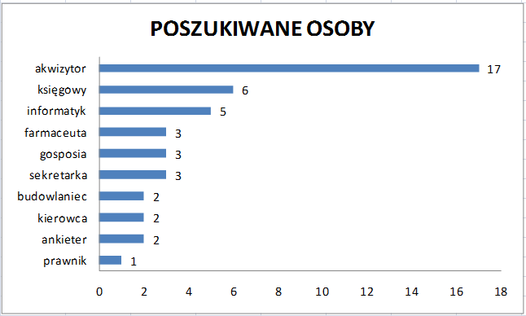

salesman
acountant
computer scientist
chemist
housekeeper
secretary
construction worker
driver
pollster
lawyer

Charts3
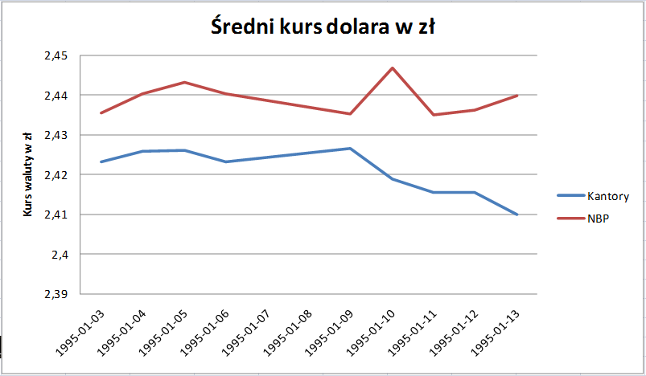
On the basis of the following data, create line charts showing the average exchange rate of the dollar both in exchange offices and Polish National Bank (NBP). Try to get the final result as in the example.

 | $ exchange rate in Polish zloty
Date | Exchange offices | Polish National Bank (NBP)
1/3/1995 | 2.4231 | 2.4355
1/4/1995 | 2.4258 | 2.4402
1/5/1995 | 2.4261 | 2.4431
1/6/1995 | 2.4232 | 2.4402
1/9/1995 | 2.4265 | 2.4352
1/10/1995 | 2.4188 | 2.4468
1/11/1995 | 2.4155 | 2.4351
1/12/1995 | 2.4155 | 2.4362
1/13/1995 | 2.4099 | 2.4399

DataManagement3
No. | Employee | Discipline | Month | Distance km | Time min
1 | John Brown | cycling | July | 20 | 63 | Calculate the total distance for every person. 1/ Hightlight the whole table. Then create a pivot table report (Data menu) showing the total distance in km for every person. The result (example) is given below. 2/ Display the distance in the table with no decimal points. 3/ Sort the values in the table by the total distance in descending order. 4/ Create a column chart showing the calculated values.
2 | Barbara Scott | cycling | July | 99 | 185
3 | Ann May | skating | July | 21 | 96
4 | John Brown | cycling | July | 62 | 286
5 | Peter Collins | swimming | July | 2.5 | 38
6 | Barbara Scott | swimming | August | 5.7 | 83
7 | John Brown | walking | August | 6 | 90
8 | Barbara Scott | walking | August | 7 | 140
9 | Peter Collins | swimming | August | 3.7 | 96
10 | Ann May | jogging | August | 4 | 34
11 | John Brown | walking | August | 2 | 20
12 | Barbara Scott | cycling | August | 47 | 97
13 | Peter Collins | skating | August | 35 | 233
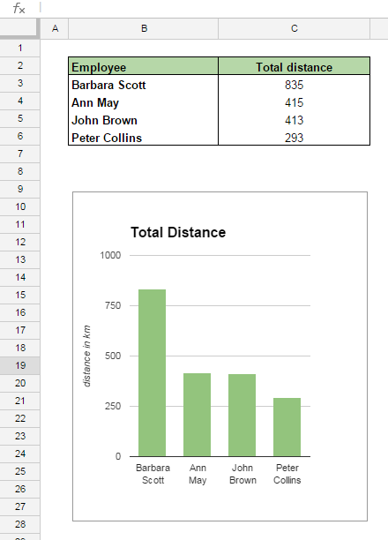
14 | John Brown | jogging | August | 12 | 65
15 | Barbara Scott | swimming | August | 3.4 | 102
16 | Barbara Scott | walking | August | 7 | 210
17 | Barbara Scott | cycling | August | 103 | 386
18 | Ann May | jogging | September | 7 | 46
19 | Barbara Scott | swimming | September | 0.9 | 16
20 | Barbara Scott | skating | September | 23 | 106
21 | Ann May | swimming | September | 7.3 | 182
22 | John Brown | jogging | September | 7 | 60
23 | Peter Collins | walking | September | 7 | 140
24 | Barbara Scott | cycling | September | 80 | 165
25 | Peter Collins | skating | September | 6 | 32
26 | Peter Collins | skating | September | 23 | 125
27 | John Brown | skating | September | 28 | 152
28 | Peter Collins | walking | September | 4 | 48
29 | John Brown | walking | September | 7 | 210
30 | Barbara Scott | walking | September | 1 | 10
31 | John Brown | cycling | September | 61 | 130
32 | Peter Collins | jogging | September | 8 | 48
33 | Ann May | jogging | September | 10 | 75
34 | Ann May | walking | October | 2 | 30
35 | Peter Collins | walking | October | 3 | 90
36 | John Brown | jogging | October | 6 | 51
37 | Barbara Scott | cycling | October | 73 | 199
38 | Ann May | cycling | October | 62 | 218
39 | John Brown | walking | October | 2 | 24
40 | Peter Collins | skating | October | 29 | 116
41 | Barbara Scott | jogging | October | 6 | 32
42 | Barbara Scott | cycling | October | 90 | 284
43 | Barbara Scott | walking | October | 1 | 15
44 | Barbara Scott | walking | October | 2 | 30
45 | Ann May | swimming | October | 2.1 | 33
46 | Ann May | skating | October | 26 | 156
47 | Peter Collins | swimming | October | 5.8 | 133
48 | Peter Collins | walking | November | 6 | 180
49 | John Brown | skating | November | 24 | 84
50 | Barbara Scott | skating | November | 17 | 63
51 | Barbara Scott | cycling | November | 67 | 268
52 | John Brown | swimming | November | 3.7 | 69
53 | Peter Collins | swimming | November | 6.5 | 185
54 | Peter Collins | walking | November | 7 | 140
55 | Peter Collins | skating | November | 23 | 138
56 | John Brown | jogging | November | 14 | 105
57 | Barbara Scott | skating | November | 33 | 220
58 | Peter Collins | skating | November | 9 | 38
59 | John Brown | jogging | November | 4 | 34
60 | Ann May | cycling | November | 96 | 205
61 | Barbara Scott | skating | November | 13 | 70
62 | John Brown | swimming | November | 7 | 200
63 | John Brown | swimming | November | 4.5 | 93
64 | John Brown | walking | November | 1 | 15
65 | Barbara Scott | cycling | November | 102 | 322
66 | Ann May | walking | November | 1 | 10
67 | John Brown | walking | November | 5 | 150
68 | John Brown | skating | November | 25 | 88
69 | Peter Collins | walking | November | 4 | 80
70 | Peter Collins | walking | November | 2 | 24
71 | Ann May | skating | December | 32 | 120
72 | John Brown | swimming | December | 0.9 | 17
73 | John Brown | skating | December | 25 | 125
74 | John Brown | swimming | December | 3.1 | 48
75 | John Brown | jogging | December | 6 | 51
76 | John Brown | cycling | December | 39 | 83
77 | Peter Collins | cycling | December | 38 | 76
78 | Ann May | jogging | December | 13 | 70
79 | Ann May | skating | December | 23 | 125
80 | John Brown | skating | December | 35 | 161
81 | Barbara Scott | cycling | December | 48 | 110
82 | Ann May | skating | December | 16 | 73
83 | Ann May | jogging | December | 10 | 54
84 | John Brown | swimming | December | 3.2 | 44
85 | Ann May | jogging | December | 10 | 54
86 | Ann May | cycling | December | 34 | 107
87 | Peter Collins | cycling | December | 44 | 155
88 | Ann May | swimming | December | 5.7 | 110
89 | Ann May | skating | December | 33 | 152
90 | Peter Collins | cycling | December | 26 | 47
91 | Barbara Scott | walking | December | 6 | 180

DataManagement5
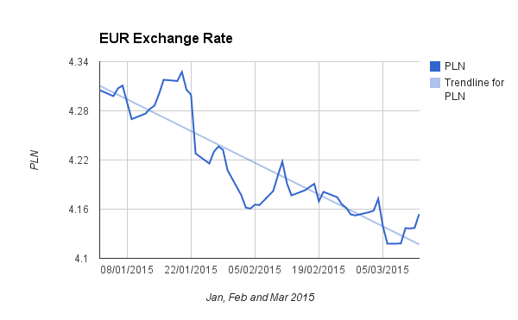
The file Currency Exchange Rates.CSV contains the exchange rates for the four currencies. Import the data to your document (sheet). Then create a chart for the Polish currency, as shown below. Add a trendline https://support.google.com/docs/answer/6075154?hl=en

