BugReport
Bug_Id | Module_name | Build_No | Description | TC_Id | Step to replace the bug | Screenshot | Sevirity | Priority | Reportd By | Assigned to | Resolution | Status | Fixed Date
ORHRM_oo1 | OrangeHRM_MyInfo | 1 | Dashboard is displayed after login is successful instead of MyInfo page | TC_MyInfo_001 | 1.Launch browser 2.open the URL"https://opensource-demo.orangehrmlive.com/web/index.php/auth/login" 3.Enter the valid ESS user name 4.Enter valid password 5. Click on "LOGIN" button. | 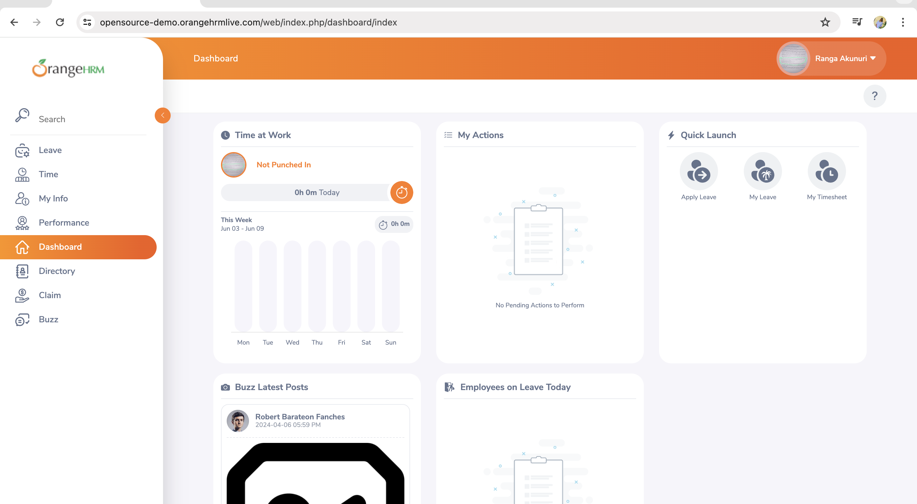 | S3 | P3 | Piramala | Developer name | Developer going to do | Developer going to do | Developer going to do

