Summary
Category | Count
Passed | 2
Failed | 1
Skipped | 0
Total | 3
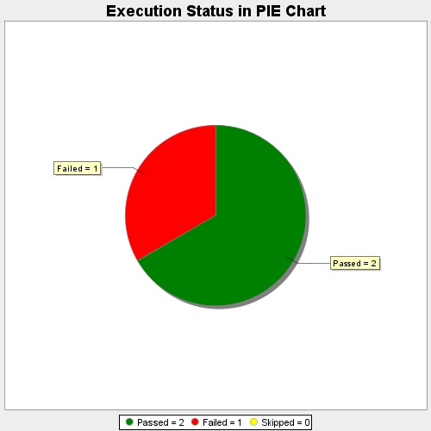
Start Time | 2019-01-23T14:28:29Z
End Time | 2019-01-23T14:28:53Z
Duration | 23028 ms

