Summary
Category | Count
Passed | 2
Failed | 1
Skipped | 0
Total | 5
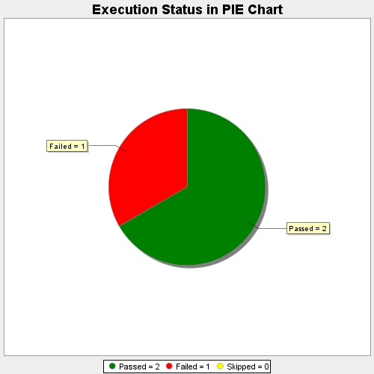
Start Time | 2019-01-23T14:35:59Z
End Time | 2019-01-23T14:36:24Z
Duration | 25171 ms

