BOSS
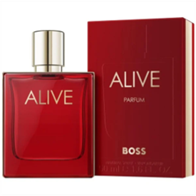
https://douglas.bg/hugo-intense-eau-de-parfum-for-men-conf-81232
https://www.pazaruvaj.com/p/hugo-boss-hugo-intense-edp-125-ml-pP1035241669/#overviews/

230-240 | 150lv

https://prettyshop.bg/products/boss-alive-parfum
300 | 200

