Sheet1
 | PCDB ID | Part Terminology | Definition
 | 48613 | Vehicle Key | A mechanical or transponder key used to open vehicle doors and / or used to turn and off a vehicle's ignition.
 |  |  | A mechanical key or remote used to turn on/off a vehicle's ignition and / or used to open vehicle doors
 | 10433 | Keyless Entry Transmitter | A vehicle key and / or remote used to open or control various functions of a vehicle, including but not limited to vehicle door entry, ignition, alarm system, trunk lid, etc.
 |  |  | A remote used to lock/unlock a vehicle. It may include a panic button and or trunck release button.

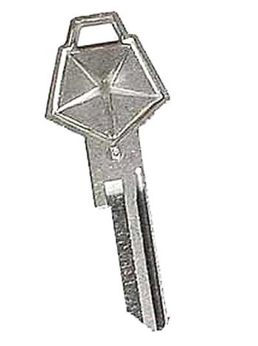
 |  | Part Terminology | Alias | Padb | Padb Value
 | ACES | Vehicle Key
 | PIES | Vehicle Key | Ignition Key, Key Blank, Key Fob | Electronic Chip Type | N | Transponder Type Y/N?

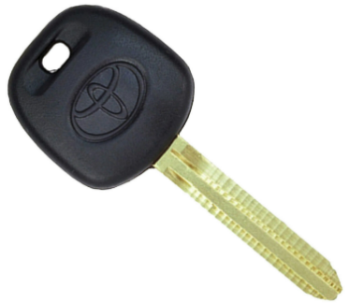
 |  | Part Terminology | Alias | Padb | Padb Value
 | ACES | Vehicle Key
 | PIES | Vehicle Key | Ignition Key, Key Blank, Key Fob | Electronic Chip Type | Y | Transponder Type Y/N?

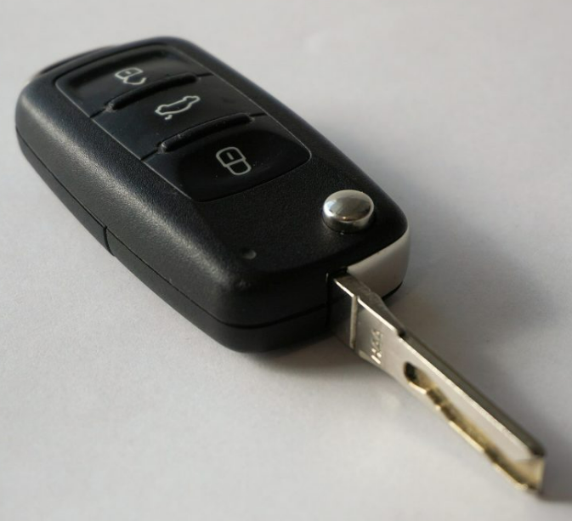
 |  | Part Terminology | Alias | Padb | Padb Value
 | ACES | Vehicle Key
 | PIES | Vehicle Key | Ignition Key, Key Blank, Key Fob | Electronic Chip Type | Y | Transponder Type Y/N?
 |  |  |  | Keyless Ignition System | N
 |  |  |  | Keyless Entry Transmitter | Y
 |  |  |  | Proximity Lock/Unlock Capability | N
 |  |  |  | Remote Start | N
 |  |  |  | Power Sliding Doors | N
 |  |  |  | Power Liftgate | N
 |  |  |  | Power Tailgate | N

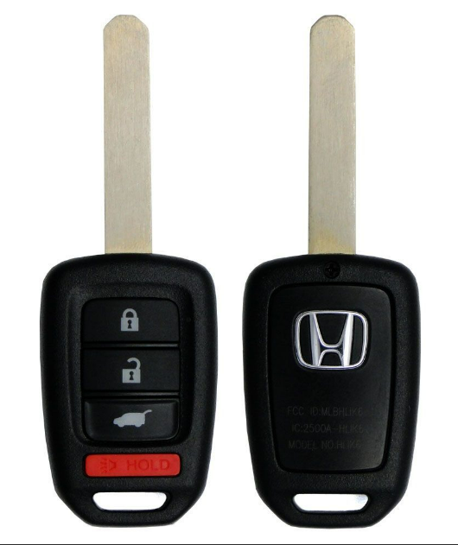
 |  | Part Terminology | Alias | Padb | Padb Value
 | ACES | Vehicle Key
 | PIES | Vehicle Key | Ignition Key, Key Blank, Key Fob | Electronic Chip Type | Y | Transponder Type Y/N?
 |  |  |  | Keyless Ignition System | Y
 |  |  |  | Keyless Entry Transmitter | Y
 |  |  |  | Proximity Lock/Unlock Capability | N
 |  |  |  | Remote Start | N
 |  |  |  | Power Sliding Doors | N
 |  |  |  | Power Liftgate | Y
 |  |  |  | Power Tailgate | N

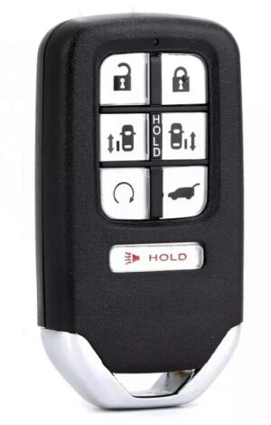
 |  | Part Terminology | Alias | Padb | Padb Value
 | ACES | Vehicle Key
 | PIES | Vehicle Key | Ignition Key, Key Blank, Key Fob | Electronic Chip Type | Y | Transponder Type Y/N?
 |  |  |  | Keyless Ignition System | Y
 |  |  |  | Keyless Entry Transmitter | Y
 |  |  |  | Proximity Lock/Unlock Capability | Y
 |  |  |  | Remote Start | Y
 |  |  |  | Power Sliding Doors | Y
 |  |  |  | Power Liftgate | Y
 |  |  |  | Power Tailgate | N

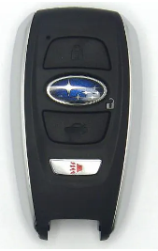
 |  | Part Terminology | Alias | Padb | Padb Value
 | ACES | Vehicle Key
 | PIES | Vehicle Key | Ignition Key, Key Blank, Key Fob | Electronic Chip Type | Y | Transponder Type Y/N?
 |  |  |  | Keyless Ignition System | Y
 |  |  |  | Keyless Entry Transmitter | Y
 |  |  |  | Proximity Lock/Unlock Capability | Y
 |  |  |  | Remote Start | N
 |  |  |  | Power Sliding Doors | N
 |  |  |  | Power Liftgate | N
 |  |  |  | Power Tailgate | N
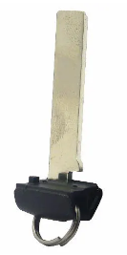
 |  | Part Terminology | Alias | Padb | Padb Value
 | ACES | Vehicle Key Blade Insert
 | PIES | Vehicle Key Blade Insert | Key Fob Key Blade Insert

 |  | Part Terminology | Alias | Padb | Padb Value
 | ACES | Keyless Entry Transmitter
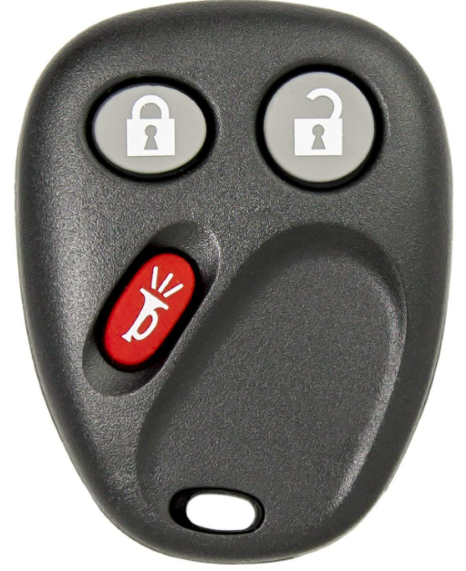 | PIES | Keyless Entry Transmitter | Keyless Entry Transmitter and Alarm Transmitter, Keyless Entry Remote Control, Keyless Entry Remote Transmitter

 |  | Vehicle Door key |  | Manually Unlocks Doors Y/N
 |  | #NAME? |  | Manually Turns Ignition Y/N

