Bridge Template
Field | Bit Length | Allowable Range | Data Type | Entry | Units | Notes
Manufacturer ID | 14 | 17-16381 | UNINT | 67 |  | Manufacturer IDs are assigned by IEEE (67=MSC Automotive Ltd)
Model Number | 15 | 0-32767 | UNINT | 70
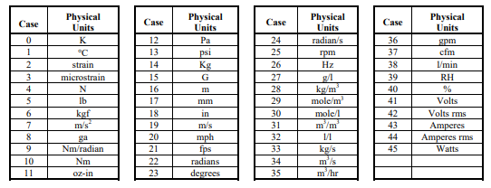
Version Letter | 5 | A-Z | Chr5 | A
Version Number | 6 | 0-63 | UNINT | 2
Serial Number | 24 | 0-16777215 | UNINT | 0514
Selector 1 | 2 | 0-3 | UNINT | 0 |  | 0=TEDS to IEEE 1451.4
Template ID | 8 | 25-39 | UNINT | 33 |  | This sheet is set up for Bridge Sensor
Physical Measurand | 6 | 0-45 | UNINT | 5 |  | Refer to table to the right
Minimum physical value | 32 |  | Single | 0 | Measurand
Maximum physical value | 32 |  | Single | 1000 | Measurand
Electrical Value Precision | 2 | 0-2 | UNINT | 2 |  | 2=full precision
Minimum electrical output | 32 |  | Single | -10 | V/V
Maximum electrical output | 32 |  | Single | 10 | V/V
Bridge Type | 2 | 0-3 | UNINT | 2 |  | 0=quarter; 1=half; 2=full
Bridge Element Impedance | 18 | 1 to 26200, step 0.1 | ConRes | 120 | Ohms
Response time | 6 | 1E-6 to 7.912, ±15% | ConRelRes | 0.0001 | seconds
Excitation level, nominal | 9 | 0.1 to 51.1, step 0.1 | ConRes | 10 | Volts
Excitation level, min | 9 | 0.1 to 51.1, step 0.1 | ConRes | 3 | Volts
Excitation level, max | 9 | 0.1 to 51.1, step 0.1 | ConRes | 20 | Volts
Calibration Date | 16 |  | DATE | 2021-01-01 |  | YYYY-MM-DD
Calibration Initials | 15 | A-Z | Chr5 | HEE |  | 3 characters long
Calibration Period | 12 | 0-4095 | UNINT | 365 | days
Measurement Point ID | 11 | 0-2047 | UNINT | 4
Selector 2 | 2 | 0-3 | UNINT | 3 |  | normally 3
Extended End | 1 | 0-1 | UNINT | 1 |  | 1=remaining bits used as user text data

