Overall
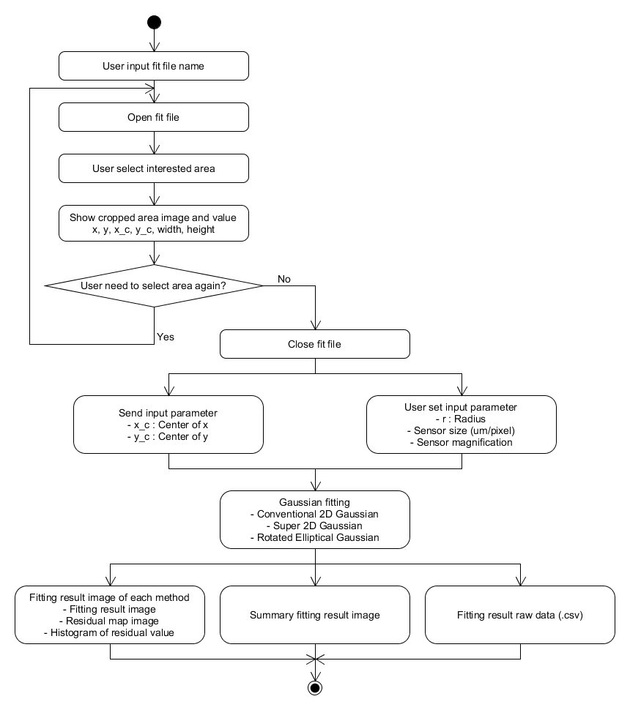
Overall flowchart
Objective : This tool use for fibre mode fitting in 3 methods as below
 | 1. Conventional 2D gaussian fitting
 | 2. Super 2D gaussian fitting
 | 3. Elliptical gaussian fitting

 | = Input by user | Others = Automate by tool

Manual
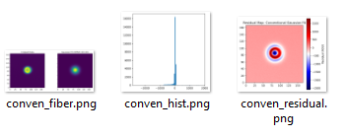
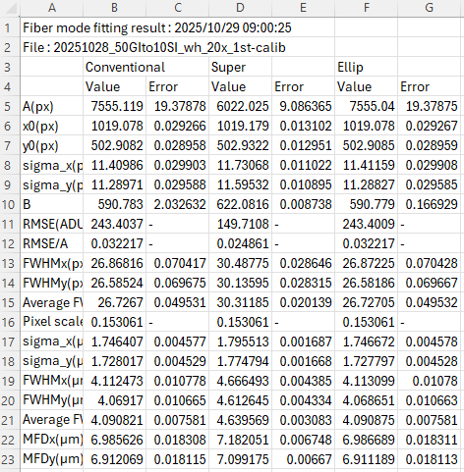
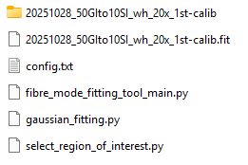
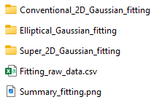
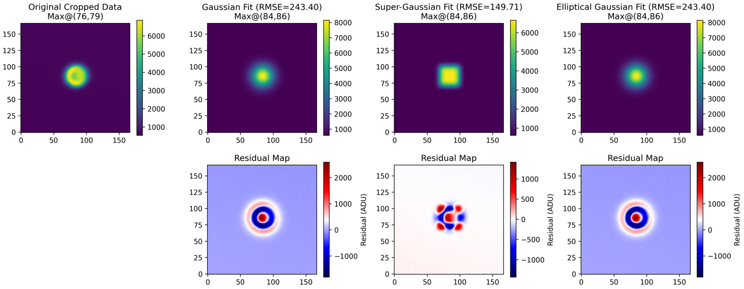
Manual
1 | Tool and target fit file MUST be located in same location
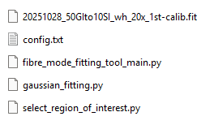
⇒ Fit file

⇒ Tool

2 | Open tool folder in Visual Studio Code
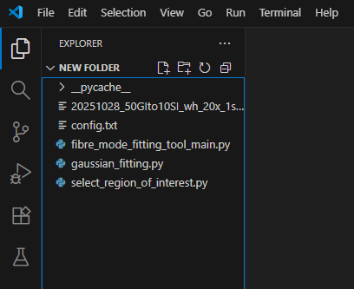
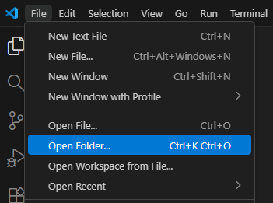

3 | Double click "fibre_mode_fitting_tool_main.py" to open the file
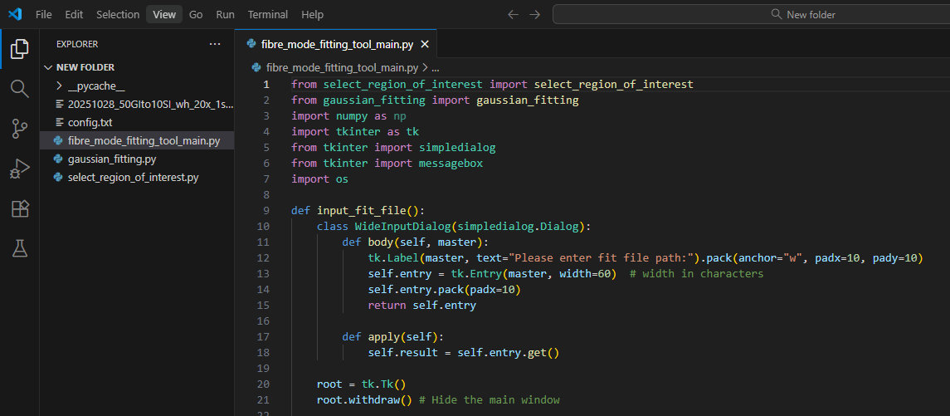

Double click

4 | Click "Run Python File" button
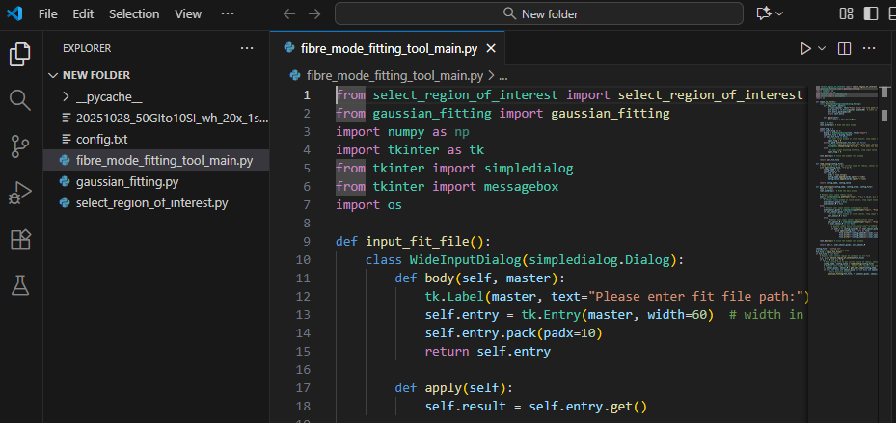

Click

5 | Fill target fit file path, then click "OK"
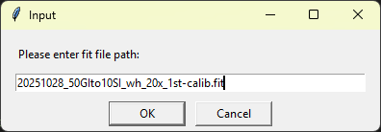

Fill target fit file path **with file name extension**

6 | Select region of interest by drag left mouse
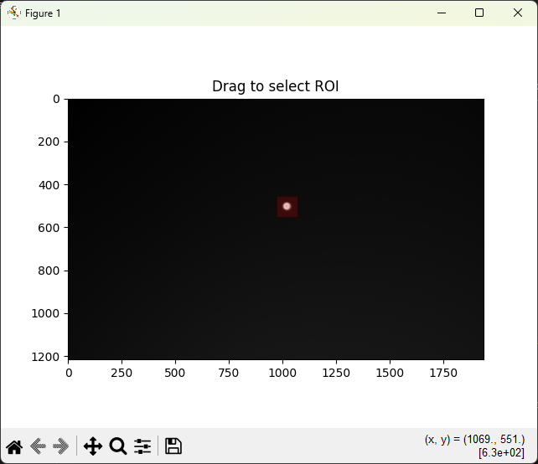
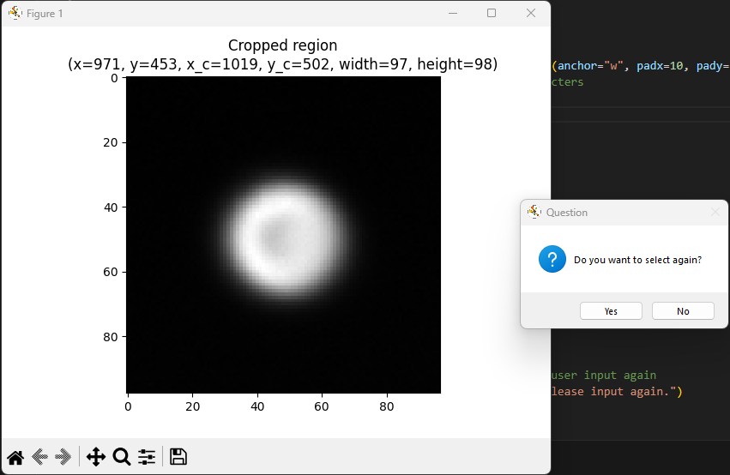

You can select again by click "Yes"

7 | Fill "Radius", "Sensor pixel" and "Sensor magnification" value, then click "OK"
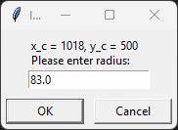
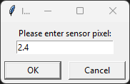
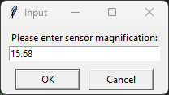

8 | Tool will show progress bar during execution
 | After the tool finishes running, "DONE" will appear in the command window
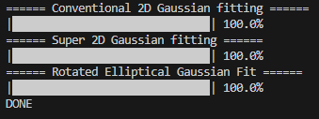

9 | Example output
Output folder will be created in same location with fit file

