Overall
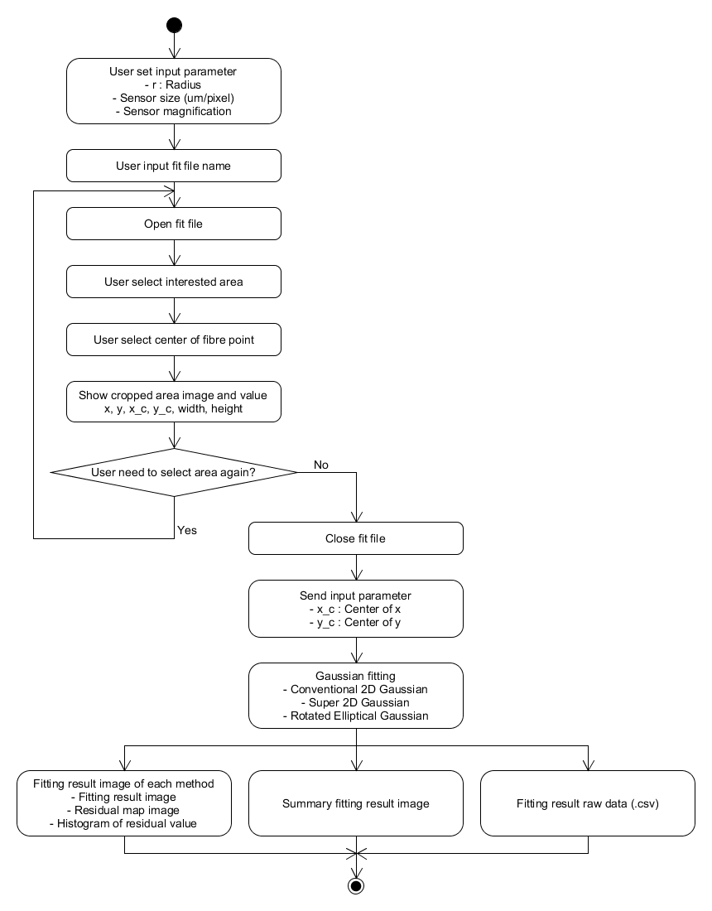
Overall flowchart
Objective : This tool use for fibre mode fitting in 3 methods as below
 | 1. Conventional 2D gaussian fitting
 | 2. Super 2D gaussian fitting
 | 3. Elliptical gaussian fitting

 | = Input by user | Others = Automate by tool

Manual
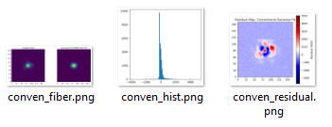
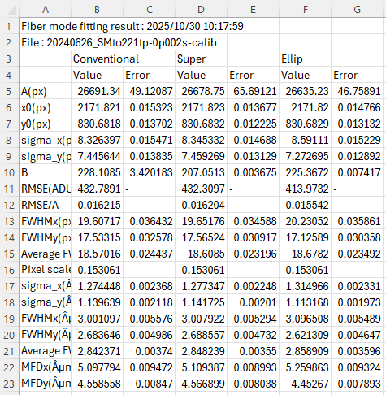
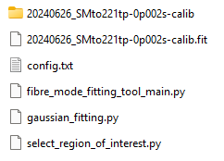
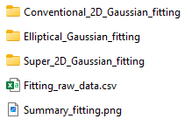
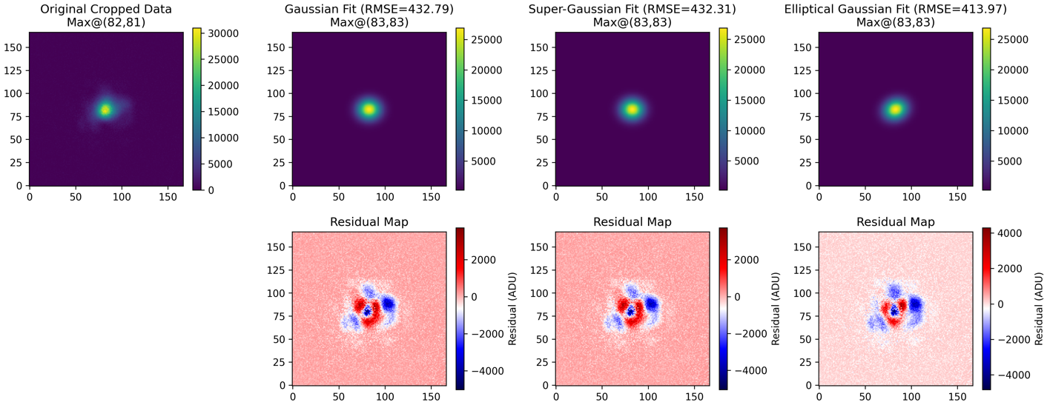
Manual
1 | Tool and target fit file MUST be located in same location
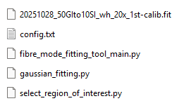
⇒ Fit file

⇒ Tool

2 | Open tool folder in Visual Studio Code
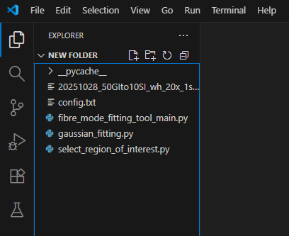
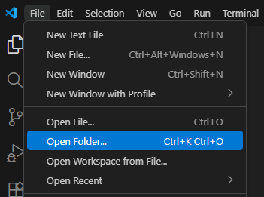

3 | Double click "fibre_mode_fitting_tool_main.py" to open the file
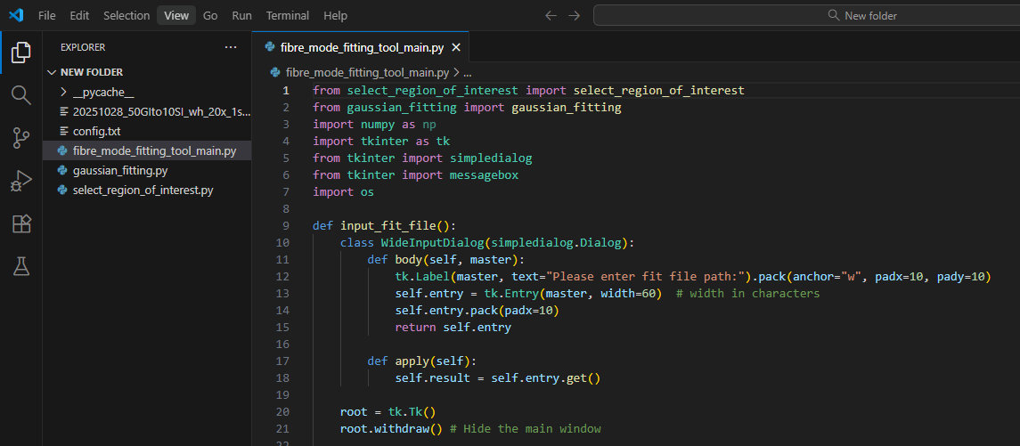

Double click

4 | Click "Run Python File" button
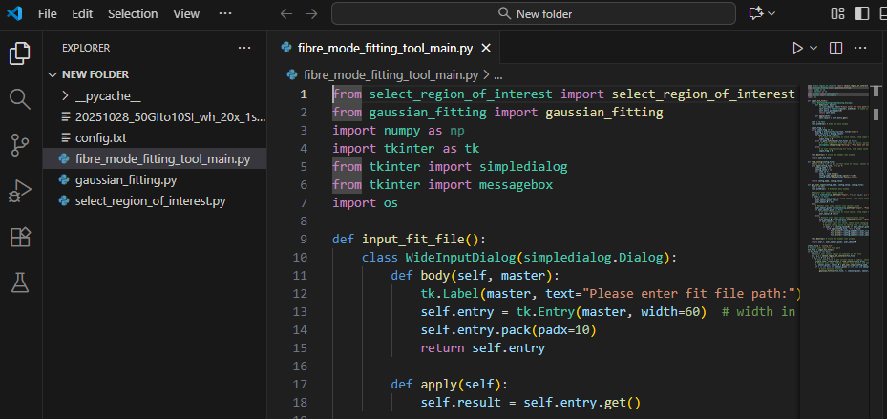

Click

5 | Fill "Radius", "Sensor pixel" and "Sensor magnification" value, then click "OK"

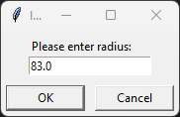
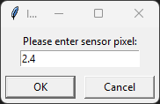
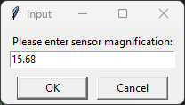

6 | Fill target fit file path, then click "OK"
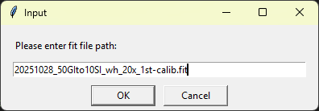

Fill target fit file path **with file name extension**

7 | Select region of interest by drag left mouse
 | Click to select center of fibre, tool will adjust position and crop again for image that fibre is at the center
Tool will adjust position and crop again for image that fibre is at the center
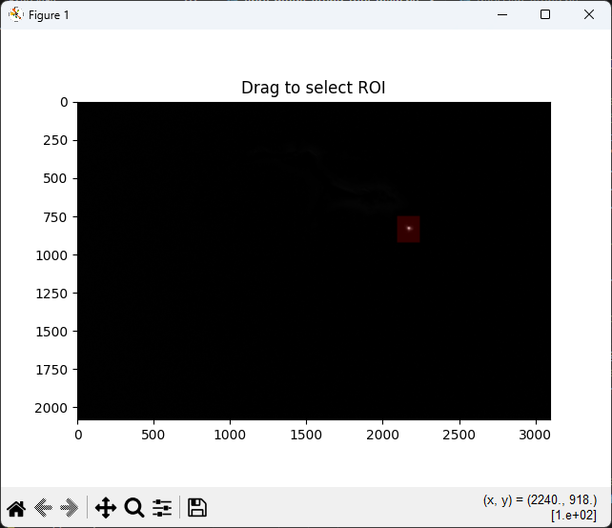
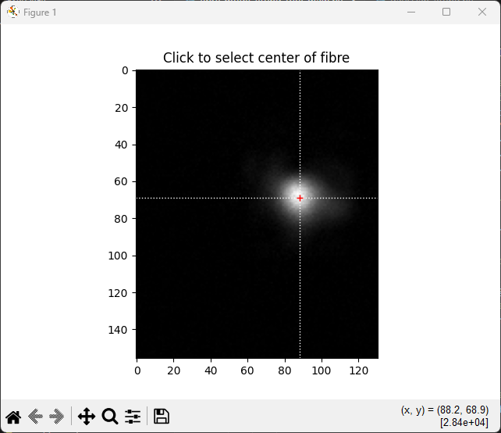
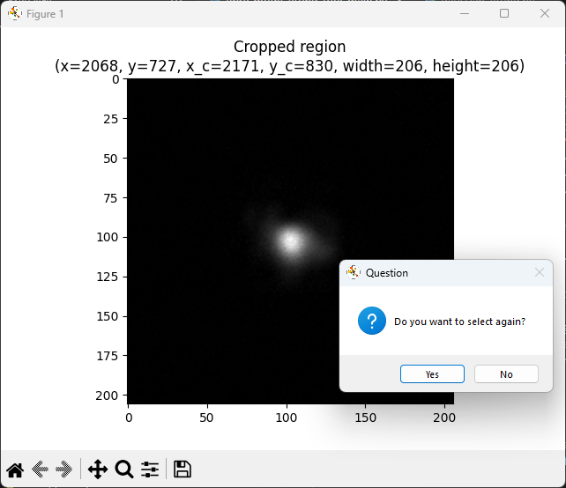

You can click "Yes" to select again

8 | Start Gaussain fitting and tool will show progress bar during execution
 | After the tool finishes running, "DONE" will appear in the command window
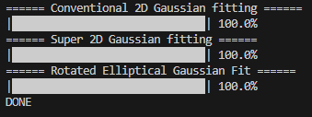

9 | Example output
Output folder will be created in same location with fit file

